Sheet1
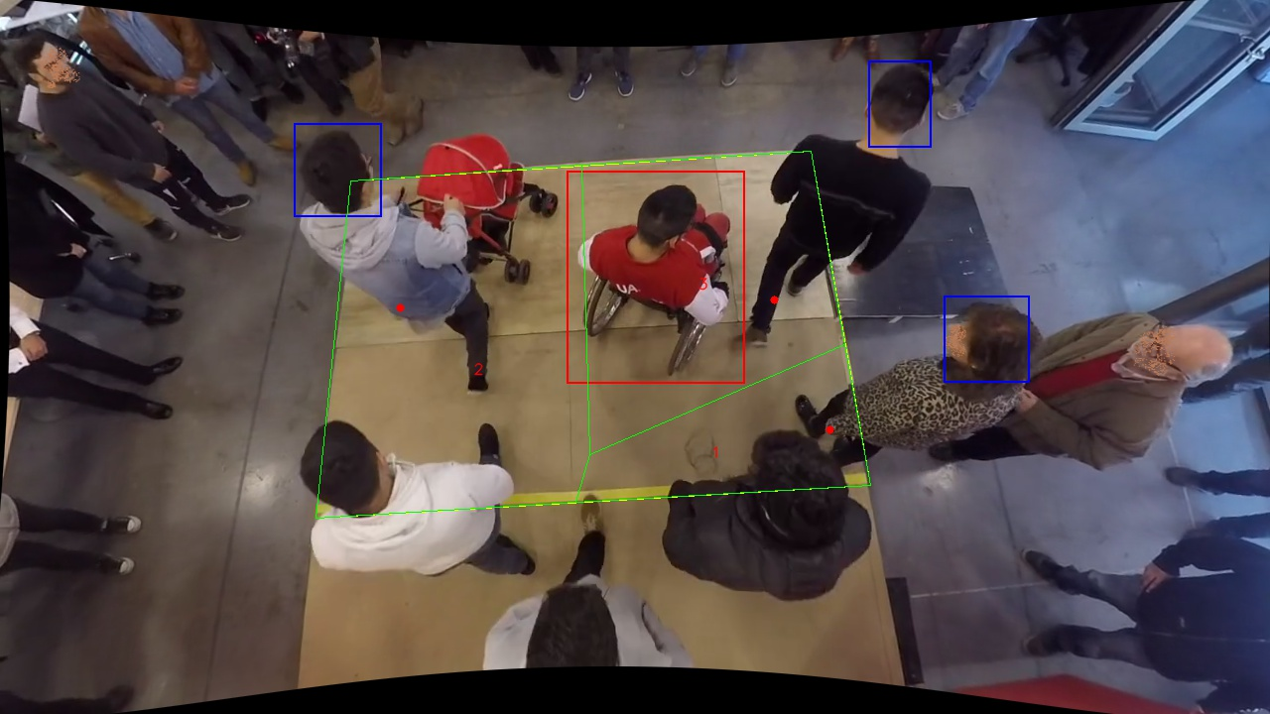
Polygon Areas in m2
Polygon Area = | 54.0
Average Density = | 18.0
Polygon 1 Area = | 8.244041544551067
Polygon 2 Area = | 26.8582486424104
Polygon 3 Area = | 18.897709813038528

