Sheet1
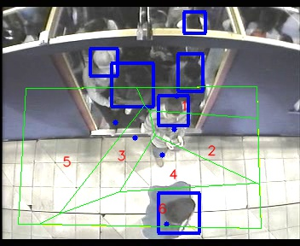
Polygon Areas in m2
Polygon Area = | 54.0
Average Density = | 9.0
Polygon 1 Area = | 5.210035023610421
Polygon 2 Area = | 7.800450435894758
Polygon 3 Area = | 5.335363598813423
Polygon 4 Area = | 6.09881583648115
Polygon 5 Area = | 18.15827269580471
Polygon 6 Area = | 11.397062409395536

