Sheet1
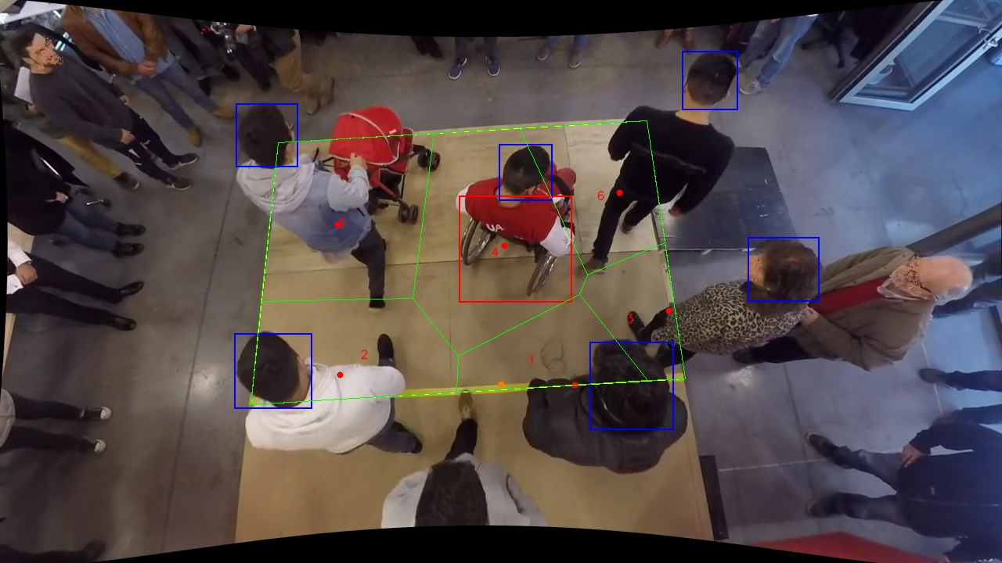
Polygon Areas in m2
Polygon Area = | 6.0
Average Density = | 1.0
Polygon 1 Area = | 0.6163692926187071
Polygon 2 Area = | 1.0650163239251613
Polygon 3 Area = | 0.4947458683813841
Polygon 4 Area = | 1.5629750014643025
Polygon 5 Area = | 1.4233504594004263
Polygon 6 Area = | 0.8375430542100195

