Sheet1
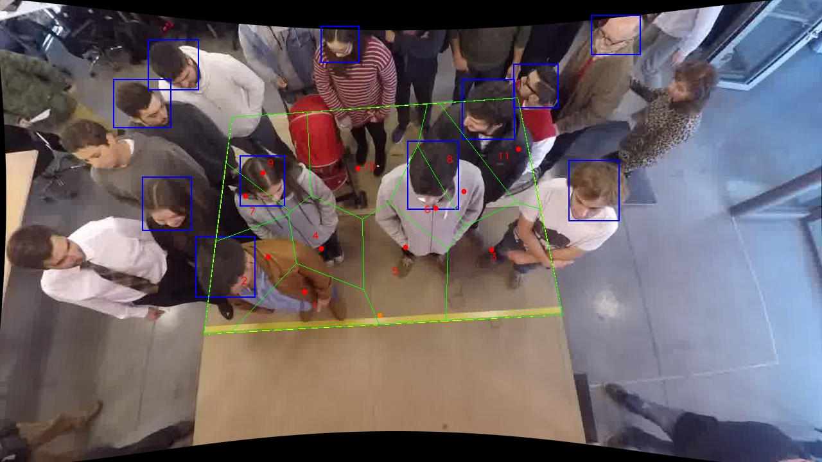
Polygon Areas in m2
Polygon Area = | 6.0
Average Density = | 0.5454545454545454
Polygon 1 Area = | 0.49747393734709117
Polygon 2 Area = | 0.5670628458889566
Polygon 3 Area = | 0.9128033631436971
Polygon 4 Area = | 0.423720659589468
Polygon 5 Area = | 0.7057806520858496
Polygon 6 Area = | 0.3067403308069132
Polygon 7 Area = | 0.2456151577980151
Polygon 8 Area = | 0.4742374737102486
Polygon 9 Area = | 0.5371408195005805
Polygon 10 Area = | 0.8650113141783924
Polygon 11 Area = | 0.46441344595078843

