Sheet1
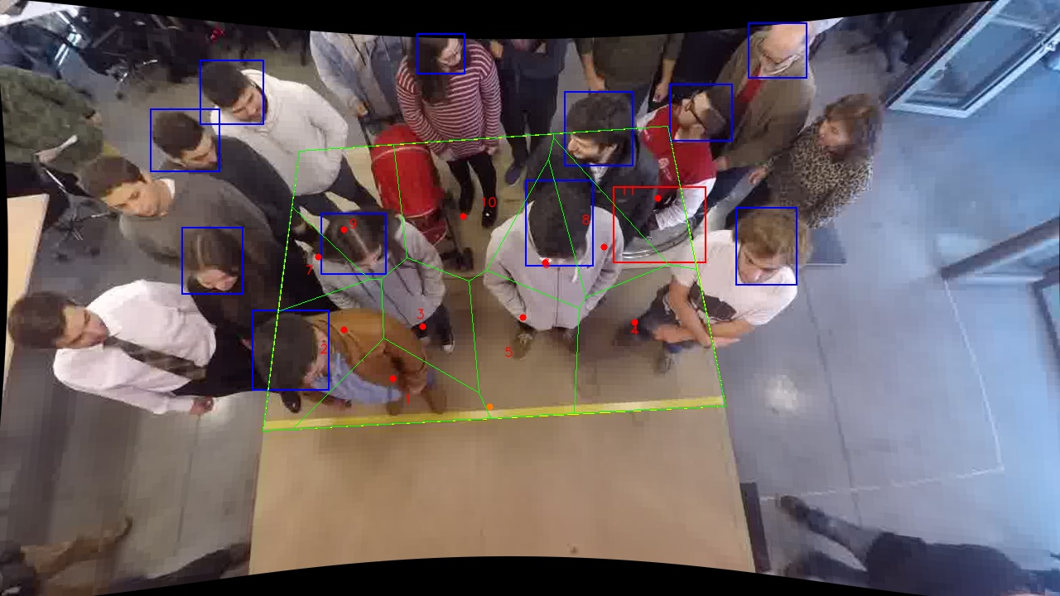
Polygon Areas in m2
Polygon Area = | 6.0
Average Density = | 0.5454545454545454
Polygon 1 Area = | 0.47965939313305117
Polygon 2 Area = | 0.5679322479671369
Polygon 3 Area = | 0.4442657078183413
Polygon 4 Area = | 0.9126641671809912
Polygon 5 Area = | 0.6699341902050634
Polygon 6 Area = | 0.3593081915355271
Polygon 7 Area = | 0.23804837406623694
Polygon 8 Area = | 0.4073078802075945
Polygon 9 Area = | 0.5751694598462997
Polygon 10 Area = | 0.8267762157002558
Polygon 11 Area = | 0.5189341723395028

