Sheet1
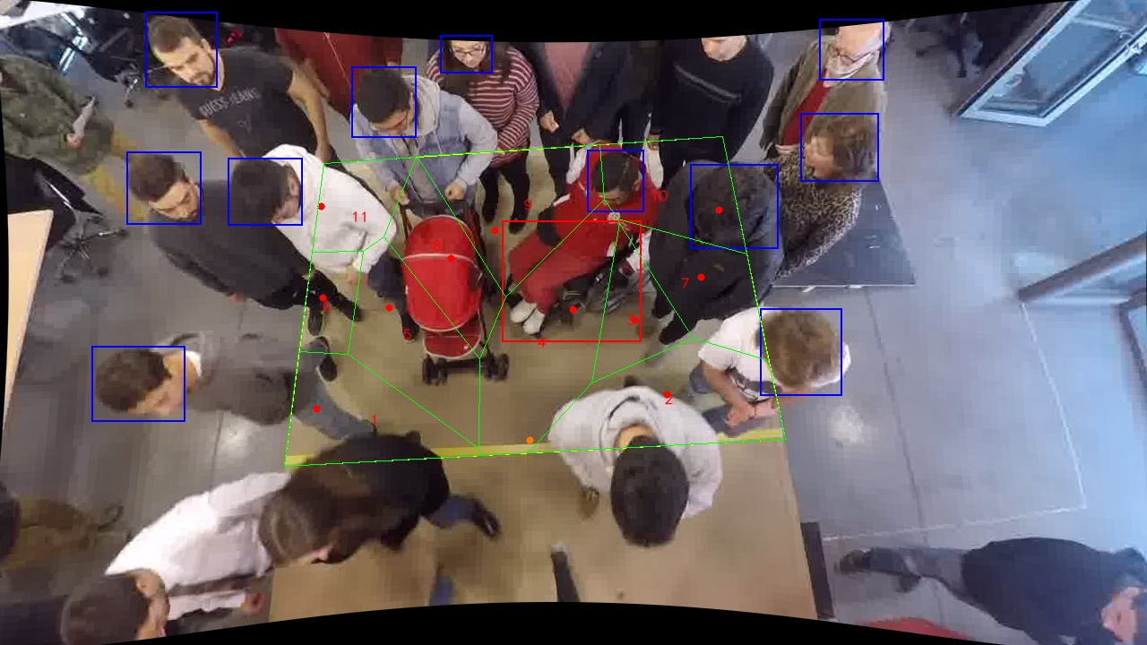
Polygon Areas in m2
Polygon Area = | 6.0
Average Density = | 0.5454545454545454
Polygon 1 Area = | 0.6062131690083148
Polygon 2 Area = | 0.8128773141160589
Polygon 3 Area = | 0.32846691797716815
Polygon 4 Area = | 0.9090689361748148
Polygon 5 Area = | 0.6480194307341354
Polygon 6 Area = | 0.22541764673299955
Polygon 7 Area = | 0.45090257284442464
Polygon 8 Area = | 0.46293262414746755
Polygon 9 Area = | 0.7154217232984034
Polygon 10 Area = | 0.5303798672746481
Polygon 11 Area = | 0.3102997976915653

