Sheet1
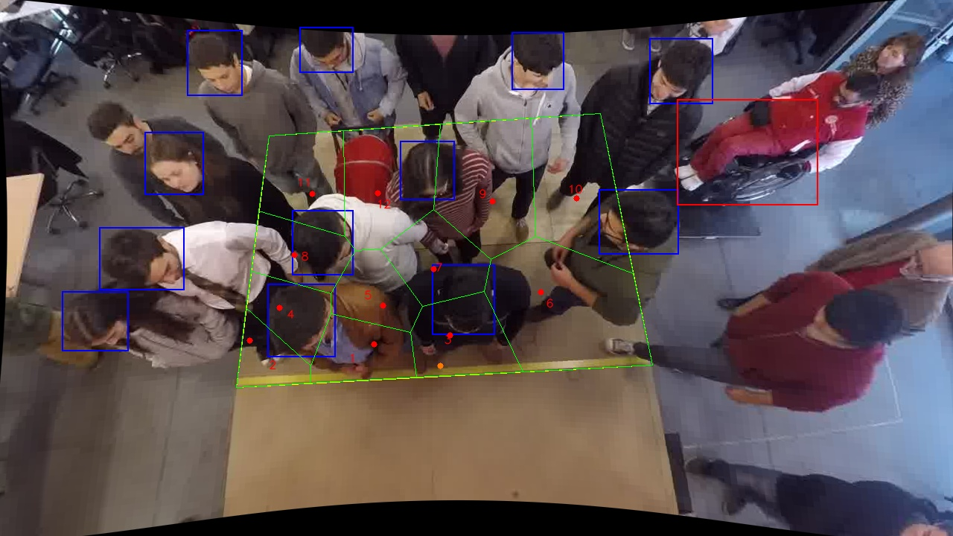
Polygon Areas in m2
Polygon Area = | 6.0
Average Density = | 0.5
Polygon 1 Area = | 0.3524859376355322
Polygon 2 Area = | 0.222691112247376
Polygon 3 Area = | 0.438794220743672
Polygon 4 Area = | 0.2958028172032937
Polygon 5 Area = | 0.31439424913374703
Polygon 6 Area = | 1.051899480134152
Polygon 7 Area = | 0.40441749443364156
Polygon 8 Area = | 0.3501278134341772
Polygon 9 Area = | 0.7408827413633068
Polygon 10 Area = | 0.7205187530538908
Polygon 11 Area = | 0.46775135141563373
Polygon 12 Area = | 0.6402340292015771

