Sheet1
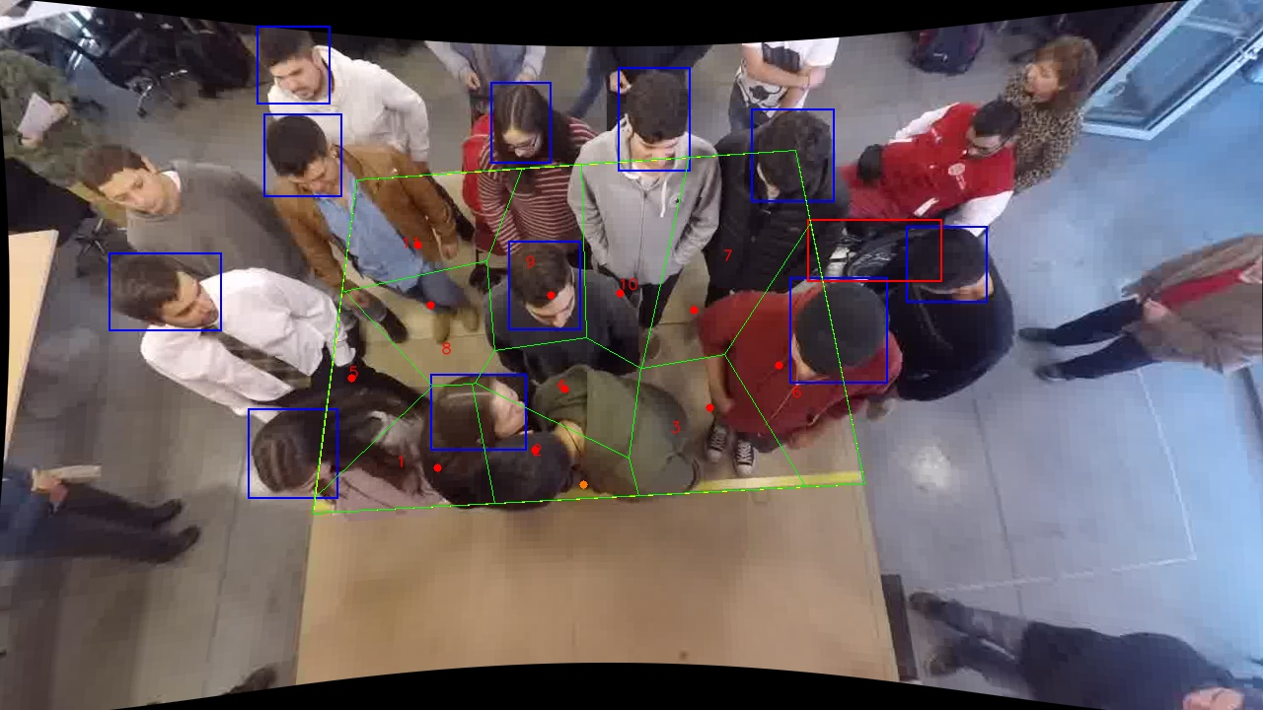
Polygon Areas in m2
Polygon Area = | 6.0
Average Density = | 0.5454545454545454
Polygon 1 Area = | 0.5098224551981835
Polygon 2 Area = | 0.4147583311407454
Polygon 3 Area = | 0.6284806848537197
Polygon 4 Area = | 0.42082559812992787
Polygon 5 Area = | 0.39231038067628776
Polygon 6 Area = | 0.6762781170742116
Polygon 7 Area = | 0.8418017386102532
Polygon 8 Area = | 0.42321341929038137
Polygon 9 Area = | 0.5525427782219597
Polygon 10 Area = | 0.5782147971988825
Polygon 11 Area = | 0.5617516996054478

