Sheet1
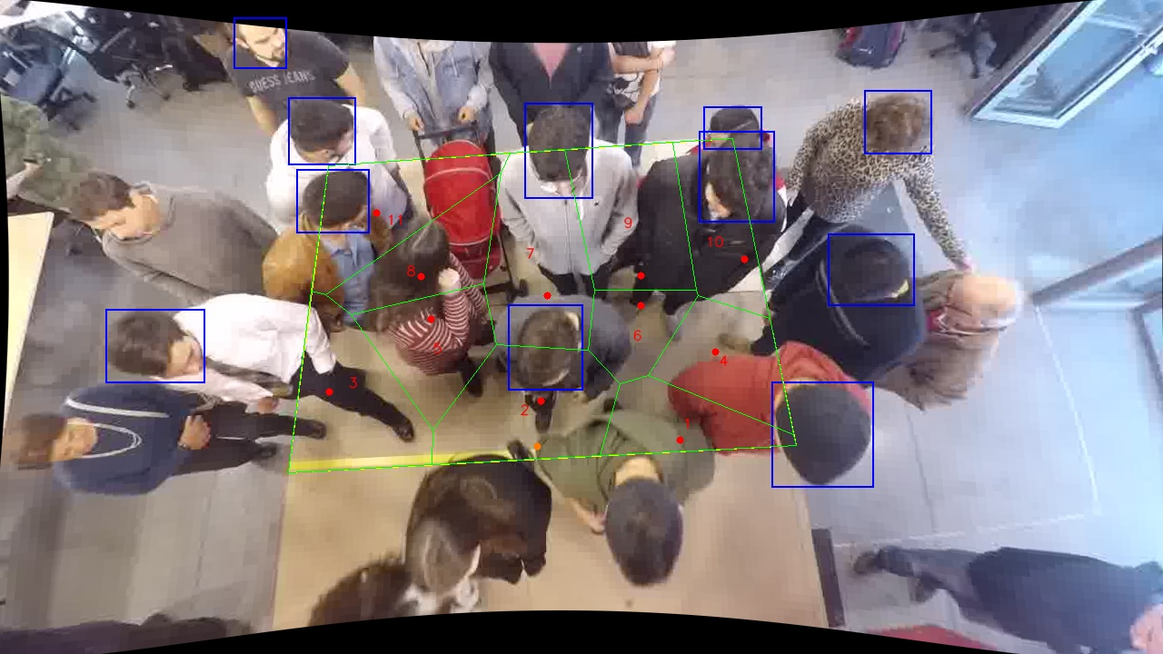
Polygon Areas in m2
Polygon Area = | 6.0
Average Density = | 0.5454545454545454
Polygon 1 Area = | 0.3914579603955695
Polygon 2 Area = | 0.7296642005775567
Polygon 3 Area = | 0.706547527055565
Polygon 4 Area = | 0.4796553545634277
Polygon 5 Area = | 0.4874763829864537
Polygon 6 Area = | 0.300995783975335
Polygon 7 Area = | 0.7570655368163126
Polygon 8 Area = | 0.4450484069344647
Polygon 9 Area = | 0.6497452748275349
Polygon 10 Area = | 0.4587381632943635
Polygon 11 Area = | 0.5936054085734174

