Sheet1
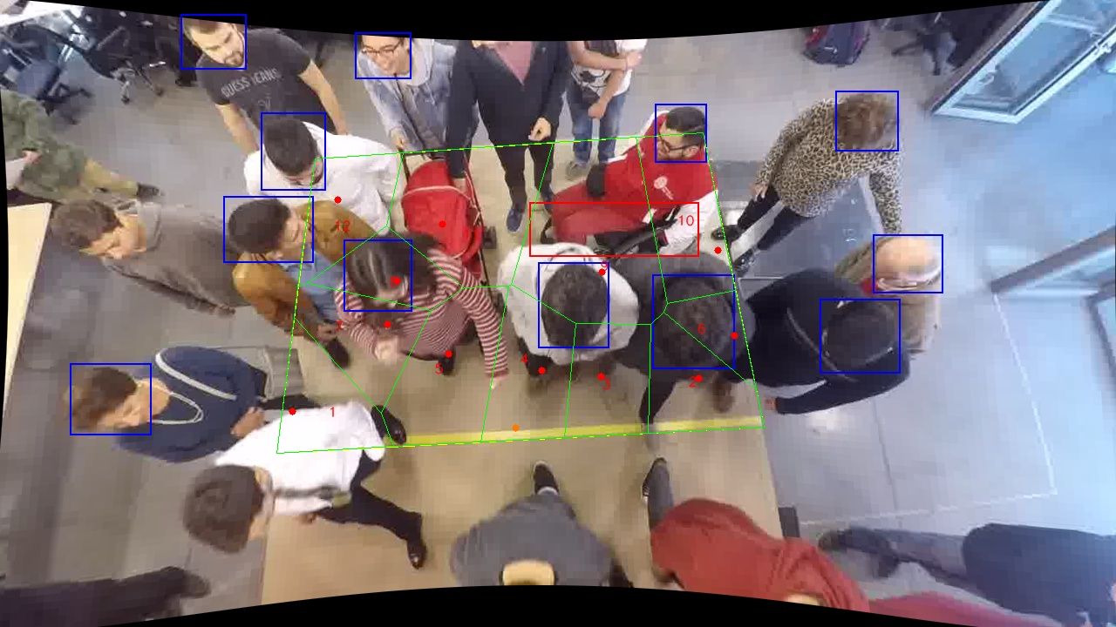
Polygon Areas in m2
Polygon Area = | 6.0
Average Density = | 0.5
Polygon 1 Area = | 0.40646323314570326
Polygon 2 Area = | 0.4175096093297943
Polygon 3 Area = | 0.4082293769158428
Polygon 4 Area = | 0.4961186387087713
Polygon 5 Area = | 0.6231313629032936
Polygon 6 Area = | 0.18957858391800836
Polygon 7 Area = | 0.4312880811590587
Polygon 8 Area = | 0.3053506585391088
Polygon 9 Area = | 1.0120933944997164
Polygon 10 Area = | 0.520650812316715
Polygon 11 Area = | 0.794438303246776
Polygon 12 Area = | 0.3951479453172121

