Sheet1
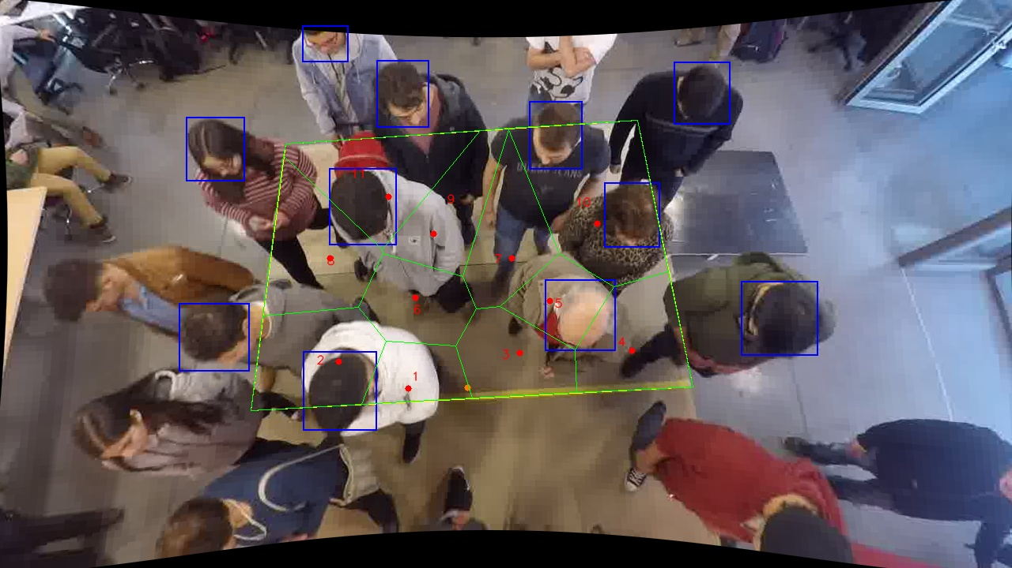
Polygon Areas in m2
Polygon Area = | 6.0
Average Density = | 0.5454545454545454
Polygon 1 Area = | 0.29543792814176684
Polygon 2 Area = | 0.6285758455432925
Polygon 3 Area = | 0.4624257622449802
Polygon 4 Area = | 0.5772784754721129
Polygon 5 Area = | 0.3215438530270093
Polygon 6 Area = | 0.42975148491496024
Polygon 7 Area = | 0.5008459795962571
Polygon 8 Area = | 0.657785313897806
Polygon 9 Area = | 0.47236977635729394
Polygon 10 Area = | 0.9952744706118832
Polygon 11 Area = | 0.6587111101926377

