Sheet1
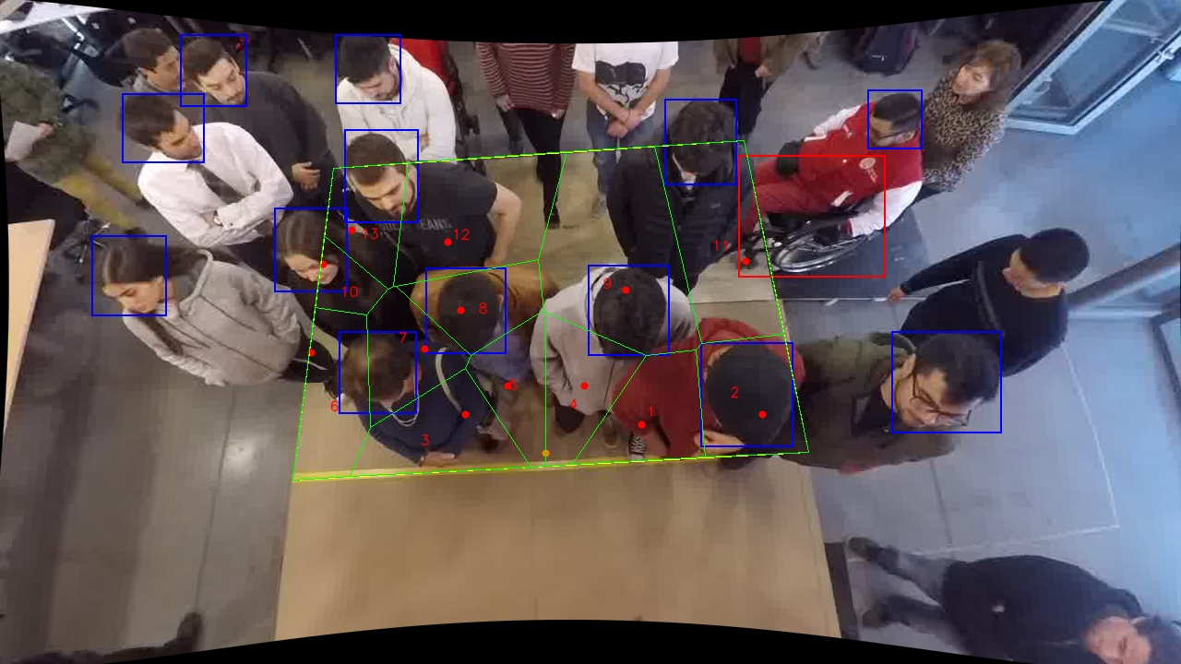
Polygon Areas in m2
Polygon Area = | 6.0
Average Density = | 0.46153846153846156
Polygon 1 Area = | 0.4026021642687135
Polygon 2 Area = | 0.4638523384455582
Polygon 3 Area = | 0.4537334634993721
Polygon 4 Area = | 0.3781195404979833
Polygon 5 Area = | 0.3062565310973747
Polygon 6 Area = | 0.43058884338659065
Polygon 7 Area = | 0.3495897251075905
Polygon 8 Area = | 0.32658821507508934
Polygon 9 Area = | 1.0258187329445607
Polygon 10 Area = | 0.1357048613286199
Polygon 11 Area = | 0.7063861026746527
Polygon 12 Area = | 0.7130601086469478
Polygon 13 Area = | 0.3076993730269471

