Sheet1
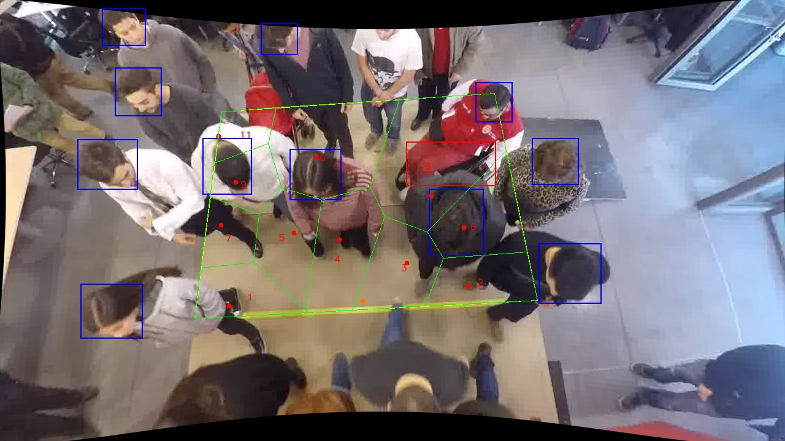
Polygon Areas in m2
Polygon Area = | 6.0
Average Density = | 0.5454545454545454
Polygon 1 Area = | 0.4099173393283834
Polygon 2 Area = | 0.4401441251696035
Polygon 3 Area = | 0.5202673047494255
Polygon 4 Area = | 0.626574960723135
Polygon 5 Area = | 0.5022644616765941
Polygon 6 Area = | 0.5615392747633952
Polygon 7 Area = | 0.28696900932368713
Polygon 8 Area = | 1.2034740718287513
Polygon 9 Area = | 0.3118855488591261
Polygon 10 Area = | 0.9220828414374943
Polygon 11 Area = | 0.214881062140405

