Sheet1
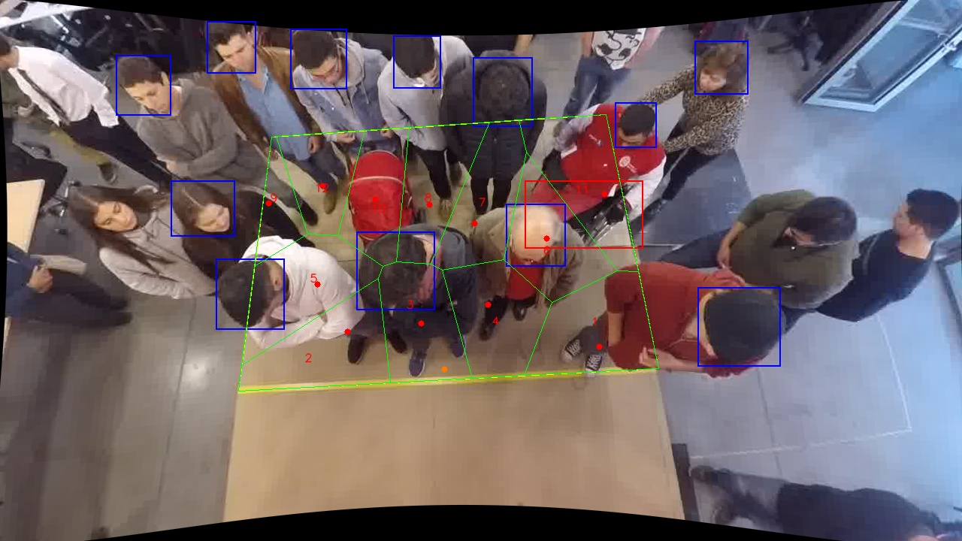
Polygon Areas in m2
Polygon Area = | 6.0
Average Density = | 0.5
Polygon 1 Area = | 0.6017709626279392
Polygon 2 Area = | 0.5970371628887311
Polygon 3 Area = | 0.5294306728140705
Polygon 4 Area = | 0.5546687461762552
Polygon 5 Area = | 0.5913848536075599
Polygon 6 Area = | 0.5201189969131237
Polygon 7 Area = | 0.5085682839230203
Polygon 8 Area = | 0.493303035509522
Polygon 9 Area = | 0.21709960472195342
Polygon 10 Area = | 0.42100172758715987
Polygon 11 Area = | 0.5924330635331944
Polygon 12 Area = | 0.3731828896974708

