Sheet1
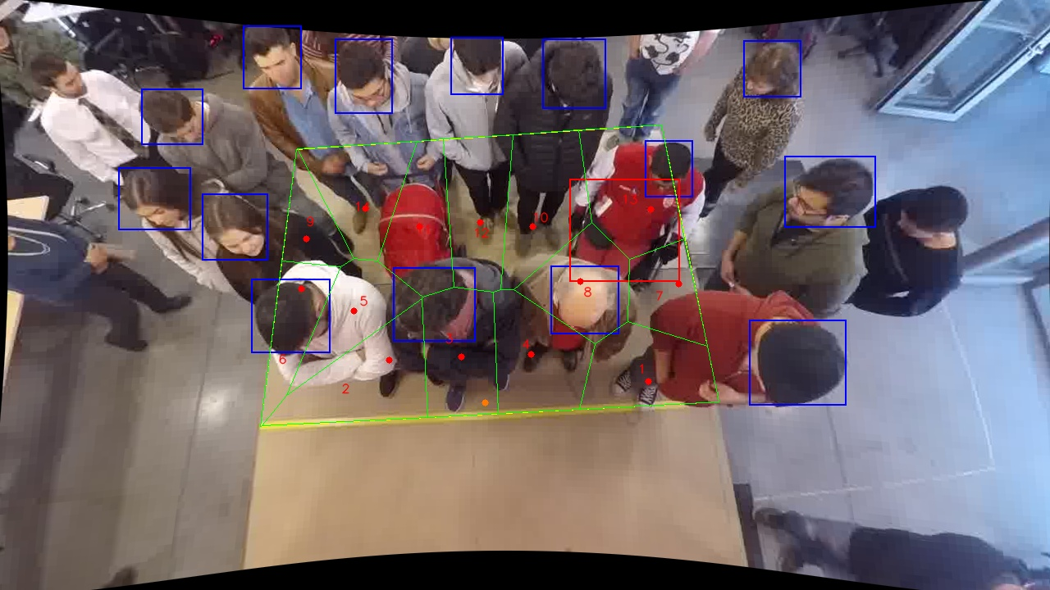
Polygon Areas in m2
Polygon Area = | 6.0
Average Density = | 0.42857142857142855
Polygon 1 Area = | 0.4644571896040764
Polygon 2 Area = | 0.5614069316873804
Polygon 3 Area = | 0.4646355330548358
Polygon 4 Area = | 0.4885607183941944
Polygon 5 Area = | 0.3701592491832005
Polygon 6 Area = | 0.30888739879996757
Polygon 7 Area = | 0.29761816125581786
Polygon 8 Area = | 0.42432068545957763
Polygon 9 Area = | 0.22884452717654089
Polygon 10 Area = | 0.5340346197174163
Polygon 11 Area = | 0.41111318688059234
Polygon 12 Area = | 0.4673072049030897
Polygon 13 Area = | 0.5423799212958271
Polygon 14 Area = | 0.4362746725874835

