Sheet1
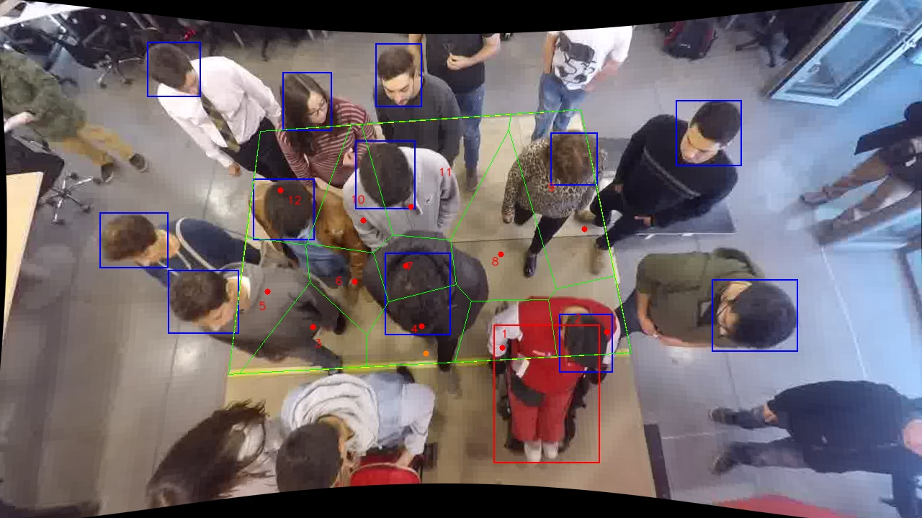
Polygon Areas in m2
Polygon Area = | 6.0
Average Density = | 0.5
Polygon 1 Area = | 0.35673276763644524
Polygon 2 Area = | 0.3500947561370817
Polygon 3 Area = | 0.4392287768160934
Polygon 4 Area = | 0.4300994661032275
Polygon 5 Area = | 0.43692294678786975
Polygon 6 Area = | 0.31277422856356213
Polygon 7 Area = | 0.2810759971500972
Polygon 8 Area = | 0.7306894777788999
Polygon 9 Area = | 0.8048724393878907
Polygon 10 Area = | 0.4179142239964246
Polygon 11 Area = | 0.8540253535186217
Polygon 12 Area = | 0.5855695661237863

