Sheet1
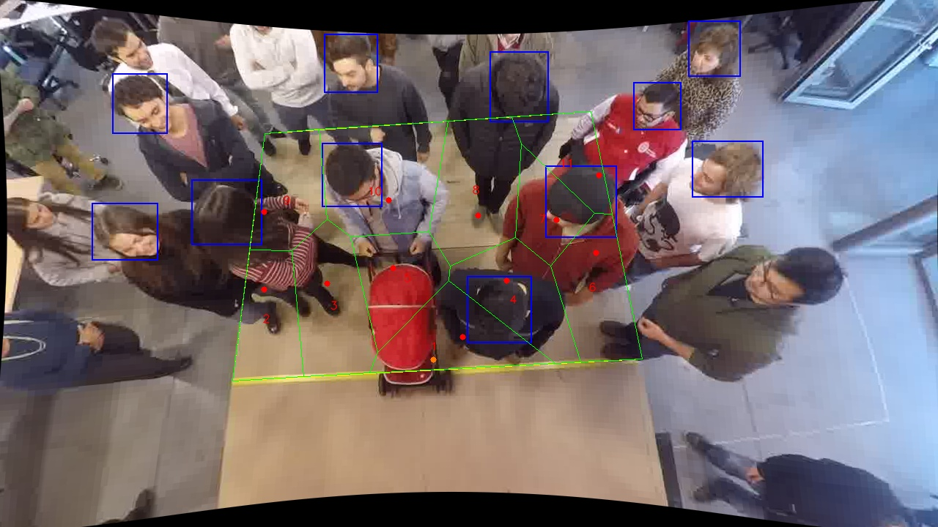
Polygon Areas in m2
Polygon Area = | 6.0
Average Density = | 0.5454545454545454
Polygon 1 Area = | 0.5659631931272996
Polygon 2 Area = | 0.4819380540258291
Polygon 3 Area = | 0.6413763166964566
Polygon 4 Area = | 0.5559641880628919
Polygon 5 Area = | 0.47840453058489707
Polygon 6 Area = | 0.5674018918026668
Polygon 7 Area = | 0.3402461954461285
Polygon 8 Area = | 0.7018159130091636
Polygon 9 Area = | 0.4900379261730933
Polygon 10 Area = | 0.8082748377180673
Polygon 11 Area = | 0.3685769533535061

