Sheet1
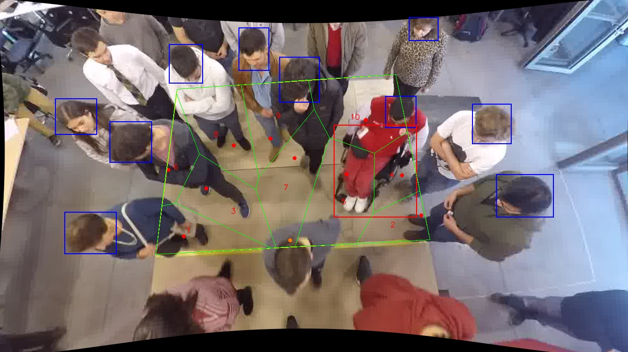
Polygon Areas in m2
Polygon Area = | 6.0
Average Density = | 0.6
Polygon 1 Area = | 0.47331274794503175
Polygon 2 Area = | 0.3405524894564933
Polygon 3 Area = | 0.6497349286083397
Polygon 4 Area = | 0.3640703042799642
Polygon 5 Area = | 0.8769799305343232
Polygon 6 Area = | 0.29963508779986386
Polygon 7 Area = | 0.7889203177993852
Polygon 8 Area = | 0.7533252934102806
Polygon 9 Area = | 0.6101290324433496
Polygon 10 Area = | 0.8433398677229683

