Sheet1
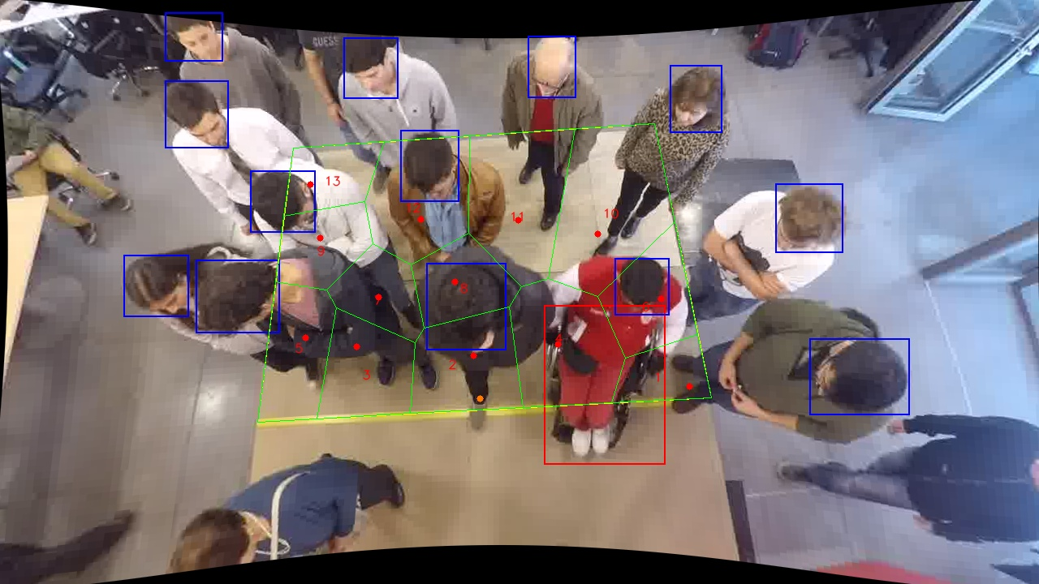
Polygon Areas in m2
Polygon Area = | 6.0
Average Density = | 0.46153846153846156
Polygon 1 Area = | 0.24736003648333438
Polygon 2 Area = | 0.5092802826565846
Polygon 3 Area = | 0.42705641067555844
Polygon 4 Area = | 0.6200079531895628
Polygon 5 Area = | 0.4395657297466614
Polygon 6 Area = | 0.4161077466345667
Polygon 7 Area = | 0.3042776308154322
Polygon 8 Area = | 0.34695406995375766
Polygon 9 Area = | 0.3286677722686801
Polygon 10 Area = | 0.8112730845991898
Polygon 11 Area = | 0.6776851471522652
Polygon 12 Area = | 0.5812962115452892
Polygon 13 Area = | 0.2904679242791179

