Sheet1
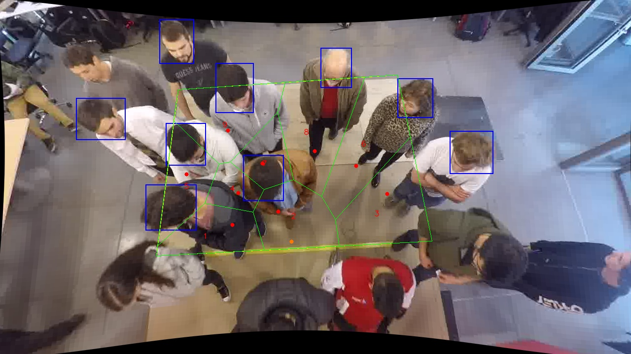
Polygon Areas in m2
Polygon Area = | 6.0
Average Density = | 0.6666666666666666
Polygon 1 Area = | 0.5478729225699709
Polygon 2 Area = | 0.6518469394009596
Polygon 3 Area = | 0.8748342703516687
Polygon 4 Area = | 0.26854227432259337
Polygon 5 Area = | 0.5567436534936806
Polygon 6 Area = | 0.9422638464376026
Polygon 7 Area = | 0.371216265068643
Polygon 8 Area = | 0.933334961958518
Polygon 9 Area = | 0.8533448663963631

