Sheet1
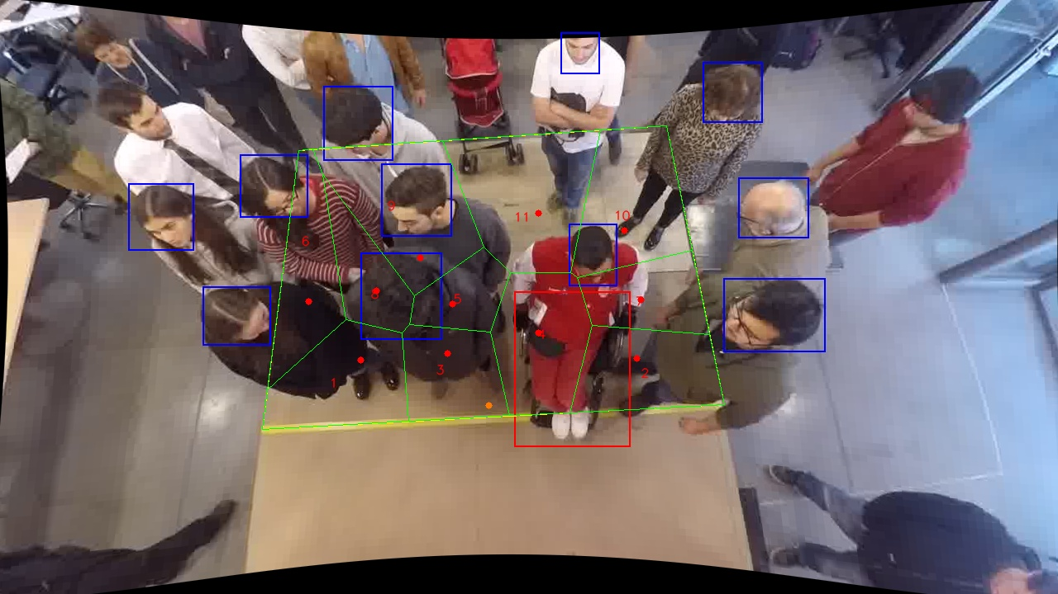
Polygon Areas in m2
Polygon Area = | 6.0
Average Density = | 0.5454545454545454
Polygon 1 Area = | 0.5925436879208134
Polygon 2 Area = | 0.5509353393246379
Polygon 3 Area = | 0.44055528424227525
Polygon 4 Area = | 0.600290043241943
Polygon 5 Area = | 0.2764310626010494
Polygon 6 Area = | 0.520826881437347
Polygon 7 Area = | 0.403947531752992
Polygon 8 Area = | 0.33363016557181163
Polygon 9 Area = | 0.7861440261655414
Polygon 10 Area = | 0.6671472002720807
Polygon 11 Area = | 0.8275487774695083

