Sheet1
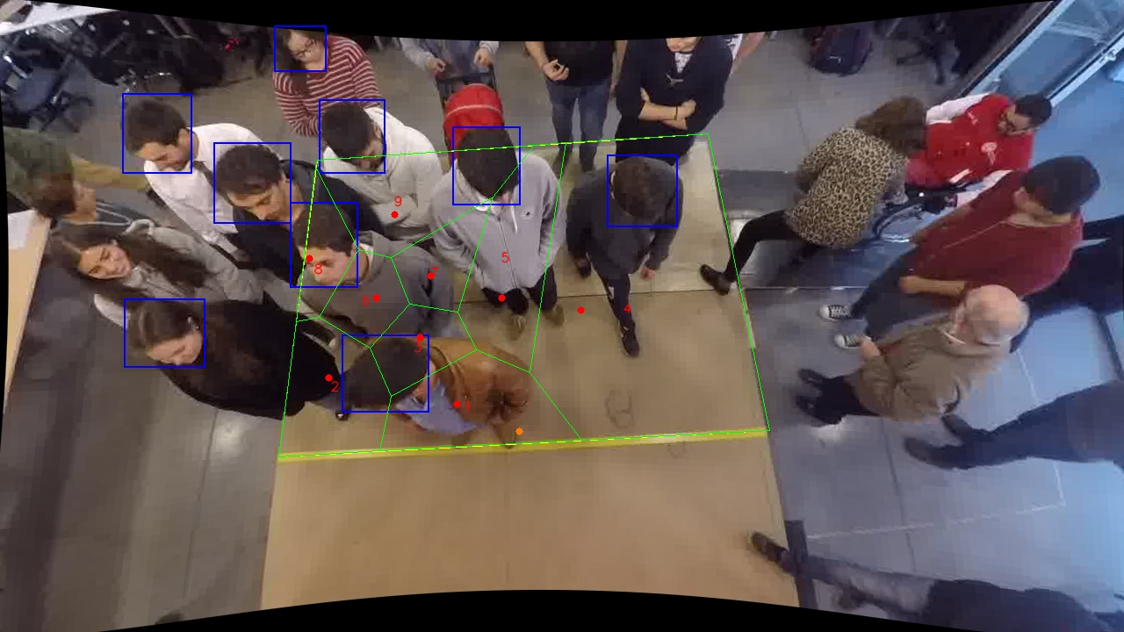
Polygon Areas in m2
Polygon Area = | 6.0
Average Density = | 0.6666666666666666
Polygon 1 Area = | 0.5967640917056366
Polygon 2 Area = | 0.5392653444238238
Polygon 3 Area = | 0.26295113789910024
Polygon 4 Area = | 2.5806023136227503
Polygon 5 Area = | 0.6475592570386278
Polygon 6 Area = | 0.23949017760562316
Polygon 7 Area = | 0.2670723699024896
Polygon 8 Area = | 0.22110369631260493
Polygon 9 Area = | 0.6451916114893437

