Sheet1
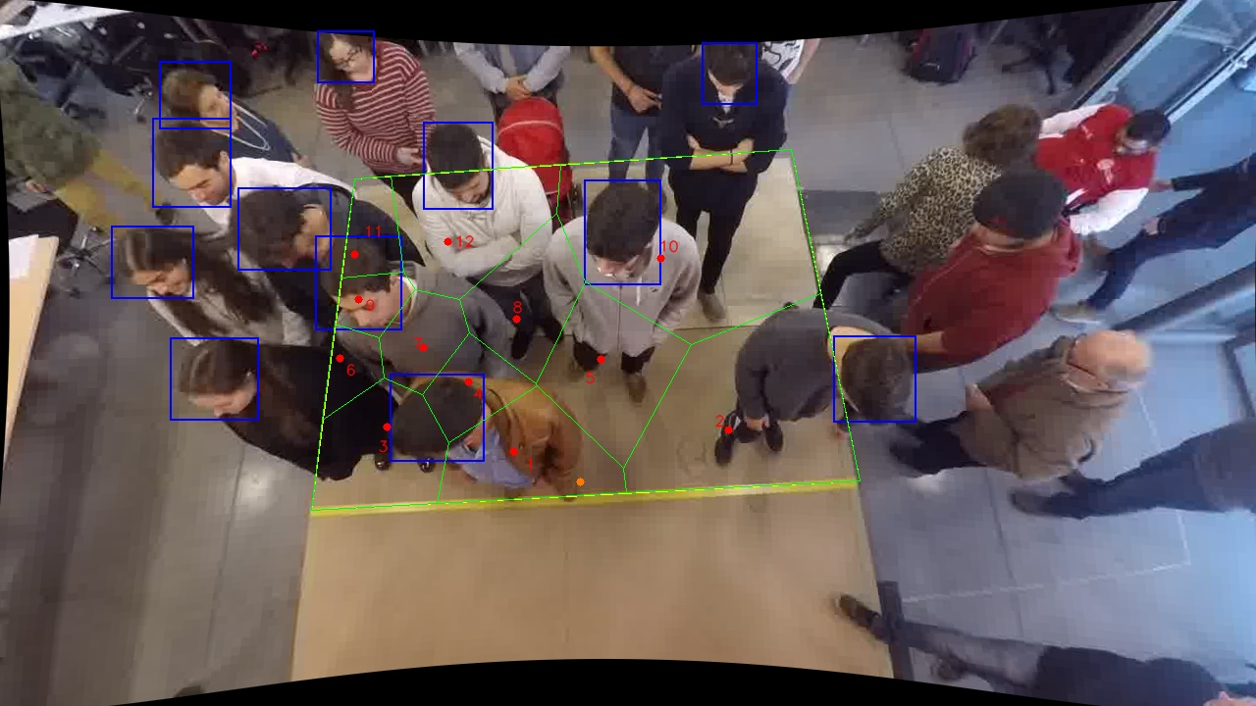
Polygon Areas in m2
Polygon Area = | 6.0
Average Density = | 0.5
Polygon 1 Area = | 0.5064284466921103
Polygon 2 Area = | 1.136534615315808
Polygon 3 Area = | 0.4997472062329599
Polygon 4 Area = | 0.23128792510665824
Polygon 5 Area = | 0.5594145177284878
Polygon 6 Area = | 0.12919785473906698
Polygon 7 Area = | 0.22493660203368762
Polygon 8 Area = | 0.4189179363801883
Polygon 9 Area = | 0.13385792275633265
Polygon 10 Area = | 1.3972824888369937
Polygon 11 Area = | 0.17809240175123062
Polygon 12 Area = | 0.5843020824264765

