Assets


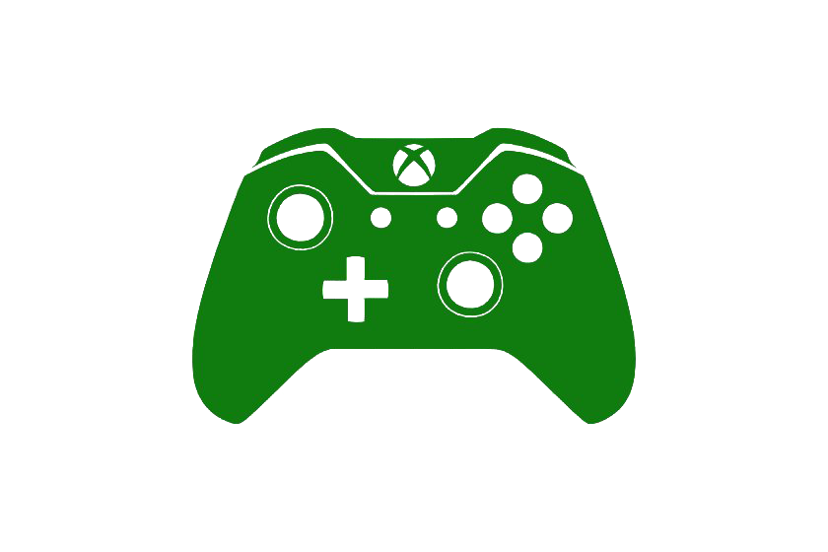


Paleta de Cores

#9BC848 | Xbox Color | # E8E6E9 | negative zone
#22C55E | Xbox Color
#2AE6B1 | Menus
#5BF6A8 | Menus
#003791 | Ps4 Color

Logos |  |  |  | ícones

Dashboard (3)
 | PS4 vs Xbox one - Vendas Globais de Jogos (valores em milhões de unidades) | Calculation period: 01/01/2025-31/12/2025 | Update date: 20/01/2026 09:56
289,97
VENDAS GLOBAIS DE JOGOS - PS4
141,93
VENDAS GLOBAIS DE JOGOS - Xbox One
VENDAS POR ANO DE LANÇAMENTO (2013 - 2016)
 | PS4 | XOne
2013 | 25.16 | 16.78
2014 | 89.61 | 43.74
2015 | 114.82 | 55.95
2016 | 60.38 | 25.46
> Bem-vindo!

 | PS4 | XOne
NA | 97.56 | 83.78
EU | 121.32 | 42.93
JP | 15.1 | 0.33
Other | 43.34 | 13.25
Vendas VENDAS POR REGIÃO

VENDAS POR GÊNERO

 | PS4 | XOne
Action | 90.15 | 31.32
Shooter | 75.32 | 55.12
Sports | 53.71 | 26.05
Role-Playing | 27.2 | 10.55
Racing | 12.16 | 4.84

TOP 5 JOGOS POR VENDAS
TOP 5 JOGOS POR VENDAS
TOP 5 PUBLISHERS POR VENDAS
TOP 5 PUBLISHERS POR VENDAS
 | Total
Call of Duty: Black Ops 3 | 14.63
Grand Theft Auto V | 12.61
FIFA 16 | 8.57
Star Wars Battlefront (2015) | 7.98
FIFA 17 | 7.59
 | Total
Call of Duty: Black Ops 3 | 7.39
Grand Theft Auto V | 5.48
Halo 5: Guardians | 4.48
Fallout 4 | 4.22
Star Wars Battlefront (2015) | 3.66
 | Total
Electronic Arts | 61.17
Activision | 38.74
Sony Computer Entertainment | 33.7
Ubisoft | 30.1
Take-Two Interactive | 29.11
 | Total
Electronic Arts | 34.19
Microsoft Game Studios | 23.37
Activision | 21.59
Take-Two Interactive | 14.94
Ubisoft | 14.47

