Dashboard
Online Retail Sales Analysis
Clean sales dashboard based on e-commerce transaction data

Project Scope
This dashboard analyzes clean sales only. Cancelled invoices, negative quantities, zero/negative prices, and rows with missing CustomerID were excluded from the main sales analysis.

Key Metrics |  |  |  |  |  | Executive Summary

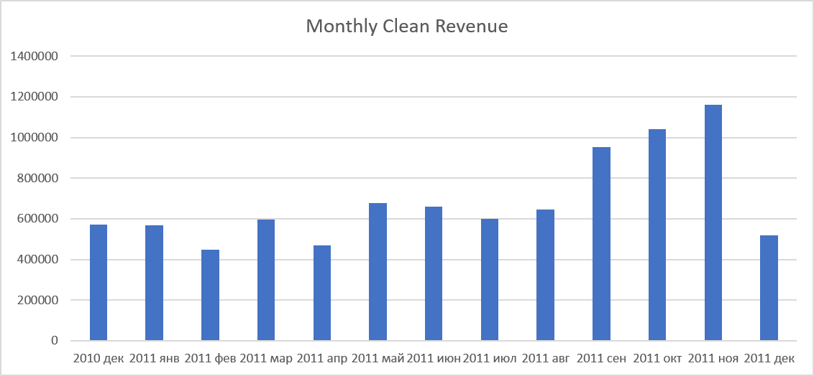
Clean Revenue | 8,911,408 |  | Clean Orders | 18,532 |  | Clean Revenue reached 8.91M across 18,532 clean orders.
Average Order Value | 480.87 |  | Clean Customers | 4,338 |  | Only 73.42% of rows were classified as clean sales.
 |  |  |  |  |  | 8.58% of raw revenue was excluded due to cancellations, bad prices, negative quantities, or missing CustomerID.
 |  |  |  |  |  | United Kingdom generated 82.01% of clean revenue, showing strong country concentration.
 |  |  |  |  |  | Revenue peaked in November 2011, while December 2011 is incomplete and should not be treated as a full-month decline.
 |  |  |  |  |  | Top 10 customers generated 17.26% of clean revenue, showing moderate customer concentration.

Top Products by Revenue |  |  |  | Top Countries by Revenue

Product | Clean Revenue | % of Clean Revenue |  | Country | Clean Revenue | % of Clean Revenue
PAPER CRAFT , LITTLE BIRDIE | 168469.6 | 1.89% |  | United Kingdom | 7,308,392 | 82.01%
REGENCY CAKESTAND 3 TIER | 142592.95 | 1.60% |  | Netherlands | 285,446 | 3.20%
WHITE HANGING HEART T-LIGHT HOLDER | 100448.15 | 1.13% |  | EIRE | 265,546 | 2.98%
JUMBO BAG RED RETROSPOT | 85220.78 | 0.96% |  | Germany | 228,867 | 2.57%
MEDIUM CERAMIC TOP STORAGE JAR | 81416.73 | 0.91% |  | France | 209,024 | 2.35%

Insight: Top 10 products generate 9.95% of clean revenue, so product revenue is spread across many items. |  |  |  | Insight: United Kingdom generates 82.01% of clean revenue, showing strong market concentration risk.

Top Products by Quantity |  |  |  | Top Customers by Revenue

Product | Total Quantity Sold | % of Total Quantity |  | CustomerID | Clean Revenue | % of Clean Revenue
PAPER CRAFT , LITTLE BIRDIE | 80995 | 1.57% |  | 14646 | 280206.02 | 3.14%
MEDIUM CERAMIC TOP STORAGE JAR | 77916 | 1.51% |  | 18102 | 259657.3 | 2.91%
WORLD WAR 2 GLIDERS ASSTD DESIGNS | 54415 | 1.05% |  | 17450 | 194550.79 | 2.18%
JUMBO BAG RED RETROSPOT | 46181 | 0.89% |  | 16446 | 168472.5 | 1.89%
WHITE HANGING HEART T-LIGHT HOLDER | 36725 | 0.71% |  | 14911 | 143825.06 | 1.61%

Insight: Top 10 products by quantity account for 8.70% of all clean units sold, showing that sales volume is spread across many products. |  |  |  | Insight: Top 10 customers generate 17.26% of clean revenue, indicating moderate customer concentration.

Monthly_Revenue
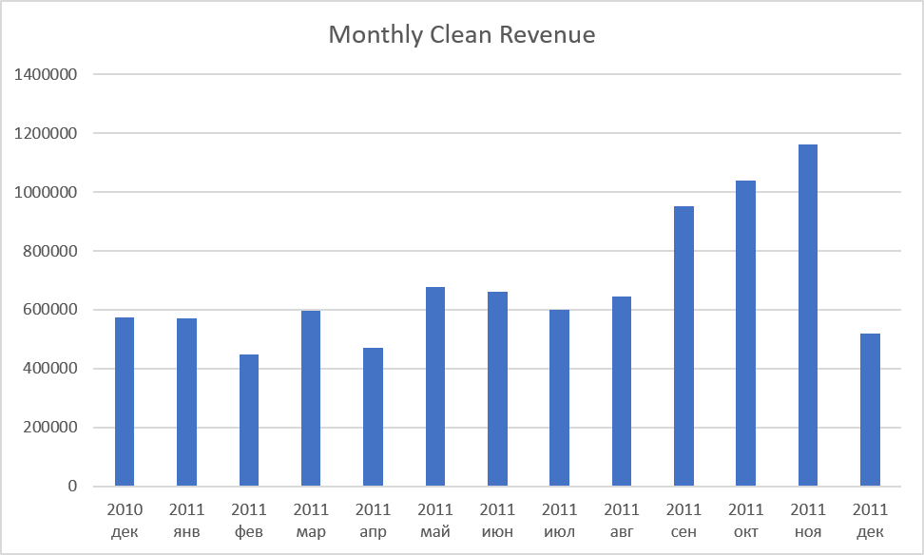
RowType | Clean sale

Названия строк | Clean Revenue
2010 | 572713.89
дек | 572713.89
2011 | 8338694.014
янв | 569445.04
фев | 447137.35
мар | 595500.76
апр | 469200.361
май | 678594.56
июн | 661213.69
июл | 600091.011
авг | 645343.9
сен | 952838.382
окт | 1039318.79
ноя | 1161817.38
дек | 518192.79
Общий итог | 8911407.904

