Dashboard
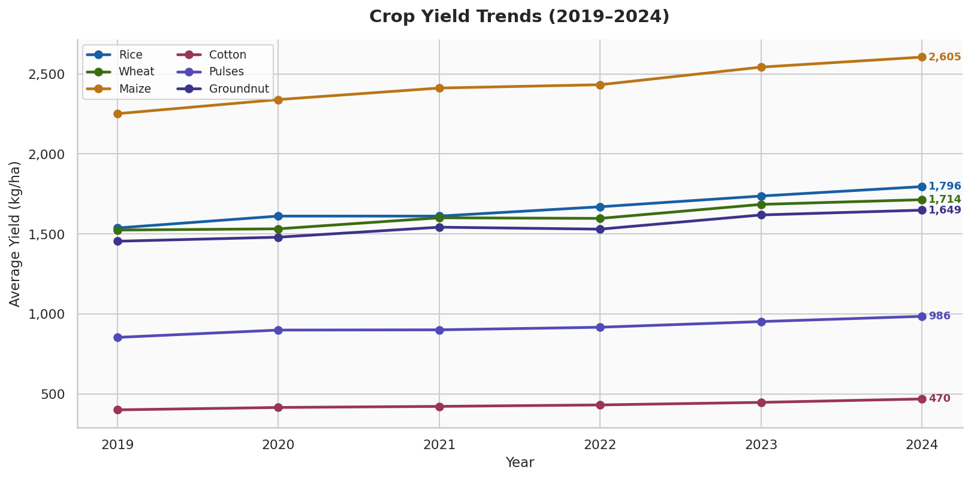
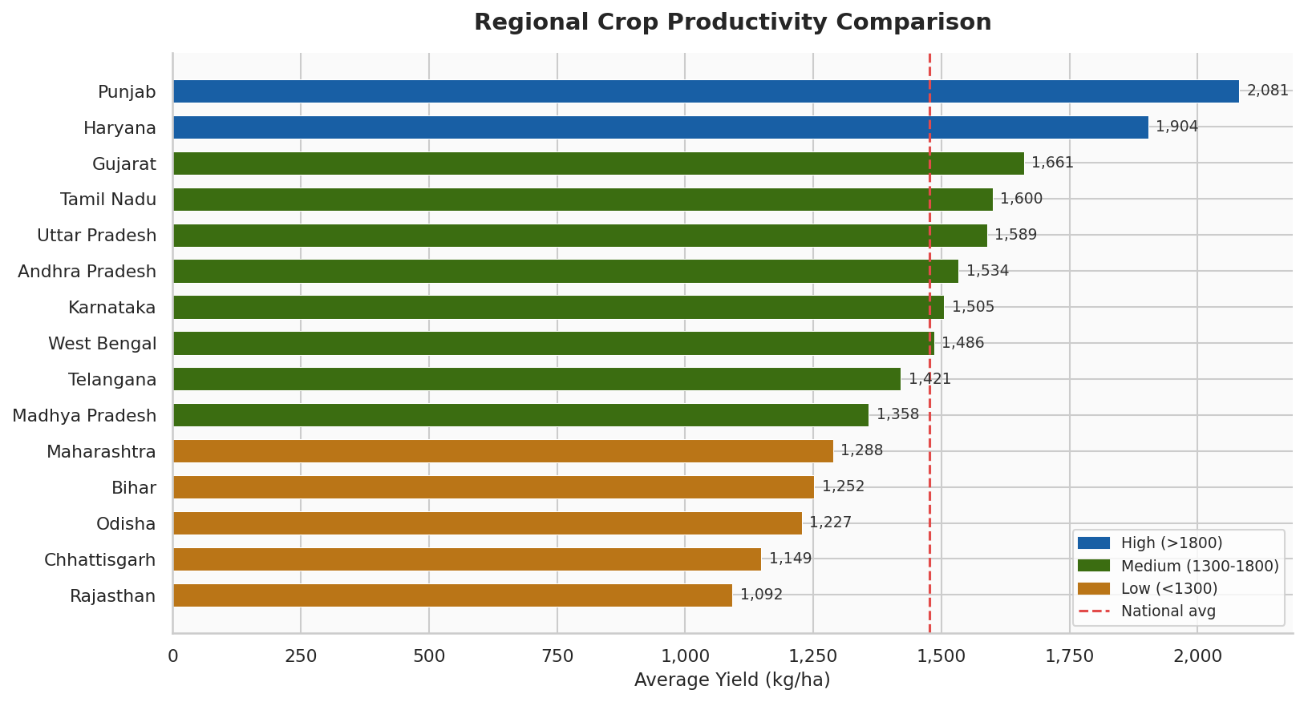
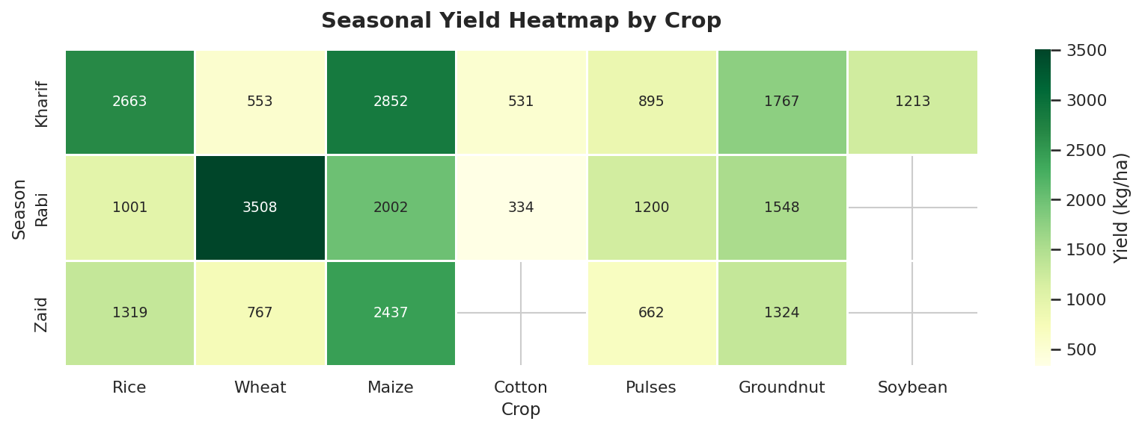
🌾 Crop Yield Trend Analysis — Agricultural Planning Dashboard
India · 2019–2024 · 15 Regions · 8 Crops · 3 Seasons

Total Records |  |  | Avg National Yield |  | Best Region |  |  | 5-Year Growth
1,890 |  |  | 1,476 |  | Punjab |  |  | 14.7%

Regional Productivity Ranking |  |  |  |  | Crop Performance Summary
Rank | Region | Avg Yield (kg/ha) | vs National (%) | Status | Crop | Avg Yield (kg/ha) | 5yr Growth | Kharif Yield | Rabi Yield
1 | Punjab | 2,081.2 | 41.0% | High | Maize | 2,430.3 | 15.7% | 2,852.5 | 2,001.6
2 | Haryana | 1,903.6 | 28.9% | High | Rice | 1,660.9 | 16.8% | 2,663.0 | 1,001.1
3 | Gujarat | 1,661.3 | 12.5% | Medium | Wheat | 1,609.4 | 12.4% | 553.0 | 3,508.2
4 | Tamil Nadu | 1,599.8 | 8.4% | Medium | Groundnut | 1,546.1 | 13.3% | 1,767.3 | 1,547.5
5 | Uttar Pradesh | 1,588.7 | 7.6% | Medium | Soybean | 1,212.6 | 12.1% | 1,212.6 | 0.0
6 | Andhra Pradesh | 1,533.8 | 3.9% | Medium | Pulses | 919.1 | 15.4% | 895.4 | 1,200.3
7 | Karnataka | 1,505.2 | 2.0% | Medium | Cotton | 432.6 | 16.9% | 530.7 | 334.5
8 | West Bengal | 1,485.9 | 0.6% | Medium
9 | Telangana | 1,420.8 | -3.8% | Medium
10 | Madhya Pradesh | 1,357.8 | -8.0% | Medium
11 | Maharashtra | 1,288.2 | -12.7% | Medium
12 | Bihar | 1,252.1 | -15.2% | Medium
13 | Odisha | 1,227.2 | -16.9% | Medium
14 | Chhattisgarh | 1,148.6 | -22.2% | Low
15 | Rajasthan | 1,091.7 | -26.1% | Low

Regional Analysis
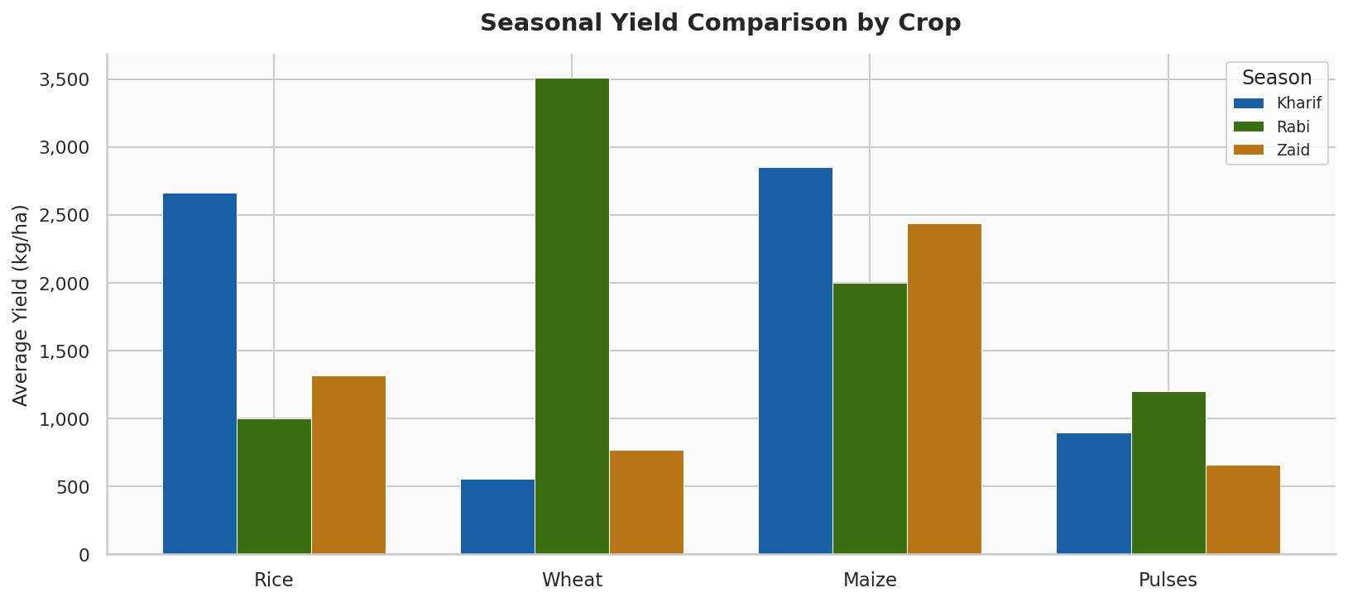
Regional Yield Analysis by Crop
Region | Cotton | Groundnut | Maize | Pulses | Rice | Soybean | Wheat | Overall Avg
Andhra Pradesh | 436.1 | 1,617.3 | 2,557.6 | 962.3 | 1,699.4 | 1,292.0 | 1,644.7 | 1,458.5
Bihar | 364.4 | 1,317.7 | 2,044.1 | 768.1 | 1,428.7 | 995.8 | 1,379.1 | 1,185.4
Chhattisgarh | 332.8 | 1,230.2 | 1,914.6 | 711.8 | 1,295.1 | 947.2 | 1,202.4 | 1,090.6
Gujarat | 477.8 | 1,735.9 | 2,752.1 | 1,026.2 | 1,887.0 | 1,344.3 | 1,799.8 | 1,574.7
Haryana | 573.7 | 1,988.8 | 3,150.0 | 1,182.0 | 2,080.8 | 1,541.8 | 2,123.9 | 1,805.9
Karnataka | 458.3 | 1,596.0 | 2,465.0 | 921.8 | 1,681.9 | 1,253.2 | 1,643.2 | 1,431.3
Madhya Pradesh | 399.1 | 1,454.2 | 2,183.6 | 850.3 | 1,541.9 | 1,147.7 | 1,468.5 | 1,292.2
Maharashtra | 369.4 | 1,330.5 | 2,134.1 | 785.3 | 1,454.2 | 1,040.1 | 1,432.3 | 1,220.8
Odisha | 360.2 | 1,269.5 | 1,999.4 | 756.7 | 1,418.7 | 1,046.0 | 1,330.3 | 1,168.7
Punjab | 597.5 | 2,226.5 | 3,423.1 | 1,316.2 | 2,316.9 | 1,670.9 | 2,249.3 | 1,971.5
Rajasthan | 318.9 | 1,111.9 | 1,812.1 | 685.4 | 1,211.0 | 899.3 | 1,217.3 | 1,036.6
Tamil Nadu | 476.6 | 1,660.2 | 2,621.0 | 1,016.8 | 1,827.9 | 1,297.5 | 1,722.8 | 1,517.5
Telangana | 421.9 | 1,482.6 | 2,273.5 | 893.6 | 1,665.2 | 1,214.6 | 1,523.9 | 1,353.6
Uttar Pradesh | 464.6 | 1,633.8 | 2,660.3 | 987.3 | 1,742.9 | 1,304.4 | 1,763.3 | 1,508.1
West Bengal | 437.7 | 1,537.0 | 2,463.8 | 922.7 | 1,662.5 | 1,195.0 | 1,639.4 | 1,408.3

Insights Report
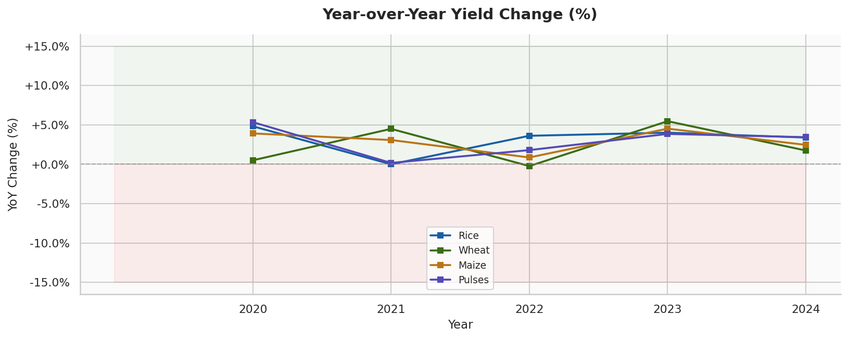
Crop Yield Analytics — Key Insights & Recommendations
FINDING | DETAIL | ACTION
Punjab leads nationally | Average yield of 2,081 kg/ha — 41% above national average. Green Revolution infrastructure and canal irrigation sustain high output. | Replicate irrigation models
Rajasthan underperforms | Lowest regional avg at 1,092 kg/ha. Water scarcity and arid soil limit yields significantly across all crop types. | Priority for investment
Drought impact 2022 | Maharashtra and Rajasthan saw 7-8% yield dips in 2022 linked to deficit monsoon. Recovery visible in 2023-24. | Build drought-resistant varieties
Wheat dominates Rabi | Wheat Rabi yield (3,508 kg/ha) highest among grain crops. Punjab-Haryana corridor is key. | Protect MSP support
Pulses chronically low | Average yield of 919 kg/ha despite high demand. Irrigation gap is primary constraint. | Expand micro-irrigation
Maize fastest growing | 15.7% cumulative growth over 5 years. Hybrid seed adoption accelerating in Karnataka and MP. | Scale hybrid seed programs
Cotton stagnation risk | Year-over-year volatility with no clear uptrend in Vidarbha. Bollworm resistance a key concern. | Integrated pest management
Kharif > Zaid yields | Kharif season consistently yields higher across Rice, Maize, and Groundnut. Monsoon critical. | Improve Zaid irrigation
5-year national growth | National avg yield grew 14.7% from 2019-2024. Technology adoption is the primary driver. | Continue tech extension
Data-driven planning | 1,890 records across 15 regions, 8 crops, 3 seasons enable granular policy decisions. | Annual data refresh needed

