Bug Report
Bug ID | Module | Bug Title | Description | Steps to Reproduce | Expected Result | Actual Result | Severity | Priority | Status | Reported Date | Screenshot
BUG001 | Cart | Quantity not updating | Product quantity doesn't update in cart | 1. Add product to cart 2. Try increasing quantity | Quantity should increase by 1 | No change in quantity | High | Medium | Open | 31-Jul-25 | 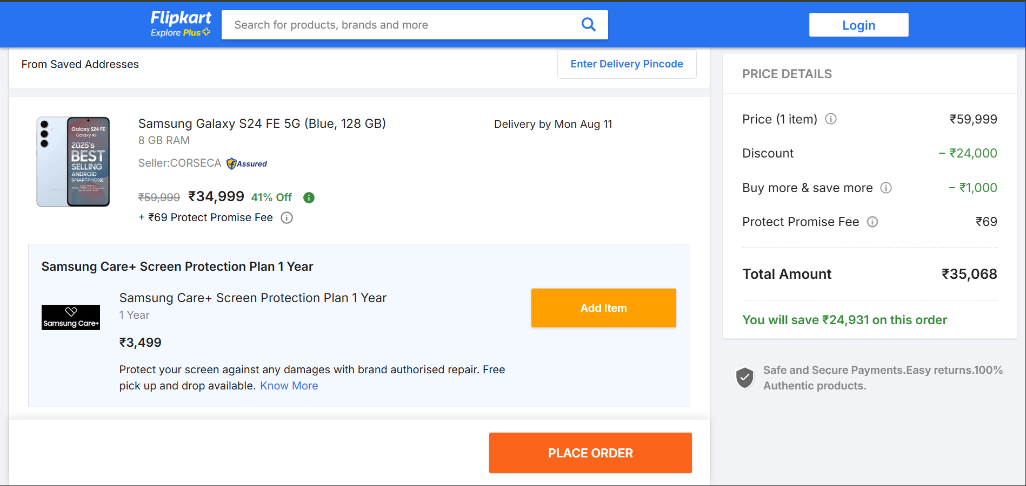
BUG002 | Search | Blank search throws error | App crashes when clicking search with no input | Click search icon without typing anything | Page should reload or show message | Console error & crash | High | High | Open | 2-Aug-25 | 