result_srm
1- | Jobs ran Successfully

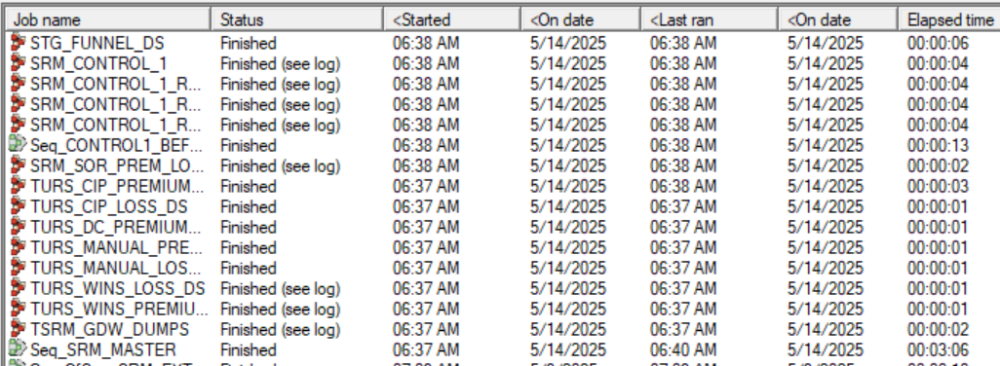

 |  |  |  | cha

2:-

Location:-
/app/IBM/InformationServer/Server/Projects/EDWqa_POC/DS_Intermediate_Files
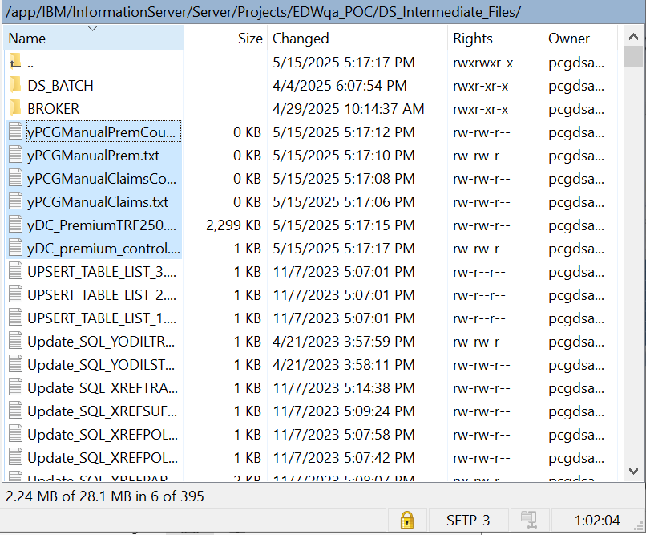

3-
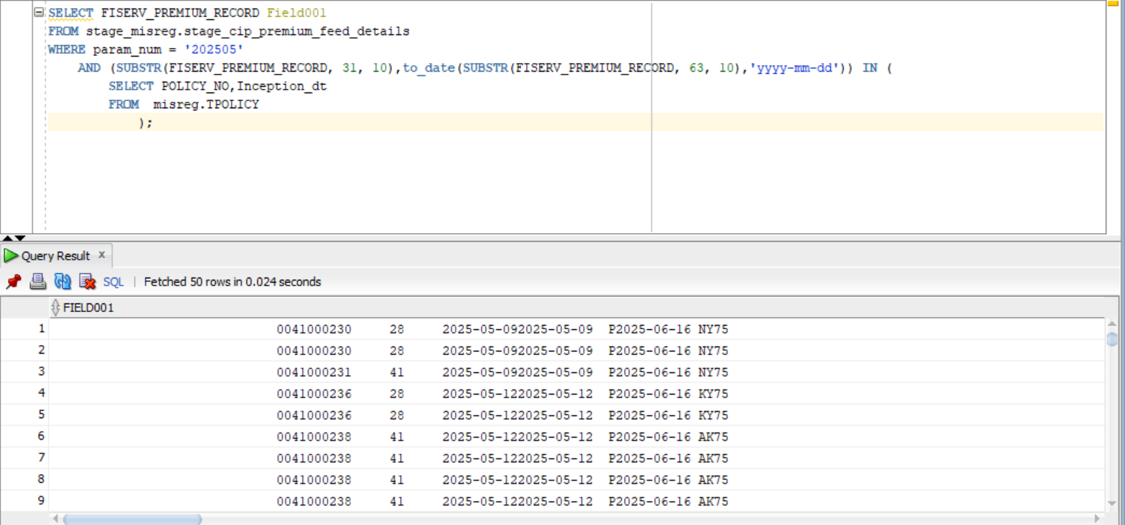

Query:-

SELECT FISERV_PREMIUM_RECORD Field001
FROM stage_misreg.stage_cip_premium_feed_details
WHERE param_num = '202504'
AND (SUBSTR(FISERV_PREMIUM_RECORD, 31, 10),to_date(SUBSTR(FISERV_PREMIUM_RECORD, 63, 10),'yyyy-mm-dd')) IN (
SELECT POLICY_NO,Inception_dt
FROM misreg.TPOLICY

);

4 | SRM job ran successfully
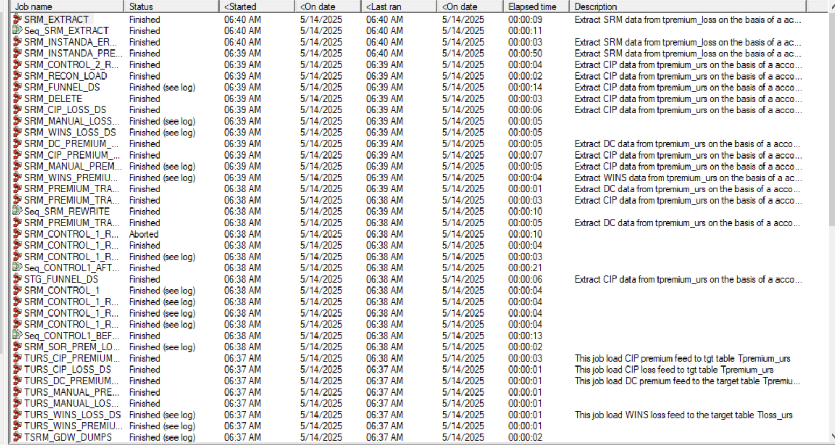

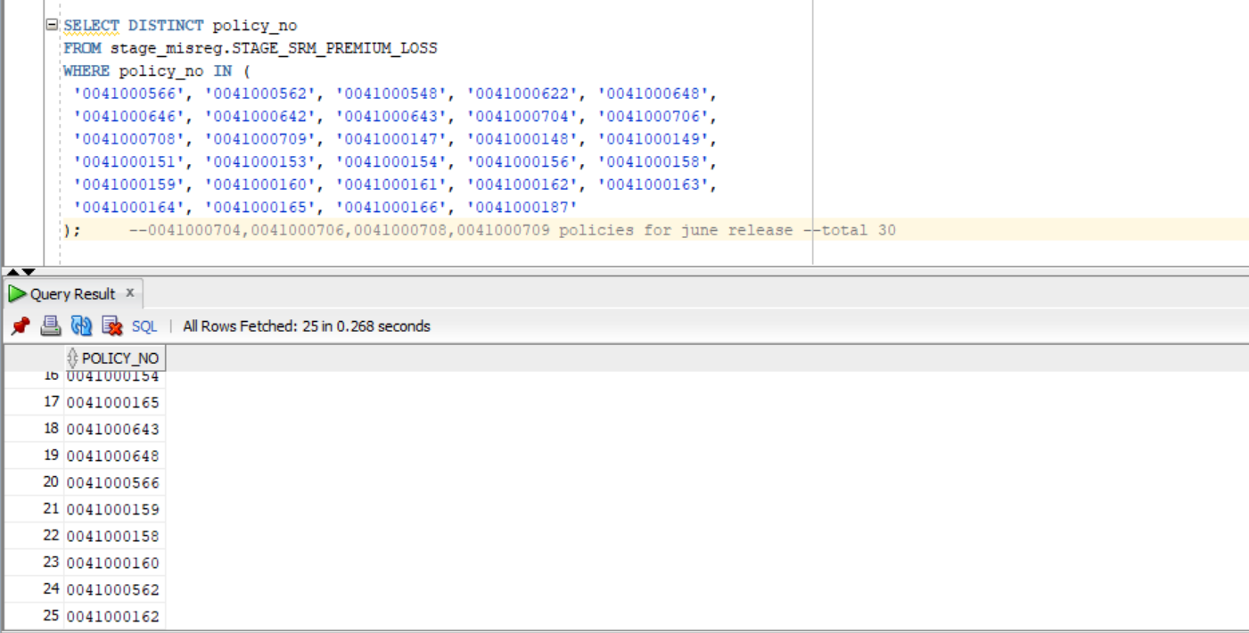

SELECT DISTINCT policy_no
FROM stage_misreg.STAGE_SRM_PREMIUM_LOSS
WHERE policy_no IN (
'0041000566', '0041000562', '0041000548', '0041000622', '0041000648',
'0041000646', '0041000642', '0041000643', '0041000704', '0041000706',
'0041000708', '0041000709', '0041000147', '0041000148', '0041000149',
'0041000151', '0041000153', '0041000154', '0041000156', '0041000158',
'0041000159', '0041000160', '0041000161', '0041000162', '0041000163',
'0041000164', '0041000165', '0041000166', '0041000187'
); --0041000704,0041000706,0041000708,0041000709 policies for june release --total 30

6-
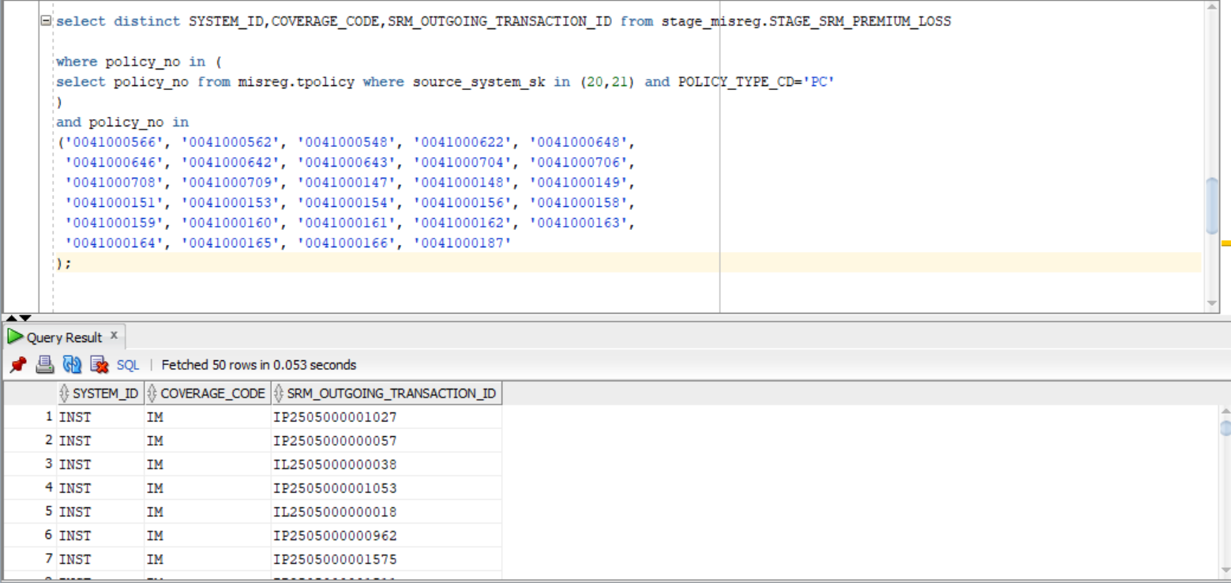

select distinct SYSTEM_ID,COVERAGE_CODE,SRM_OUTGOING_TRANSACTION_ID from stage_misreg.STAGE_SRM_PREMIUM_LOSS

where policy_no in (
select policy_no from misreg.tpolicy where source_system_sk in (20,21) and POLICY_TYPE_CD='PC'
)
and policy_no in
('0041000566', '0041000562', '0041000548', '0041000622', '0041000648',
'0041000646', '0041000642', '0041000643', '0041000704', '0041000706',
'0041000708', '0041000709', '0041000147', '0041000148', '0041000149',
'0041000151', '0041000153', '0041000154', '0041000156', '0041000158',
'0041000159', '0041000160', '0041000161', '0041000162', '0041000163',
'0041000164', '0041000165', '0041000166', '0041000187'
);

7-

select distinct SYSTEM_ID,COVERAGE_CODE,substr(SRM_OUTGOING_TRANSACTION_ID,1,2),accounting_dt
from stage_misreg.stage_srm_premium_loss
where policy_no='0099831592' and premium_loss_ind='P';

select distinct SYSTEM_ID,COVERAGE_CODE,substr(SRM_OUTGOING_TRANSACTION_ID,1,2),accounting_dt
from stage_misreg.stage_srm_premium_loss
where policy_no='0099831592' and premium_loss_ind='L';

8-

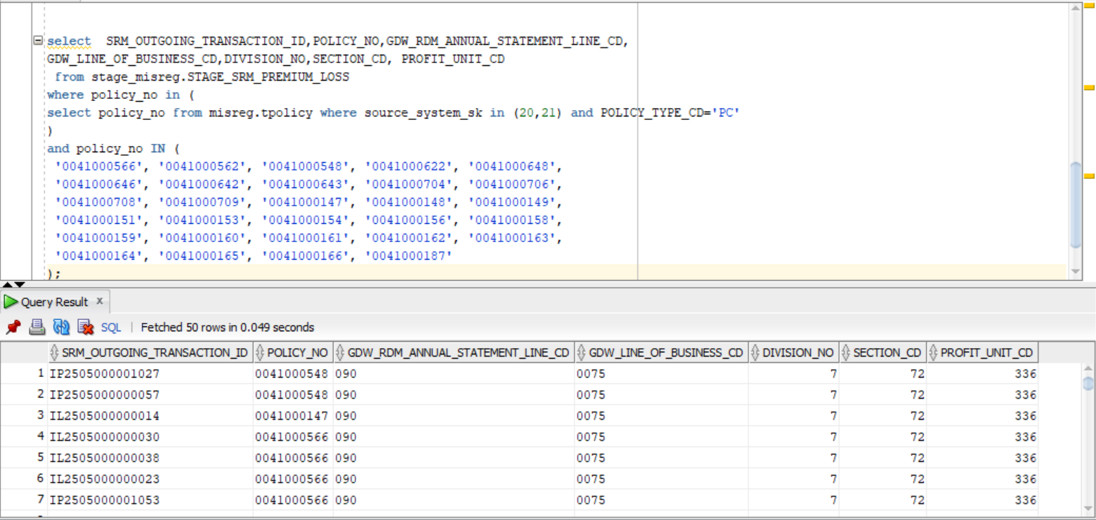

select SRM_OUTGOING_TRANSACTION_ID,POLICY_NO,GDW_RDM_ANNUAL_STATEMENT_LINE_CD,
GDW_LINE_OF_BUSINESS_CD,DIVISION_NO,SECTION_CD, PROFIT_UNIT_CD
from stage_misreg.STAGE_SRM_PREMIUM_LOSS
where policy_no in (
select policy_no from misreg.tpolicy where source_system_sk in (20,21) and POLICY_TYPE_CD='PC'
)
and policy_no IN (
'0041000566', '0041000562', '0041000548', '0041000622', '0041000648',
'0041000646', '0041000642', '0041000643', '0041000704', '0041000706',
'0041000708', '0041000709', '0041000147', '0041000148', '0041000149',
'0041000151', '0041000153', '0041000154', '0041000156', '0041000158',
'0041000159', '0041000160', '0041000161', '0041000162', '0041000163',
'0041000164', '0041000165', '0041000166', '0041000187'
);

9-

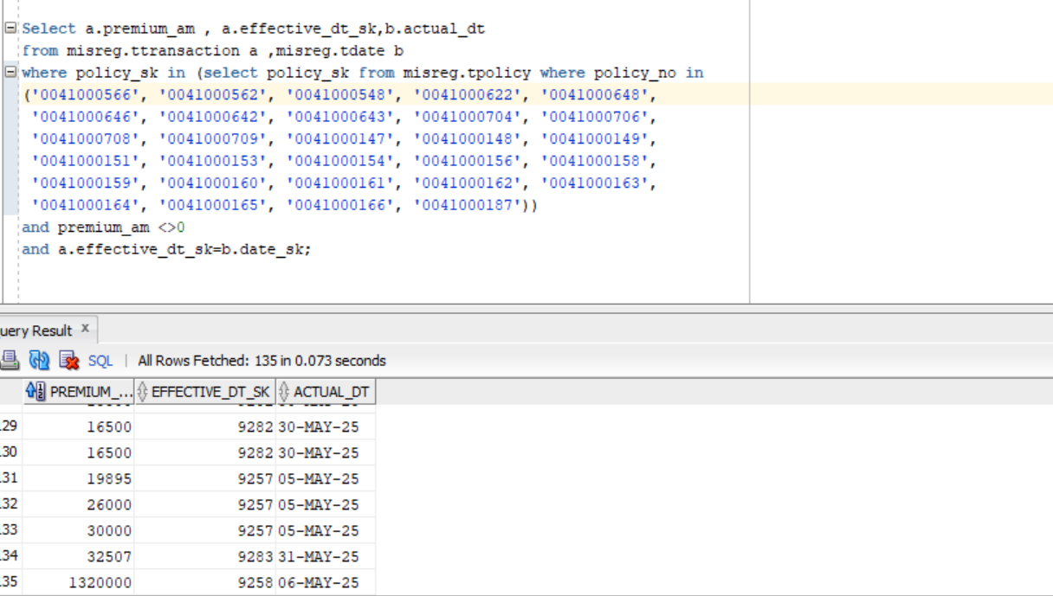

Select a.premium_am , a.effective_dt_sk,b.actual_dt
from misreg.ttransaction a ,misreg.tdate b
where policy_sk in (select policy_sk from misreg.tpolicy where policy_no in
('0041000566', '0041000562', '0041000548', '0041000622', '0041000648',
'0041000646', '0041000642', '0041000643', '0041000704', '0041000706',
'0041000708', '0041000709', '0041000147', '0041000148', '0041000149',
'0041000151', '0041000153', '0041000154', '0041000156', '0041000158',
'0041000159', '0041000160', '0041000161', '0041000162', '0041000163',
'0041000164', '0041000165', '0041000166', '0041000187'))
and premium_am <>0
and a.effective_dt_sk=b.date_sk;

10-
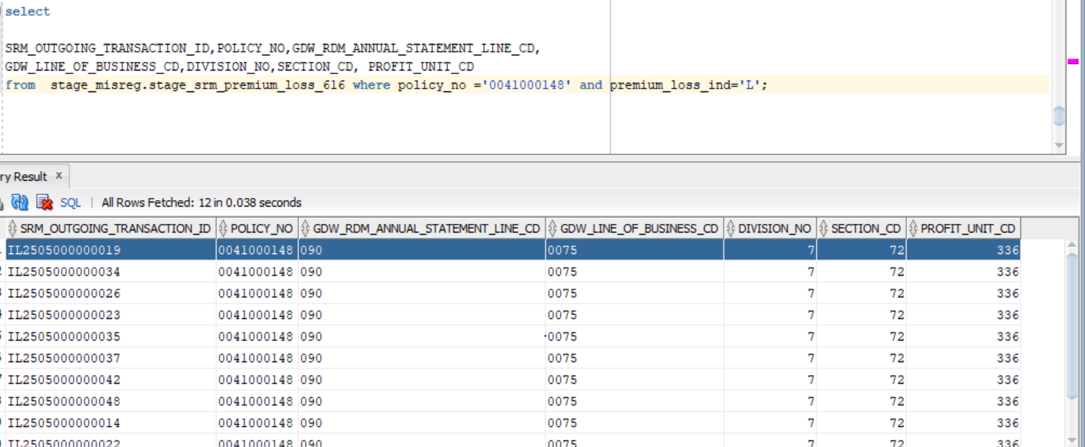
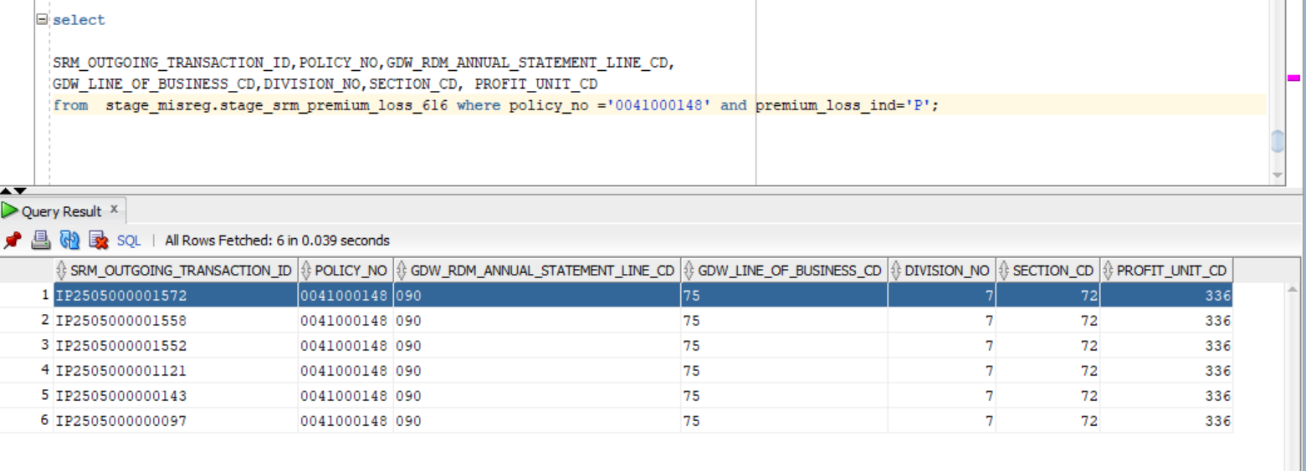

 |  |  | select
 | select
 |  |  | SRM_OUTGOING_TRANSACTION_ID,POLICY_NO,GDW_RDM_ANNUAL_STATEMENT_LINE_CD,
 | SRM_OUTGOING_TRANSACTION_ID,POLICY_NO,GDW_RDM_ANNUAL_STATEMENT_LINE_CD, |  | GDW_LINE_OF_BUSINESS_CD,DIVISION_NO,SECTION_CD, PROFIT_UNIT_CD
 | GDW_LINE_OF_BUSINESS_CD,DIVISION_NO,SECTION_CD, PROFIT_UNIT_CD |  | from stage_misreg.stage_srm_premium_loss_616 where policy_no ='0041000148' and premium_loss_ind='P';
 | from stage_misreg.stage_srm_premium_loss_616 where policy_no ='0041000148' and premium_loss_ind='L';

11-

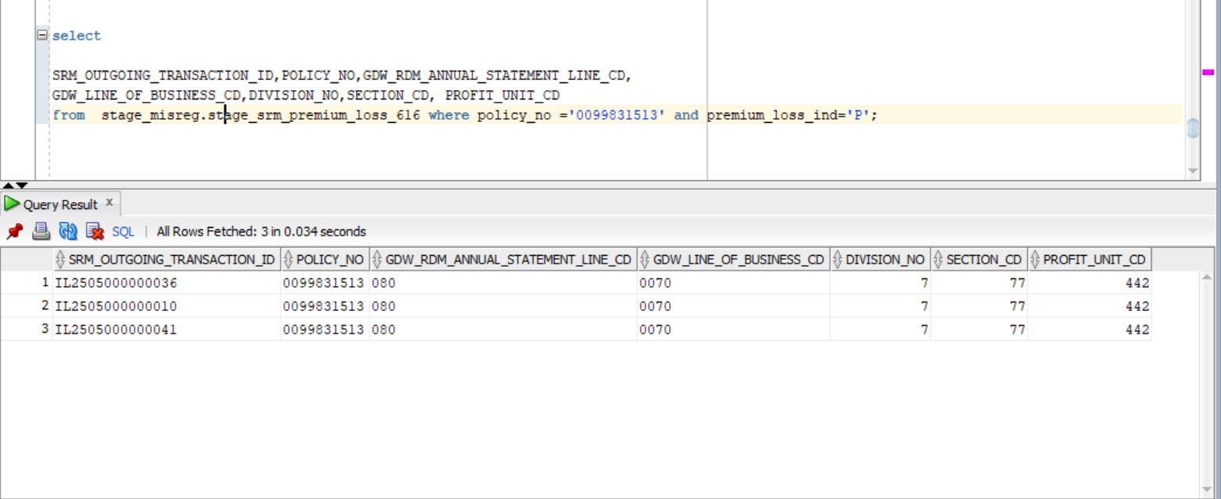
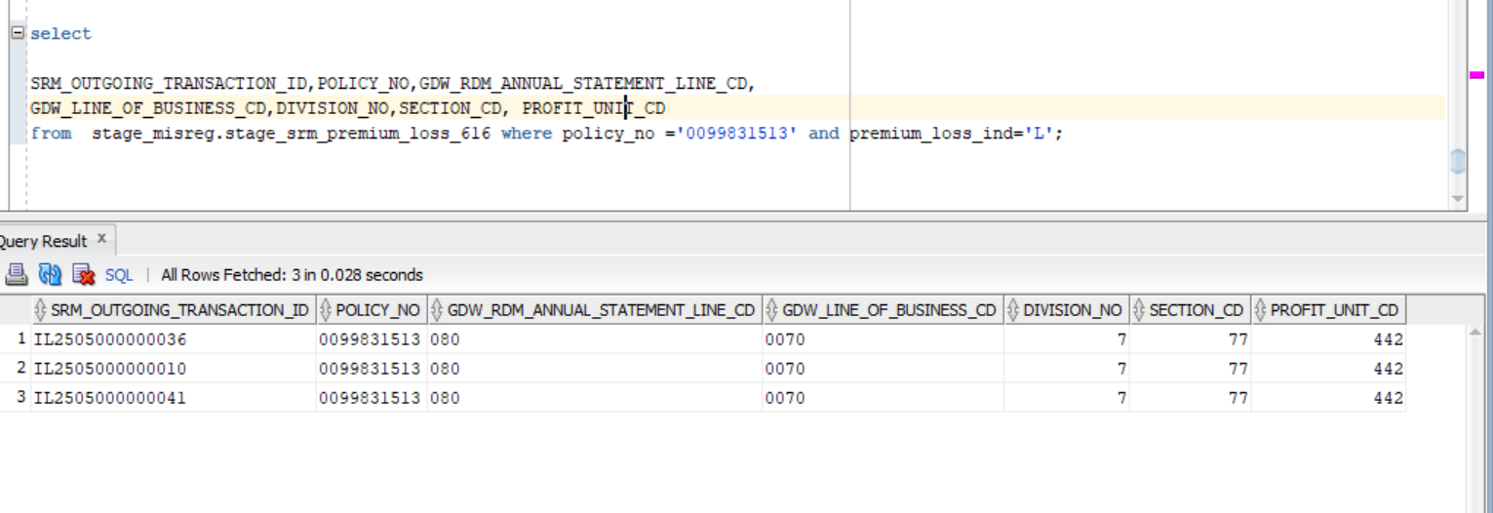

select
 |  |  |  |  | select
SRM_OUTGOING_TRANSACTION_ID,POLICY_NO,GDW_RDM_ANNUAL_STATEMENT_LINE_CD,
GDW_LINE_OF_BUSINESS_CD,DIVISION_NO,SECTION_CD, PROFIT_UNIT_CD |  |  |  |  | SRM_OUTGOING_TRANSACTION_ID,POLICY_NO,GDW_RDM_ANNUAL_STATEMENT_LINE_CD,
from stage_misreg.stage_srm_premium_loss_616 where policy_no ='0099831513' and premium_loss_ind='P'; |  |  |  |  | GDW_LINE_OF_BUSINESS_CD,DIVISION_NO,SECTION_CD, PROFIT_UNIT_CD
 |  |  |  |  | from stage_misreg.stage_srm_premium_loss_616 where policy_no ='0099831513' and premium_loss_ind='L';

12-
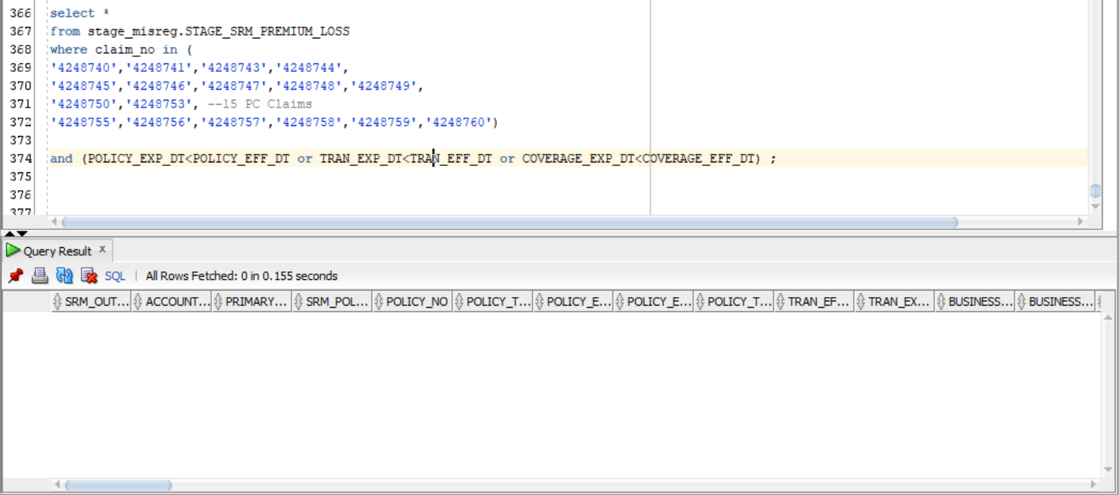

select *
from stage_misreg.STAGE_SRM_PREMIUM_LOSS
where claim_no in (
'4248740','4248741','4248743','4248744',
'4248745','4248746','4248747','4248748','4248749',
'4248750','4248753', --15 PC Claims
'4248755','4248756','4248757','4248758','4248759','4248760')

and (POLICY_EXP_DT<POLICY_EFF_DT or TRAN_EXP_DT<TRAN_EFF_DT or COVERAGE_EXP_DT<COVERAGE_EFF_DT) | ;

13-

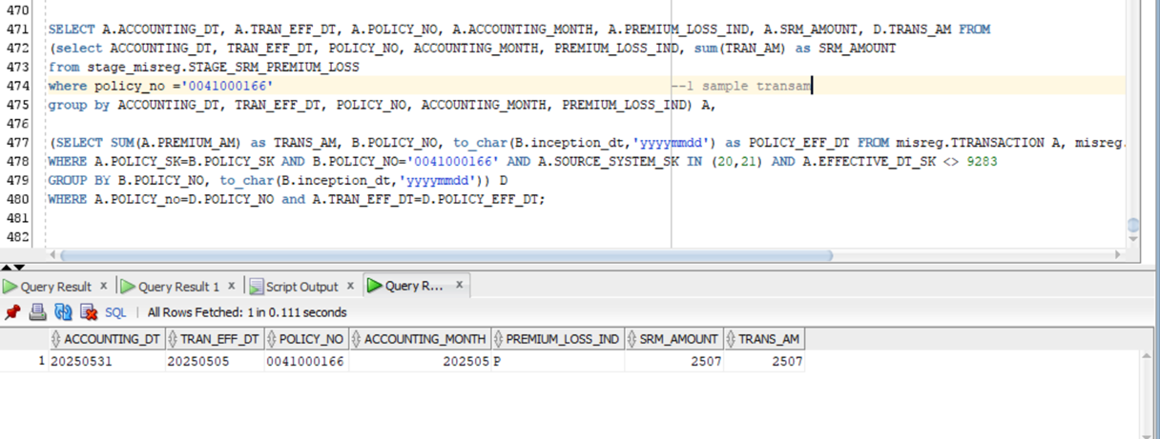

SELECT A.ACCOUNTING_DT, A.TRAN_EFF_DT, A.POLICY_NO, A.ACCOUNTING_MONTH, A.PREMIUM_LOSS_IND, A.SRM_AMOUNT, D.TRANS_AM FROM
(select ACCOUNTING_DT, TRAN_EFF_DT, POLICY_NO, ACCOUNTING_MONTH, PREMIUM_LOSS_IND, sum(TRAN_AM) as SRM_AMOUNT
from stage_misreg.STAGE_SRM_PREMIUM_LOSS
where policy_no ='0041000166' |  | --1 sample transam
group by ACCOUNTING_DT, TRAN_EFF_DT, POLICY_NO, ACCOUNTING_MONTH, PREMIUM_LOSS_IND) A,

(SELECT SUM(A.PREMIUM_AM) as TRANS_AM, B.POLICY_NO, to_char(B.inception_dt,'yyyymmdd') as POLICY_EFF_DT FROM misreg.TTRANSACTION A, misreg.TPOLICY B
WHERE A.POLICY_SK=B.POLICY_SK AND B.POLICY_NO='0041000166' AND A.SOURCE_SYSTEM_SK IN (20,21) AND A.EFFECTIVE_DT_SK <> 9283
GROUP BY B.POLICY_NO, to_char(B.inception_dt,'yyyymmdd')) D
WHERE A.POLICY_no=D.POLICY_NO and A.TRAN_EFF_DT=D.POLICY_EFF_DT;

