SRM downstream
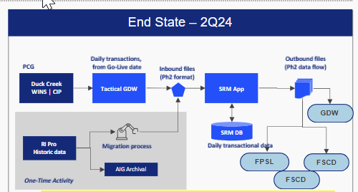

source: Ashish Mangla

