IMDB DASHBOARD
IMDB DASHBOARDS
-By Payel Ghosh
 | Total
Action | $67,540,890,818
Adventure | $30,971,335,977
Animation | $3,810,674,545
Biography | $7,494,903,091
Comedy | $38,027,993,497
Crime | $8,119,707,029
Documentary | $548,215,042
Drama | $20,045,418,442
Family | $447,481,433
Fantasy | $1,399,895,199
Horror | $5,198,971,387
Musical | $184,168,000
Mystery | $1,127,963,819
Romance | $62,659,016
Sci-Fi | $208,574,725
Thriller | $121,539
Western | $47,743,768
 | English - Sum of Budget | English - Sum of Gross Revenue
One Missed Call | 27000000 | 26876529
Street Fighter | 35000000 | 33423521
The Quick and the Dead | 32000000 | 18636537
Tora! Tora! Tora! | 25000000 | 14500000
Trainwreck | 35000000 | 110008260

51 TITLES REVENUE
 | Total
4 Months, 3 Weeks and 2 Days | $1,185,783
A Sound of Thunder | $1,891,821
BloodRayne | $1,550,000
Caramel | $1,060,591
Choke | $2,926,565
Factory Girl | $1,654,367
Find Me Guilty | $1,172,769
Frozen River | $2,508,841
Funny Games | $1,294,640
Gracie | $2,955,039
Half Nelson | $2,694,973
Hard Candy | $1,007,962
How to Lose Friends & Alienate People | $2,775,593
In the Shadow of the Moon | $1,134,049
Infamous | $1,150,403
Joyeux Noel | $1,050,445
Man on Wire | $2,957,978
Married Life | $1,506,998
Me and Orson Welles | $1,186,957
Miss Potter | $2,975,649
Murderball | $1,523,883
No End in Sight | $1,430,185
Oliver Twist | $1,987,287
Peaceful Warrior | $1,055,654
Perfume: The Story of a Murderer | $2,208,939
QuinceaÃ±era | $1,689,999
Redbelt | $2,344,847
September Dawn | $1,066,555
Shortbus | $1,984,378
Slow Burn | $1,181,197
The Children of Huang Shi | $1,027,749
The Good German | $1,304,837
The History Boys | $2,706,659
The Host | $2,201,412
The Lost City | $2,483,955
The Proposition | $1,900,725
The Wackness | $2,077,046
The White Countess | $1,666,262
The Work and the Glory II: American Zion | $2,024,854
Things We Lost in the Fire | $2,849,142
Thumbsucker | $1,325,073
Transsiberian | $2,203,641
Tristram Shandy: A Cock and Bull Story | $1,247,453
Trust the Man | $1,530,535
Tsotsi | $2,912,363
Undiscovered | $1,046,166
Waltz with Bashir | $2,283,276
What Just Happened | $1,089,365
When Did You Last See Your Father? | $1,071,240
Who Killed the Electric Car? | $1,677,838
...

 | Sum of Profit | Sum of Profit Margin
Paranormal Activity | 107902283 | 0.99986100465
Tarnation | 591796 | 0.99963176547
The Blair Witch Project | 140470114 | 0.99957304525
The Brothers McMullen | 10221600 | 0.9975601663
The Texas Chain Saw Massacre | 30775468 | 0.99729310736
El Mariachi | 2033920 | 0.99657017424
The Gallows | 22657819 | 0.99560590582
Super Size Me | 11464368 | 0.9943622235
Halloween | 46700000 | 0.99361702128
American Graffiti | 114223000 | 0.99324347826
CASTE DIRECTOR DATA
 | Sum of Sum of Likes | Count of Title
Action | 12573461 | 900
Adventure | 4622420 | 362
Animation | 551877 | 45
Biography | 3122882 | 204
Comedy | 10309502 | 1016
Crime | 3433598 | 252
Documentary | 43241 | 43
Drama | 7602729 | 672
Family | 21591 | 3
Fantasy | 263340 | 35
Horror | 1128959 | 151
Musical | 5356 | 2
Mystery | 318998 | 23
Romance | 16866 | 3
Sci-Fi | 50061 | 8
Thriller | 4077 | 3
Western | 49376 | 3

Count by Title
 | Total
USA | 2944
UK | 304
France | 104
Germany | 79
Canada | 63
Australia | 39
Spain | 22
Japan | 16
China | 14
India | 14
Hong Kong | 13
Italy | 11
Mexico | 10
Denmark | 9
New Zealand | 9
South Korea | 8
Ireland | 7
Brazil | 5
Thailand | 4
Iran | 4
Norway | 4
Russia | 3
Argentina | 3
South Africa | 3
Israel | 3
Czech Republic | 3
Netherlands | 3
Hungary | 2
Taiwan | 2
Romania | 2
Belgium | 2
Iceland | 2
Georgia | 1
Aruba | 1
Colombia | 1
Philippines | 1
West Germany | 1
Poland | 1
Sweden | 1
Afghanistan | 1
Indonesia | 1
New Line | 1
Chile | 1
Finland | 1
Peru | 1
Official site | 1
 | Total
China | 14
India | 14
Japan | 16
Spain | 22
Australia | 39
Canada | 63
Germany | 79
France | 104
UK | 304
USA | 2944

 | Count of Title | Average of IMDb Score (1-10)
New Line | 1 | 4.4
Official site | 1 | 6.3
Georgia | 1 | 5.6
Poland | 1 | 5.1
Peru | 1 | 5.4
Aruba | 1 | 4.8
Philippines | 1 | 6.3
Canada | 63 | 6.2206349206
Germany | 79 | 6.2987341772
USA | 2944 | 6.3886888587
 | Total
Action | $62,947,620,569
Adventure | $24,926,429,575
Animation | $2,470,730,000
Biography | $5,202,044,003
Comedy | $35,709,457,007
Crime | $10,534,621,560
Documentary | $374,931,311
Drama | $19,249,948,745
Family | $44,500,000
Fantasy | $586,300,000
Horror | $2,109,860,479
Mystery | $779,465,000

Insights Problems
Probable Insights of IMDB Datasets

PART -1

PART - 2

PART 3

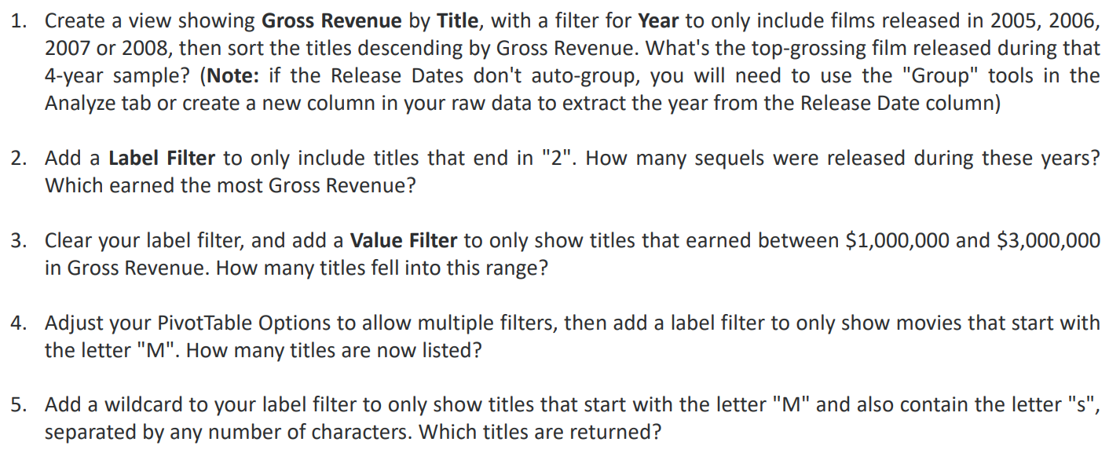

PART - 4

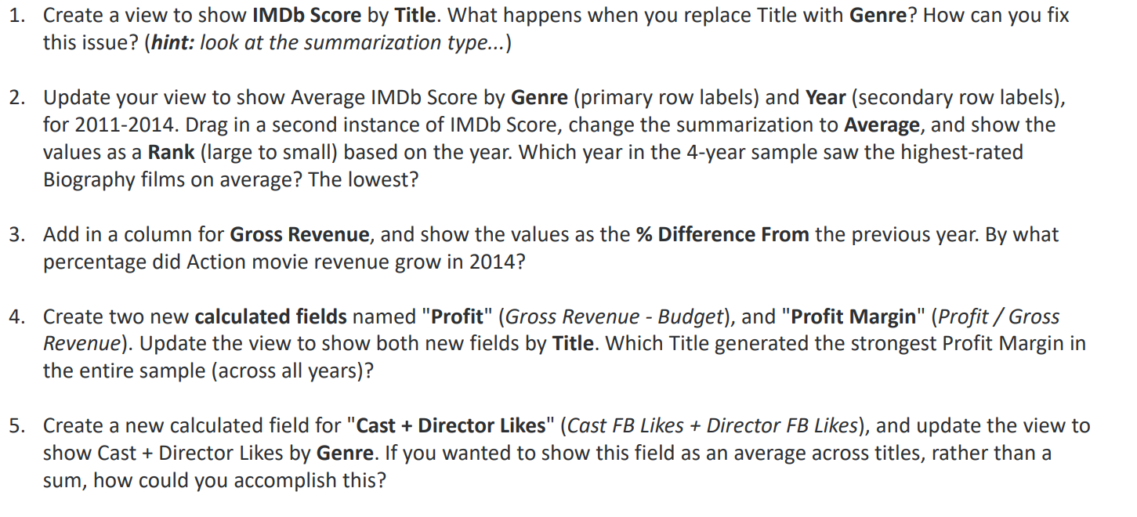

PART - 5

1.1
 | Language
 | English
Title | Sum of Budget | Sum of Gross Revenue
Japan | 154000000 | 203444847
One Missed Call | 27000000 | 26876529
Street Fighter | 35000000 | 33423521
The Quick and the Dead | 32000000 | 18636537
Tora! Tora! Tora! | 25000000 | 14500000
Trainwreck | 35000000 | 110008260

1.2
The Celebration
Title | Sum of Gross Revenue
The Celebration | $1,647,780

1.4
Sum of Gross Revenue | Column Labels
Rating | PG
Family | $445,361,439

1.5
AVATAR

Title | Sum of Gross Revenue
Avatar | $760,505,847

2.3
Genre | Sum of Gross Revenue
Action | $67,540,890,818
Adventure | $30,971,335,977
Animation | $3,810,674,545
Biography | $7,494,903,091
Comedy | $38,027,993,497
Crime | $8,119,707,029
Documentary | $548,215,042
Drama | $20,045,418,442
Family | $447,481,433
Fantasy | $1,399,895,199
Horror | $5,198,971,387
Musical | $184,168,000
Mystery | $1,127,963,819
Romance | $62,659,016
Sci-Fi | $208,574,725
Thriller | $121,539
Western | $47,743,768

3.3
Years (Release Date) | (Multiple Items)
51 TITLES REVENUE
Row Labels | Sum of Gross Revenue
4 Months, 3 Weeks and 2 Days | $1,185,783
A Sound of Thunder | $1,891,821
BloodRayne | $1,550,000
Caramel | $1,060,591
Choke | $2,926,565
Factory Girl | $1,654,367
Find Me Guilty | $1,172,769
Frozen River | $2,508,841
Funny Games | $1,294,640
Gracie | $2,955,039
Half Nelson | $2,694,973
Hard Candy | $1,007,962
How to Lose Friends & Alienate People | $2,775,593
In the Shadow of the Moon | $1,134,049
Infamous | $1,150,403
Joyeux Noel | $1,050,445
Man on Wire | $2,957,978
Married Life | $1,506,998
Me and Orson Welles | $1,186,957
Miss Potter | $2,975,649
Murderball | $1,523,883
No End in Sight | $1,430,185
Oliver Twist | $1,987,287
Peaceful Warrior | $1,055,654
Perfume: The Story of a Murderer | $2,208,939
QuinceaÃ±era | $1,689,999
Redbelt | $2,344,847
September Dawn | $1,066,555
Shortbus | $1,984,378
Slow Burn | $1,181,197
The Children of Huang Shi | $1,027,749
The Good German | $1,304,837
The History Boys | $2,706,659
The Host | $2,201,412
The Lost City | $2,483,955
The Proposition | $1,900,725
The Wackness | $2,077,046
The White Countess | $1,666,262
The Work and the Glory II: American Zion | $2,024,854
Things We Lost in the Fire | $2,849,142
Thumbsucker | $1,325,073
Transsiberian | $2,203,641
Tristram Shandy: A Cock and Bull Story | $1,247,453
Trust the Man | $1,530,535
Tsotsi | $2,912,363
Undiscovered | $1,046,166
Waltz with Bashir | $2,283,276
What Just Happened | $1,089,365
When Did You Last See Your Father? | $1,071,240
Who Killed the Electric Car? | $1,677,838
You Kill Me | $2,426,851
Grand Total | $92,170,789

4.4
Row Labels | Sum of Profit | Sum of Profit Margin
Paranormal Activity | 107902283 | 0.99986100465
Tarnation | 591796 | 0.99963176547
The Blair Witch Project | 140470114 | 0.99957304525
The Brothers McMullen | 10221600 | 0.9975601663
The Texas Chain Saw Massacre | 30775468 | 0.99729310736
El Mariachi | 2033920 | 0.99657017424
The Gallows | 22657819 | 0.99560590582
Super Size Me | 11464368 | 0.9943622235
Halloween | 46700000 | 0.99361702128
American Graffiti | 114223000 | 0.99324347826

4.5
CASTE DIRECTOR DATA
Row Labels | Sum of Sum of Likes | Count of Title | Likes By Title Count
Action | 12573461 | 900 | 16459
Adventure | 4622420 | 362 | 15308
Animation | 551877 | 45 | 13971
Biography | 3122882 | 204 | 13869
Comedy | 10309502 | 1016 | 13625
Crime | 3433598 | 252 | 12769
Documentary | 43241 | 43 | 12264
Drama | 7602729 | 672 | 11314
Family | 21591 | 3 | 10147
Fantasy | 263340 | 35 | 7524
Horror | 1128959 | 151 | 7477
Musical | 5356 | 2 | 7197
Mystery | 318998 | 23 | 6258
Romance | 16866 | 3 | 5622
Sci-Fi | 50061 | 8 | 2678
Thriller | 4077 | 3 | 1359
Western | 49376 | 3 | 1006

5.1
Count by Title
Row Labels | Count of Title
USA | 2944
UK | 304
France | 104
Germany | 79
Canada | 63
Australia | 39
Spain | 22
Japan | 16
China | 14
India | 14
Hong Kong | 13
Italy | 11
Mexico | 10
Denmark | 9
New Zealand | 9
South Korea | 8
Ireland | 7
Brazil | 5
Thailand | 4
Iran | 4
Norway | 4
Russia | 3
Argentina | 3
South Africa | 3
Israel | 3
Czech Republic | 3
Netherlands | 3
Hungary | 2
Taiwan | 2
Romania | 2
Belgium | 2
Iceland | 2
Georgia | 1
Aruba | 1
Colombia | 1
Philippines | 1
West Germany | 1
Poland | 1
Sweden | 1
Afghanistan | 1
Indonesia | 1
New Line | 1
Chile | 1
Finland | 1
Peru | 1
Official site | 1
Grand Total | 3725

5.2
Count Of Total
Row Labels | Count of Title
USA | 2944
UK | 304
France | 104
Germany | 79
Canada | 63
Australia | 39
Spain | 22
Japan | 16
India | 14
China | 14

5.3
Row Labels | Count of Title
China | 14
India | 14
Japan | 16
Spain | 22
Australia | 39
Canada | 63
Germany | 79
France | 104
UK | 304
USA | 2944

5.4
Row Labels | Average of IMDb Score (1-10) | Count of Title
New Line | 4.4 | 1
Official site | 6.3 | 1
Georgia | 5.6 | 1
Poland | 5.1 | 1
Peru | 5.4 | 1
Aruba | 4.8 | 1
Philippines | 6.3 | 1
Canada | 6.2206349206 | 63
Germany | 6.2987341772 | 79
USA | 6.3886888587 | 2944

5.5&5.6
Row Labels | Sum of Budget
Action | $62,947,620,569
Adventure | $24,926,429,575
Animation | $2,470,730,000
Biography | $5,202,044,003
Comedy | $35,709,457,007
Crime | $10,534,621,560
Documentary | $374,931,311
Drama | $19,249,948,745
Family | $44,500,000
Fantasy | $586,300,000
Horror | $2,109,860,479
Mystery | $779,465,000
 | Count of Title | Average of IMDb Score (1-10)
New Line | 1 | 4.4
Official site | 1 | 6.3
Georgia | 1 | 5.6
Poland | 1 | 5.1
Peru | 1 | 5.4
Aruba | 1 | 4.8
Philippines | 1 | 6.3
Canada | 63 | 6.2206349206
Germany | 79 | 6.2987341772
USA | 2944 | 6.3886888587

Row Labels | Average of IMDb Score (1-10) | Count of Title
New Line | 4.4 | 1
Official site | 6.3 | 1
Georgia | 5.6 | 1
Poland | 5.1 | 1
Peru | 5.4 | 1
Aruba | 4.8 | 1
Philippines | 6.3 | 1
Canada | 6.2206349206 | 63
Germany | 6.2987341772 | 79
USA | 6.3886888587 | 2944

