Diagrammes de séquence
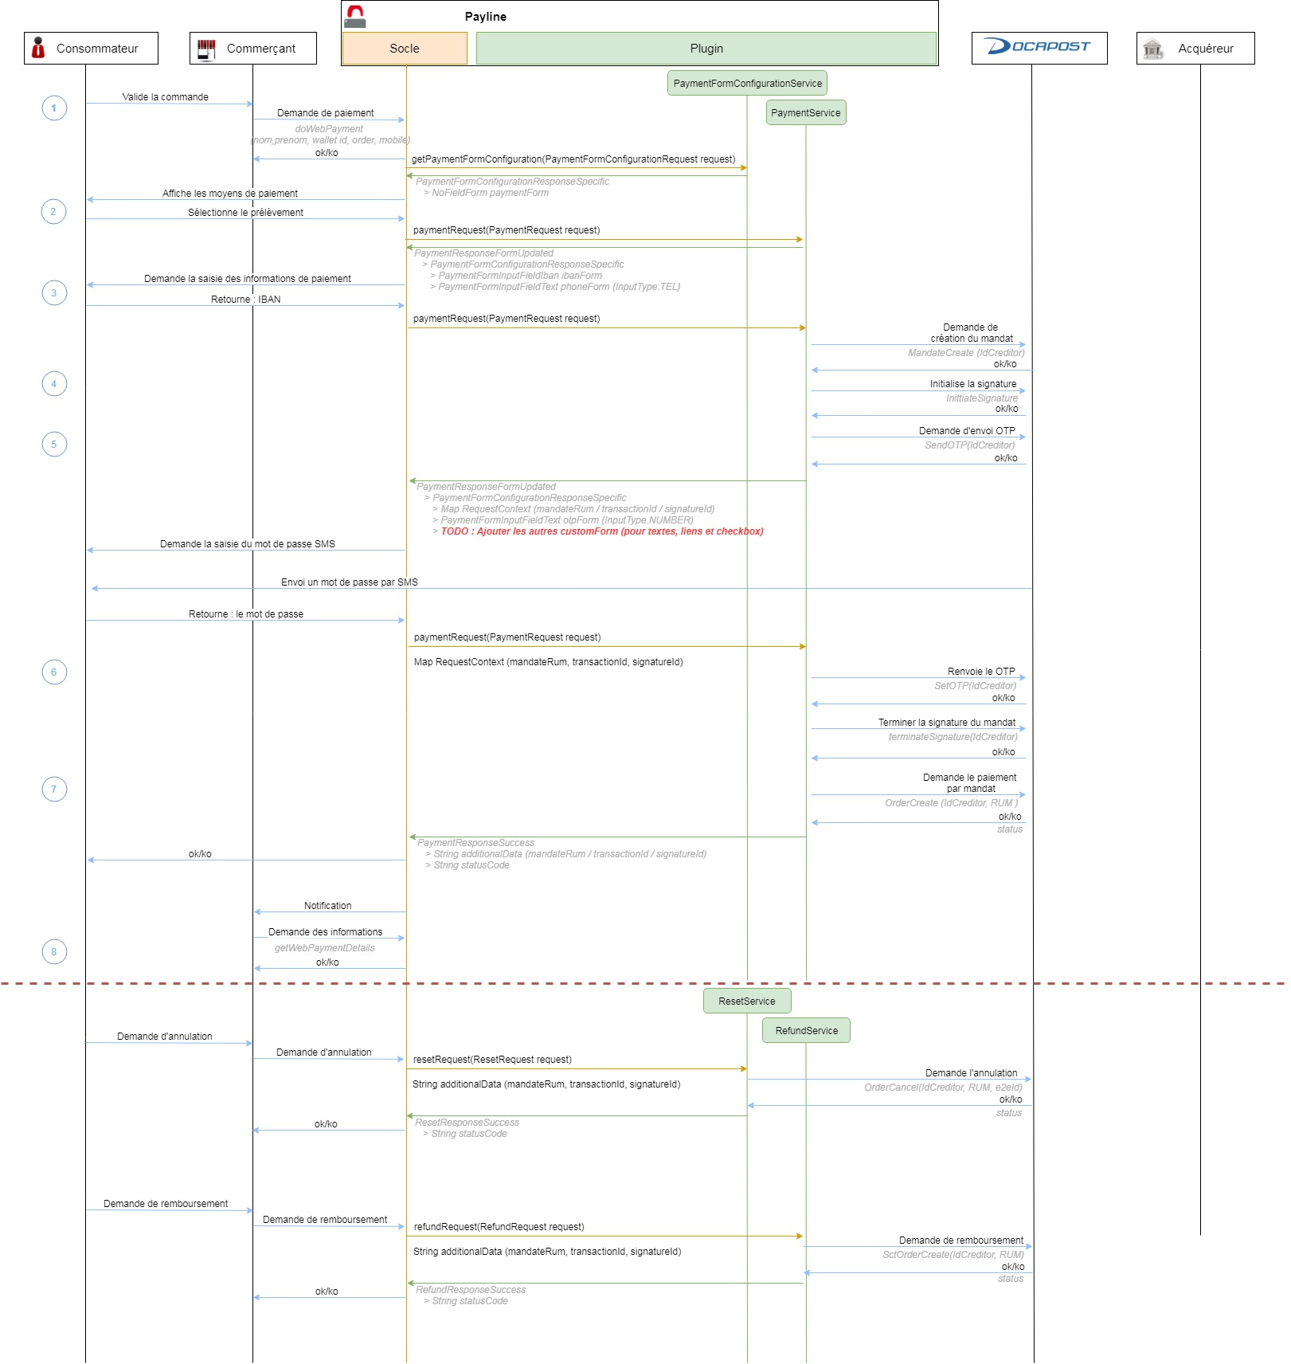

PaymentFormConfigurationRequest
PAYLINE |  |  |  |  |  |  |  |  |  |  |  | PLUGIN DOCAPOST | PAYLINE

PaymentFormConfigurationRequest | Locale | locale |  |  |  |  |  |  |  |  |  |  | PaymentFormConfigurationResponseSpecific implements PaymentFormConfigurationResponse | NoFieldForm extends AbstractPaymentForm | paymentForm
 | Amount | amount | BigInterger | amountInSmallestUnit
 |  |  | Currency | currency
 | Order | order | String | reference
 |  |  | Amount | amount | BigInterger | amountInSmallestUnit
 |  |  |  |  | Currency | currency
 |  |  | Date | date
 |  |  | List<OrderItem> | items | OrderItem | String | reference
 |  |  |  |  |  | Amount | amount | BigInterger | amountInSmallestUnit
 |  |  |  |  |  |  |  | Currency | currency
 |  |  |  |  |  | long | quantity
 |  |  |  |  |  | OrderItemCategory | category | enum | UNKNOWN
 |  |  |  |  |  |  |  | enum | THINGS
 |  |  |  |  |  | String | comment
 |  |  |  |  |  | String | subcategory1
 |  |  |  |  |  | String | subcategory2
 |  |  |  |  |  | String | additionalData
 |  |  |  |  |  | String | brand
 |  |  |  |  |  | BigDecimal | taxRatePercentage
 |  |  | String | country
 |  |  | Amount | taxes | BigInterger | amountInSmallestUnit
 |  |  |  |  | Currency | currency
 | Buyer | buyer | Map<AddressType, Address> | addresses | AddressType | enum | BILLING
 |  |  |  |  |  | enum | DELIVERY
 |  |  |  |  | Address | String | street1
 |  |  |  |  |  | String | street2
 |  |  |  |  |  | String | city
Aucune consommation de données à effectuer sur la PaymentRequest ni aucun appel WS à effectuer vers Docapost
Juste retourner à Payline une réponse PaymentFormConfigurationResponse
 |  |  |  |  |  | String | zipCode
 |  |  |  |  |  | String | country
 |  |  |  |  |  | String | state
 |  |  |  |  |  | String | county
 |  |  |  |  |  | FullName | fullName | String | firstName
 |  |  |  |  |  |  |  | String | lastName
 |  |  |  |  |  |  |  | Civility | civility | enum | UNKNOWN
 |  |  |  |  |  |  |  |  |  | enum | MR
 |  |  |  |  |  |  |  |  |  | enum | MRS
 |  |  | FullName | fullName | String | firstName
 |  |  |  |  | String | lastName
 |  |  |  |  | Civility | civility | enum | UNKNOWN
 |  |  |  |  |  |  | enum | MR
 |  |  |  |  |  |  | enum | MRS
 |  |  | String | email
 |  |  | Map<PhoneNumberType, String> | phoneNumbers | PhoneNumberType | enum | UNDEFINED
 |  |  |  |  |  | enum | HOME
 |  |  |  |  |  | enum | WORK
 |  |  |  |  |  | enum | MESSAGES
 |  |  |  |  |  | enum | BILLING
 |  |  |  |  |  | enum | TEMPORARY
 |  |  |  |  |  | enum | CELLULAR
 |  |  | Date | birthday
 |  |  | LegalStatus | legalStatus | enum | UNKNOWN
 |  |  |  |  | enum | PERSON
 |  |  |  |  | enum | COMPANY
 |  |  | String | customerIdentifier
 |  |  | Map<String, String> | extendedData
 | ContractConfiguration | contractConfiguration | String | paymentMethodIdentifier
 |  |  | Map<String, ContractProperty> | contractProperties | ContractProperty | String | value
 |  |  |  |  | ContractProperty | String | value
 | Environment | environment | String | notificationURL
 |  |  | String | redirectionReturnURL
 |  |  | String | redirectionCancelURL
 |  |  | boolean | isSandbox
 | PartnerConfiguration | partnerConfiguration | Map<String, String> | partnerConfigurationMap | String | String | value
 |  |  |  |  | String | String | value
 |  |  | Map<String, String> | sensitivePartnerConfigurationMap | String | String | value
 |  |  |  |  | String | String | value
 |  |  |  |  | String | String | value

PaymentRequest step 1
PAYLINE |  |  |  |  |  |  |  |  |  |  |  | PLUGIN DOCAPOST |  |  |  | PAYLINE |  |  |  |  |  |  |  |  | PLUGIN DOCAPOST

PaymentRequest | Locale | locale |  |  |  |  |  |  |  |  |  |  |  |  |  | PaymentResponseFormUpdated | PaymentFormConfigurationResponseSpecific implements PaymentFormConfigurationResponse | paymentFormCongurationResponse | CustomForm extends AbstractPaymentForm | paymentForm | List<AbstractPaymentFormField> | customFields | PaymentFormFieldIban extends AbstractPaymentFormField | ibanFied
 | Amount | amount | BigInterger | amountInSmallestUnit |  |  |  |  |  |  |  |  |  |  |  |  |  |  |  |  |  |  | PaymentFormFieldText extends AbstractPaymentFormField | phoneField with InputType.TEL
 |  |  | Currency | currency |  |  |  |  |  |  |  |  |  |  |  |  | RequestContext | requestContext | Map<String, String> | requestContext | String | String | value |  |  | String | step | IBAN_PHONE
 | Order | order | String | reference |  |  |  |  |  |  |  |  |  |  |  |  |  |  |  |  | String | String | value
 |  |  | Amount | amount | BigInterger | amountInSmallestUnit |  |  |  |  |  |  |  |  |  |  |  |  | Map<String, String> | sensitiveRequestContext | String | String | value
 |  |  |  |  | Currency | currency |  |  |  |  |  |  |  |  |  |  |  |  |  |  | String | String | value
 |  |  | Date | date
 |  |  | List<OrderItem> | items | OrderItem | String | reference
 |  |  |  |  |  | Amount | amount | BigInterger | amountInSmallestUnit
 |  |  |  |  |  |  |  | Currency | currency
 |  |  |  |  |  | long | quantity
 |  |  |  |  |  | OrderItemCategory | category | enum | UNKNOWN
 |  |  |  |  |  |  |  | enum | THINGS
 |  |  |  |  |  | String | comment
 |  |  |  |  |  | String | subcategory1
 |  |  |  |  |  | String | subcategory2
 |  |  |  |  |  | String | additionalData
 |  |  |  |  |  | String | brand
 |  |  |  |  |  | BigDecimal | taxRatePercentage
 |  |  | String | country
 |  |  | Amount | taxes | BigInterger | amountInSmallestUnit
 |  |  |  |  | Currency | currency
 | Buyer | buyer | Map<AddressType, Address> | addresses | AddressType | enum | BILLING
 |  |  |  |  |  | enum | DELIVERY
 |  |  |  |  | Address | String | street1
 |  |  |  |  |  | String | street2
 |  |  |  |  |  | String | city
Aucune consommation de données à effectuer sur la PaymentRequest ni aucun appel WS à effectuer vers Docapost
Juste retourner à Payline une réponse PaymentResponseFormUpdated
 |  |  |  |  |  | String | zipCode
 |  |  |  |  |  | String | country
 |  |  |  |  |  | String | state
 |  |  |  |  |  | String | county
 |  |  |  |  |  | FullName | fullName | String | firstName
 |  |  |  |  |  |  |  | String | lastName
 |  |  |  |  |  |  |  | Civility | civility | enum | UNKNOWN
 |  |  |  |  |  |  |  |  |  | enum | MR
 |  |  |  |  |  |  |  |  |  | enum | MRS
 |  |  | FullName | fullName | String | firstName
 |  |  |  |  | String | lastName
 |  |  |  |  | Civility | civility | enum | UNKNOWN
 |  |  |  |  |  |  | enum | MR
 |  |  |  |  |  |  | enum | MRS
 |  |  | String | email
 |  |  | Map<PhoneNumberType, String> | phoneNumbers | PhoneNumberType | enum | UNDEFINED
 |  |  |  |  |  | enum | HOME
 |  |  |  |  |  | enum | WORK
 |  |  |  |  |  | enum | MESSAGES
 |  |  |  |  |  | enum | BILLING
 |  |  |  |  |  | enum | TEMPORARY
 |  |  |  |  |  | enum | CELLULAR
 |  |  | Date | birthday
 |  |  | LegalStatus | legalStatus | enum | UNKNOWN
 |  |  |  |  | enum | PERSON
 |  |  |  |  | enum | COMPANY
 |  |  | String | customerIdentifier
 |  |  | Map<String, String> | extendedData
 | ContractConfiguration | contractConfiguration | String | paymentMethodIdentifier
 |  |  | Map<String, ContractProperty> | contractProperties | ContractProperty | String | value
 |  |  |  |  | ContractProperty | String | value
 | Browser | browser | String | userAgent
 |  |  | Locale | locale
 | Environment | environment | String | notificationURL
 |  |  | String | redirectionReturnURL
 |  |  | String | redirectionCancelURL
 |  |  | boolean | isSandbox
 | PaymentFormContext | paymentFormContext | Map<String, String> | paymentFormParameter | String | String | value
 |  |  |  |  | String | String | value
 |  |  | Map<String, String> | sensitivePaymentFormParameter | String | String | value
 |  |  |  |  | String | String | value
 | RequestContext | requestContext | Map<String, String> | requestData | String | String | value |  |  |  |  |  | String | step | Info d'étape = null null : 1ère PaymentRequest sans consommation de données pour retour d'un PaymentResponseFormUpdated.PaymentFormConfigurationRepsonseSpecific.IbanForm & PhoneForm IBAN_PHONE : 2ème PaymentRequest avec consommation des données Iban & Phone et 1ère séquence d'appels Docapost OTP : 3ème PaymentRequest avec consommation des données OTP
 |  |  |  |  | String | String | value
 |  |  | Map<String, String> | sensitiveRequestData | String | String | value
 |  |  |  |  | String | String | value
 | String | transactionId
 | String | softDescriptor
 | boolean | captureNow
 | PartnerConfiguration | partnerConfiguration | Map<String, String> | partnerConfigurationMap | String | String | value
 |  |  |  |  | String | String | value
 |  |  | Map<String, String> | sensitivePartnerConfigurationMap | String | String | value
 |  |  |  |  | String | String | value
 |  |  |  |  | String | String | value
 | Integer | asynchronousRetryTimeout

