wands
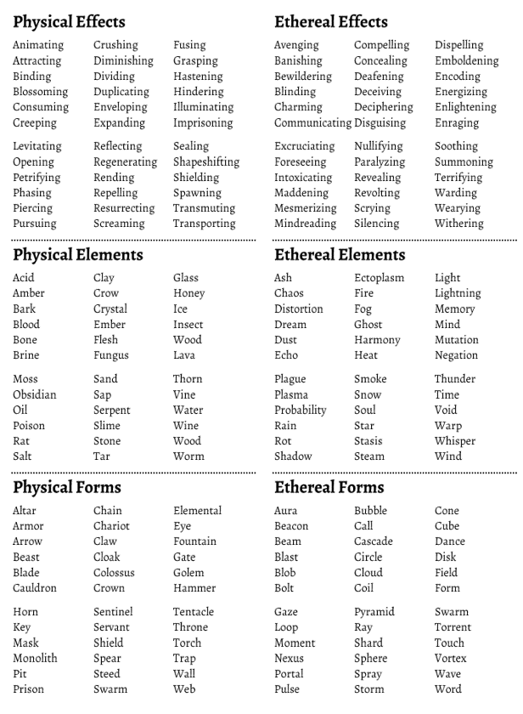
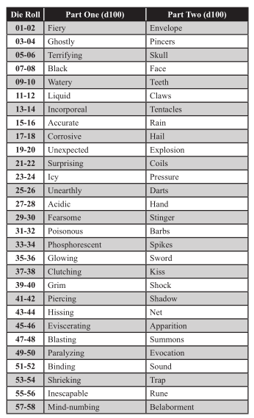
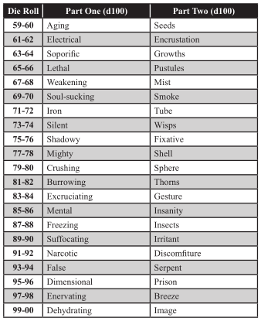
 | Wand Base D20 |  | Charges Display D12 |  | Charges recharged D4
1 | Classic wand | 1 | Gems | 1 | 1
2 | Branch | 2 | Skull studs | 2 | 1d4
3 | Thick straight Rod | 3 | Number | 3 | all
4 | Twisting Rod | 4 | Roman Numeral | 4 | half of spent
5 | Very long and thin | 5 | Verbal count on use
6 | Finger length | 6 | Fingers or limbs that shrink away |  | Max Charges D6
7 | Spine | 7 | Leaves number marked on the floor in (d4 blood, ash, dust, sand) | 1 | 1
8 | Whole human arm | 8 | Notches | 2 | 2
9 | Staff with tip on both ends | 9 | Colored bands | 3 | 1d4
10 | Glove with small wand on indexfinger | 10 | Eyes | 4 | 1d6
11 | Globe | 11 | Wand shortens relative to charges | 5 | 1d8
12 | Faux Sword | 12 | Leaves that wither and fall | 6 | 1d10
13 | Vaguely shaped like a pistol |  |  |  |  |  |  |  | :)
14 | A fully functional Lance |  | Recharge Method D12 (don't make it easy) |  | Effect D3
15 | A walking cane | 1 | Drinks Blood (specific creature?) | 1 | Maze Rats
16 | Y shaped with handles on the split side | 2 | Drinks Tears | 2 | DM Guide
17 | Telescopic Rod | 3 | Embed in flesh | 3 | Knave
18 | Long thin Church Tower | 4 | submerge in spirits | 4 | Other
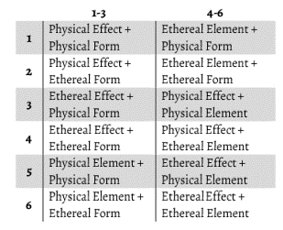
19 | Tiny (between thumb and forefinger) | 5 | kneel and chant in front of wand
20 | Flail (tips for heads, spin to cast) | 6 | exposed to bright daylight
 |  | 7 | enveloped in fire |  |  |  |  | DM Guide
 |  | 8 | frozen in ice |  |  |  |  | alternative effects: 2d100
 | Tip D12 | 9 | Consuming material its made of
1 | Dragon (head/ body) | 10 | Turn ratchet
2 | Human/Animal (see table) | 11 | When whoever holds it dies
3 | Hand/ Claw (same table) | 12 | Struck by lightning
4 | A long thin spike |  | Material D12 (can roll for tip as well)
5 | Star | 1 | Wood
6 | Nothing | 2 | Iron |  |  |  | d100 Knave Spells:
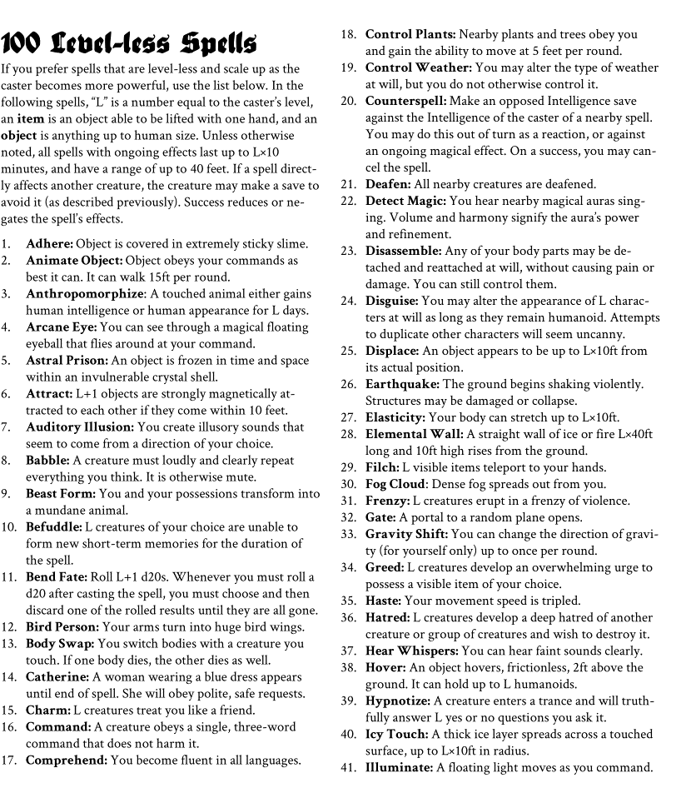
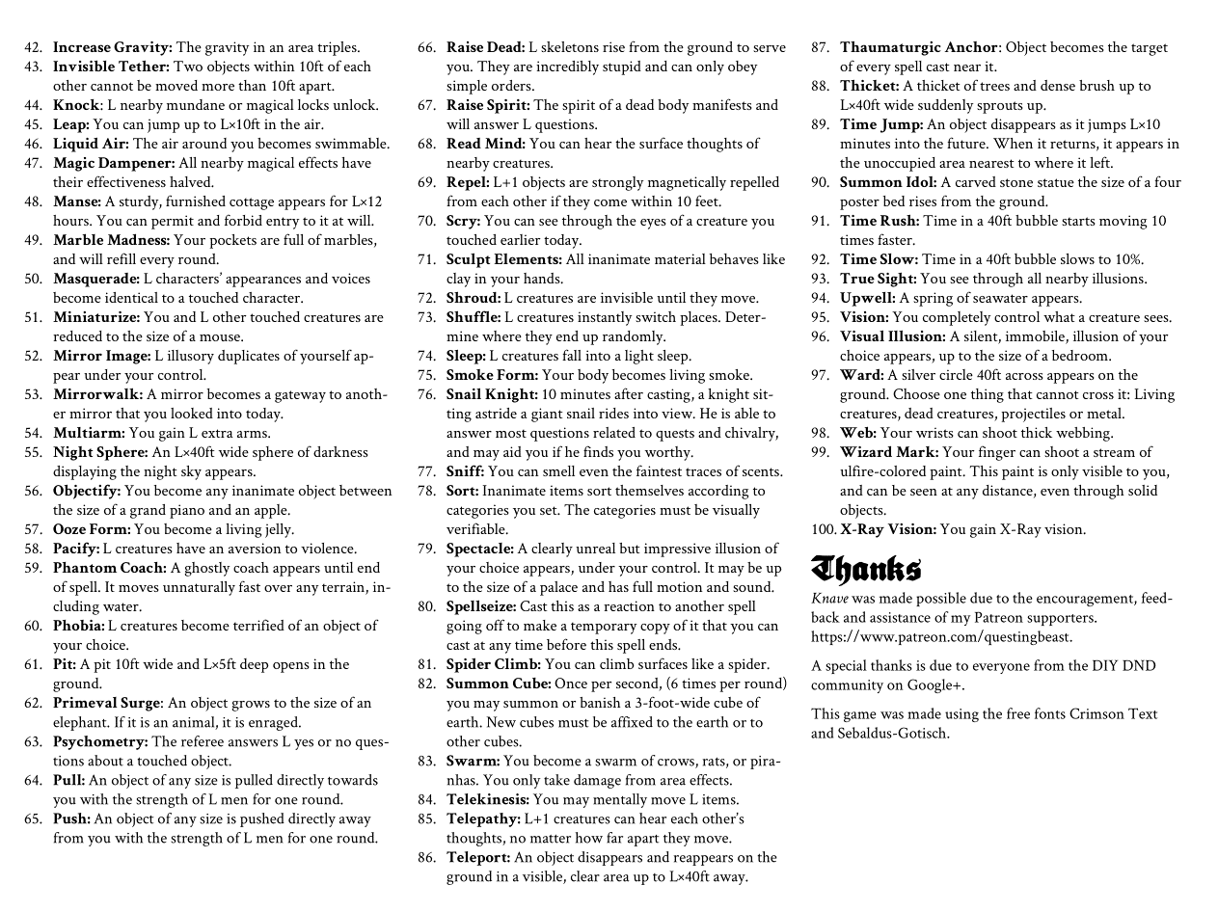
7 | An open book | 3 | Bronze
8 | Flower | 4 | Burnt Wood
9 | Exhaustpipe | 5 | Copper
10 | Cross | 6 | Stone |  | 2d6 ^
11 | Chaos symbol | 7 | Crystal |  | Maze Rats
12 | Dagger/ Speartip | 8 | Glass |  | 2x 2d6 >
 |  | 9 | Bone
 |  | 10 | Woven Hair
 | Human/ Animal (1d2 head or body) | 11 | Gold
1 | Human | 12 | Silver
2 | Elf
3 | Dwarf |  | Who can use it?
4 | Monkey | 1 | Anyone |  |  | Other options:
5 | Lion | 2 | First person to touch then Defeat previous owner (kill or disarm, not stealing or giving) |  |  | Troika p 58
6 | Wolf | 3 | Alignment d3 (1L 2N 3C) |  |  | Wonder and Wickedness
7 | Cat | 4 | Bonding connection, meditate 1 hour |  |  | Glog Wizards p 12
8 | Dog | 5 | Blood offering, 1d4 dmg |  |  | Feast of Bukako
9 | Pig | 6 | Gold offering (depending on power, something like 1d4 x 100 or 50)
10 | Boar
11 | Frog
12 | Fish
13 | Salamander
14 | Cow
15 | Horse
16 | Donkey
17 | Snake
18 | Bear
19 | Mouse
20 | Rat

