wands
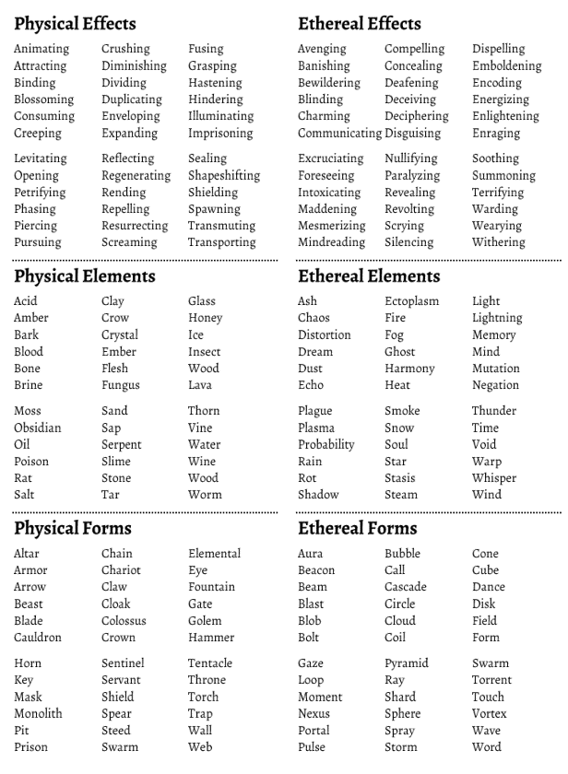
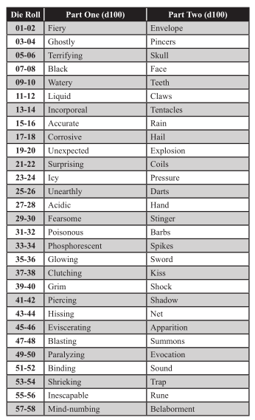
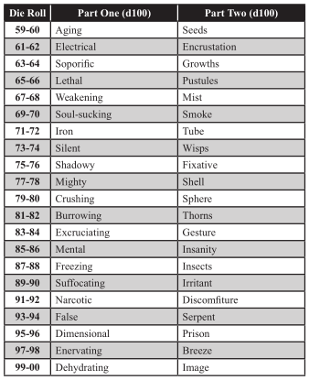
 | Wand Base D20 |  | Charges Display D12 |  | Charges recharged D4
1 | Classic wand | 1 | Gems | 1 | 1
2 | Branch | 2 | Skull studs | 2 | 1d4
3 | Thick straight Rod | 3 | Number | 3 | all
4 | Twisting Rod | 4 | Roman Numeral | 4 | half of spent
5 | Very long and thin | 5 | Verbal count on use
6 | Finger length | 6 | Fingers or limbs that shrink away |  | Max Charges D6
7 | Spine | 7 | Leaves number marked on the floor in (d4 blood, ash, dust, sand) | 1 | 1
8 | Whole human arm | 8 | Notches | 2 | 2
9 | Staff with tip on both ends | 9 | Colored bands | 3 | 1d4
10 | Glove with small wand on indexfinger | 10 | Eyes | 4 | 1d6
11 | Globe | 11 | Wand shortens relative to charges | 5 | 1d8
12 | Faux Sword | 12 | Leaves that wither and fall | 6 | 1d10
13 | Vaguely shaped like a pistol
14 | A fully functional Lance |  | Recharge Method D12 (don't make it easy)
15 | A walking cane | 1 | Drinks Blood (specific creature?)
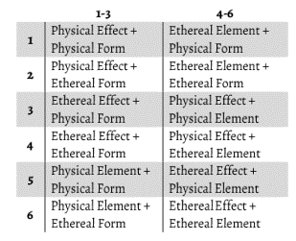
16 | Y shaped with handles on the split side | 2 | Drinks Tears
17 | Telescopic Rod | 3 | Embed in flesh
18 | Long thin Church Tower | 4 | submerge in spirits
19 | Tiny (between thumb and forefinger) | 5 | kneel and chant in front of wand
20 | Flail (tips for heads, spin to cast) | 6 | exposed to bright daylight
 |  | 7 | enveloped in fire
 |  | 8 | frozen in ice |  |  | alternative effects: 2d100
 | Tip D12 | 9 | Consuming material its made of
1 | Dragon (head/ body) | 10 | Turn ratchet
2 | Human/Animal (see table) | 11 | When whoever holds it dies
3 | Hand/ Claw (same table) | 12 | Struck by lightning
4 | A long thin spike |  | Material D12 (can roll for tip as well)
5 | Star | 1 | Wood
6 | Nothing | 2 | Iron
7 | An open book | 3 | Bronze |  | 2d6 ^
8 | Flower | 4 | Burnt Wood
9 | Exhaustpipe | 5 | Copper |  | 2x 2d6 >
10 | Cross | 6 | Stone
11 | Chaos symbol | 7 | Crystal
12 | Dagger/ Speartip | 8 | Glass
 |  | 9 | Bone
 |  | 10 | Woven Hair
 | Human/ Animal (1d2 head or body) | 11 | Gold
1 | Human | 12 | Silver
2 | Elf
3 | Dwarf
4 | Monkey
5 | Lion
6 | Wolf
7 | Cat
8 | Dog
9 | Pig
10 | Boar
11 | Frog
12 | Fish
13 | Salamander
14 | Cow
15 | Horse
16 | Donkey
17 | Snake
18 | Bear
19 | Mouse
20 | Rat

