Table 1
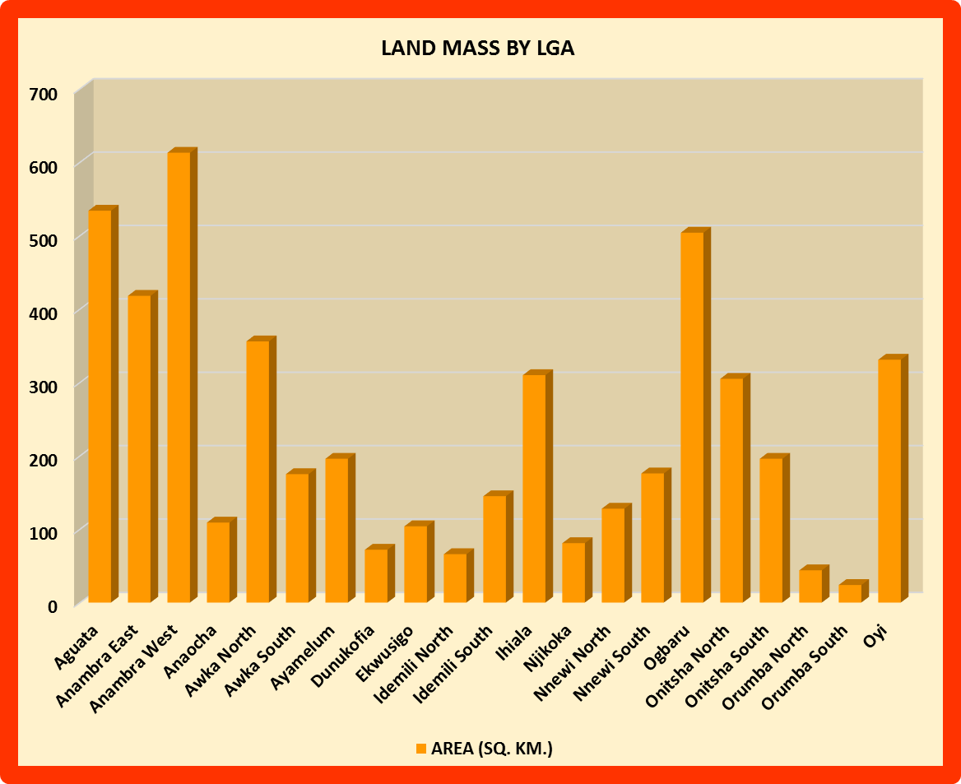
CHAPTER 1 POPULATION/ GEOGRAPHY STATISTICS
TABLE 1 LAND MASS OF ANAMBRA STATE BY LGA
LGA | AREA | HIGHLANDS | PLAIN LANDS
 | (SQ. KM.) | (≈ %) | (≈ %)
AGUATA | 534 | 0 | 18
ANAMBRA EAST | 418 | 0 | 12
ANAMBRA WEST | 613 | 15 | 21
ANAOCHA | 109 | 36 | 50
AWKA NORTH | 356 | 20 | 48
AWKA SOUTH | 175 | 14 | 61
AYAMELUM | 196 | 40 | 35
DUNUKOFIA | 72 | 28 | 40
EKWUSIGO | 104 | 25 | 44
IDEMILI NORTH | 66 | 34 | 38
IDEMILI SOUTH | 145 | 20 | 25
IHIALA | 310 | 22 | 40
NJIKOKA | 81 | 18 | 42
NNEWI NORTH | 128 | 18 | 42
NNEWI SOUTH | 176 | 34 | 38
OGBARU | 504 | 5 | 30
ONITSHA NORTH | 305 | 11 | 39
ONITSHA SOUTH | 196 | 20 | 48
ORUMBA NORTH | 44 | 15 | 47
ORUMBA SOUTH | 24 | 0 | 14
OYI | 331 | 10 | 40
TOTAL | 4887 | 385 | 772
n mb bh Source: Ministry of Lands, Survey and Town Planning, Awka
It is evident from the chart above that Anambra west has the largest land mass with a total of 613 square kilometres followed by Aguata with a total of 534 square kilometres of land while Orumba South has the least land mass with a total of 24 square kilometres.

