Comparison Results
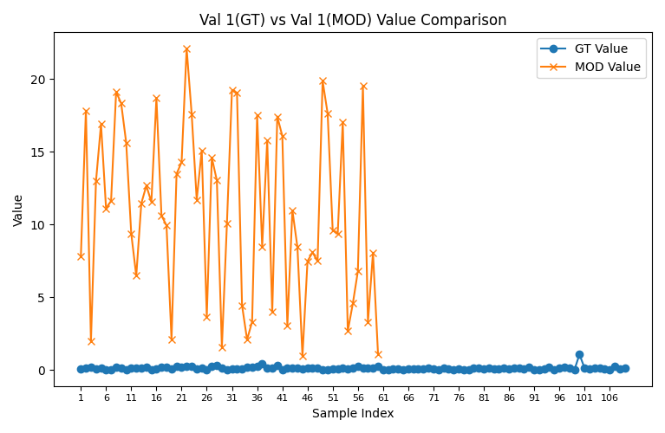
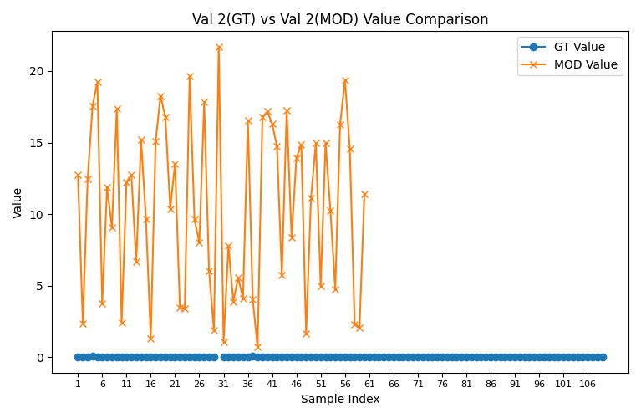
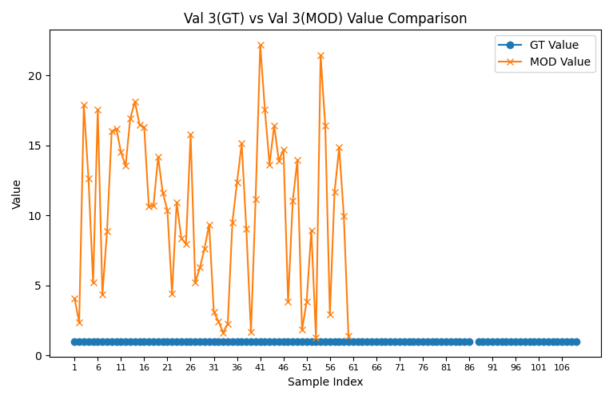
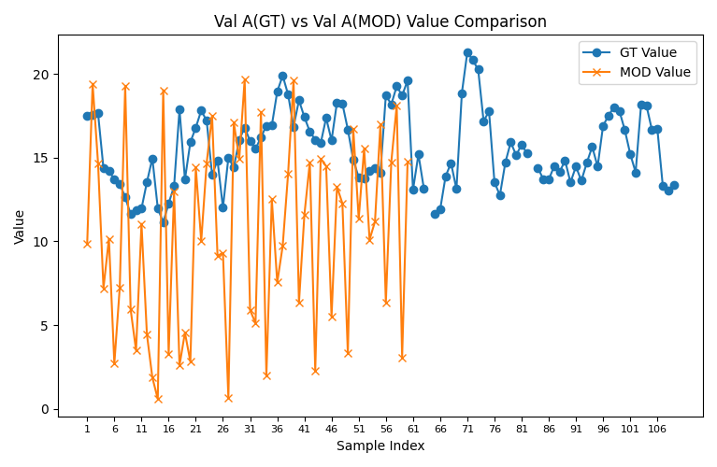
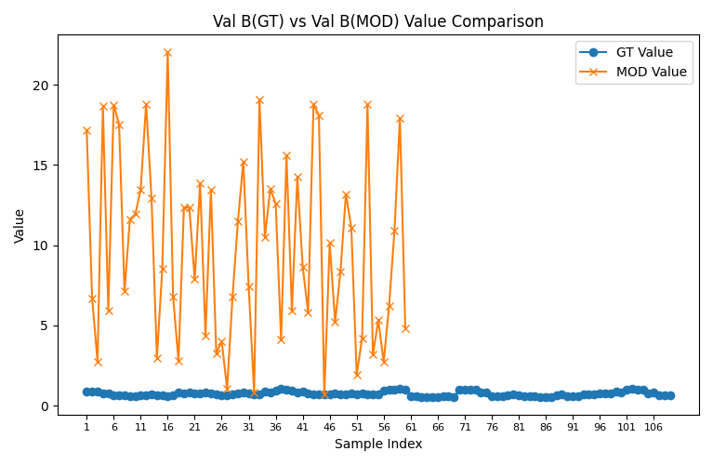
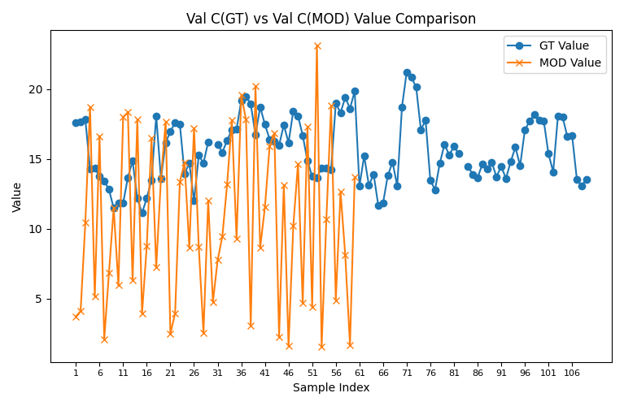
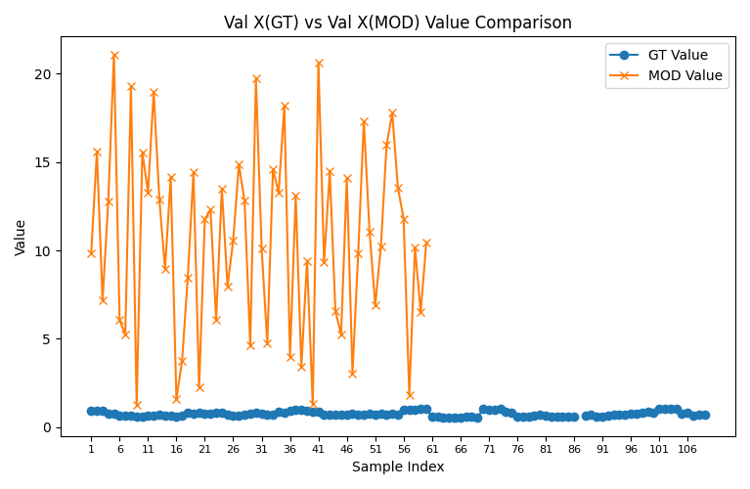
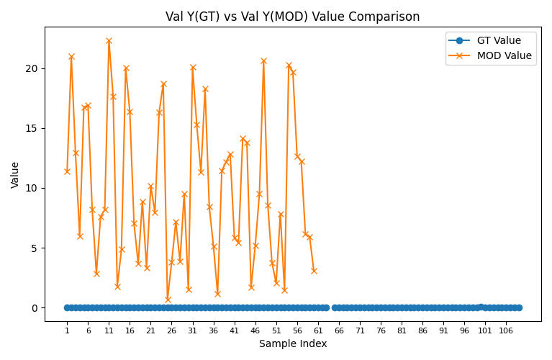
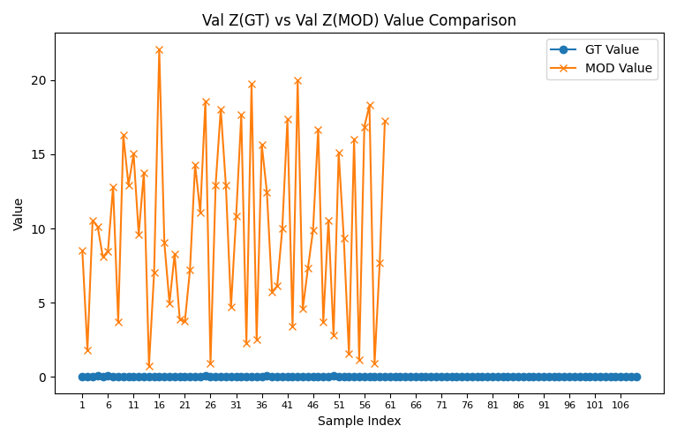
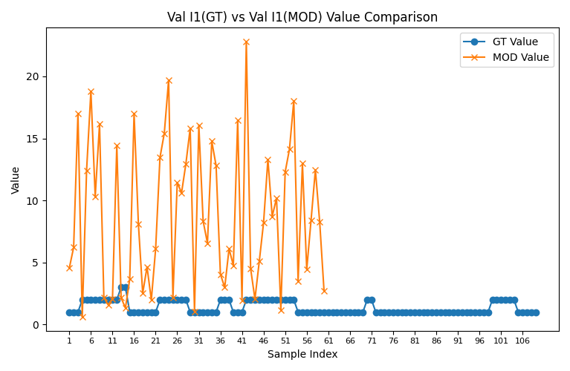
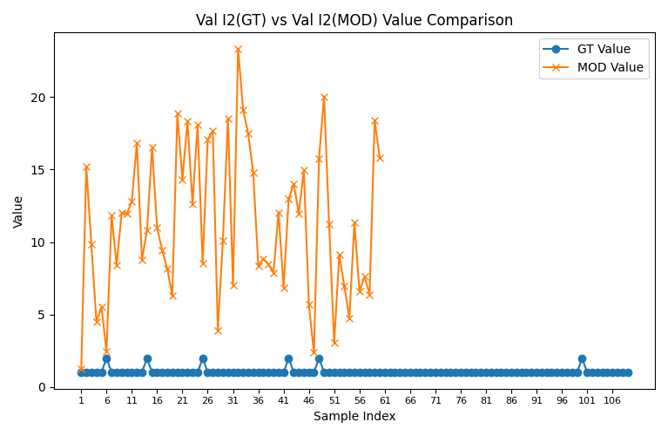
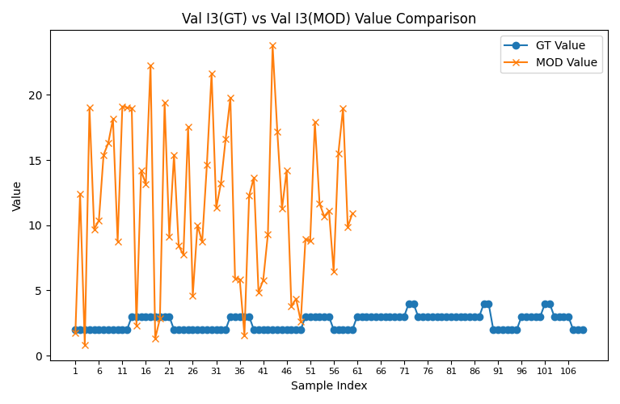
Comparison: Val 1 (GT) vs Val 1 (MOD) |  |  |  |  |  | Comparison: Val 2 (GT) vs Val 2 (MOD) |  |  |  |  |  | Comparison: Val 3 (GT) vs Val 3 (MOD) |  |  |  |  |  | Comparison: Val A (GT) vs Val A (MOD) |  |  |  |  |  | Comparison: Val B (GT) vs Val B (MOD) |  |  |  |  |  | Comparison: Val C (GT) vs Val C (MOD) |  |  |  |  |  | Comparison: Val X (GT) vs Val X (MOD) |  |  |  |  |  | Comparison: Val Y (GT) vs Val Y (MOD) |  |  |  |  |  | Comparison: Val Z (GT) vs Val Z (MOD) |  |  |  |  |  | Comparison: Val I1 (GT) vs Val I1 (MOD) |  |  |  |  |  | Comparison: Val I2 (GT) vs Val I2 (MOD) |  |  |  |  |  | Comparison: Val I3 (GT) vs Val I3 (MOD)
CaseName | GT Value | MOD Value | % Difference | % Threshold | Issue | CaseName | GT Value | MOD Value | % Difference | % Threshold | Issue | CaseName | GT Value | MOD Value | % Difference | % Threshold | Issue | CaseName | GT Value | MOD Value | % Difference | % Threshold | Issue | CaseName | GT Value | MOD Value | % Difference | % Threshold | Issue | CaseName | GT Value | MOD Value | % Difference | % Threshold | Issue | CaseName | GT Value | MOD Value | % Difference | % Threshold | Issue | CaseName | GT Value | MOD Value | % Difference | % Threshold | Issue | CaseName | GT Value | MOD Value | % Difference | % Threshold | Issue | CaseName | GT Value | MOD Value | % Difference | % Threshold | Issue | CaseName | GT Value | MOD Value | % Difference | % Threshold | Issue | CaseName | GT Value | MOD Value | % Difference | % Threshold | Issue
Case 1 | 0.100332 | 7.803532 | 7677.71 | 5 | above threshold | Case 1 | 0 | 12.741106 |  | 5 | above threshold | Case 1 | 0.98787 | 4.060676 | 311.05 | 15 | above threshold | Case 1 | 17.503025 | 9.878026 | 43.56 | 1 | above threshold | Case 1 | 0.909522 | 17.17947 | 1788.85 | 5 | above threshold | Case 1 | 17.603357 | 3.728805 | 78.82 | 1 | above threshold | Case 1 | 0.909522 | 9.836476 | 981.5 | 5 | above threshold | Case 1 | 0.0057 | 11.397581 | 199857.56 | 25 | above threshold | Case 1 | 0 | 8.516016 |  | 12 | above threshold | Case 1 | 1 | 4.556053 | 355.61 | 20 | above threshold | Case 1 | 1 | 1.220514 | 22.05 | 10 | above threshold | Case 1 | 2 | 1.768506 | 11.57 | 5 | above threshold
Case 2 | 0.105011 | 17.819112 | 16868.81 | 5 | above threshold | Case 2 | 0 | 2.347042 |  | 5 | above threshold | Case 2 | 0.989608 | 2.343409 | 136.8 | 15 | above threshold | Case 2 | 17.565409 | 19.416974 | 10.54 | 1 | above threshold | Case 2 | 0.909522 | 6.701277 | 636.79 | 5 | above threshold | Case 2 | 17.67042 | 4.104662 | 76.77 | 1 | above threshold | Case 2 | 0.909522 | 15.61509 | 1616.85 | 5 | above threshold | Case 2 | 0.005943 | 20.978044 | 352887.45 | 25 | above threshold | Case 2 | 0 | 1.820746 |  | 12 | above threshold | Case 2 | 1 | 6.217992 | 521.8 | 20 | above threshold | Case 2 | 1 | 15.200496 | 1420.05 | 10 | above threshold | Case 2 | 2 | 12.422222 | 521.11 | 5 | above threshold
Case 3 | 0.181429 | 1.953738 | 976.86 | 5 | above threshold | Case 3 | 0 | 12.481385 |  | 5 | above threshold | Case 3 | 0.990798 | 17.903922 | 1707.02 | 15 | above threshold | Case 3 | 17.639748 | 14.660008 | 16.89 | 1 | above threshold | Case 3 | 0.909522 | 2.759447 | 203.4 | 5 | above threshold | Case 3 | 17.821177 | 10.445166 | 41.39 | 1 | above threshold | Case 3 | 0.909522 | 7.167024 | 688 | 5 | above threshold | Case 3 | 0.010181 | 12.932371 | 126924.57 | 25 | above threshold | Case 3 | 0 | 10.536279 |  | 12 | above threshold | Case 3 | 1 | 16.997455 | 1599.75 | 20 | above threshold | Case 3 | 1 | 9.835439 | 883.54 | 10 | above threshold | Case 3 | 2 | 0.809056 | 59.55 | 5 | above threshold
Case 4 | 0.085756 | 12.954262 | 15005.95 | 5 | above threshold | Case 4 | 0.043437 | 17.545222 | 40292.34 | 5 | above threshold | Case 4 | 0.987276 | 12.655659 | 1181.88 | 15 | above threshold | Case 4 | 14.359983 | 7.207236 | 49.81 | 1 | above threshold | Case 4 | 0.781869 | 18.674082 | 2288.39 | 5 | above threshold | Case 4 | 14.274227 | 18.710929 | 31.08 | 1 | above threshold | Case 4 | 0.738432 | 12.762696 | 1628.35 | 5 | above threshold | Case 4 | 0.006008 | 5.971818 | 99297.77 | 25 | above threshold | Case 4 | 0.058823 | 10.102501 | 17074.41 | 12 | above threshold | Case 4 | 2 | 0.61457 | 69.27 | 20 | above threshold | Case 4 | 1 | 4.517303 | 351.73 | 10 | above threshold | Case 4 | 2 | 19.028697 | 851.43 | 5 | above threshold
Case 5 | 0.115921 | 16.890266 | 14470.5 | 5 | above threshold | Case 5 | 0.003103 | 19.246516 | 620155.11 | 5 | above threshold | Case 5 | 0.989815 | 5.187647 | 424.1 | 15 | above threshold | Case 5 | 14.208726 | 10.16426 | 28.46 | 1 | above threshold | Case 5 | 0.741535 | 5.933606 | 700.18 | 5 | above threshold | Case 5 | 14.324647 | 5.149639 | 64.05 | 1 | above threshold | Case 5 | 0.738432 | 21.078002 | 2754.43 | 5 | above threshold | Case 5 | 0.008092 | 16.752975 | 206931.33 | 25 | above threshold | Case 5 | 0.004202 | 8.081535 | 192225.92 | 12 | above threshold | Case 5 | 2 | 12.41591 | 520.8 | 20 | above threshold | Case 5 | 1 | 5.514347 | 451.43 | 10 | above threshold | Case 5 | 2 | 9.6977 | 384.88 | 5 | above threshold
Case 6 | 0.040202 | 11.094717 | 27497.43 | 5 | above threshold | Case 6 | 0.0262 | 3.723446 | 14111.63 | 5 | above threshold | Case 6 | 0.981811 | 17.5732 | 1689.88 | 15 | above threshold | Case 6 | 13.713102 | 2.712734 | 80.22 | 1 | above threshold | Case 6 | 0.67372 | 18.734925 | 2680.82 | 5 | above threshold | Case 6 | 13.753304 | 16.630766 | 20.92 | 1 | above threshold | Case 6 | 0.647519 | 6.04489 | 833.55 | 5 | above threshold | Case 6 | 0.002923 | 16.895422 | 577916.49 | 25 | above threshold | Case 6 | 0.040463 | 8.470671 | 20834.36 | 12 | above threshold | Case 6 | 2 | 18.809347 | 840.47 | 20 | above threshold | Case 6 | 2 | 2.482008 | 24.1 | 10 | above threshold | Case 6 | 2 | 10.360563 | 418.03 | 5 | above threshold
Case 7 | 0.033271 | 11.615021 | 34810.35 | 5 | above threshold | Case 7 | 0.003743 | 11.881114 | 317322.23 | 5 | above threshold | Case 7 | 0.991106 | 4.361071 | 340.02 | 15 | above threshold | Case 7 | 13.444857 | 7.255007 | 46.04 | 1 | above threshold | Case 7 | 0.647519 | 17.52599 | 2606.64 | 5 | above threshold | Case 7 | 13.411586 | 2.10814 | 84.28 | 1 | above threshold | Case 7 | 0.643777 | 5.257798 | 716.71 | 5 | above threshold | Case 7 | 0.002481 | 8.165406 | 329017.53 | 25 | above threshold | Case 7 | 0.005814 | 12.820713 | 220414.5 | 12 | above threshold | Case 7 | 2 | 10.317313 | 415.87 | 20 | above threshold | Case 7 | 1 | 11.81214 | 1081.21 | 10 | above threshold | Case 7 | 2 | 15.392371 | 669.62 | 5 | above threshold
Case 8 | 0.178138 | 19.101607 | 10622.93 | 5 | above threshold | Case 8 | 0 | 9.040416 |  | 5 | above threshold | Case 8 | 0.986813 | 8.849591 | 796.79 | 15 | above threshold | Case 8 | 12.632495 | 19.29059 | 52.71 | 1 | above threshold | Case 8 | 0.658748 | 7.118437 | 980.6 | 5 | above threshold | Case 8 | 12.810633 | 6.831752 | 46.67 | 1 | above threshold | Case 8 | 0.658748 | 19.280618 | 2826.86 | 5 | above threshold | Case 8 | 0.013905 | 2.864402 | 20499.8 | 25 | above threshold | Case 8 | 0 | 3.719452 |  | 12 | above threshold | Case 8 | 2 | 16.155437 | 707.77 | 20 | above threshold | Case 8 | 1 | 8.439408 | 743.94 | 10 | above threshold | Case 8 | 2 | 16.297211 | 714.86 | 5 | above threshold
Case 9 | 0.154571 | 18.319295 | 11751.7 | 5 | above threshold | Case 9 | 0.018714 | 17.364737 | 92690.09 | 5 | above threshold | Case 9 | 0.988623 | 16.017957 | 1520.23 | 15 | above threshold | Case 9 | 11.625361 | 5.939291 | 48.91 | 1 | above threshold | Case 9 | 0.587633 | 11.614409 | 1876.47 | 5 | above threshold | Case 9 | 11.470791 | 11.4842 | 0.12 | 1 | within threshold | Case 9 | 0.568919 | 1.236022 | 117.26 | 5 | above threshold | Case 9 | 0.013475 | 7.590658 | 56231.41 | 25 | above threshold | Case 9 | 0.032895 | 16.277526 | 49383.28 | 12 | above threshold | Case 9 | 2 | 2.19142 | 9.57 | 20 | within threshold | Case 9 | 1 | 12.04102 | 1104.1 | 10 | above threshold | Case 9 | 2 | 18.146114 | 807.31 | 5 | above threshold
Case 10 | 0.036043 | 15.615398 | 43224.36 | 5 | above threshold | Case 10 | 0.003743 | 2.405551 | 64167.99 | 5 | above threshold | Case 10 | 0.989691 | 16.189717 | 1535.84 | 15 | above threshold | Case 10 | 11.888755 | 3.491692 | 70.63 | 1 | above threshold | Case 10 | 0.617576 | 11.92824 | 1831.46 | 5 | above threshold | Case 10 | 11.852712 | 5.958711 | 49.73 | 1 | above threshold | Case 10 | 0.613833 | 15.554353 | 2433.97 | 5 | above threshold | Case 10 | 0.003041 | 8.182012 | 268956.63 | 25 | above threshold | Case 10 | 0.006098 | 12.931742 | 211965.3 | 12 | above threshold | Case 10 | 2 | 1.59569 | 20.22 | 20 | above threshold | Case 10 | 1 | 11.933595 | 1093.36 | 10 | above threshold | Case 10 | 2 | 8.768009 | 338.4 | 5 | above threshold
Case 11 | 0.135163 | 9.375319 | 6836.31 | 5 | above threshold | Case 11 | 0.022457 | 12.238113 | 54395.76 | 5 | above threshold | Case 11 | 0.98881 | 14.515845 | 1368.01 | 15 | above threshold | Case 11 | 11.959455 | 11.052303 | 7.59 | 1 | above threshold | Case 11 | 0.658748 | 13.474141 | 1945.42 | 5 | above threshold | Case 11 | 11.824292 | 17.991985 | 52.16 | 1 | above threshold | Case 11 | 0.636291 | 13.282133 | 1987.43 | 5 | above threshold | Case 11 | 0.011431 | 22.33752 | 195311.77 | 25 | above threshold | Case 11 | 0.035294 | 15.027153 | 42477.08 | 12 | above threshold | Case 11 | 2 | 2.065264 | 3.26 | 20 | within threshold | Case 11 | 1 | 12.818028 | 1181.8 | 10 | above threshold | Case 11 | 2 | 19.110318 | 855.52 | 5 | above threshold
Case 12 | 0.126845 | 6.468036 | 4999.17 | 5 | above threshold | Case 12 | 0 | 12.764386 |  | 5 | above threshold | Case 12 | 0.98668 | 13.540576 | 1272.34 | 15 | above threshold | Case 12 | 13.541896 | 4.446106 | 67.17 | 1 | above threshold | Case 12 | 0.658748 | 18.800473 | 2753.97 | 5 | above threshold | Case 12 | 13.668741 | 18.33488 | 34.14 | 1 | above threshold | Case 12 | 0.658748 | 18.96896 | 2779.55 | 5 | above threshold | Case 12 | 0.00928 | 17.663295 | 190237.23 | 25 | above threshold | Case 12 | 0 | 9.607252 |  | 12 | above threshold | Case 12 | 2 | 14.448032 | 622.4 | 20 | above threshold | Case 12 | 1 | 16.842808 | 1584.28 | 10 | above threshold | Case 12 | 2 | 19.026208 | 851.31 | 5 | above threshold
Case 13 | 0.110556 | 11.441134 | 10248.72 | 5 | above threshold | Case 13 | 0.016178 | 6.646671 | 40984.63 | 5 | above threshold | Case 13 | 0.987743 | 16.928857 | 1613.89 | 15 | above threshold | Case 13 | 14.959352 | 1.875275 | 87.46 | 1 | above threshold | Case 13 | 0.695676 | 12.95518 | 1762.24 | 5 | above threshold | Case 13 | 14.848796 | 6.29426 | 57.61 | 1 | above threshold | Case 13 | 0.679497 | 12.900437 | 1798.53 | 5 | above threshold | Case 13 | 0.007445 | 1.774354 | 23732.83 | 25 | above threshold | Case 13 | 0.023809 | 13.758774 | 57688.12 | 12 | above threshold | Case 13 | 3 | 2.154335 | 28.19 | 20 | above threshold | Case 13 | 1 | 8.774 | 777.4 | 10 | above threshold | Case 13 | 3 | 18.971347 | 532.38 | 5 | above threshold
Case 14 | 0.188079 | 12.660079 | 6631.26 | 5 | above threshold | Case 14 | 0 | 15.179862 |  | 5 | above threshold | Case 14 | 0.984063 | 18.120298 | 1741.38 | 15 | above threshold | Case 14 | 11.981098 | 0.593364 | 95.05 | 1 | above threshold | Case 14 | 0.634197 | 2.985077 | 370.69 | 5 | above threshold | Case 14 | 12.169177 | 17.829761 | 46.52 | 1 | above threshold | Case 14 | 0.634197 | 8.961476 | 1313.04 | 5 | above threshold | Case 14 | 0.015455 | 4.860119 | 31346.9 | 25 | above threshold | Case 14 | 0 | 0.737012 |  | 12 | above threshold | Case 14 | 3 | 1.341618 | 55.28 | 20 | above threshold | Case 14 | 2 | 10.790172 | 439.51 | 10 | above threshold | Case 14 | 3 | 2.30303 | 23.23 | 5 | above threshold
Case 15 | 0.011243 | 11.538244 | 102526.03 | 5 | above threshold | Case 15 | 0.003519 | 9.679343 | 274959.48 | 5 | above threshold | Case 15 | 0.991773 | 16.489157 | 1562.59 | 15 | above threshold | Case 15 | 11.138244 | 19.033024 | 70.88 | 1 | above threshold | Case 15 | 0.633498 | 8.549568 | 1249.58 | 5 | above threshold | Case 15 | 11.127001 | 3.92385 | 64.74 | 1 | above threshold | Case 15 | 0.629978 | 14.135864 | 2143.87 | 5 | above threshold | Case 15 | 0.00101 | 20.015998 | 1981681.98 | 25 | above threshold | Case 15 | 0.005587 | 7.018734 | 125526.17 | 12 | above threshold | Case 15 | 1 | 3.67103 | 267.1 | 20 | above threshold | Case 15 | 1 | 16.539476 | 1553.95 | 10 | above threshold | Case 15 | 3 | 14.172385 | 372.41 | 5 | above threshold
Case 16 | 0.08652 | 18.688205 | 21499.87 | 5 | above threshold | Case 16 | 0.003519 | 1.313485 | 37225.52 | 5 | above threshold | Case 16 | 0.991776 | 16.30579 | 1544.1 | 15 | above threshold | Case 16 | 12.266928 | 3.269563 | 73.35 | 1 | above threshold | Case 16 | 0.591264 | 22.040566 | 3627.7 | 5 | above threshold | Case 16 | 12.180408 | 8.765818 | 28.03 | 1 | above threshold | Case 16 | 0.587745 | 1.599322 | 172.11 | 5 | above threshold | Case 16 | 0.007103 | 16.35157 | 230106.53 | 25 | above threshold | Case 16 | 0.005988 | 22.079261 | 368625.13 | 12 | above threshold | Case 16 | 1 | 17.010566 | 1601.06 | 20 | above threshold | Case 16 | 1 | 10.972067 | 997.21 | 10 | above threshold | Case 16 | 3 | 13.166574 | 338.89 | 5 | above threshold
Case 17 | 0.197483 | 10.613019 | 5274.14 | 5 | above threshold | Case 17 | 0 | 15.076619 |  | 5 | above threshold | Case 17 | 0.98722 | 10.643188 | 978.1 | 15 | above threshold | Case 17 | 13.29296 | 12.95896 | 2.51 | 1 | above threshold | Case 17 | 0.647575 | 6.790673 | 948.63 | 5 | above threshold | Case 17 | 13.490443 | 16.468037 | 22.07 | 1 | above threshold | Case 17 | 0.647575 | 3.74931 | 478.98 | 5 | above threshold | Case 17 | 0.014639 | 7.020239 | 47855.73 | 25 | above threshold | Case 17 | 0 | 9.030761 |  | 12 | above threshold | Case 17 | 1 | 8.118225 | 711.82 | 20 | above threshold | Case 17 | 1 | 9.42586 | 842.59 | 10 | above threshold | Case 17 | 3 | 22.260389 | 642.01 | 5 | above threshold
Case 18 | 0.183222 | 9.931237 | 5320.33 | 5 | above threshold | Case 18 | 0 | 18.267319 |  | 5 | above threshold | Case 18 | 0.987167 | 10.671031 | 980.98 | 15 | above threshold | Case 18 | 17.883265 | 2.593606 | 85.5 | 1 | above threshold | Case 18 | 0.817886 | 2.799029 | 242.23 | 5 | above threshold | Case 18 | 18.066486 | 7.240512 | 59.92 | 1 | above threshold | Case 18 | 0.817886 | 8.465315 | 935.02 | 5 | above threshold | Case 18 | 0.010142 | 3.686874 | 36252.53 | 25 | above threshold | Case 18 | 0 | 4.956501 |  | 12 | above threshold | Case 18 | 1 | 2.517338 | 151.73 | 20 | above threshold | Case 18 | 1 | 8.182311 | 718.23 | 10 | above threshold | Case 18 | 3 | 1.331386 | 55.62 | 5 | above threshold
Case 19 | 0.096904 | 2.094301 | 2061.21 | 5 | above threshold | Case 19 | 0.004397 | 16.809743 | 382200.27 | 5 | above threshold | Case 19 | 0.991231 | 14.173981 | 1329.94 | 15 | above threshold | Case 19 | 13.69685 | 4.553944 | 66.75 | 1 | above threshold | Case 19 | 0.778311 | 12.367803 | 1489.06 | 5 | above threshold | Case 19 | 13.599946 | 13.58281 | 0.13 | 1 | within threshold | Case 19 | 0.773914 | 14.410317 | 1762 | 5 | above threshold | Case 19 | 0.007125 | 8.831335 | 123848.56 | 25 | above threshold | Case 19 | 0.005682 | 8.274305 | 145523.11 | 12 | above threshold | Case 19 | 1 | 4.64636 | 364.64 | 20 | above threshold | Case 19 | 1 | 6.312679 | 531.27 | 10 | above threshold | Case 19 | 3 | 2.835362 | 5.49 | 5 | above threshold
Case 20 | 0.245924 | 13.471756 | 5378.02 | 5 | above threshold | Case 20 | 0 | 10.371309 |  | 5 | above threshold | Case 20 | 0.987146 | 11.616915 | 1076.82 | 15 | above threshold | Case 20 | 15.923199 | 2.824182 | 82.26 | 1 | above threshold | Case 20 | 0.804694 | 12.341599 | 1433.7 | 5 | above threshold | Case 20 | 16.169123 | 17.6625 | 9.24 | 1 | above threshold | Case 20 | 0.804694 | 2.232265 | 177.41 | 5 | above threshold | Case 20 | 0.015209 | 3.320962 | 21735.51 | 25 | above threshold | Case 20 | 0 | 3.880785 |  | 12 | above threshold | Case 20 | 1 | 1.990562 | 99.06 | 20 | above threshold | Case 20 | 1 | 18.853267 | 1785.33 | 10 | above threshold | Case 20 | 3 | 19.404673 | 546.82 | 5 | above threshold
Case 21 | 0.163677 | 14.269596 | 8618.14 | 5 | above threshold | Case 21 | 0.004397 | 13.538543 | 307804.09 | 5 | above threshold | Case 21 | 0.987883 | 10.357376 | 948.44 | 15 | above threshold | Case 21 | 16.799406 | 14.411563 | 14.21 | 1 | above threshold | Case 21 | 0.765119 | 7.889704 | 931.17 | 5 | above threshold | Case 21 | 16.963083 | 2.507715 | 85.22 | 1 | above threshold | Case 21 | 0.760722 | 11.744869 | 1443.91 | 5 | above threshold | Case 21 | 0.009649 | 10.174037 | 105341.36 | 25 | above threshold | Case 21 | 0.00578 | 3.732769 | 64480.78 | 12 | above threshold | Case 21 | 1 | 6.119906 | 511.99 | 20 | above threshold | Case 21 | 1 | 14.31682 | 1331.68 | 10 | above threshold | Case 21 | 3 | 9.109602 | 203.65 | 5 | above threshold
Case 22 | 0.228008 | 22.090421 | 9588.44 | 5 | above threshold | Case 22 | 0.017589 | 3.436443 | 19437.46 | 5 | above threshold | Case 22 | 0.99068 | 4.423121 | 346.47 | 15 | above threshold | Case 22 | 17.817305 | 10.01604 | 43.78 | 1 | above threshold | Case 22 | 0.7959 | 13.854073 | 1640.68 | 5 | above threshold | Case 22 | 17.589296 | 3.947885 | 77.56 | 1 | above threshold | Case 22 | 0.778311 | 12.31416 | 1482.16 | 5 | above threshold | Case 22 | 0.012963 | 7.954194 | 61260.75 | 25 | above threshold | Case 22 | 0.022599 | 7.22671 | 31878.01 | 12 | above threshold | Case 22 | 2 | 13.463263 | 573.16 | 20 | above threshold | Case 22 | 1 | 18.356011 | 1735.6 | 10 | above threshold | Case 22 | 2 | 15.39087 | 669.54 | 5 | above threshold
Case 23 | 0.273611 | 17.583452 | 6326.44 | 5 | above threshold | Case 23 | 0 | 3.370258 |  | 5 | above threshold | Case 23 | 0.986497 | 10.902491 | 1005.17 | 15 | above threshold | Case 23 | 17.208195 | 14.681882 | 14.68 | 1 | above threshold | Case 23 | 0.817886 | 4.34813 | 431.63 | 5 | above threshold | Case 23 | 17.481806 | 13.362978 | 23.56 | 1 | above threshold | Case 23 | 0.817886 | 6.053793 | 640.18 | 5 | above threshold | Case 23 | 0.015651 | 16.307134 | 104092.28 | 25 | above threshold | Case 23 | 0 | 14.30935 |  | 12 | above threshold | Case 23 | 2 | 15.40732 | 670.37 | 20 | above threshold | Case 23 | 1 | 12.638893 | 1163.89 | 10 | above threshold | Case 23 | 2 | 8.42412 | 321.21 | 5 | above threshold
Case 24 | 0.055373 | 11.69565 | 21021.58 | 5 | above threshold | Case 24 | 0.004397 | 19.626407 | 446259.04 | 5 | above threshold | Case 24 | 0.991029 | 8.366947 | 744.27 | 15 | above threshold | Case 24 | 13.980232 | 17.506416 | 25.22 | 1 | above threshold | Case 24 | 0.7959 | 13.466991 | 1592.05 | 5 | above threshold | Case 24 | 13.924859 | 14.727253 | 5.76 | 1 | above threshold | Case 24 | 0.791503 | 13.497176 | 1605.26 | 5 | above threshold | Case 24 | 0.003977 | 18.720157 | 470610.51 | 25 | above threshold | Case 24 | 0.005556 | 11.093303 | 199563.48 | 12 | above threshold | Case 24 | 2 | 19.69642 | 884.82 | 20 | above threshold | Case 24 | 1 | 18.100555 | 1710.06 | 10 | above threshold | Case 24 | 2 | 7.73469 | 286.73 | 5 | above threshold
Case 25 | 0.140062 | 15.079671 | 10666.43 | 5 | above threshold | Case 25 | 0.030781 | 9.652213 | 31257.7 | 5 | above threshold | Case 25 | 0.98493 | 7.942856 | 706.44 | 15 | above threshold | Case 25 | 14.845039 | 9.140978 | 38.42 | 1 | above threshold | Case 25 | 0.707955 | 3.244592 | 358.3 | 5 | above threshold | Case 25 | 14.704977 | 8.669046 | 41.05 | 1 | above threshold | Case 25 | 0.677174 | 7.967002 | 1076.51 | 5 | above threshold | Case 25 | 0.009525 | 0.658065 | 6808.82 | 25 | above threshold | Case 25 | 0.045454 | 18.583789 | 40784.83 | 12 | above threshold | Case 25 | 2 | 2.164319 | 8.22 | 20 | within threshold | Case 25 | 2 | 8.510404 | 325.52 | 10 | above threshold | Case 25 | 2 | 17.532335 | 776.62 | 5 | above threshold
Case 26 | 0.021173 | 3.665971 | 17214.37 | 5 | above threshold | Case 26 | 0 | 8.019333 |  | 5 | above threshold | Case 26 | 0.990375 | 15.775206 | 1492.85 | 15 | above threshold | Case 26 | 12.016095 | 9.311842 | 22.51 | 1 | above threshold | Case 26 | 0.637599 | 4.037619 | 533.25 | 5 | above threshold | Case 26 | 11.994923 | 17.211565 | 43.49 | 1 | above threshold | Case 26 | 0.637599 | 10.578991 | 1559.19 | 5 | above threshold | Case 26 | 0.001765 | 3.770328 | 213516.32 | 25 | above threshold | Case 26 | 0 | 0.91775 |  | 12 | above threshold | Case 26 | 2 | 11.447957 | 472.4 | 20 | above threshold | Case 26 | 1 | 17.081949 | 1608.19 | 10 | above threshold | Case 26 | 2 | 4.616057 | 130.8 | 5 | above threshold
Case 27 | 0.236967 | 14.584205 | 6054.53 | 5 | above threshold | Case 27 | 0 | 17.811376 |  | 5 | above threshold | Case 27 | 0.985804 | 5.210153 | 428.52 | 15 | above threshold | Case 27 | 15.004646 | 0.66549 | 95.56 | 1 | above threshold | Case 27 | 0.637599 | 1.051172 | 64.86 | 5 | above threshold | Case 27 | 15.241613 | 8.717779 | 42.8 | 1 | above threshold | Case 27 | 0.637599 | 14.858104 | 2230.32 | 5 | above threshold | Case 27 | 0.015547 | 7.170712 | 46022.8 | 25 | above threshold | Case 27 | 0 | 12.934698 |  | 12 | above threshold | Case 27 | 2 | 10.619701 | 430.99 | 20 | above threshold | Case 27 | 1 | 17.658648 | 1665.86 | 10 | above threshold | Case 27 | 2 | 10.004908 | 400.25 | 5 | above threshold
Case 28 | 0.293156 | 13.022419 | 4342.15 | 5 | above threshold | Case 28 | 0.004397 | 6.045632 | 137394.47 | 5 | above threshold | Case 28 | 0.98526 | 6.269516 | 536.33 | 15 | above threshold | Case 28 | 14.41345 | 17.109221 | 18.7 | 1 | above threshold | Case 28 | 0.681572 | 6.772822 | 893.71 | 5 | above threshold | Case 28 | 14.706606 | 2.543436 | 82.71 | 1 | above threshold | Case 28 | 0.677174 | 12.797758 | 1789.88 | 5 | above threshold | Case 28 | 0.019934 | 3.867947 | 19303.77 | 25 | above threshold | Case 28 | 0.006493 | 18.050364 | 277897.29 | 12 | above threshold | Case 28 | 2 | 12.951604 | 547.58 | 20 | above threshold | Case 28 | 1 | 3.91974 | 291.97 | 10 | above threshold | Case 28 | 2 | 8.731602 | 336.58 | 5 | above threshold
Case 29 | 0.133877 | 1.550643 | 1058.26 | 5 | above threshold | Case 29 | 0.003103 | 1.899183 | 61104.74 | 5 | above threshold | Case 29 | 0.989535 | 7.624148 | 670.48 | 15 | above threshold | Case 29 | 16.076103 | 14.90711 | 7.27 | 1 | above threshold | Case 29 | 0.741535 | 11.492382 | 1449.81 | 5 | above threshold | Case 29 | 16.20998 | 12.012544 | 25.89 | 1 | above threshold | Case 29 | 0.738432 | 4.606804 | 523.86 | 5 | above threshold | Case 29 | 0.008259 | 9.50424 | 114977.37 | 25 | above threshold | Case 29 | 0.004202 | 12.89307 | 306731.75 | 12 | above threshold | Case 29 | 1 | 15.807463 | 1480.75 | 20 | above threshold | Case 29 | 1 | 10.125238 | 912.52 | 10 | above threshold | Case 29 | 2 | 14.622262 | 631.11 | 5 | above threshold
Case 30 | 0.037922 | 10.04754 | 26395.28 | 5 | above threshold | Case 30 |  | 21.699131 |  | 5 | GT is NaN | Case 30 | 0.990869 | 9.35126 | 843.74 | 15 | above threshold | Case 30 | 16.790302 | 19.671124 | 17.16 | 1 | above threshold | Case 30 | 0.800485 | 15.21046 | 1800.16 | 5 | above threshold | Case 30 |  | 4.769848 |  | 1 | GT is NaN | Case 30 | 0.797383 | 19.759526 | 2378.05 | 5 | above threshold | Case 30 | 0.002264 | 1.484649 | 65476.37 | 25 | above threshold | Case 30 | 0.003891 | 4.689527 | 120422.41 | 12 | above threshold | Case 30 | 1 | 1.067759 | 6.78 | 20 | within threshold | Case 30 | 1 | 18.525726 | 1752.57 | 10 | above threshold | Case 30 | 2 | 21.65215 | 982.61 | 5 | above threshold
Case 31 | 0.04181 | 19.201222 | 45824.95 | 5 | above threshold | Case 31 | 0.002509 | 1.089715 | 43332.24 | 5 | above threshold | Case 31 | 0.987478 | 3.074906 | 211.39 | 15 | above threshold | Case 31 | 15.995454 | 5.888382 | 63.19 | 1 | above threshold | Case 31 | 0.780153 | 7.421271 | 851.26 | 5 | above threshold | Case 31 | 16.037264 | 7.752514 | 51.66 | 1 | above threshold | Case 31 | 0.777645 | 10.129561 | 1202.59 | 5 | above threshold | Case 31 | 0.002607 | 20.084883 | 770321.29 | 25 | above threshold | Case 31 | 0.003226 | 10.814274 | 335122.38 | 12 | above threshold | Case 31 | 1 | 16.076273 | 1507.63 | 20 | above threshold | Case 31 | 1 | 7.050993 | 605.1 | 10 | above threshold | Case 31 | 2 | 11.330995 | 466.55 | 5 | above threshold
Case 32 | 0.049243 | 19.041971 | 38569.4 | 5 | above threshold | Case 32 | 0.002508 | 7.805686 | 311131.5 | 5 | above threshold | Case 32 | 0.99214 | 2.428357 | 144.76 | 15 | above threshold | Case 32 | 15.520218 | 5.128111 | 66.96 | 1 | above threshold | Case 32 | 0.689846 | 0.848542 | 23 | 5 | above threshold | Case 32 | 15.470975 | 9.476922 | 38.74 | 1 | above threshold | Case 32 | 0.687337 | 4.755951 | 591.94 | 5 | above threshold | Case 32 | 0.003183 | 15.311726 | 480947 | 25 | above threshold | Case 32 | 0.00365 | 17.642807 | 483264.58 | 12 | above threshold | Case 32 | 1 | 8.333831 | 733.38 | 20 | above threshold | Case 32 | 1 | 23.339145 | 2233.91 | 10 | above threshold | Case 32 | 2 | 13.234943 | 561.75 | 5 | above threshold
Case 33 | 0.100344 | 4.439251 | 4324.03 | 5 | above threshold | Case 33 | 0 | 3.887621 |  | 5 | above threshold | Case 33 | 0.987755 | 1.627932 | 64.81 | 15 | above threshold | Case 33 | 16.218439 | 17.733825 | 9.34 | 1 | above threshold | Case 33 | 0.722457 | 19.07476 | 2540.26 | 5 | above threshold | Case 33 | 16.318783 | 13.16948 | 19.3 | 1 | above threshold | Case 33 | 0.722457 | 14.596023 | 1920.33 | 5 | above threshold | Case 33 | 0.006149 | 11.322452 | 184034.85 | 25 | above threshold | Case 33 | 0 | 2.283993 |  | 12 | above threshold | Case 33 | 1 | 6.562312 | 556.23 | 20 | above threshold | Case 33 | 1 | 19.135204 | 1813.52 | 10 | above threshold | Case 33 | 2 | 16.61686 | 730.84 | 5 | above threshold
Case 34 | 0.164436 | 2.084399 | 1167.61 | 5 | above threshold | Case 34 | 0.003684 | 5.556018 | 150714.82 | 5 | above threshold | Case 34 | 0.987852 | 2.232902 | 126.04 | 15 | above threshold | Case 34 | 16.91312 | 1.984552 | 88.27 | 1 | above threshold | Case 34 | 0.880573 | 10.530731 | 1095.9 | 5 | above threshold | Case 34 | 17.077557 | 17.761973 | 4.01 | 1 | above threshold | Case 34 | 0.876888 | 13.278283 | 1414.25 | 5 | above threshold | Case 34 | 0.009629 | 18.300515 | 189956.24 | 25 | above threshold | Case 34 | 0.004202 | 19.759499 | 470140.34 | 12 | above threshold | Case 34 | 1 | 14.769695 | 1376.97 | 20 | above threshold | Case 34 | 1 | 17.490313 | 1649.03 | 10 | above threshold | Case 34 | 3 | 19.78179 | 559.39 | 5 | above threshold
Case 35 | 0.204693 | 3.306435 | 1515.31 | 5 | above threshold | Case 35 | 0.003684 | 4.117717 | 111672.99 | 5 | above threshold | Case 35 | 0.988755 | 9.510072 | 861.82 | 15 | above threshold | Case 35 | 16.91926 | 12.530075 | 25.94 | 1 | above threshold | Case 35 | 0.814253 | 13.507565 | 1558.89 | 5 | above threshold | Case 35 | 17.123953 | 9.295758 | 45.71 | 1 | above threshold | Case 35 | 0.810569 | 18.180971 | 2142.99 | 5 | above threshold | Case 35 | 0.011954 | 8.40496 | 70210.86 | 25 | above threshold | Case 35 | 0.004545 | 2.49894 | 54882.18 | 12 | above threshold | Case 35 | 1 | 12.806033 | 1180.6 | 20 | above threshold | Case 35 | 1 | 14.779678 | 1377.97 | 10 | above threshold | Case 35 | 3 | 5.928331 | 97.61 | 5 | above threshold
Case 36 | 0.233313 | 17.494968 | 7398.5 | 5 | above threshold | Case 36 | 0.003743 | 16.523606 | 441353.54 | 5 | above threshold | Case 36 | 0.987888 | 12.364179 | 1151.58 | 15 | above threshold | Case 36 | 18.947495 | 7.547032 | 60.17 | 1 | above threshold | Case 36 | 0.943208 | 12.572482 | 1232.95 | 5 | above threshold | Case 36 | 19.180807 | 19.556114 | 1.96 | 1 | above threshold | Case 36 | 0.939465 | 3.976591 | 323.28 | 5 | above threshold | Case 36 | 0.012164 | 5.151928 | 42253.9 | 25 | above threshold | Case 36 | 0.003984 | 15.654884 | 392843.88 | 12 | above threshold | Case 36 | 2 | 4.057043 | 102.85 | 20 | above threshold | Case 36 | 1 | 8.328939 | 732.89 | 10 | above threshold | Case 36 | 3 | 5.847196 | 94.91 | 5 | above threshold
Case 37 | 0.426075 | 8.482013 | 1890.73 | 5 | above threshold | Case 37 | 0.044915 | 4.049362 | 8915.61 | 5 | above threshold | Case 37 | 0.988078 | 15.132408 | 1431.5 | 15 | above threshold | Case 37 | 19.90008 | 9.727593 | 51.12 | 1 | above threshold | Case 37 | 1.029294 | 4.117748 | 300.06 | 5 | above threshold | Case 37 | 19.474005 | 17.801104 | 8.59 | 1 | above threshold | Case 37 | 0.984379 | 13.077291 | 1228.48 | 5 | above threshold | Case 37 | 0.021879 | 1.134261 | 5084.25 | 25 | above threshold | Case 37 | 0.045627 | 12.43211 | 27147.27 | 12 | above threshold | Case 37 | 2 | 2.994416 | 49.72 | 20 | above threshold | Case 37 | 1 | 8.861072 | 786.11 | 10 | above threshold | Case 37 | 3 | 1.590178 | 46.99 | 5 | above threshold
Case 38 | 0.157827 | 15.764873 | 9888.7 | 5 | above threshold | Case 38 | 0 | 0.695355 |  | 5 | above threshold | Case 38 | 0.986491 | 9.037224 | 816.1 | 15 | above threshold | Case 38 | 18.770329 | 14.052147 | 25.14 | 1 | above threshold | Case 38 | 0.976894 | 15.584623 | 1495.32 | 5 | above threshold | Case 38 | 18.928156 | 3.041783 | 83.93 | 1 | above threshold | Case 38 | 0.976894 | 3.43362 | 251.48 | 5 | above threshold | Case 38 | 0.008338 | 11.413944 | 136790.67 | 25 | above threshold | Case 38 | 0 | 5.734113 |  | 12 | above threshold | Case 38 | 2 | 6.100399 | 205.02 | 20 | above threshold | Case 38 | 1 | 8.462619 | 746.26 | 10 | above threshold | Case 38 | 3 | 12.272057 | 309.07 | 5 | above threshold
Case 39 | 0.148472 | 3.971424 | 2574.86 | 5 | above threshold | Case 39 | 0.00524 | 16.767271 | 319886.09 | 5 | above threshold | Case 39 | 0.988657 | 1.64 | 65.88 | 15 | above threshold | Case 39 | 16.850954 | 19.594051 | 16.28 | 1 | above threshold | Case 39 | 0.943208 | 5.923567 | 528.02 | 5 | above threshold | Case 39 | 16.702482 | 20.226986 | 21.1 | 1 | above threshold | Case 39 | 0.937968 | 9.418638 | 904.15 | 5 | above threshold | Case 39 | 0.008889 | 12.16926 | 136802.46 | 25 | above threshold | Case 39 | 0.005587 | 6.109447 | 109251.12 | 12 | above threshold | Case 39 | 1 | 4.774673 | 377.47 | 20 | above threshold | Case 39 | 1 | 7.888674 | 688.87 | 10 | above threshold | Case 39 | 2 | 13.640328 | 582.02 | 5 | above threshold
Case 40 | 0.288208 | 17.408022 | 5940.09 | 5 | above threshold | Case 40 | 0 | 17.16388 |  | 5 | above threshold | Case 40 | 0.988006 | 11.180327 | 1031.61 | 15 | above threshold | Case 40 | 18.42688 | 6.338672 | 65.6 | 1 | above threshold | Case 40 | 0.843647 | 14.2423 | 1588.18 | 5 | above threshold | Case 40 | 18.715088 | 8.659084 | 53.73 | 1 | above threshold | Case 40 | 0.843647 | 1.282129 | 51.97 | 5 | above threshold | Case 40 | 0.0154 | 12.84596 | 83315.32 | 25 | above threshold | Case 40 | 0 | 9.990044 |  | 12 | above threshold | Case 40 | 1 | 16.451161 | 1545.12 | 20 | above threshold | Case 40 | 1 | 12.050831 | 1105.08 | 10 | above threshold | Case 40 | 2 | 4.8504 | 142.52 | 5 | above threshold
Case 41 | 0.033964 | 16.073017 | 47223.69 | 5 | above threshold | Case 41 | 0 | 16.312706 |  | 5 | above threshold | Case 41 | 0.990927 | 22.198215 | 2140.15 | 15 | above threshold | Case 41 | 17.424458 | 11.597162 | 33.44 | 1 | above threshold | Case 41 | 0.890807 | 8.666363 | 872.87 | 5 | above threshold | Case 41 | 17.458422 | 11.537008 | 33.92 | 1 | above threshold | Case 41 | 0.890807 | 20.620039 | 2214.76 | 5 | above threshold | Case 41 | 0.001945 | 5.831098 | 299699.38 | 25 | above threshold | Case 41 | 0 | 17.362047 |  | 12 | above threshold | Case 41 | 1 | 1.948477 | 94.85 | 20 | above threshold | Case 41 | 1 | 6.876069 | 587.61 | 10 | above threshold | Case 41 | 2 | 5.792426 | 189.62 | 5 | above threshold
Case 42 | 0.153585 | 3.060968 | 1893.01 | 5 | above threshold | Case 42 | 0.027924 | 14.709047 | 52575.29 | 5 | above threshold | Case 42 | 0.981401 | 17.540413 | 1687.28 | 15 | above threshold | Case 42 | 16.555588 | 14.725393 | 11.05 | 1 | above threshold | Case 42 | 0.741535 | 5.831933 | 686.47 | 5 | above threshold | Case 42 | 16.402002 | 15.927548 | 2.89 | 1 | above threshold | Case 42 | 0.713611 | 9.317881 | 1205.74 | 5 | above threshold | Case 42 | 0.009364 | 5.442869 | 58025.47 | 25 | above threshold | Case 42 | 0.039131 | 3.392692 | 8570.09 | 12 | above threshold | Case 42 | 2 | 22.811383 | 1040.57 | 20 | above threshold | Case 42 | 2 | 12.962839 | 548.14 | 10 | above threshold | Case 42 | 2 | 9.325636 | 366.28 | 5 | above threshold
Case 43 | 0.15979 | 10.964986 | 6762.12 | 5 | above threshold | Case 43 | 0 | 5.7289 |  | 5 | above threshold | Case 43 | 0.99053 | 13.631932 | 1276.23 | 15 | above threshold | Case 43 | 16.072598 | 2.278615 | 85.82 | 1 | above threshold | Case 43 | 0.698098 | 18.771668 | 2588.97 | 5 | above threshold | Case 43 | 16.232388 | 16.843248 | 3.76 | 1 | above threshold | Case 43 | 0.698098 | 14.474953 | 1973.48 | 5 | above threshold | Case 43 | 0.009844 | 14.166942 | 143814.49 | 25 | above threshold | Case 43 | 0 | 19.970537 |  | 12 | above threshold | Case 43 | 2 | 4.50589 | 125.29 | 20 | above threshold | Case 43 | 1 | 14.032406 | 1303.24 | 10 | above threshold | Case 43 | 2 | 23.803779 | 1090.19 | 5 | above threshold
Case 44 | 0.123591 | 8.434705 | 6724.69 | 5 | above threshold | Case 44 | 0.003103 | 17.259369 | 556115.57 | 5 | above threshold | Case 44 | 0.989523 | 16.411218 | 1558.5 | 15 | above threshold | Case 44 | 15.857476 | 14.936307 | 5.81 | 1 | above threshold | Case 44 | 0.685687 | 18.098798 | 2539.51 | 5 | above threshold | Case 44 | 15.981068 | 2.281812 | 85.72 | 1 | above threshold | Case 44 | 0.682584 | 6.545791 | 858.97 | 5 | above threshold | Case 44 | 0.007734 | 13.77303 | 177984.17 | 25 | above threshold | Case 44 | 0.004545 | 4.572238 | 100499.3 | 12 | above threshold | Case 44 | 2 | 2.057001 | 2.85 | 20 | within threshold | Case 44 | 1 | 11.975141 | 1097.51 | 10 | above threshold | Case 44 | 2 | 17.190653 | 759.53 | 5 | above threshold
Case 45 | 0.041437 | 0.952098 | 2197.7 | 5 | above threshold | Case 45 | 0.017941 | 8.388296 | 46654.9 | 5 | above threshold | Case 45 | 0.98666 | 13.900818 | 1308.88 | 15 | above threshold | Case 45 | 17.374504 | 14.5034 | 16.52 | 1 | above threshold | Case 45 | 0.738162 | 0.687016 | 6.93 | 5 | above threshold | Case 45 | 17.415941 | 13.125757 | 24.63 | 1 | above threshold | Case 45 | 0.720221 | 5.247905 | 628.65 | 5 | above threshold | Case 45 | 0.002379 | 1.675214 | 70316.73 | 25 | above threshold | Case 45 | 0.024911 | 7.315068 | 29264.81 | 12 | above threshold | Case 45 | 2 | 5.08263 | 154.13 | 20 | above threshold | Case 45 | 1 | 14.939373 | 1393.94 | 10 | above threshold | Case 45 | 2 | 11.273587 | 463.68 | 5 | above threshold
Case 46 | 0.133282 | 7.471926 | 5506.1 | 5 | above threshold | Case 46 | 0.002563 | 13.920517 | 543033.71 | 5 | above threshold | Case 46 | 0.99104 | 14.712139 | 1384.52 | 15 | above threshold | Case 46 | 16.03314 | 5.502974 | 65.68 | 1 | above threshold | Case 46 | 0.720221 | 10.128623 | 1306.32 | 5 | above threshold | Case 46 | 16.166422 | 1.589678 | 90.17 | 1 | above threshold | Case 46 | 0.717658 | 14.111188 | 1866.28 | 5 | above threshold | Case 46 | 0.008244 | 5.167189 | 62578.18 | 25 | above threshold | Case 46 | 0.003572 | 9.877543 | 276426.96 | 12 | above threshold | Case 46 | 2 | 8.221143 | 311.06 | 20 | above threshold | Case 46 | 1 | 5.679999 | 468 | 10 | above threshold | Case 46 | 2 | 14.186917 | 609.35 | 5 | above threshold
Case 47 | 0.12602 | 8.073225 | 6306.3 | 5 | above threshold | Case 47 | 0.002563 | 14.869038 | 580041.94 | 5 | above threshold | Case 47 | 0.991224 | 3.825831 | 285.97 | 15 | above threshold | Case 47 | 18.301497 | 13.261615 | 27.54 | 1 | above threshold | Case 47 | 0.750978 | 5.212789 | 594.13 | 5 | above threshold | Case 47 | 18.427517 | 10.186954 | 44.72 | 1 | above threshold | Case 47 | 0.748415 | 3.039612 | 306.14 | 5 | above threshold | Case 47 | 0.006839 | 9.531108 | 139264.06 | 25 | above threshold | Case 47 | 0.003425 | 16.68937 | 487180.88 | 12 | above threshold | Case 47 | 2 | 13.303482 | 565.17 | 20 | above threshold | Case 47 | 1 | 2.371706 | 137.17 | 10 | above threshold | Case 47 | 2 | 3.777668 | 88.88 | 5 | above threshold
Case 48 | 0.141827 | 7.479016 | 5173.34 | 5 | above threshold | Case 48 | 0.020505 | 1.624753 | 7823.69 | 5 | above threshold | Case 48 | 0.983931 | 11.030232 | 1021.04 | 15 | above threshold | Case 48 | 18.219479 | 12.265145 | 32.68 | 1 | above threshold | Case 48 | 0.738162 | 8.37585 | 1034.69 | 5 | above threshold | Case 48 | 18.077652 | 14.642692 | 19 | 1 | above threshold | Case 48 | 0.717658 | 9.810019 | 1266.95 | 5 | above threshold | Case 48 | 0.007845 | 20.630931 | 262881.91 | 25 | above threshold | Case 48 | 0.028571 | 3.70542 | 12869.16 | 12 | above threshold | Case 48 | 2 | 8.716283 | 335.81 | 20 | above threshold | Case 48 | 2 | 15.766691 | 688.33 | 10 | above threshold | Case 48 | 2 | 4.369853 | 118.49 | 5 | above threshold
Case 49 | 0.011961 | 19.853428 | 165884.68 | 5 | above threshold | Case 49 | 0.002563 | 11.121624 | 433829.93 | 5 | above threshold | Case 49 | 0.99328 | 13.952602 | 1304.7 | 15 | above threshold | Case 49 | 16.685453 | 3.327765 | 80.06 | 1 | above threshold | Case 49 | 0.704843 | 13.1928 | 1771.74 | 5 | above threshold | Case 49 | 16.673492 | 4.701952 | 71.8 | 1 | above threshold | Case 49 | 0.70228 | 17.310501 | 2364.9 | 5 | above threshold | Case 49 | 0.000717 | 8.572744 | 1195540.73 | 25 | above threshold | Case 49 | 0.00365 | 10.555749 | 289098.6 | 12 | above threshold | Case 49 | 2 | 10.190788 | 409.54 | 20 | above threshold | Case 49 | 1 | 20.048538 | 1904.85 | 10 | above threshold | Case 49 | 2 | 2.636916 | 31.85 | 5 | above threshold
Case 50 | 0.002848 | 17.620499 | 618597.3 | 5 | above threshold | Case 50 | 0.030757 | 14.948652 | 48502.44 | 5 | above threshold | Case 50 | 0.985576 | 1.806569 | 83.3 | 15 | above threshold | Case 50 | 14.858949 | 16.72477 | 12.56 | 1 | above threshold | Case 50 | 0.776608 | 11.088237 | 1327.78 | 5 | above threshold | Case 50 | 14.856101 | 17.309282 | 16.51 | 1 | above threshold | Case 50 | 0.745852 | 11.056704 | 1382.43 | 5 | above threshold | Case 50 | 0.000192 | 3.750888 | 1953487.5 | 25 | above threshold | Case 50 | 0.041237 | 2.774902 | 6629.16 | 12 | above threshold | Case 50 | 2 | 1.189196 | 40.54 | 20 | above threshold | Case 50 | 1 | 11.215826 | 1021.58 | 10 | above threshold | Case 50 | 3 | 8.955656 | 198.52 | 5 | above threshold
Case 51 | 0.072621 | 9.581423 | 13093.74 | 5 | above threshold | Case 51 | 0 | 4.995888 |  | 5 | above threshold | Case 51 | 0.987657 | 3.853562 | 290.17 | 15 | above threshold | Case 51 | 13.819938 | 11.339892 | 17.95 | 1 | above threshold | Case 51 | 0.70228 | 1.941445 | 176.45 | 5 | above threshold | Case 51 | 13.747316 | 4.381943 | 68.13 | 1 | above threshold | Case 51 | 0.70228 | 6.906864 | 883.49 | 5 | above threshold | Case 51 | 0.005283 | 2.055363 | 38805.22 | 25 | above threshold | Case 51 | 0 | 15.103581 |  | 12 | above threshold | Case 51 | 2 | 12.291479 | 514.57 | 20 | above threshold | Case 51 | 1 | 3.048852 | 204.89 | 10 | above threshold | Case 51 | 3 | 8.78041 | 192.68 | 5 | above threshold
Case 52 | 0.099202 | 9.376877 | 9352.31 | 5 | above threshold | Case 52 | 0.002563 | 14.981552 | 584431.88 | 5 | above threshold | Case 52 | 0.990621 | 8.936396 | 802.1 | 15 | above threshold | Case 52 | 13.76298 | 15.542112 | 12.93 | 1 | above threshold | Case 52 | 0.750978 | 4.210264 | 460.64 | 5 | above threshold | Case 52 | 13.663777 | 23.119666 | 69.2 | 1 | above threshold | Case 52 | 0.748415 | 10.205244 | 1263.58 | 5 | above threshold | Case 52 | 0.00726 | 7.855522 | 108102.78 | 25 | above threshold | Case 52 | 0.003425 | 9.317954 | 271957.05 | 12 | above threshold | Case 52 | 2 | 14.139826 | 606.99 | 20 | above threshold | Case 52 | 1 | 9.126262 | 812.63 | 10 | above threshold | Case 52 | 3 | 17.895651 | 496.52 | 5 | above threshold
Case 53 | 0.119137 | 17.036985 | 14200.33 | 5 | above threshold | Case 53 | 0.002563 | 10.264934 | 400404.64 | 5 | above threshold | Case 53 | 0.988863 | 1.249314 | 26.34 | 15 | above threshold | Case 53 | 14.212949 | 10.10428 | 28.91 | 1 | above threshold | Case 53 | 0.72791 | 18.773058 | 2479.04 | 5 | above threshold | Case 53 | 14.332086 | 1.547876 | 89.2 | 1 | above threshold | Case 53 | 0.725347 | 15.952671 | 2099.32 | 5 | above threshold | Case 53 | 0.008313 | 1.426202 | 17056.29 | 25 | above threshold | Case 53 | 0.003534 | 1.533745 | 43299.69 | 12 | above threshold | Case 53 | 2 | 18.027579 | 801.38 | 20 | above threshold | Case 53 | 1 | 6.972642 | 597.26 | 10 | above threshold | Case 53 | 3 | 11.65038 | 288.35 | 5 | above threshold
Case 54 | 0.045329 | 2.674492 | 5800.18 | 5 | above threshold | Case 54 | 0.002563 | 4.721037 | 184099.65 | 5 | above threshold | Case 54 | 0.995003 | 21.459564 | 2056.73 | 15 | above threshold | Case 54 | 14.382636 | 11.188075 | 22.21 | 1 | above threshold | Case 54 | 0.738162 | 3.181989 | 331.07 | 5 | above threshold | Case 54 | 14.337307 | 10.663995 | 25.62 | 1 | above threshold | Case 54 | 0.735599 | 17.779029 | 2316.95 | 5 | above threshold | Case 54 | 0.003162 | 20.255926 | 640504.87 | 25 | above threshold | Case 54 | 0.003484 | 16.031771 | 460054.16 | 12 | above threshold | Case 54 | 1 | 3.511202 | 251.12 | 20 | above threshold | Case 54 | 1 | 4.747418 | 374.74 | 10 | above threshold | Case 54 | 3 | 10.675592 | 255.85 | 5 | above threshold
Case 55 | 0.118663 | 4.565032 | 3747.06 | 5 | above threshold | Case 55 | 0 | 16.271117 |  | 5 | above threshold | Case 55 | 0.991934 | 16.410965 | 1554.44 | 15 | above threshold | Case 55 | 14.102592 | 17.00703 | 20.6 | 1 | above threshold | Case 55 | 0.717658 | 5.33317 | 643.14 | 5 | above threshold | Case 55 | 14.221255 | 18.789854 | 32.13 | 1 | above threshold | Case 55 | 0.717658 | 13.534612 | 1785.94 | 5 | above threshold | Case 55 | 0.008344 | 19.70106 | 236010.5 | 25 | above threshold | Case 55 | 0 | 1.144216 |  | 12 | above threshold | Case 55 | 1 | 12.977028 | 1197.7 | 20 | above threshold | Case 55 | 1 | 11.329241 | 1032.92 | 10 | above threshold | Case 55 | 3 | 11.110658 | 270.36 | 5 | above threshold
Case 56 | 0.23642 | 6.778352 | 2767.08 | 5 | above threshold | Case 56 | 0 | 19.36076 |  | 5 | above threshold | Case 56 | 0.988742 | 2.910635 | 194.38 | 15 | above threshold | Case 56 | 18.735571 | 6.354889 | 66.08 | 1 | above threshold | Case 56 | 0.96163 | 2.726119 | 183.49 | 5 | above threshold | Case 56 | 18.971991 | 4.896237 | 74.19 | 1 | above threshold | Case 56 | 0.96163 | 11.787961 | 1125.83 | 5 | above threshold | Case 56 | 0.012462 | 12.660169 | 101490.19 | 25 | above threshold | Case 56 | 0 | 16.847075 |  | 12 | above threshold | Case 56 | 1 | 4.448371 | 344.84 | 20 | above threshold | Case 56 | 1 | 6.596953 | 559.7 | 10 | above threshold | Case 56 | 2 | 6.459282 | 222.96 | 5 | above threshold
Case 57 | 0.130798 | 19.518874 | 14822.91 | 5 | above threshold | Case 57 | 0.003684 | 14.580383 | 395675.87 | 5 | above threshold | Case 57 | 0.986564 | 11.6427 | 1080.13 | 15 | above threshold | Case 57 | 18.174915 | 14.737342 | 18.91 | 1 | above threshold | Case 57 | 0.980052 | 6.222138 | 534.88 | 5 | above threshold | Case 57 | 18.305714 | 12.651396 | 30.89 | 1 | above threshold | Case 57 | 0.976367 | 1.808044 | 85.18 | 5 | above threshold | Case 57 | 0.007145 | 12.239886 | 171207.01 | 25 | above threshold | Case 57 | 0.003774 | 18.303253 | 484882.86 | 12 | above threshold | Case 57 | 1 | 8.412051 | 741.21 | 20 | above threshold | Case 57 | 1 | 7.60062 | 660.06 | 10 | above threshold | Case 57 | 2 | 15.498184 | 674.91 | 5 | above threshold
Case 58 | 0.135712 | 3.286242 | 2321.48 | 5 | above threshold | Case 58 | 0.003684 | 2.315235 | 62745.68 | 5 | above threshold | Case 58 | 0.989989 | 14.845431 | 1399.56 | 15 | above threshold | Case 58 | 19.267977 | 18.106781 | 6.03 | 1 | above threshold | Case 58 | 0.980052 | 10.93524 | 1015.78 | 5 | above threshold | Case 58 | 19.403688 | 8.098496 | 58.26 | 1 | above threshold | Case 58 | 0.976367 | 10.180978 | 942.74 | 5 | above threshold | Case 58 | 0.006994 | 6.130129 | 87548.4 | 25 | above threshold | Case 58 | 0.003774 | 0.883533 | 23311.05 | 12 | above threshold | Case 58 | 1 | 12.471463 | 1147.15 | 20 | above threshold | Case 58 | 1 | 6.384685 | 538.47 | 10 | above threshold | Case 58 | 2 | 18.965717 | 848.29 | 5 | above threshold
Case 59 | 0.107464 | 8.05145 | 7392.23 | 5 | above threshold | Case 59 | 0 | 2.068797 |  | 5 | above threshold | Case 59 | 0.990836 | 9.976409 | 906.87 | 15 | above threshold | Case 59 | 18.709984 | 3.073807 | 83.57 | 1 | above threshold | Case 59 | 1.031633 | 17.91923 | 1636.98 | 5 | above threshold | Case 59 | 18.60252 | 1.683963 | 90.95 | 1 | above threshold | Case 59 | 1.031633 | 6.513801 | 531.41 | 5 | above threshold | Case 59 | 0.005777 | 5.922939 | 102426.21 | 25 | above threshold | Case 59 | 0 | 7.658317 |  | 12 | above threshold | Case 59 | 1 | 8.256915 | 725.69 | 20 | above threshold | Case 59 | 1 | 18.411236 | 1741.12 | 10 | above threshold | Case 59 | 2 | 9.878415 | 393.92 | 5 | above threshold
Case 60 | 0.235397 | 1.097115 | 366.07 | 5 | above threshold | Case 60 | 0 | 11.42328 |  | 5 | above threshold | Case 60 | 0.9917 | 1.373298 | 38.48 | 15 | above threshold | Case 60 | 19.609612 | 14.751009 | 24.78 | 1 | above threshold | Case 60 | 1.009527 | 4.837869 | 379.22 | 5 | above threshold | Case 60 | 19.845009 | 13.699684 | 30.97 | 1 | above threshold | Case 60 | 1.009527 | 10.457402 | 935.87 | 5 | above threshold | Case 60 | 0.011862 | 3.105716 | 26082.06 | 25 | above threshold | Case 60 | 0 | 17.246885 |  | 12 | above threshold | Case 60 | 1 | 2.737993 | 173.8 | 20 | above threshold | Case 60 | 1 | 15.80821 | 1480.82 | 10 | above threshold | Case 60 | 2 | 10.913867 | 445.69 | 5 | above threshold
Case 61 | 0.024784 |  |  | 5 | missing sample in MOD | Case 61 | 0.002124 |  |  | 5 | missing sample in MOD | Case 61 | 0.992541 |  |  | 15 | missing sample in MOD | Case 61 | 13.085416 |  |  | 1 | missing sample in MOD | Case 61 | 0.61181 |  |  | 5 | missing sample in MOD | Case 61 | 13.060632 |  |  | 1 | missing sample in MOD | Case 61 | 0.609686 |  |  | 5 | missing sample in MOD | Case 61 | 0.001898 |  |  | 25 | missing sample in MOD | Case 61 | 0.003484 |  |  | 12 | missing sample in MOD | Case 61 | 1 |  |  | 20 | missing sample in MOD | Case 61 | 1 |  |  | 10 | missing sample in MOD | Case 61 | 3 |  |  | 5 | missing sample in MOD
Case 62 | 0.011409 |  |  | 5 | missing sample in MOD | Case 62 | 0 |  |  | 5 | missing sample in MOD | Case 62 | 0.993708 |  |  | 15 | missing sample in MOD | Case 62 | 15.195244 |  |  | 1 | missing sample in MOD | Case 62 | 0.573572 |  |  | 5 | missing sample in MOD | Case 62 | 15.206653 |  |  | 1 | missing sample in MOD | Case 62 | 0.573572 |  |  | 5 | missing sample in MOD | Case 62 | 0.00075 |  |  | 25 | missing sample in MOD | Case 62 | 0 |  |  | 12 | missing sample in MOD | Case 62 | 1 |  |  | 20 | missing sample in MOD | Case 62 | 1 |  |  | 10 | missing sample in MOD | Case 62 | 3 |  |  | 5 | missing sample in MOD
Case 63 | 0.052716 |  |  | 5 | missing sample in MOD | Case 63 | 0.002124 |  |  | 5 | missing sample in MOD | Case 63 | 0.991302 |  |  | 15 | missing sample in MOD | Case 63 | 13.156229 |  |  | 1 | missing sample in MOD | Case 63 | 0.526837 |  |  | 5 | missing sample in MOD | Case 63 | 13.103513 |  |  | 1 | missing sample in MOD | Case 63 | 0.524712 |  |  | 5 | missing sample in MOD | Case 63 | 0.004023 |  |  | 25 | missing sample in MOD | Case 63 | 0.004049 |  |  | 12 | missing sample in MOD | Case 63 | 1 |  |  | 20 | missing sample in MOD | Case 63 | 1 |  |  | 10 | missing sample in MOD | Case 63 | 3 |  |  | 5 | missing sample in MOD
Case 64 | 0.066977 |  |  | 5 | missing sample in MOD | Case 64 | 0.002124 |  |  | 5 | missing sample in MOD | Case 64 | 0.992851 |  |  | 15 | missing sample in MOD | Case 64 |  |  |  | 1 | missing sample in MOD | Case 64 | 0.54808 |  |  | 5 | missing sample in MOD | Case 64 | 13.901435 |  |  | 1 | missing sample in MOD | Case 64 | 0.545956 |  |  | 5 | missing sample in MOD | Case 64 |  |  |  | 25 | missing sample in MOD | Case 64 | 0.003891 |  |  | 12 | missing sample in MOD | Case 64 | 1 |  |  | 20 | missing sample in MOD | Case 64 | 1 |  |  | 10 | missing sample in MOD | Case 64 | 3 |  |  | 5 | missing sample in MOD
Case 65 | 0.001755 |  |  | 5 | missing sample in MOD | Case 65 | 0.002105 |  |  | 5 | missing sample in MOD | Case 65 | 0.985725 |  |  | 15 | missing sample in MOD | Case 65 | 11.647044 |  |  | 1 | missing sample in MOD | Case 65 | 0.543186 |  |  | 5 | missing sample in MOD | Case 65 | 11.645289 |  |  | 1 | missing sample in MOD | Case 65 | 0.541081 |  |  | 5 | missing sample in MOD | Case 65 | 0.000151 |  |  | 25 | missing sample in MOD | Case 65 | 0.003891 |  |  | 12 | missing sample in MOD | Case 65 | 1 |  |  | 20 | missing sample in MOD | Case 65 | 1 |  |  | 10 | missing sample in MOD | Case 65 | 3 |  |  | 5 | missing sample in MOD
Case 66 | 0.061994 |  |  | 5 | missing sample in MOD | Case 66 | 0.002105 |  |  | 5 | missing sample in MOD | Case 66 | 0.989978 |  |  | 15 | missing sample in MOD | Case 66 | 11.907882 |  |  | 1 | missing sample in MOD | Case 66 | 0.560029 |  |  | 5 | missing sample in MOD | Case 66 | 11.845888 |  |  | 1 | missing sample in MOD | Case 66 | 0.557924 |  |  | 5 | missing sample in MOD | Case 66 | 0.005233 |  |  | 25 | missing sample in MOD | Case 66 | 0.003774 |  |  | 12 | missing sample in MOD | Case 66 | 1 |  |  | 20 | missing sample in MOD | Case 66 | 1 |  |  | 10 | missing sample in MOD | Case 66 | 3 |  |  | 5 | missing sample in MOD
Case 67 | 0.083632 |  |  | 5 | missing sample in MOD | Case 67 | 0 |  |  | 5 | missing sample in MOD | Case 67 | 0.985514 |  |  | 15 | missing sample in MOD | Case 67 | 13.885218 |  |  | 1 | missing sample in MOD | Case 67 | 0.576872 |  |  | 5 | missing sample in MOD | Case 67 | 13.801586 |  |  | 1 | missing sample in MOD | Case 67 | 0.576872 |  |  | 5 | missing sample in MOD | Case 67 | 0.00606 |  |  | 25 | missing sample in MOD | Case 67 | 0 |  |  | 12 | missing sample in MOD | Case 67 | 1 |  |  | 20 | missing sample in MOD | Case 67 | 1 |  |  | 10 | missing sample in MOD | Case 67 | 3 |  |  | 5 | missing sample in MOD
Case 68 | 0.080123 |  |  | 5 | missing sample in MOD | Case 68 | 0 |  |  | 5 | missing sample in MOD | Case 68 | 0.987183 |  |  | 15 | missing sample in MOD | Case 68 | 14.681767 |  |  | 1 | missing sample in MOD | Case 68 | 0.568451 |  |  | 5 | missing sample in MOD | Case 68 | 14.761889 |  |  | 1 | missing sample in MOD | Case 68 | 0.568451 |  |  | 5 | missing sample in MOD | Case 68 | 0.005428 |  |  | 25 | missing sample in MOD | Case 68 | 0 |  |  | 12 | missing sample in MOD | Case 68 | 1 |  |  | 20 | missing sample in MOD | Case 68 | 1 |  |  | 10 | missing sample in MOD | Case 68 | 3 |  |  | 5 | missing sample in MOD
Case 69 | 0.047372 |  |  | 5 | missing sample in MOD | Case 69 | 0.002105 |  |  | 5 | missing sample in MOD | Case 69 | 0.989038 |  |  | 15 | missing sample in MOD | Case 69 | 13.122005 |  |  | 1 | missing sample in MOD | Case 69 | 0.543186 |  |  | 5 | missing sample in MOD | Case 69 | 13.074633 |  |  | 1 | missing sample in MOD | Case 69 | 0.541081 |  |  | 5 | missing sample in MOD | Case 69 | 0.003623 |  |  | 25 | missing sample in MOD | Case 69 | 0.003891 |  |  | 12 | missing sample in MOD | Case 69 | 1 |  |  | 20 | missing sample in MOD | Case 69 | 1 |  |  | 10 | missing sample in MOD | Case 69 | 3 |  |  | 5 | missing sample in MOD
Case 70 | 0.156582 |  |  | 5 | missing sample in MOD | Case 70 | 0 |  |  | 5 | missing sample in MOD | Case 70 | 0.992115 |  |  | 15 | missing sample in MOD | Case 70 | 18.864527 |  |  | 1 | missing sample in MOD | Case 70 | 1.01058 |  |  | 5 | missing sample in MOD | Case 70 | 18.707945 |  |  | 1 | missing sample in MOD | Case 70 | 1.01058 |  |  | 5 | missing sample in MOD | Case 70 | 0.00837 |  |  | 25 | missing sample in MOD | Case 70 | 0 |  |  | 12 | missing sample in MOD | Case 70 | 2 |  |  | 20 | missing sample in MOD | Case 70 | 1 |  |  | 10 | missing sample in MOD | Case 70 | 3 |  |  | 5 | missing sample in MOD
Case 71 | 0.076731 |  |  | 5 | missing sample in MOD | Case 71 | 0.003743 |  |  | 5 | missing sample in MOD | Case 71 | 0.992374 |  |  | 15 | missing sample in MOD | Case 71 | 21.297451 |  |  | 1 | missing sample in MOD | Case 71 | 0.995608 |  |  | 5 | missing sample in MOD | Case 71 | 21.22072 |  |  | 1 | missing sample in MOD | Case 71 | 0.991865 |  |  | 5 | missing sample in MOD | Case 71 | 0.003616 |  |  | 25 | missing sample in MOD | Case 71 | 0.003774 |  |  | 12 | missing sample in MOD | Case 71 | 2 |  |  | 20 | missing sample in MOD | Case 71 | 1 |  |  | 10 | missing sample in MOD | Case 71 | 3 |  |  | 5 | missing sample in MOD
Case 72 | 0.008734 |  |  | 5 | missing sample in MOD | Case 72 | 0 |  |  | 5 | missing sample in MOD | Case 72 | 0.992636 |  |  | 15 | missing sample in MOD | Case 72 | 20.827709 |  |  | 1 | missing sample in MOD | Case 72 | 0.976894 |  |  | 5 | missing sample in MOD | Case 72 | 20.836443 |  |  | 1 | missing sample in MOD | Case 72 | 0.976894 |  |  | 5 | missing sample in MOD | Case 72 | 0.000419 |  |  | 25 | missing sample in MOD | Case 72 | 0 |  |  | 12 | missing sample in MOD | Case 72 | 1 |  |  | 20 | missing sample in MOD | Case 72 | 1 |  |  | 10 | missing sample in MOD | Case 72 | 4 |  |  | 5 | missing sample in MOD
Case 73 | 0.132252 |  |  | 5 | missing sample in MOD | Case 73 | 0.003743 |  |  | 5 | missing sample in MOD | Case 73 | 0.99206 |  |  | 15 | missing sample in MOD | Case 73 | 20.260651 |  |  | 1 | missing sample in MOD | Case 73 | 1.01058 |  |  | 5 | missing sample in MOD | Case 73 | 20.128399 |  |  | 1 | missing sample in MOD | Case 73 | 1.006837 |  |  | 5 | missing sample in MOD | Case 73 | 0.00657 |  |  | 25 | missing sample in MOD | Case 73 | 0.003718 |  |  | 12 | missing sample in MOD | Case 73 | 1 |  |  | 20 | missing sample in MOD | Case 73 | 1 |  |  | 10 | missing sample in MOD | Case 73 | 4 |  |  | 5 | missing sample in MOD
Case 74 | 0.089207 |  |  | 5 | missing sample in MOD | Case 74 | 0.003743 |  |  | 5 | missing sample in MOD | Case 74 | 0.991306 |  |  | 15 | missing sample in MOD | Case 74 | 17.183935 |  |  | 1 | missing sample in MOD | Case 74 | 0.842149 |  |  | 5 | missing sample in MOD | Case 74 | 17.094728 |  |  | 1 | missing sample in MOD | Case 74 | 0.838407 |  |  | 5 | missing sample in MOD | Case 74 | 0.005218 |  |  | 25 | missing sample in MOD | Case 74 | 0.004464 |  |  | 12 | missing sample in MOD | Case 74 | 1 |  |  | 20 | missing sample in MOD | Case 74 | 1 |  |  | 10 | missing sample in MOD | Case 74 | 3 |  |  | 5 | missing sample in MOD
Case 75 | 0.015594 |  |  | 5 | missing sample in MOD | Case 75 | 0.003743 |  |  | 5 | missing sample in MOD | Case 75 | 0.991452 |  |  | 15 | missing sample in MOD | Case 75 | 17.765965 |  |  | 1 | missing sample in MOD | Case 75 | 0.808464 |  |  | 5 | missing sample in MOD | Case 75 | 17.75037 |  |  | 1 | missing sample in MOD | Case 75 | 0.804721 |  |  | 5 | missing sample in MOD | Case 75 | 0.000879 |  |  | 25 | missing sample in MOD | Case 75 | 0.004651 |  |  | 12 | missing sample in MOD | Case 75 | 1 |  |  | 20 | missing sample in MOD | Case 75 | 1 |  |  | 10 | missing sample in MOD | Case 75 | 3 |  |  | 5 | missing sample in MOD
Case 76 | 0.070249 |  |  | 5 | missing sample in MOD | Case 76 | 0 |  |  | 5 | missing sample in MOD | Case 76 | 0.991802 |  |  | 15 | missing sample in MOD | Case 76 | 13.540368 |  |  | 1 | missing sample in MOD | Case 76 | 0.60232 |  |  | 5 | missing sample in MOD | Case 76 | 13.470119 |  |  | 1 | missing sample in MOD | Case 76 | 0.60232 |  |  | 5 | missing sample in MOD | Case 76 | 0.005215 |  |  | 25 | missing sample in MOD | Case 76 | 0 |  |  | 12 | missing sample in MOD | Case 76 | 1 |  |  | 20 | missing sample in MOD | Case 76 | 1 |  |  | 10 | missing sample in MOD | Case 76 | 3 |  |  | 5 | missing sample in MOD
Case 77 | 0.036548 |  |  | 5 | missing sample in MOD | Case 77 | 0 |  |  | 5 | missing sample in MOD | Case 77 | 0.989828 |  |  | 15 | missing sample in MOD | Case 77 | 12.748651 |  |  | 1 | missing sample in MOD | Case 77 | 0.60232 |  |  | 5 | missing sample in MOD | Case 77 | 12.785198 |  |  | 1 | missing sample in MOD | Case 77 | 0.60232 |  |  | 5 | missing sample in MOD | Case 77 | 0.002859 |  |  | 25 | missing sample in MOD | Case 77 | 0 |  |  | 12 | missing sample in MOD | Case 77 | 1 |  |  | 20 | missing sample in MOD | Case 77 | 1 |  |  | 10 | missing sample in MOD | Case 77 | 3 |  |  | 5 | missing sample in MOD
Case 78 | 0.019936 |  |  | 5 | missing sample in MOD | Case 78 | 0 |  |  | 5 | missing sample in MOD | Case 78 | 0.993376 |  |  | 15 | missing sample in MOD | Case 78 | 14.703263 |  |  | 1 | missing sample in MOD | Case 78 | 0.60232 |  |  | 5 | missing sample in MOD | Case 78 | 14.683328 |  |  | 1 | missing sample in MOD | Case 78 | 0.60232 |  |  | 5 | missing sample in MOD | Case 78 | 0.001358 |  |  | 25 | missing sample in MOD | Case 78 | 0 |  |  | 12 | missing sample in MOD | Case 78 | 1 |  |  | 20 | missing sample in MOD | Case 78 | 1 |  |  | 10 | missing sample in MOD | Case 78 | 3 |  |  | 5 | missing sample in MOD
Case 79 | 0.120561 |  |  | 5 | missing sample in MOD | Case 79 | 0 |  |  | 5 | missing sample in MOD | Case 79 | 0.989769 |  |  | 15 | missing sample in MOD | Case 79 | 15.920743 |  |  | 1 | missing sample in MOD | Case 79 | 0.66896 |  |  | 5 | missing sample in MOD | Case 79 | 16.041304 |  |  | 1 | missing sample in MOD | Case 79 | 0.66896 |  |  | 5 | missing sample in MOD | Case 79 | 0.007516 |  |  | 25 | missing sample in MOD | Case 79 | 0 |  |  | 12 | missing sample in MOD | Case 79 | 1 |  |  | 20 | missing sample in MOD | Case 79 | 1 |  |  | 10 | missing sample in MOD | Case 79 | 3 |  |  | 5 | missing sample in MOD
Case 80 | 0.131952 |  |  | 5 | missing sample in MOD | Case 80 | 0.002563 |  |  | 5 | missing sample in MOD | Case 80 | 0.991675 |  |  | 15 | missing sample in MOD | Case 80 | 15.141841 |  |  | 1 | missing sample in MOD | Case 80 | 0.681775 |  |  | 5 | missing sample in MOD | Case 80 | 15.273793 |  |  | 1 | missing sample in MOD | Case 80 | 0.679212 |  |  | 5 | missing sample in MOD | Case 80 | 0.008639 |  |  | 25 | missing sample in MOD | Case 80 | 0.003774 |  |  | 12 | missing sample in MOD | Case 80 | 1 |  |  | 20 | missing sample in MOD | Case 80 | 1 |  |  | 10 | missing sample in MOD | Case 80 | 3 |  |  | 5 | missing sample in MOD
Case 81 | 0.099202 |  |  | 5 | missing sample in MOD | Case 81 | 0 |  |  | 5 | missing sample in MOD | Case 81 | 0.99132 |  |  | 15 | missing sample in MOD | Case 81 | 15.786891 |  |  | 1 | missing sample in MOD | Case 81 | 0.66896 |  |  | 5 | missing sample in MOD | Case 81 | 15.886093 |  |  | 1 | missing sample in MOD | Case 81 | 0.66896 |  |  | 5 | missing sample in MOD | Case 81 | 0.006245 |  |  | 25 | missing sample in MOD | Case 81 | 0 |  |  | 12 | missing sample in MOD | Case 81 | 1 |  |  | 20 | missing sample in MOD | Case 81 | 1 |  |  | 10 | missing sample in MOD | Case 81 | 3 |  |  | 5 | missing sample in MOD
Case 82 | 0.121613 |  |  | 5 | missing sample in MOD | Case 82 | 0 |  |  | 5 | missing sample in MOD | Case 82 | 0.988608 |  |  | 15 | missing sample in MOD | Case 82 | 15.246197 |  |  | 1 | missing sample in MOD | Case 82 | 0.616127 |  |  | 5 | missing sample in MOD | Case 82 | 15.367809 |  |  | 1 | missing sample in MOD | Case 82 | 0.616127 |  |  | 5 | missing sample in MOD | Case 82 | 0.007913 |  |  | 25 | missing sample in MOD | Case 82 | 0 |  |  | 12 | missing sample in MOD | Case 82 | 1 |  |  | 20 | missing sample in MOD | Case 82 | 1 |  |  | 10 | missing sample in MOD | Case 82 | 3 |  |  | 5 | missing sample in MOD
Case 83 | 0.044606 |  |  | 5 | missing sample in MOD | Case 83 | 0.002536 |  |  | 5 | missing sample in MOD | Case 83 | 0.990732 |  |  | 15 | missing sample in MOD | Case 83 |  |  |  | 1 | missing sample in MOD | Case 83 | 0.616127 |  |  | 5 | missing sample in MOD | Case 83 |  |  |  | 1 | missing sample in MOD | Case 83 | 0.613592 |  |  | 5 | missing sample in MOD | Case 83 | 0.003131 |  |  | 25 | missing sample in MOD | Case 83 | 0.004132 |  |  | 12 | missing sample in MOD | Case 83 | 1 |  |  | 20 | missing sample in MOD | Case 83 | 1 |  |  | 10 | missing sample in MOD | Case 83 | 3 |  |  | 5 | missing sample in MOD
Case 84 | 0.082641 |  |  | 5 | missing sample in MOD | Case 84 | 0 |  |  | 5 | missing sample in MOD | Case 84 | 0.989704 |  |  | 15 | missing sample in MOD | Case 84 | 14.393969 |  |  | 1 | missing sample in MOD | Case 84 | 0.616127 |  |  | 5 | missing sample in MOD | Case 84 | 14.476609 |  |  | 1 | missing sample in MOD | Case 84 | 0.616127 |  |  | 5 | missing sample in MOD | Case 84 | 0.005709 |  |  | 25 | missing sample in MOD | Case 84 | 0 |  |  | 12 | missing sample in MOD | Case 84 | 1 |  |  | 20 | missing sample in MOD | Case 84 | 1 |  |  | 10 | missing sample in MOD | Case 84 | 3 |  |  | 5 | missing sample in MOD
Case 85 | 0.152645 |  |  | 5 | missing sample in MOD | Case 85 | 0 |  |  | 5 | missing sample in MOD | Case 85 | 0.990438 |  |  | 15 | missing sample in MOD | Case 85 | 13.705534 |  |  | 1 | missing sample in MOD | Case 85 | 0.56342 |  |  | 5 | missing sample in MOD | Case 85 | 13.858179 |  |  | 1 | missing sample in MOD | Case 85 | 0.56342 |  |  | 5 | missing sample in MOD | Case 85 | 0.011015 |  |  | 25 | missing sample in MOD | Case 85 | 0 |  |  | 12 | missing sample in MOD | Case 85 | 1 |  |  | 20 | missing sample in MOD | Case 85 | 1 |  |  | 10 | missing sample in MOD | Case 85 | 3 |  |  | 5 | missing sample in MOD
Case 86 | 0.05217 |  |  | 5 | missing sample in MOD | Case 86 | 0.002087 |  |  | 5 | missing sample in MOD | Case 86 | 0.992631 |  |  | 15 | missing sample in MOD | Case 86 | 13.695101 |  |  | 1 | missing sample in MOD | Case 86 | 0.56342 |  |  | 5 | missing sample in MOD | Case 86 | 13.642931 |  |  | 1 | missing sample in MOD | Case 86 | 0.561334 |  |  | 5 | missing sample in MOD | Case 86 | 0.003824 |  |  | 25 | missing sample in MOD | Case 86 | 0.003718 |  |  | 12 | missing sample in MOD | Case 86 | 1 |  |  | 20 | missing sample in MOD | Case 86 | 1 |  |  | 10 | missing sample in MOD | Case 86 | 3 |  |  | 5 | missing sample in MOD
...
Comparison: Val 1 (GT) vs Val 1 (MOD) |  |  |  |  |  | Comparison: Val 2 (GT) vs Val 2 (MOD) |  |  |  |  |  | Comparison: Val 3 (GT) vs Val 3 (MOD) |  |  |  |  |  | Comparison: Val A (GT) vs Val A (MOD) |  |  |  |  |  | Comparison: Val B (GT) vs Val B (MOD) |  |  |  |  |  | Comparison: Val C (GT) vs Val C (MOD) |  |  |  |  |  | Comparison: Val X (GT) vs Val X (MOD) |  |  |  |  |  | Comparison: Val Y (GT) vs Val Y (MOD) |  |  |  |  |  | Comparison: Val Z (GT) vs Val Z (MOD) |  |  |  |  |  | Comparison: Val I1 (GT) vs Val I1 (MOD) |  |  |  |  |  | Comparison: Val I2 (GT) vs Val I2 (MOD) |  |  |  |  |  | Comparison: Val I3 (GT) vs Val I3 (MOD)
Case 103 | 0.102411 |  |  | 5 | missing sample in MOD | Case 103 | 0.003743 |  |  | 5 | missing sample in MOD | Case 103 | 0.993871 |  |  | 15 | missing sample in MOD | Case 103 | 18.152843 |  |  | 1 | missing sample in MOD | Case 103 | 1.010579 |  |  | 5 | missing sample in MOD | Case 103 | 18.050432 |  |  | 1 | missing sample in MOD | Case 103 | 1.006837 |  |  | 5 | missing sample in MOD | Case 103 | 0.005674 |  |  | 25 | missing sample in MOD | Case 103 | 0.003718 |  |  | 12 | missing sample in MOD | Case 103 | 2 |  |  | 20 | missing sample in MOD | Case 103 | 1 |  |  | 10 | missing sample in MOD | Case 103 | 3 |  |  | 5 | missing sample in MOD
Case 104 | 0.122166 |  |  | 5 | missing sample in MOD | Case 104 | 0.003743 |  |  | 5 | missing sample in MOD | Case 104 | 0.990879 |  |  | 15 | missing sample in MOD | Case 104 | 18.095659 |  |  | 1 | missing sample in MOD | Case 104 | 1.010579 |  |  | 5 | missing sample in MOD | Case 104 | 17.973494 |  |  | 1 | missing sample in MOD | Case 104 | 1.006837 |  |  | 5 | missing sample in MOD | Case 104 | 0.006797 |  |  | 25 | missing sample in MOD | Case 104 | 0.003718 |  |  | 12 | missing sample in MOD | Case 104 | 2 |  |  | 20 | missing sample in MOD | Case 104 | 1 |  |  | 10 | missing sample in MOD | Case 104 | 3 |  |  | 5 | missing sample in MOD
Case 105 | 0.062983 |  |  | 5 | missing sample in MOD | Case 105 | 0.003628 |  |  | 5 | missing sample in MOD | Case 105 | 0.994304 |  |  | 15 | missing sample in MOD | Case 105 | 16.655603 |  |  | 1 | missing sample in MOD | Case 105 | 0.772705 |  |  | 5 | missing sample in MOD | Case 105 | 16.592621 |  |  | 1 | missing sample in MOD | Case 105 | 0.769077 |  |  | 5 | missing sample in MOD | Case 105 | 0.003796 |  |  | 25 | missing sample in MOD | Case 105 | 0.004717 |  |  | 12 | missing sample in MOD | Case 105 | 1 |  |  | 20 | missing sample in MOD | Case 105 | 1 |  |  | 10 | missing sample in MOD | Case 105 | 3 |  |  | 5 | missing sample in MOD
Case 106 | 0.037285 |  |  | 5 | missing sample in MOD | Case 106 | 0 |  |  | 5 | missing sample in MOD | Case 106 | 0.992401 |  |  | 15 | missing sample in MOD | Case 106 | 16.71002 |  |  | 1 | missing sample in MOD | Case 106 | 0.816237 |  |  | 5 | missing sample in MOD | Case 106 | 16.672735 |  |  | 1 | missing sample in MOD | Case 106 | 0.816237 |  |  | 5 | missing sample in MOD | Case 106 | 0.002236 |  |  | 25 | missing sample in MOD | Case 106 | 0 |  |  | 12 | missing sample in MOD | Case 106 | 1 |  |  | 20 | missing sample in MOD | Case 106 | 1 |  |  | 10 | missing sample in MOD | Case 106 | 3 |  |  | 5 | missing sample in MOD
Case 107 | 0.233589 |  |  | 5 | missing sample in MOD | Case 107 | 0.003743 |  |  | 5 | missing sample in MOD | Case 107 | 0.986529 |  |  | 15 | missing sample in MOD | Case 107 | 13.321477 |  |  | 1 | missing sample in MOD | Case 107 | 0.658748 |  |  | 5 | missing sample in MOD | Case 107 | 13.555066 |  |  | 1 | missing sample in MOD | Case 107 | 0.655005 |  |  | 5 | missing sample in MOD | Case 107 | 0.017233 |  |  | 25 | missing sample in MOD | Case 107 | 0.005714 |  |  | 12 | missing sample in MOD | Case 107 | 1 |  |  | 20 | missing sample in MOD | Case 107 | 1 |  |  | 10 | missing sample in MOD | Case 107 | 2 |  |  | 5 | missing sample in MOD
Case 108 | 0.052679 |  |  | 5 | missing sample in MOD | Case 108 | 0 |  |  | 5 | missing sample in MOD | Case 108 | 0.986621 |  |  | 15 | missing sample in MOD | Case 108 | 13.031744 |  |  | 1 | missing sample in MOD | Case 108 | 0.67372 |  |  | 5 | missing sample in MOD | Case 108 | 13.084423 |  |  | 1 | missing sample in MOD | Case 108 | 0.67372 |  |  | 5 | missing sample in MOD | Case 108 | 0.004026 |  |  | 25 | missing sample in MOD | Case 108 | 0 |  |  | 12 | missing sample in MOD | Case 108 | 1 |  |  | 20 | missing sample in MOD | Case 108 | 1 |  |  | 10 | missing sample in MOD | Case 108 | 2 |  |  | 5 | missing sample in MOD
Case 109 | 0.137935 |  |  | 5 | missing sample in MOD | Case 109 | 0 |  |  | 5 | missing sample in MOD | Case 109 | 0.985162 |  |  | 15 | missing sample in MOD | Case 109 | 13.367918 |  |  | 1 | missing sample in MOD | Case 109 | 0.67372 |  |  | 5 | missing sample in MOD | Case 109 | 13.505853 |  |  | 1 | missing sample in MOD | Case 109 | 0.67372 |  |  | 5 | missing sample in MOD | Case 109 | 0.010213 |  |  | 25 | missing sample in MOD | Case 109 | 0 |  |  | 12 | missing sample in MOD | Case 109 | 1 |  |  | 20 | missing sample in MOD | Case 109 | 1 |  |  | 10 | missing sample in MOD | Case 109 | 2 |  |  | 5 | missing sample in MOD

Statistics
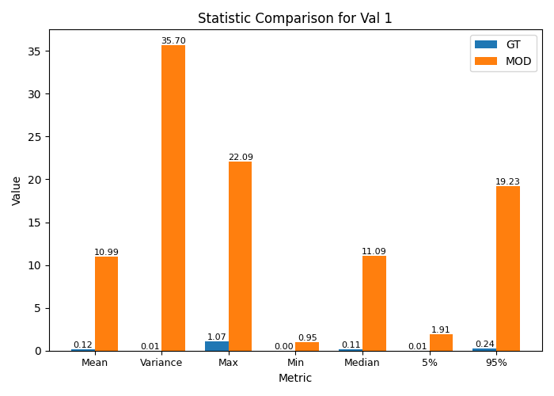
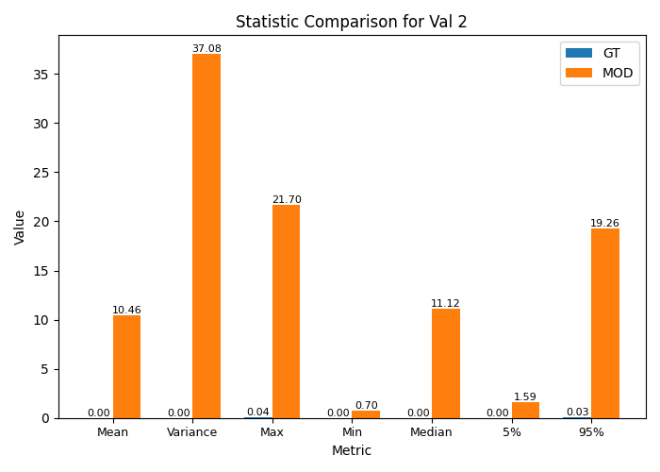
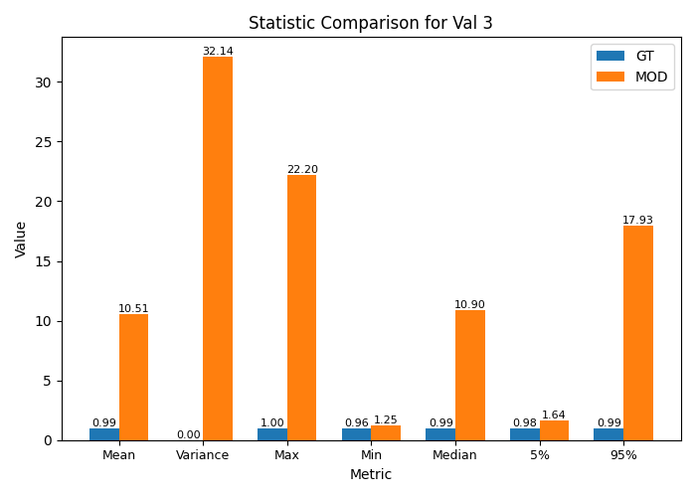
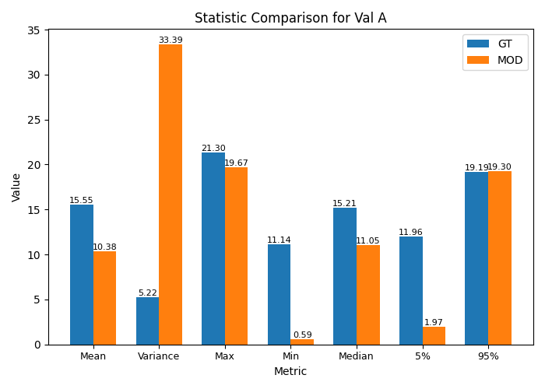
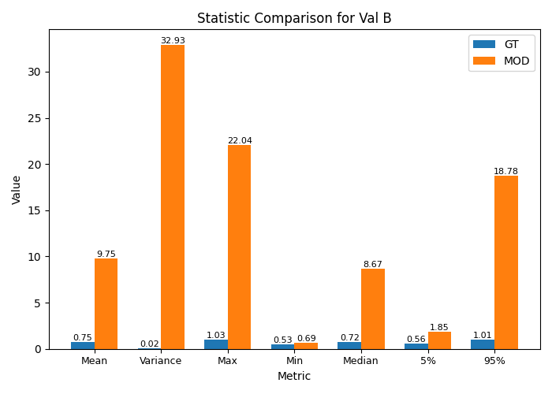
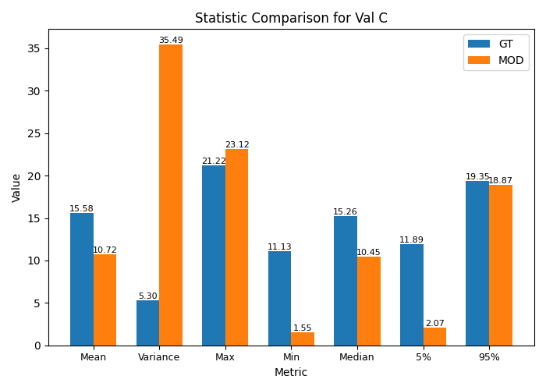
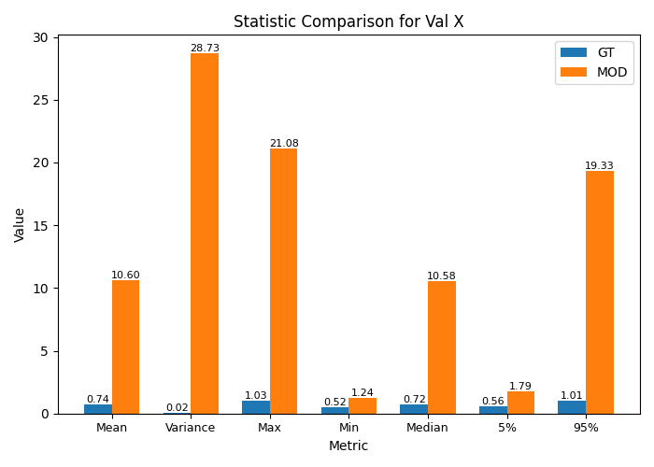
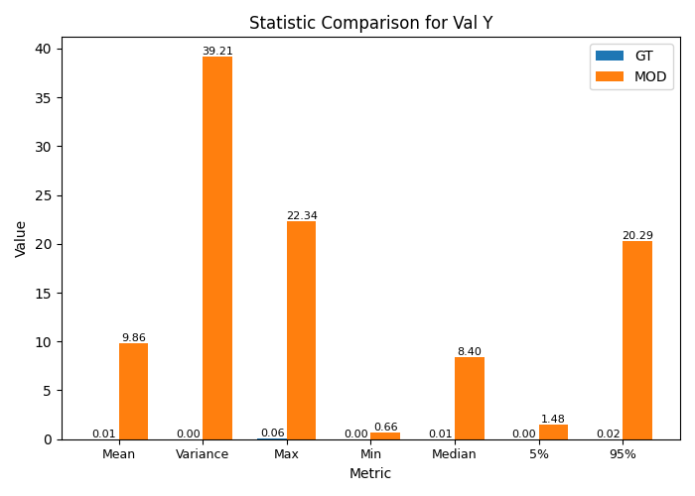
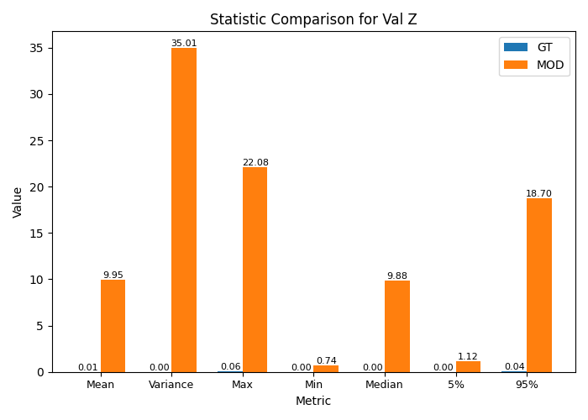
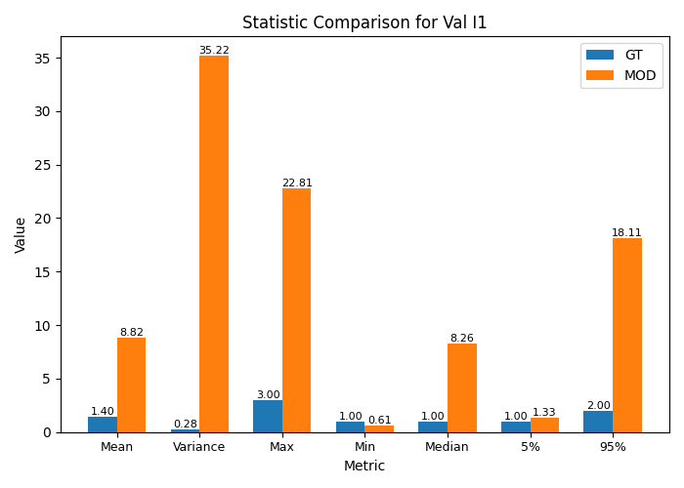
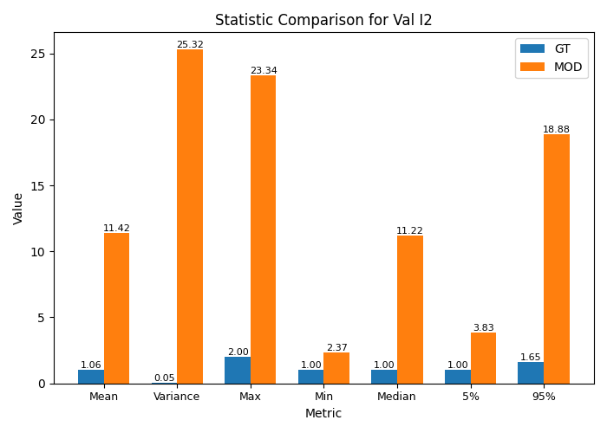
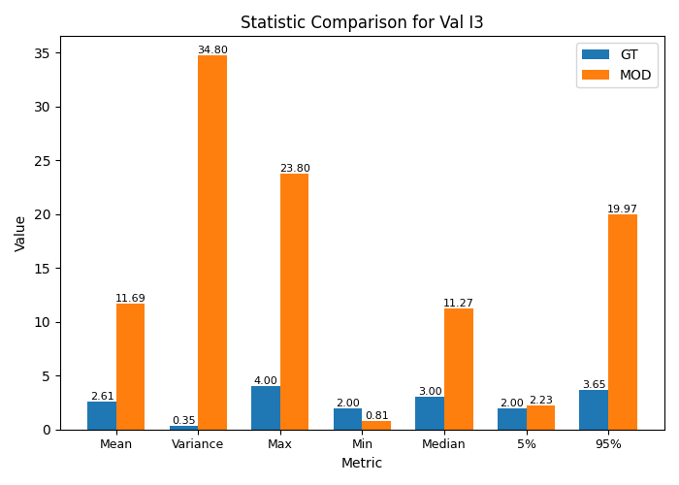
...
Statistics for Val 1 |  |  |  |  | Statistics for Val 2 |  |  |  |  | Statistics for Val 3 |  |  |  |  | Statistics for Val A |  |  |  |  | Statistics for Val B |  |  |  |  | Statistics for Val C |  |  |  |  | Statistics for Val X |  |  |  |  | Statistics for Val Y |  |  |  |  | Statistics for Val Z |  |  |  |  | Statistics for Val I1 |  |  |  |  | Statistics for Val I2 |  |  |  |  | Statistics for Val I3
Mean | 0.12179681481 | 10.98948478 | 8922.8 | 5 | Mean | 0.0044226448598 | 10.457676508 | 236357.52 | 5 | Mean | 0.98926936449 | 10.511990424 | 962.6 | 10 | Mean | 15.552204868 | 10.383264203 | 33.24 | 2 | Mean | 0.74562398148 | 9.7528924576 | 1208.02 | 5 | Mean | 15.575077679 | 10.718799763 | 31.18 | 2 | Mean | 0.74294514953 | 10.604581898 | 1327.37 | 5 | Mean | 0.0076915420561 | 9.8617228983 | 128115.16 | 10 | Mean | 0.0060309074074 | 9.9452379661 | 164804.5 | 10 | Mean | 1.3981481481 | 8.8177998644 | 530.68 | 10 | Mean | 1.0555555556 | 11.420382763 | 981.93 | 10 | Mean | 2.6111111111 | 11.687398915 | 347.6 | 10
Variance | 0.01421745391 | 35.703625976 | 251025.32 | 5 | Variance | 7.4184425439E-05 | 37.081376394 | 49985292.72 | 5 | Variance | 1.3543602932E-05 | 32.135678433 | 237275598.31 | 10 | Variance | 5.2154378169 | 33.390621501 | 540.23 | 2 | Variance | 0.019282660439 | 32.930871565 | 170679.71 | 5 | Variance | 5.3016314222 | 35.488239645 | 569.38 | 2 | Variance | 0.019046334116 | 28.729391443 | 150739.48 | 5 | Variance | 4.7211492383E-05 | 39.209031689 | 83049661.21 | 10 | Variance | 0.00013394250808 | 35.007127193 | 26135835.26 | 10 | Variance | 0.27924887504 | 35.218184953 | 12511.76 | 10 | Variance | 0.052959501558 | 25.321026108 | 47712.06 | 10 | Variance | 0.35202492212 | 34.79694688 | 9784.8 | 10
Max | 1.069588 | 22.090421 | 1965.32 | 5 | Max | 0.044915 | 21.699131 | 48211.55 | 5 | Max | 0.995003 | 22.198215 | 2130.97 | 10 | Max | 21.297451 | 19.671124 | 7.64 | 2 | Max | 1.031633 | 22.040566 | 2036.47 | 5 | Max | 21.22072 | 23.119666 | 8.95 | 2 | Max | 1.031633 | 21.078002 | 1943.17 | 5 | Max | 0.060337 | 22.33752 | 36921.26 | 10 | Max | 0.058823 | 22.079261 | 37435.08 | 10 | Max | 3 | 22.811383 | 660.38 | 10 | Max | 2 | 23.339145 | 1066.96 | 10 | Max | 4 | 23.803779 | 495.09 | 10
Min | 0.001755 | 0.952098 | 54150.6 | 5 | Min | 0 | 0.695355 | 0 | 5 | Min | 0.963536 | 1.249314 | 29.66 | 10 | Min | 11.138244 | 0.593364 | 94.67 | 2 | Min | 0.526837 | 0.687016 | 30.4 | 5 | Min | 11.127001 | 1.547876 | 86.09 | 2 | Min | 0.524712 | 1.236022 | 135.56 | 5 | Min | 0.000151 | 0.658065 | 435704.64 | 10 | Min | 0 | 0.737012 | 0 | 10 | Min | 1 | 0.61457 | 38.54 | 10 | Min | 1 | 2.371706 | 137.17 | 10 | Min | 2 | 0.809056 | 59.55 | 10
Median | 0.1132385 | 11.094717 | 9697.65 | 5 | Median | 0.002508 | 11.121624 | 443345.93 | 5 | Median | 0.989828 | 10.902491 | 1001.45 | 10 | Median | 15.2103895 | 11.052303 | 27.34 | 2 | Median | 0.721339 | 8.666363 | 1101.43 | 5 | Median | 15.257703 | 10.445166 | 31.54 | 2 | Median | 0.717658 | 10.578991 | 1374.1 | 5 | Median | 0.007103 | 8.40496 | 118229.72 | 10 | Median | 0.003534 | 9.877543 | 279400.37 | 10 | Median | 1 | 8.256915 | 725.69 | 10 | Median | 1 | 11.215826 | 1021.58 | 10 | Median | 3 | 11.273587 | 275.79 | 10
5% | 0.0113011 | 1.9134285 | 16831.35 | 5 | 5% | 0 | 1.5936262 | 0 | 5 | 5% | 0.9849996 | 1.6387932 | 66.38 | 10 | 5% | 11.96486575 | 1.9736243 | 83.5 | 2 | 5% | 0.56342 | 1.8524177 | 228.78 | 5 | 5% | 11.88826475 | 2.0657223 | 82.62 | 2 | 5% | 0.5619598 | 1.7871718 | 218.02 | 5 | 5% | 0.0007269 | 1.4788043 | 203339.85 | 10 | 5% | 0 | 1.1215694 | 0 | 10 | 5% | 1 | 1.3263758 | 32.64 | 10 | 5% | 1 | 3.8326512 | 283.27 | 10 | 5% | 2 | 2.2317448 | 11.59 | 10
95% | 0.24278905 | 19.2329872 | 7821.69 | 5 | 95% | 0.0250771 | 19.2579404 | 76694.93 | 5 | 95% | 0.9933472 | 17.9255596 | 1704.56 | 10 | 95% | 19.1878565 | 19.3032284 | 0.6 | 2 | 95% | 1.010579 | 18.7757995 | 1757.92 | 5 | 95% | 19.34796775 | 18.86648 | 2.49 | 2 | 95% | 1.006837 | 19.3285088 | 1819.73 | 5 | 95% | 0.0155194 | 20.2934265 | 130661.67 | 10 | 95% | 0.03778805 | 18.70136 | 49390.14 | 10 | 95% | 2 | 18.1057558 | 805.29 | 10 | 95% | 1.65 | 18.8814607 | 1044.33 | 10 | 95% | 3.65 | 19.968826 | 447.09 | 10

