Worksheet
Column1 | Column2 | Column3 | Column4 | Column5 | Column6 | Column7 | Column8 | Column9 | Column10 | Column11 | Column12 | Column13
 | 1 | 2 | 3 | 4 | 5 | 6 | 7 | 8 | 9 | 10 | 11 | 12
1 | 1 | 2 | 3 | 4 | 5 | 6 | 7 | 8 | 9 | 10 | 11 | 12
2 | 2 | 4 | 6 | 8 | 10 | 12 | 14 | 16 | 18 | 20 | 22 | 24
3 | 3 | 6 | 9 | 12 | 15 | 18 | 21 | 24 | 27 | 30 | 33 | 36
4 | 4 | 8 | 12 | 16 | 20 | 24 | 28 | 32 | 36 | 40 | 44 | 48
5 | 5 | 10 | 15 | 20 | 25 | 30 | 35 | 40 | 45 | 50 | 55 | 60
6 | 6 | 12 | 18 | 24 | 30 | 36 | 42 | 48 | 54 | 60 | 66 | 72
7 | 7 | 14 | 21 | 28 | 35 | 42 | 49 | 56 | 63 | 70 | 77 | 84
8 | 8 | 16 | 24 | 32 | 40 | 48 | 56 | 64 | 72 | 80 | 88 | 96
9 | 9 | 18 | 27 | 36 | 45 | 54 | 63 | 72 | 81 | 90 | 99 | 108
10 | 10 | 20 | 30 | 40 | 50 | 60 | 70 | 80 | 90 | 100 | 110 | 120
11 | 11 | 22 | 33 | 44 | 55 | 66 | 77 | 88 | 99 | 110 | 121 | 132
12 | 12 | 24 | 36 | 48 | 60 | 72 | 84 | 96 | 108 | 120 | 132 | 144

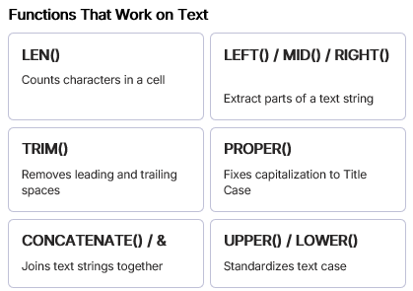
 |  |  |  |  |  |  |  | EXAMPLES | LEN | TRIM
 |  |  |  |  |  |  |  | BOY | 3 | BOY | 3
 |  |  |  |  |  |  |  | BOY | 4 | BOY | 3
 |  |  |  |  |  |  |  | BOY | 4 | BOY | 3
 |  |  |  |  |  |  |  | CONSTANT COLUMN AND RELATIVE ROW. | 33 | CONSTANT COLUMN AND RELATIVE ROW. | 33 | Constant Column And Relative Row.
 |  |  |  |  |  |  |  | SEYI ADEWARA | 12 | SEYI ADEWARA | 12
 |  |  |  |  |  |  |  | SEYI ADEWARA | 18 | SEYI ADEWARA | 12

 |  |  |  |  |  |  | CONCANTENATE | UPPER | LOWER
 |  |  |  |  |  |  | BOY BOYBOY | BOY | boy
In excel, a formula has arguments.
e.g LEFT(text, [num_chars])
This means that the LEFT function will get the text characters from the start of the TEXT string based on the NUMBER OF CHARACTERS you specify.
Any argument in any formula that has a SQUARE BRACKET [] in it, is telling you that, the argument is OPTIONAL
TEXTS ARE LEFT-ALIGNED
NUMBERS ARE RIGHT-ALIGNED

