Dashboard
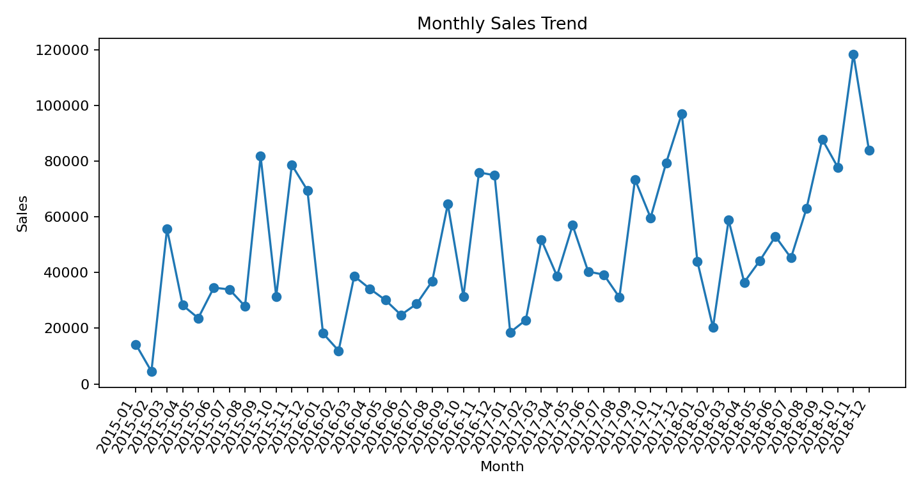
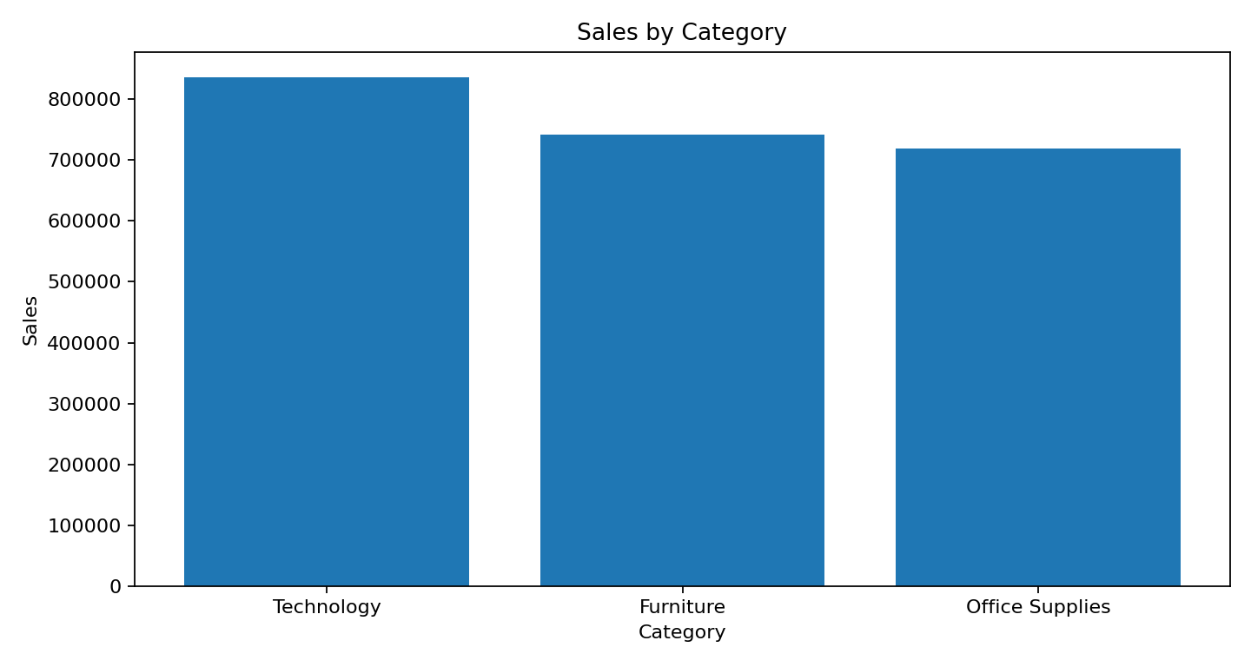
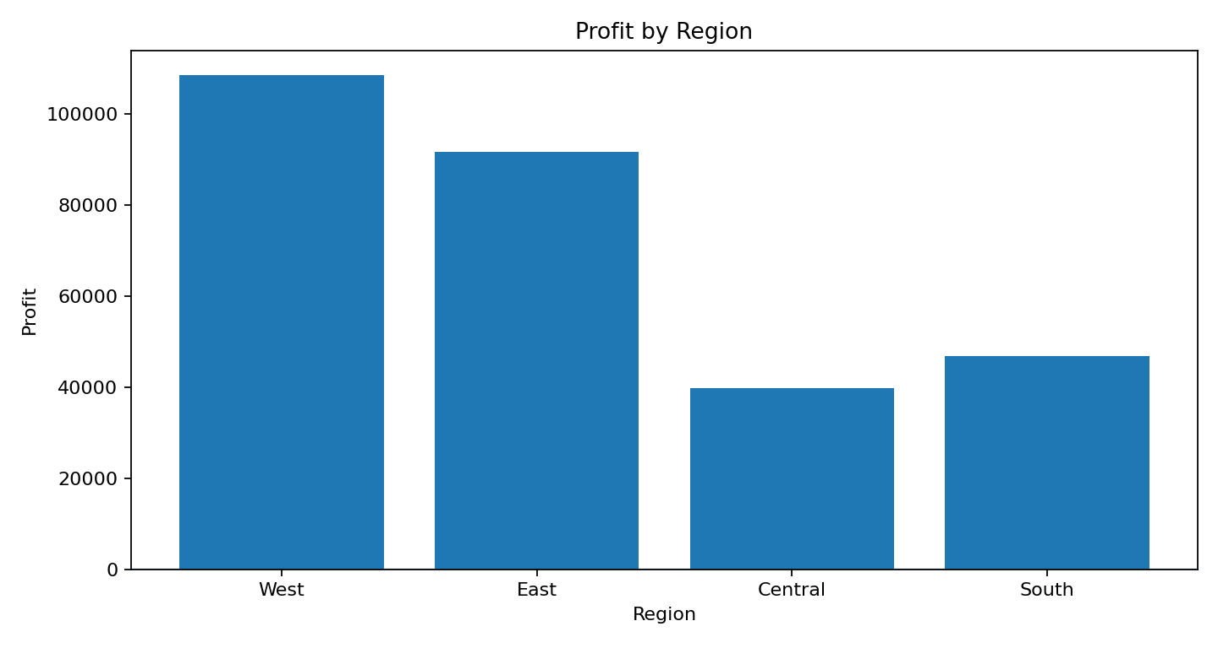
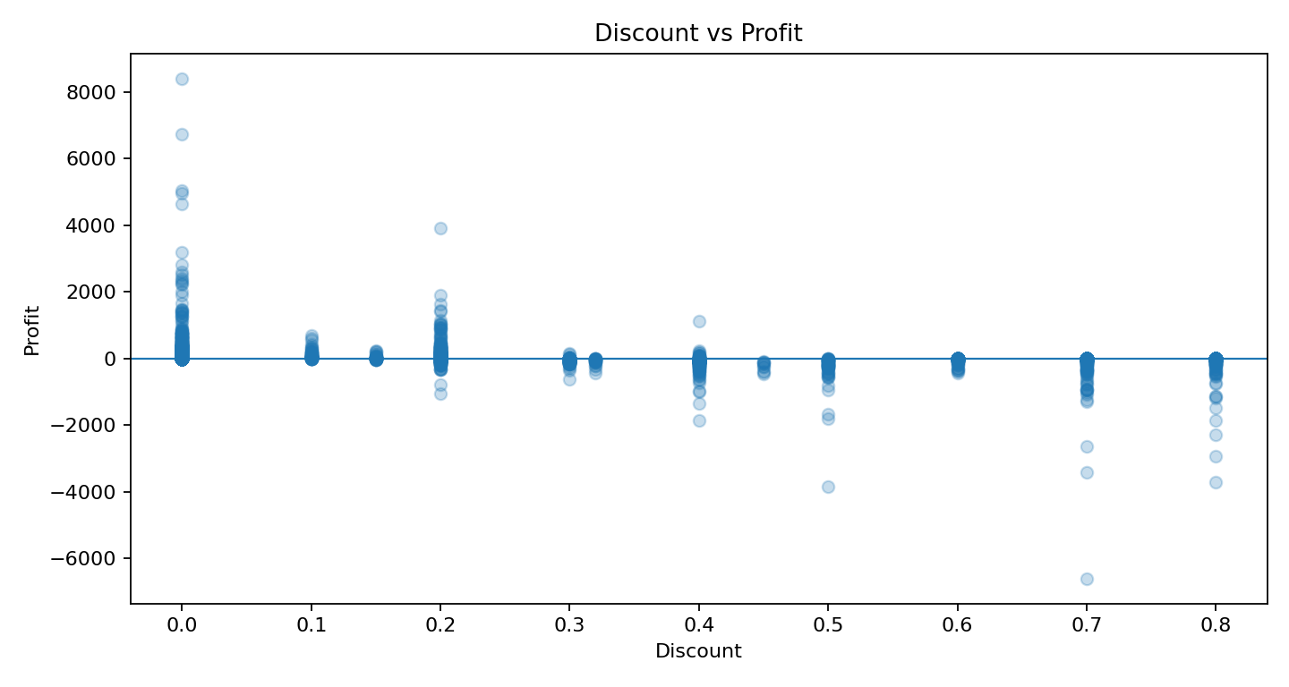
WEEK 4 CAPSTONE — SALES ANALYTICS DASHBOARD

Total Sales | Total Profit | Orders | Customers
2,297,200.86 | 286,397.02 | 5,009.00 | 793.00

Profit Margin | Returned Orders | Return Rate | Model R²
12.5% | 296.00 | 5.9% | 26.0%

Key Findings
• Technology generated the highest sales ($836,154).
• West generated the highest profit ($108,418).
• Tables had the lowest sub-category profit ($-17,725).
• November 2018 was the strongest month ($118,448).
• 50% discount rows averaged about $-311 profit.
• Random Forest model: MAE $190, RMSE $503, R² 0.260.

