Contact info
IMPORTANT INFORMATION!!
If for any reason you can't join one of the days you sign up for, please make sure you inform Zulema! Somebody from the back-up group will have to replace you! Try to inform of your abscence at least 24 hours in advance!!
Name | Telf. | e-mail
Zulema Carracedo | +31651680010 | zulema.carracedolorenzo@wur.nl
Melissa Uribe | +31623601112 | m.uribeacosta@uu.nl
Rieta Gols | +31631507944 | rieta.gols@wur.nl
Pedro Beschoren | +31682424012 | pedro.beschorendacosta@wur.nl
Marcela Aragon | +31645892020 | marcela.aragongomez@wur.nl
Xing Zhou | +31633663890 | x.zhou@uu.nl
Giannis Stringlis | +31657825196 | I.Stringlis@uu.nl
Karen Kloth | +31618671349 | karen.kloth@wur.nl

Campus map
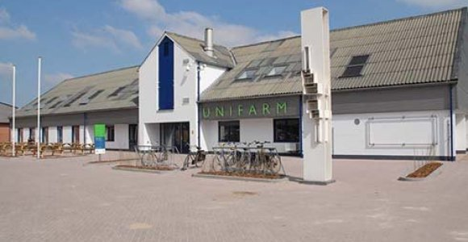
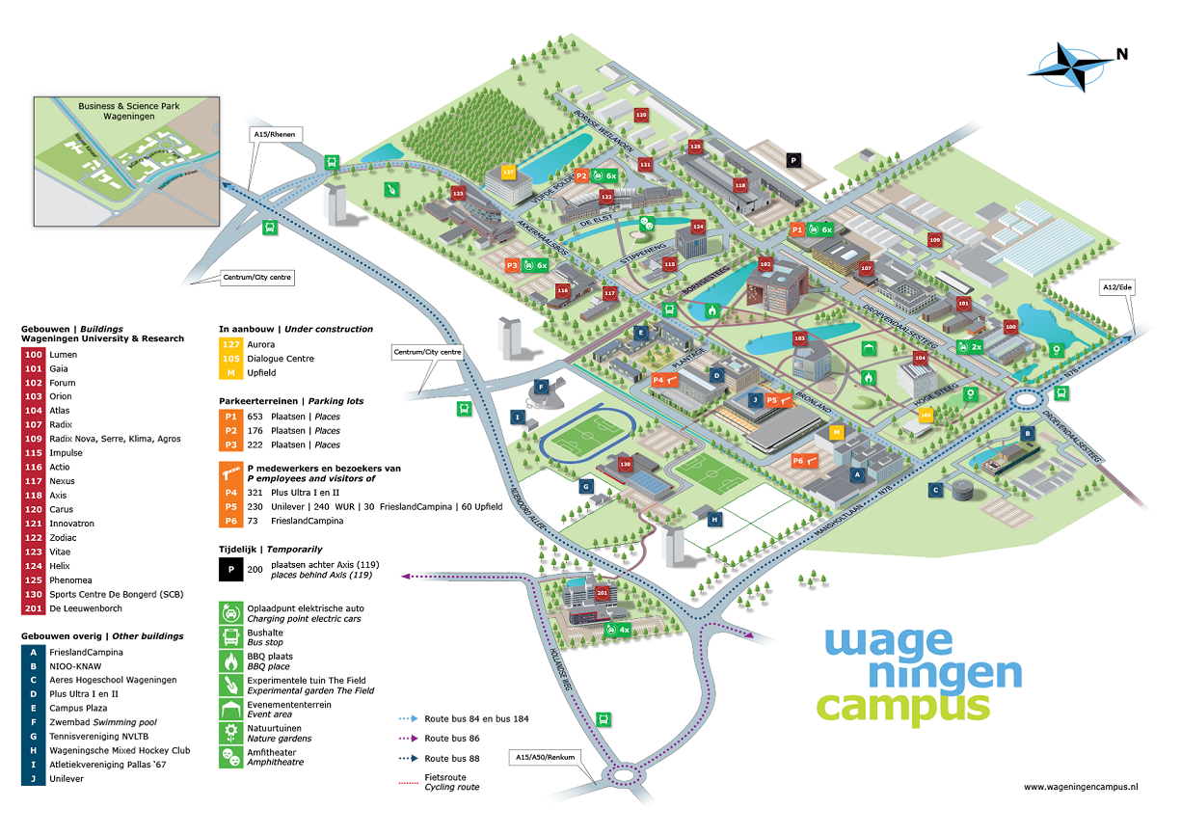
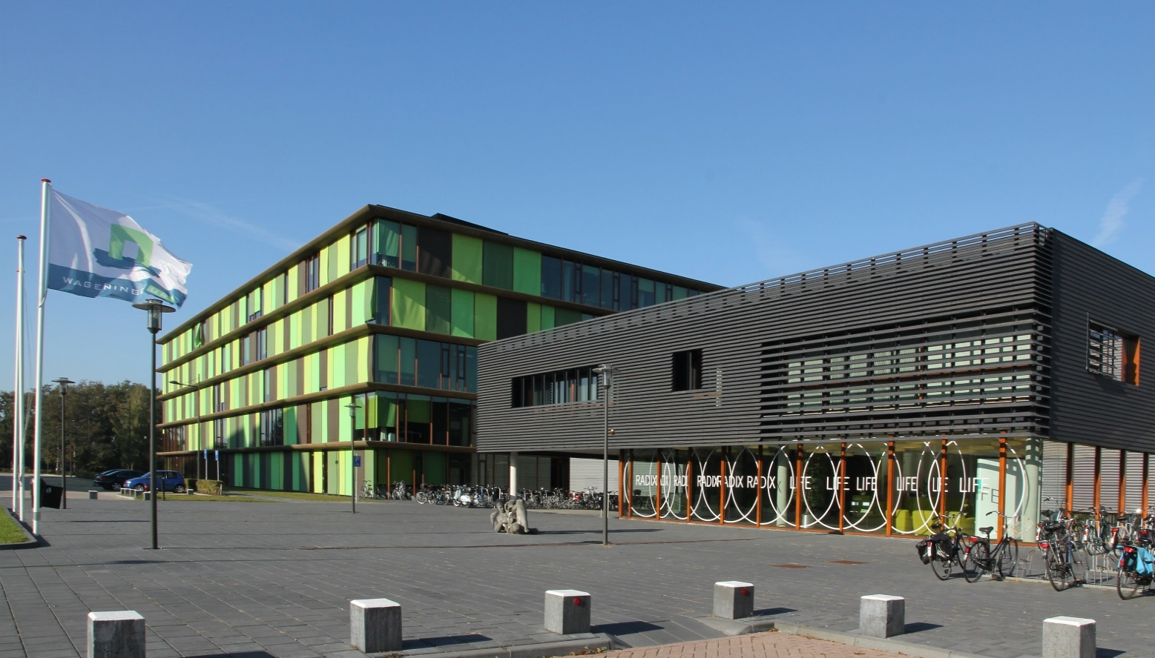
RADIX

