Sheet1
r_{e}
r_{wa}
r_{e}
X_{f}
Well Models | Skin | Wellbore Storage | Fractured | Dual Porosity | Solution Laplace Space | Reference Papers | Model Geometry
Radial Flow Model - Well in center of cylindrical homogeneous reservoir - No flow outer boundary - Skin factor / fracture length represented by rwa - Constant rate pD / Constant pressure qD | l | l |  | l |  | 1
Frac Linear / Bilinear / Form Linear / Pseudo Radial Flow - Well in center of cylindrical homogeneous reservoir - No flow outer boundary - Fully penetrating vertical fracture - Constant rate pD / Constant pressure qD | l | l | l | l |  | 2
Y_{e}
X_{f}
(X_{w},Y_{w})
X_{e}
Vertically Fractured Well in a Rectangular Closed Reservoir - No flow outer boundary - Fully penetrating vertical fracture - Constant rate pD / Constant pressure qD | l | l | l | l | 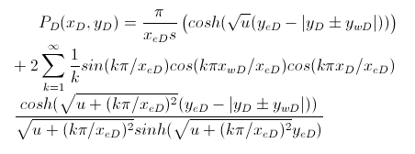 | 3
X_{e}
Y_{e}
h
(X_{w},Y_{w},Z_{w})
L_{h}
Horizontal Well Bounded Reservoir - No flow outer boundary - Non fractured horizontal well - Constant rate pD / Constant pressure qD | l | l |  | l | Very long expression, belive me you do not want to see it | 3

Reference Papers
1 The Application of the Laplace Transformation to Flow Problems in Reservoirs. Van Everdingen and W Hurst 1949 AIME
2 Unsteady-State Pressure Distribution Created by a Well With a Single Infinite Conductivity Vertical Fracture. A. Gringarden; H. Ramey; R. Raghavan
3 New Solutions for Well-Test-Analysis Problems: Part 1 - Analytical Considerations. E. Ozkan; R. Raghavan New Solutions for Well-Test-Analysis Problems: Part 2 - Computational Considerations and Applications. E. Ozkan; R. Raghavan

