Winter 25
Retailer | Nyne Ventures |  |  |  |  |  |  |  |  | 1177426 |  | Size break key | Size 1 | Size 2 | Size 3 | Size 4 | Size 5 | Size 6 | Size 7 | Size 8 | Size 9 | Size 10 | Size 11 | Size 12 | Size 13 | Size 14 | Size 15 | Size 16 | Size 17 | Size 18 | Size 19 | Size 20
Linesheet | Winter 25 |  |  |  |  |  |  |  |  | 1114724 |  | 1 | M8/W9.5 | M8.5/W10 | M9/W10.5 | M9.5/W11 | M10/W11.5 | M10.5/W12 | M11/W12.5 | M11.5/W13 | M12/W13.5 | M12.5/W14 | M13/W14.5 | W5/M3.5 | W5.5/M4 | W6/M4.5 | W6.5/M5 | W7/M5.5 | W7.5/M6 | W8/M6.5 | W8.5/M7 | W9/M7.5
Start Ship |  |  |  |  |  |  |  |  |  | 1 |  | 2 | M7.5-M8/ W9-W9.5 | M8.5-M9/ W10-W10.5 | M9.5-M10/ W11-W11.5 | M10.5-M11/ W12-W12.5 | M11.5-M12/ W13-W13.5 | M12.5-M13/ W14-W14.5 | W5-W5.5/ M3.5-M4 | W6-W6.5/ M4.5-M5 | W7-W7.5/ M5.5-M6 | W8-W8.5/ M6.5-M7
Complete Ship |  |  |  |  |  |  |  |  |  |  |  | 3 | XS | S | M | L | XL | XXL
Season Year | Fall/Winter 2025 |  |  |  |  |  |  |  |  |  |  | 4 | One Size
Style Image | Style Name | Style Number | Color | Color Code | Season | Evergreen | Country of origin | Fabrication | Material Composition | Category | Subcategory | Size Break |  |  |  |  |  |  |  |  |  |  |  |  |  |  |  |  |  |  |  |  | Wholesale (USD) | Sugg. Retail (USD) | Units | Total Wholesale (USD) | Total Retail (USD)
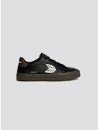 | SALVAS Teak Black Leather Ivory Logo Sneaker | 411301B66 | Black | B66 | FW25, SS26 | Yes | China | Vulcanized | Rubber Outsole; Leather Upper | Shoes | Sneakers | 1 |  |  |  |  |  |  |  |  |  |  |  |  |  |  |  |  |  |  |  |  | 34.96 | 129.00 | 1 | 34.96 | 129.00
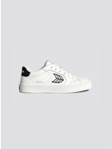 | SALVAS White Leather Black Logo Sneaker | 411301W21 | White | W21 |  |  |  |  | Rubber Outsole; Leather Upper | Shoes | Sneakers | 1 |  |  |  |  |  |  |  |  |  |  |  |  |  |  |  |  |  |  |  |  | 34.96 | 129.00 | 1 | 34.96 | 129.00
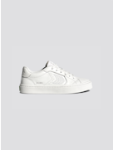 | SALVAS White Leather Sneaker | 411301W26 | White | W26 |  |  |  |  | Rubber Outsole; Leather Upper | Shoes | Sneakers | 1 |  |  |  |  |  |  |  |  |  |  |  |  |  |  |  |  |  |  |  |  | 34.96 | 129.00 | 1 | 34.96 | 129.00
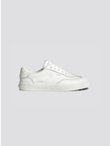 | TOCA White Diamond Leather Sneaker | 613119W13 | White | W13 |  |  |  |  | Rubber Outsole; Leather Upper | Shoes | Sneakers | 1 |  |  |  |  |  |  |  |  |  |  |  |  |  |  |  |  |  |  |  |  | 40.38 | 149.00 | 1 | 40.38 | 149.00
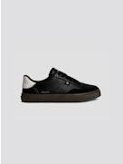 | TOCA Teak Black Diamond Leather Off-White Accents Sneaker | 613121B67 | Black | B67 |  |  |  |  | Rubber Outsole; Leather Upper | Shoes | Sneakers | 1 |  |  |  |  |  |  |  |  |  |  |  |  |  |  |  |  |  |  |  |  | 37.67 | 139.00 | 1 | 37.67 | 139.00
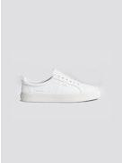 | OCA Low White Premium Leather Sneaker | 100104W13 | White | W13 |  |  |  |  | Rubber Outsole; Leather Upper | Shoes | Sneakers | 1 |  |  |  |  |  |  |  |  |  |  |  |  |  |  |  |  |  |  |  |  | 40.38 | 149.00 | 1 | 40.38 | 149.00
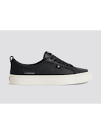 | OCA Low Black Premium Leather Sneaker | 100104B01 | Black | B01 |  |  |  |  | Rubber Outsole; Leather Upper | Shoes | Sneakers | 1 |  |  |  |  |  |  |  |  |  |  |  |  |  |  |  |  |  |  |  |  | 40.38 | 149.00 | 1 | 40.38 | 149.00
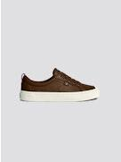 | OCA Low Downtown Brown Premium Leather Sneaker | 100104O38 | Brown | O38 |  |  |  |  | Rubber Outsole; Leather Upper | Shoes | Sneakers | 1 |  |  |  |  |  |  |  |  |  |  |  |  |  |  |  |  |  |  |  |  | 40.38 | 149.00 | 1 | 40.38 | 149.00
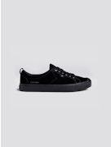 | OCA Low All Black Suede Sneaker | 100102B10 | Black | B10 |  |  |  |  | Rubber Outsole; Leather Upper | Shoes | Sneakers | 1 |  |  |  |  |  |  |  |  |  |  |  |  |  |  |  |  |  |  |  |  | 30.79 | 109.00 | 1 | 30.79 | 109.00
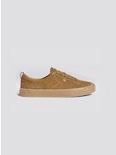 | OCA Low All Camel Suede Sneaker | 100102O03 | Brown | O03 |  |  |  |  | Rubber Outsole; Leather Upper | Shoes | Sneakers | 1 |  |  |  |  |  |  |  |  |  |  |  |  |  |  |  |  |  |  |  |  | 30.79 | 109.00 | 1 | 30.79 | 109.00
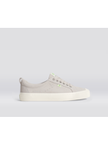 | OCA Low Vintage White Suede Sneaker | 100102W01 | White | W01 |  |  |  |  | Rubber Outsole; Leather Upper | Shoes | Sneakers | 1 |  |  |  |  |  |  |  |  |  |  |  |  |  |  |  |  |  |  |  |  | 30.79 | 109.00 | 1 | 30.79 | 109.00
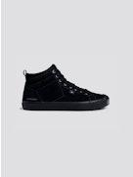 | OCA High All Black Suede Sneaker | 100302B10 | Black | B10 |  |  |  |  | Rubber Outsole; Leather Upper | Shoes | Sneakers | 1 |  |  |  |  |  |  |  |  |  |  |  |  |  |  |  |  |  |  |  |  | 36.54 | 129.00 | 1 | 36.54 | 129.00
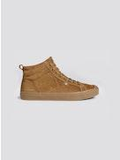 | OCA High All Camel Suede Sneaker | 100302O02 | Brown | O02 |  |  |  |  | Rubber Outsole; Leather Upper | Shoes | Sneakers | 1 |  |  |  |  |  |  |  |  |  |  |  |  |  |  |  |  |  |  |  |  | 36.54 | 129.00 | 1 | 36.54 | 129.00
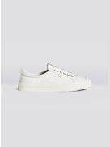 | OCA Low Off-White Canvas Sneaker | 100103W01 | White | W01 |  |  |  |  | Rubber Outsole; Textile Upper | Shoes | Sneakers | 1 |  |  |  |  |  |  |  |  |  |  |  |  |  |  |  |  |  |  |  |  | 25.14 | 89.00 | 1 | 25.14 | 89.00
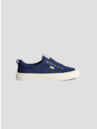 | OCA Low Marine Blue Canvas Sneaker | 100103U62 | Blue | U62 |  |  |  |  | Rubber Outsole; Textile Upper | Shoes | Sneakers | 1 |  |  |  |  |  |  |  |  |  |  |  |  |  |  |  |  |  |  |  |  | 25.14 | 89.00 | 1 | 25.14 | 89.00
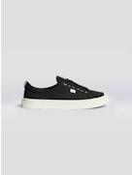 | OCA Low Black Canvas Sneaker | 100103B01 | Black | B01 |  |  |  |  | Rubber Outsole; Textile Upper | Shoes | Sneakers | 1 |  |  |  |  |  |  |  |  |  |  |  |  |  |  |  |  |  |  |  |  | 25.14 | 89.00 | 1 | 25.14 | 89.00
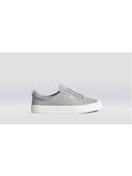 | OCA Low Light Grey Canvas Sneaker | 100103G20 | Grey | G20 |  |  |  |  | Rubber Outsole; Textile Upper | Shoes | Sneakers | 1 |  |  |  |  |  |  |  |  |  |  |  |  |  |  |  |  |  |  |  |  | 25.14 | 89.00 | 1 | 25.14 | 89.00
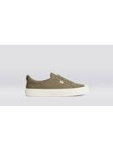 | OCA Low Burnt Sand Canvas Sneaker | 100103N25 | Neutrals | N25 |  |  |  |  | Rubber Outsole; Textile Upper | Shoes | Sneakers | 1 |  |  |  |  |  |  |  |  |  |  |  |  |  |  |  |  |  |  |  |  | 25.14 | 89.00 | 1 | 25.14 | 89.00
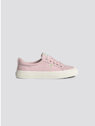 | OCA Low Bright Rose Canvas Sneaker | 100103R55 | Rose Red | R55 |  |  |  |  | Rubber Outsole; Textile Upper | Shoes | Sneakers | 1 |  |  |  |  |  |  |  |  |  |  |  |  |  |  |  |  |  |  |  |  | 25.14 | 89.00 | 1 | 25.14 | 89.00
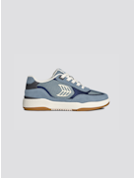 | Skategoat C25 PRO Mountain Spring Suede Marine Blue Mesh Ivory Logo Sneaker | 713011U66 | Blue | U66 |  |  |  |  | 13% TPU, 22% Rubber Outsole; 51% Leather, 2% TPU Upper, 36% Mesh, 76% EVA | Shoes | Sneakers | 1 |  |  |  |  |  |  |  |  |  |  |  |  |  |  |  |  |  |  |  |  | 36.44 | 129.00 | 1 | 36.44 | 129.00
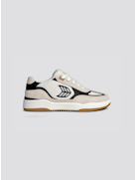 | Skategoat C25 PRO Off-White Mesh Light Cream Suede Black Accents Sneaker | 713011W2T | White | W2T |  |  |  |  | 13% TPU, 22% Rubber Outsole; 51% Leather, 2% TPU Upper, 36% Mesh, 76% EVA | Shoes | Sneakers | 1 |  |  |  |  |  |  |  |  |  |  |  |  |  |  |  |  |  |  |  |  | 36.44 | 129.00 | 1 | 36.44 | 129.00
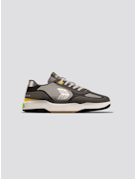 | Skategoat C25 PRO Charcoal Grey Suede Light Grey Mesh Ice Logo Yellow Sneaker | 713011G52 | Grey | G52 |  |  |  |  | 13% TPU, 22% Rubber Outsole; 51% Leather, 2% TPU Upper, 36% Mesh, 76% EVA | Shoes | Sneakers | 1 |  |  |  |  |  |  |  |  |  |  |  |  |  |  |  |  |  |  |  |  | 36.44 | 129.00 | 1 | 36.44 | 129.00
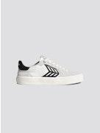 | CATIBA PRO 2.0 Smoke White Suede Off-White Cordura Black Logo Sneaker | 482809W25 | White | W25 |  |  |  |  | 11% TPU, 22% Textile, Rubber Outsole; 67% Leather | Shoes | Sneakers | 1 |  |  |  |  |  |  |  |  |  |  |  |  |  |  |  |  |  |  |  |  | 27.68 | 98.00 | 1 | 27.68 | 98.00
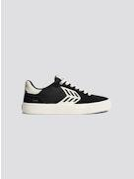 | CATIBA PRO 2.0 Black Suede and Cordura Ivory Logo Sneaker | 482809B06 | Black | B06 |  |  |  |  | 11% TPU, 22% Textile, Rubber Outsole; 67% Leather | Shoes | Sneakers | 1 |  |  |  |  |  |  |  |  |  |  |  |  |  |  |  |  |  |  |  |  | 27.68 | 98.00 | 1 | 27.68 | 98.00
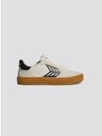 | CATIBA PRO 2.0 Gum Smoke White Suede Off-White Cordura Black Logo Sneaker | 482809W2E | White | W2E |  |  |  |  | 11% TPU, 22% Textile, Rubber Outsole; 67% Leather | Shoes | Sneakers | 1 |  |  |  |  |  |  |  |  |  |  |  |  |  |  |  |  |  |  |  |  | 27.68 | 98.00 | 1 | 27.68 | 98.00
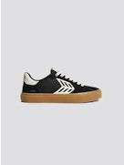 | CATIBA PRO 2.0 Gum Black Suede and Cordura Ivory Logo Sneaker | 482809B14 | Black | B14 |  |  |  |  | 11% TPU, 22% Textile, Rubber Outsole; 67% Leather | Shoes | Sneakers | 1 |  |  |  |  |  |  |  |  |  |  |  |  |  |  |  |  |  |  |  |  | 27.68 | 98.00 | 1 | 27.68 | 98.00
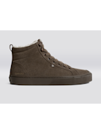 | OCA Therma High All Teak Suede Boot | 502715O23 | Brown | O23 |  |  |  |  | Rubber Outsole; Leather Upper | Shoes | Sneakers | 1 |  |  |  |  |  |  |  |  |  |  |  |  |  |  |  |  |  |  |  |  | 44.92 | 159.00 | 1 | 44.92 | 159.00
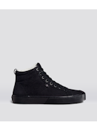 | OCA Therma High All Black Suede Boot | 502715B10 | Black | B10 |  |  |  |  | Rubber Outsole; Leather Upper | Shoes | Sneakers | 1 |  |  |  |  |  |  |  |  |  |  |  |  |  |  |  |  |  |  |  |  | 44.92 | 159.00 | 1 | 44.92 | 159.00
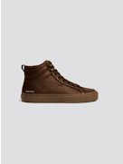 | OCA Therma High Brown Premium Leather Boot | 501604O05 | Brown | O05 |  |  |  |  | Rubber Outsole; Leather Upper | Shoes | Sneakers | 1 |  |  |  |  |  |  |  |  |  |  |  |  |  |  |  |  |  |  |  |  | 45.80 | 169.00 | 1 | 45.80 | 169.00
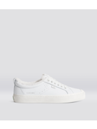 | OCA Therma Low White Premium Leather Sneaker | 102504W13 | White | W13 |  |  |  |  | Rubber Outsole; Leather Upper | Shoes | Sneakers | 1 |  |  |  |  |  |  |  |  |  |  |  |  |  |  |  |  |  |  |  |  | 43.09 | 159.00 | 1 | 43.09 | 159.00
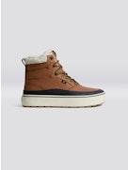 | IBIRA Sienna Brown Nubuck Boot | 522616O33 | Brown | O33 |  |  |  |  | Rubber Outsole; Leather Upper | Shoes | Sneakers | 1 |  |  |  |  |  |  |  |  |  |  |  |  |  |  |  |  |  |  |  |  | 51.22 | 189.00 | 1 | 51.22 | 189.00
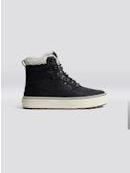 | IBIRA Black Nubuck Boot | 522616B01 | Black | B01 |  |  |  |  | Rubber Outsole; Leather Upper | Shoes | Sneakers | 1 |  |  |  |  |  |  |  |  |  |  |  |  |  |  |  |  |  |  |  |  | 51.22 | 189.00 | 1 | 51.22 | 189.00
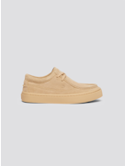 | TECO All Latte Suede Sneaker | 643602N40 | Neutrals | N40 |  |  |  |  | Rubber Outsole; Leather Upper | Shoes | Sneakers | 1 |  |  |  |  |  |  |  |  |  |  |  |  |  |  |  |  |  |  |  |  | 36.44 | 129.00 | 1 | 36.44 | 129.00
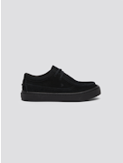 | TECO All Black Suede Sneaker | 643602B10 | Black | B10 |  |  |  |  | Rubber Outsole; Leather Upper | Shoes | Sneakers | 1 |  |  |  |  |  |  |  |  |  |  |  |  |  |  |  |  |  |  |  |  | 36.44 | 129.00 | 1 | 36.44 | 129.00
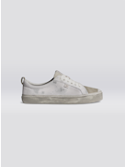 | OCA Low Vintage Warm White Diamond Leather and Suede Sneaker | 100121W2Q | White | W2Q |  |  |  |  | Rubber Outsole; Leather Upper | Shoes | Sneakers | 1 |  |  |  |  |  |  |  |  |  |  |  |  |  |  |  |  |  |  |  |  | 49.44 | 175.00 | 1 | 49.44 | 175.00
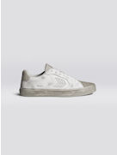 | SALVAS Vintage Warm White Diamond Leather and Suede Sneaker | 411321W2Q | White | W2Q |  |  |  |  | Rubber Outsole; Leather Upper | Shoes | Sneakers | 1 |  |  |  |  |  |  |  |  |  |  |  |  |  |  |  |  |  |  |  |  | 47.43 | 175.00 | 1 | 47.43 | 175.00
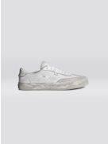 | TOCA Vintage Warm White Diamond Leather and Suede Sneaker | 613121W2Q | White | W2Q |  |  |  |  | Rubber Outsole; Leather Upper | Shoes | Sneakers | 1 |  |  |  |  |  |  |  |  |  |  |  |  |  |  |  |  |  |  |  |  | 47.43 | 175.00 | 1 | 47.43 | 175.00
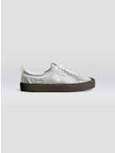 | OCA Low Teak Silver Metallic Leather Sneaker | 100105M04 | Metallic | M04 |  |  |  |  | Rubber Outsole; Leather Upper | Shoes | Sneakers | 1 |  |  |  |  |  |  |  |  |  |  |  |  |  |  |  |  |  |  |  |  | 44.92 | 159.00 | 1 | 44.92 | 159.00
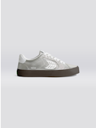 | SALVAS Teak Silver Metallic Leather Off-White Logo Sneaker | 411305M05 | Metallic | M05 |  |  |  |  | Rubber Outsole; Leather Upper | Shoes | Sneakers | 1 |  |  |  |  |  |  |  |  |  |  |  |  |  |  |  |  |  |  |  |  | 40.38 | 149.00 | 1 | 40.38 | 149.00
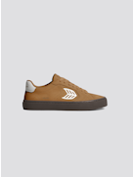 | SALVAS Camel Suede Warm White Logo Sneaker | 411302O44 | Brown | O44 |  |  |  |  | Rubber Outsole; Leather Upper | Shoes | Sneakers | 1 |  |  |  |  |  |  |  |  |  |  |  |  |  |  |  |  |  |  |  |  | 32.25 | 119.00 | 1 | 32.25 | 119.00
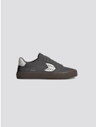 | SALVAS Magnet Grey Suede Warm White Logo Sneaker | 411302G56 | Grey | G56 |  |  |  |  | Rubber Outsole; Leather Upper | Shoes | Sneakers | 1 |  |  |  |  |  |  |  |  |  |  |  |  |  |  |  |  |  |  |  |  | 32.25 | 119.00 | 1 | 32.25 | 119.00
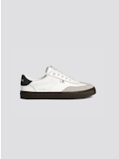 | TOCA White Diamond Leather Cloud Grey Suede Sneaker | 613121W3G | White | W3G |  |  |  |  | Rubber Outsole; Leather Upper | Shoes | Sneakers | 1 |  |  |  |  |  |  |  |  |  |  |  |  |  |  |  |  |  |  |  |  | 47.43 | 175.00 | 1 | 47.43 | 175.00
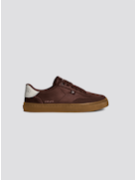 | TOCA Coffee Brown Diamond Leather Brown Suede Sneaker | 613121O51 | Brown | O51 |  |  |  |  | Rubber Outsole; Leather Upper | Shoes | Sneakers | 1 |  |  |  |  |  |  |  |  |  |  |  |  |  |  |  |  |  |  |  |  | 47.43 | 175.00 | 1 | 47.43 | 175.00
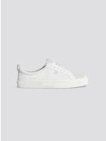 | OCA Low White Premium Leather Vintage White Suede | 100104W19 | White | W19 |  |  |  |  | Rubber Outsole; Leather Upper | Shoes | Sneakers | 1 |  |  |  |  |  |  |  |  |  |  |  |  |  |  |  |  |  |  |  |  | 40.38 | 149.00 | 1 | 40.38 | 149.00
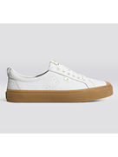 | OCA Low Gum White Premium Leather | 100104W40 | White | W40 |  |  |  |  | Rubber Outsole; Leather Upper | Shoes | Sneakers | 1 |  |  |  |  |  |  |  |  |  |  |  |  |  |  |  |  |  |  |  |  | 40.38 | 149.00 | 1 | 40.38 | 149.00
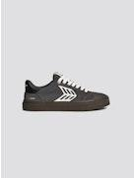 | CATIBA PRO 2.0 Teak Magnet Grey Suede and Cordura Ivory Logo Sneaker | 482809G54 | Grey | G54 |  |  |  |  | 11% TPU, 22% Textile, Rubber Outsole; 67% Leather | Shoes | Sneakers | 1 |  |  |  |  |  |  |  |  |  |  |  |  |  |  |  |  |  |  |  |  | 27.68 | 98.00 | 1 | 27.68 | 98.00
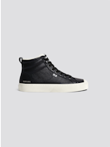 | OCA Therma High Black Premium Leather Sneaker | 501604B01 | Black | B01 |  |  |  |  | Rubber Outsole; Leather Upper | Shoes | Sneakers | 1 |  |  |  |  |  |  |  |  |  |  |  |  |  |  |  |  |  |  |  |  | 45.80 | 169.00 | 1 | 45.80 | 169.00
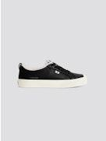 | OCA Therma Low Black Premium Leather Sneaker | 102504B01 | Black | B01 |  |  |  |  | Rubber Outsole; Leather Upper | Shoes | Sneakers | 1 |  |  |  |  |  |  |  |  |  |  |  |  |  |  |  |  |  |  |  |  | 43.09 | 159.00 | 1 | 43.09 | 159.00
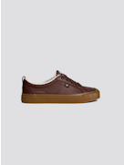 | OCA Therma Low Brown Premium Leather Boot | 102504O05 | Brown | O05 |  |  |  |  | Rubber Outsole; Leather Upper | Shoes | Sneakers | 1 |  |  |  |  |  |  |  |  |  |  |  |  |  |  |  |  |  |  |  |  | 43.09 | 159.00 | 1 | 43.09 | 159.00
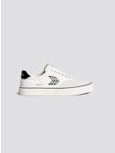 | NAIOCA PRO Smoke White Suede Off-White Canvas Sneaker | 511707W25 | White | W25 |  |  |  |  | 64% Organic Cotton Upper, Rubber Outsole; 36% leather | Shoes | Sneakers | 1 |  |  |  |  |  |  |  |  |  |  |  |  |  |  |  |  |  |  |  |  | 28.80 | 89.00 | 1 | 28.80 | 89.00
 | NAIOCA PRO All Black Suede and Canvas Sneaker | 511707B30 | Black | B30 |  |  |  |  | 64% Organic Cotton Upper, Rubber Outsole; 36% leather | Shoes | Sneakers | 1 |  |  |  |  |  |  |  |  |  |  |  |  |  |  |  |  |  |  |  |  | 28.80 | 89.00 | 1 | 28.80 | 89.00
 | NAIOCA PRO Gum Burnt Sand Suede and Canvas Sneaker | 511707N18 | Neutrals | N18 |  |  |  |  | 64% Organic Cotton Upper, Rubber Outsole; 36% leather | Shoes | Sneakers | 3 | 6 | 6 | 6 | 6 | 6 | 6 |  |  |  |  |  |  |  |  |  |  |  |  |  |  | 28.80 | 89.00 | 39 | 1,123.20 | 3,471.00
 | SALVAS All Black Suede Sneaker | 411302B10 | Black | B10 |  |  |  |  | Rubber Outsole; Leather Upper | Shoes | Sneakers | 1 |  |  |  |  |  |  |  |  |  |  |  |  |  |  |  |  |  |  |  |  | 32.25 | 119.00 | 1 | 32.25 | 119.00
 | SALVAS All Smoke White Suede Sneaker | 411302W3C | White | W3C |  |  |  |  | Rubber Outsole; Leather Upper | Shoes | Sneakers | 1 |  |  |  |  |  |  |  |  |  |  |  |  |  |  |  |  |  |  |  |  | 32.25 | 119.00 | 1 | 32.25 | 119.00
 | NAIOCA PRO Black Suede and Canvas Ivory Logo Sneaker | 511707B06 | Black | B06 |  |  |  |  | 64% Organic Cotton Upper, Rubber Outsole; 36% leather | Shoes | Sneakers | 1 |  |  |  |  |  |  |  |  |  |  |  |  |  |  |  |  |  |  |  |  | 28.80 | 89.00 | 1 | 28.80 | 89.00
Total |  |  |  |  |  |  |  |  |  |  |  |  |  |  |  |  |  |  |  |  |  |  |  |  |  |  |  |  |  |  |  |  |  |  | 93 | 3,097.93 | 10,582.00

