German Network
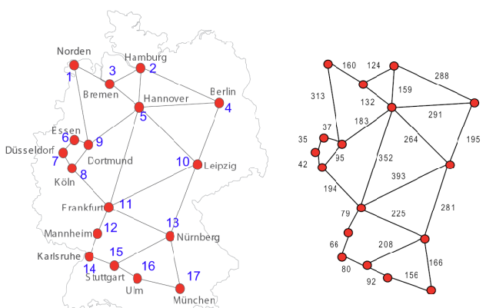
 | 1 | 2 | 3 | 4 | 5 | 6 | 7 | 8 | 9 | 10 | 11 | 12 | 13 | 14 | 15 | 16 | 17
1 | 0 | 0 | 160 | 0 | 0 | 0 | 0 | 0 | 313 | 0 | 0 | 0 | 0 | 0 | 0 | 0 | 0 | 2
2 | 0 | 0 | 124 | 288 | 159 | 0 | 0 | 0 | 0 | 0 | 0 | 0 | 0 | 0 | 0 | 0 | 0 | 3
3 | 160 | 124 | 0 | 0 | 132 | 0 | 0 | 0 | 0 | 0 | 0 | 0 | 0 | 0 | 0 | 0 | 0 | 3
4 | 0 | 288 | 0 | 0 | 291 | 0 | 0 | 0 | 0 | 195 | 0 | 0 | 0 | 0 | 0 | 0 | 0 | 3
5 | 0 | 159 | 132 | 291 | 0 | 0 | 0 | 0 | 183 | 264 | 352 | 0 | 0 | 0 | 0 | 0 | 0 | 6
6 | 0 | 0 | 0 | 0 | 0 | 0 | 35 | 0 | 37 | 0 | 0 | 0 | 0 | 0 | 0 | 0 | 0 | 2
7 | 0 | 0 | 0 | 0 | 0 | 35 | 0 | 42 | 0 | 0 | 0 | 0 | 0 | 0 | 0 | 0 | 0 | 2
8 | 0 | 0 | 0 | 0 | 0 | 0 | 42 | 0 | 95 | 0 | 194 | 0 | 0 | 0 | 0 | 0 | 0 | 3
9 | 313 | 0 | 0 | 0 | 183 | 37 | 0 | 95 | 0 | 0 | 0 | 0 | 0 | 0 | 0 | 0 | 0 | 4
10 | 0 | 0 | 0 | 195 | 264 | 0 | 0 | 0 | 0 | 0 | 393 | 0 | 281 | 0 | 0 | 0 | 0 | 4
11 | 0 | 0 | 0 | 0 | 352 | 0 | 0 | 194 | 0 | 393 | 0 | 79 | 225 | 0 | 0 | 0 | 0 | 5
12 | 0 | 0 | 0 | 0 | 0 | 0 | 0 | 0 | 0 | 0 | 79 | 0 | 0 | 66 | 0 | 0 | 0 | 2
13 | 0 | 0 | 0 | 0 | 0 | 0 | 0 | 0 | 0 | 281 | 225 | 0 | 0 | 0 | 208 | 0 | 166 | 4
14 | 0 | 0 | 0 | 0 | 0 | 0 | 0 | 0 | 0 | 0 | 0 | 66 | 0 | 0 | 80 | 0 | 0 | 2
15 | 0 | 0 | 0 | 0 | 0 | 0 | 0 | 0 | 0 | 0 | 0 | 0 | 208 | 80 | 0 | 92 | 0 | 3
16 | 0 | 0 | 0 | 0 | 0 | 0 | 0 | 0 | 0 | 0 | 0 | 0 | 0 | 0 | 92 | 0 | 156 | 2
17 | 0 | 0 | 0 | 0 | 0 | 0 | 0 | 0 | 0 | 0 | 0 | 0 | 166 | 0 | 0 | 156 | 0 | 2

 |  |  |  |  |  |  |  |  |  |  |  |  |  |  |  |  |  | 26

 |  |  |  |  |  |  |  |  |  |  |  |  |  |  |  |  |  | 1
 |  |  |  |  |  |  |  |  |  |  |  |  |  |  |  |  |  | 2
 |  |  |  |  |  |  |  |  |  |  |  |  |  |  |  |  |  | 3
 |  |  |  |  |  |  |  |  |  |  |  |  |  |  |  |  |  | 4
 |  |  |  |  |  |  |  |  |  |  |  |  |  |  |  |  |  | 5
 |  |  |  |  |  |  |  |  |  |  |  |  |  |  |  |  |  | 6
 |  |  |  |  |  |  |  |  |  |  |  |  |  |  |  |  |  | 7
 |  |  |  |  |  |  |  |  |  |  |  |  |  |  |  |  |  | 8
 |  |  |  |  |  |  |  |  |  |  |  |  |  |  |  |  |  | 9
 |  |  |  |  |  |  |  |  |  |  |  |  |  |  |  |  |  | 10
 |  |  |  |  |  |  |  |  |  |  |  |  |  |  |  |  |  | 11
 |  |  |  |  |  |  |  |  |  |  |  |  |  |  |  |  |  | 12
 |  |  |  |  |  |  |  |  |  |  |  |  |  |  |  |  |  | 13
 |  |  |  |  |  |  |  |  |  |  |  |  |  |  |  |  |  | 14
 |  |  |  |  |  |  |  |  |  |  |  |  |  |  |  |  |  | 15
 |  |  |  |  |  |  |  |  |  |  |  |  |  |  |  |  |  | 16
 |  |  |  |  |  |  |  |  |  |  |  |  |  |  |  |  |  | 17

NSF Net
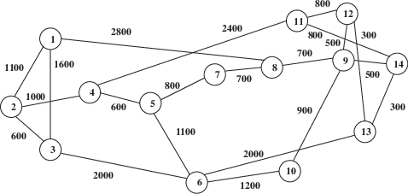
 | 1 | 2 | 3 | 4 | 5 | 6 | 7 | 8 | 9 | 10 | 11 | 12 | 13 | 14
1 | 0 | 1100 | 1600 | 0 | 0 | 0 | 0 | 2800 | 0 | 0 | 0 | 0 | 0 | 0 | 3
2 | 1100 | 0 | 600 | 1000 | 0 | 0 | 0 | 0 | 0 | 0 | 0 | 0 | 0 | 0 | 3
3 | 1600 | 600 | 0 | 0 | 0 | 2000 | 0 | 0 | 0 | 0 | 0 | 0 | 0 | 0 | 3
4 | 0 | 1000 | 0 | 0 | 600 | 0 | 0 | 0 | 0 | 0 | 2400 | 0 | 0 | 0 | 3
5 | 0 | 0 | 0 | 600 | 0 | 1100 | 800 | 0 | 0 | 0 | 0 | 0 | 0 | 0 | 3
6 | 0 | 0 | 2000 | 0 | 1100 | 0 | 0 | 0 | 0 | 1200 | 0 | 0 | 2000 | 0 | 4
7 | 0 | 0 | 0 | 0 | 800 | 0 | 0 | 700 | 0 | 0 | 0 | 0 | 0 | 0 | 2
8 | 2800 | 0 | 0 | 0 | 0 | 0 | 700 | 0 | 700 | 0 | 0 | 0 | 0 | 0 | 3
9 | 0 | 0 | 0 | 0 | 0 | 0 | 0 | 700 | 0 | 900 | 0 | 500 | 0 | 500 | 4
10 | 0 | 0 | 0 | 0 | 0 | 1200 | 0 | 0 | 900 | 0 | 0 | 0 | 0 | 0 | 2
11 | 0 | 0 | 0 | 2400 | 0 | 0 | 0 | 0 | 0 | 0 | 0 | 800 | 0 | 800 | 3
12 | 0 | 0 | 0 | 0 | 0 | 0 | 0 | 0 | 500 | 0 | 800 | 0 | 300 | 0 | 3
13 | 0 | 0 | 0 | 0 | 0 | 2000 | 0 | 0 | 0 | 0 | 0 | 300 | 0 | 300 | 3
14 | 0 | 0 | 0 | 0 | 0 | 0 | 0 | 0 | 500 | 0 | 800 | 0 | 300 | 0 | 3

 |  |  |  |  |  |  |  |  |  |  |  |  |  |  | 21

 |  |  |  |  |  |  |  |  |  |  |  |  |  |  |  | 1
 |  |  |  |  |  |  |  |  |  |  |  |  |  |  |  | 2
 |  |  |  |  |  |  |  |  |  |  |  |  |  |  |  | 3
 |  |  |  |  |  |  |  |  |  |  |  |  |  |  |  | 4
 |  |  |  |  |  |  |  |  |  |  |  |  |  |  |  | 5
 |  |  |  |  |  |  |  |  |  |  |  |  |  |  |  | 6
 |  |  |  |  |  |  |  |  |  |  |  |  |  |  |  | 7
 |  |  |  |  |  |  |  |  |  |  |  |  |  |  |  | 8
 |  |  |  |  |  |  |  |  |  |  |  |  |  |  |  | 9
 |  |  |  |  |  |  |  |  |  |  |  |  |  |  |  | 10
 |  |  |  |  |  |  |  |  |  |  |  |  |  |  |  | 11
 |  |  |  |  |  |  |  |  |  |  |  |  |  |  |  | 12
 |  |  |  |  |  |  |  |  |  |  |  |  |  |  |  | 13
 |  |  |  |  |  |  |  |  |  |  |  |  |  |  |  | 14

18 node European Network
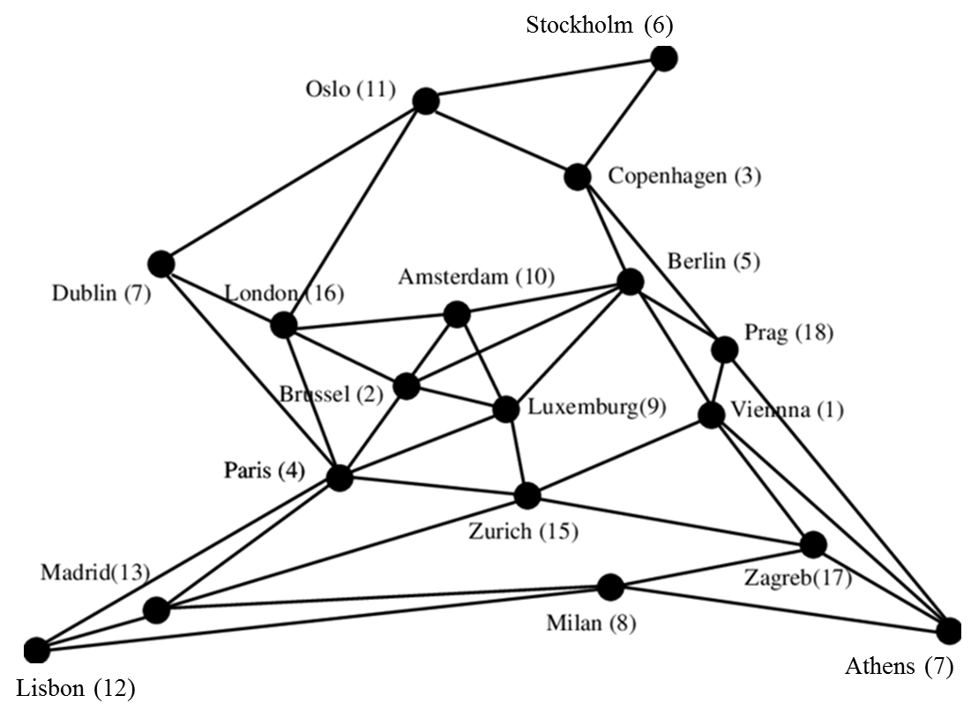
 | 1 | 2 | 3 | 4 | 5 | 6 | 7 | 8 | 9 | 10 | 11 | 12 | 13 | 14 | 15 | 16 | 17 | 18
1 | 0 | 0 | 0 | 0 | 1 | 0 | 0 | 0 | 0 | 0 | 0 | 0 | 0 | 1 | 1 | 0 | 1 | 1 | 5 | 1
2 | 0 | 0 | 0 | 1 | 1 | 0 | 0 | 0 | 1 | 1 | 0 | 0 | 0 | 0 | 0 | 1 | 0 | 0 | 5 | 2
3 | 0 | 0 | 0 | 0 | 1 | 1 | 0 | 0 | 0 | 0 | 1 | 0 | 0 | 0 | 0 | 0 | 0 | 1 | 4 | 3
4 | 0 | 1 | 0 | 0 | 0 | 0 | 1 | 0 | 1 | 0 | 0 | 1 | 1 | 0 | 1 | 1 | 0 | 0 | 7 | 4
5 | 1 | 1 | 1 | 0 | 0 | 0 | 0 | 0 | 1 | 1 | 0 | 0 | 0 | 0 | 0 | 0 | 0 | 1 | 6 | 5
6 | 0 | 0 | 1 | 0 | 0 | 0 | 0 | 0 | 0 | 0 | 1 | 0 | 0 | 0 | 0 | 0 | 0 | 0 | 2 | 6
7 | 0 | 0 | 0 | 1 | 0 | 0 | 0 | 0 | 0 | 0 | 1 | 0 | 0 | 0 | 0 | 1 | 0 | 0 | 3 | 7
8 | 0 | 0 | 0 | 0 | 0 | 0 | 0 | 0 | 0 | 0 | 0 | 1 | 1 | 1 | 0 | 0 | 1 | 0 | 4 | 8
9 | 0 | 1 | 0 | 1 | 1 | 0 | 0 | 0 | 0 | 1 | 0 | 0 | 0 | 0 | 1 | 0 | 0 | 0 | 5 | 9
10 | 0 | 1 | 0 | 0 | 1 | 0 | 0 | 0 | 1 | 0 | 0 | 0 | 0 | 0 | 0 | 1 | 0 | 0 | 4 | 10
11 | 0 | 0 | 1 | 0 | 0 | 1 | 1 | 0 | 0 | 0 | 0 | 0 | 0 | 0 | 0 | 1 | 0 | 0 | 4 | 11
12 | 0 | 0 | 0 | 1 | 0 | 0 | 0 | 1 | 0 | 0 | 0 | 0 | 1 | 0 | 0 | 0 | 0 | 0 | 3 | 12
13 | 0 | 0 | 0 | 1 | 0 | 0 | 0 | 1 | 0 | 0 | 0 | 1 | 0 | 0 | 1 | 0 | 0 | 0 | 4 | 13
14 | 1 | 0 | 0 | 0 | 0 | 0 | 0 | 1 | 0 | 0 | 0 | 0 | 0 | 0 | 0 | 0 | 1 | 1 | 4 | 14
15 | 1 | 0 | 0 | 1 | 0 | 0 | 0 | 0 | 1 | 0 | 0 | 0 | 1 | 0 | 0 | 0 | 1 | 0 | 5 | 15
16 | 0 | 1 | 0 | 1 | 0 | 0 | 1 | 0 | 0 | 1 | 1 | 0 | 0 | 0 | 0 | 0 | 0 | 0 | 5 | 16
17 | 1 | 0 | 0 | 0 | 0 | 0 | 0 | 1 | 0 | 0 | 0 | 0 | 0 | 1 | 1 | 0 | 0 | 0 | 4 | 17
18 | 1 | 0 | 1 | 0 | 1 | 0 | 0 | 0 | 0 | 0 | 0 | 0 | 0 | 1 | 0 | 0 | 0 | 0 | 4 | 18

 |  |  |  |  |  |  |  |  |  |  |  |  |  |  |  |  |  |  | 39

Test1
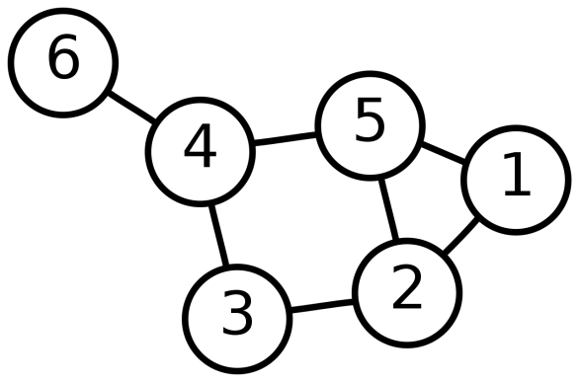
 | 1 | 2 | 3 | 4 | 5 | 6
1 | 0 | 1 | 0 | 0 | 1 | 0
2 | 1 | 0 | 1 | 0 | 1 | 0
3 | 0 | 1 | 0 | 1 | 0 | 0
4 | 0 | 0 | 1 | 0 | 1 | 1
5 | 1 | 1 | 0 | 1 | 0 | 0
6 | 0 | 0 | 0 | 1 | 0 | 0

 | 1 | 2 | 3 | 4 | 5 | 6
1 | 0 | 400 | 0 | 0 | 300 | 0
2 | 400 | 0 | 150 | 0 | 100 | 0
3 | 0 | 150 | 0 | 250 | 0 | 0
4 | 0 | 0 | 250 | 0 | 200 | 50
5 | 300 | 100 | 0 | 200 | 0 | 0
6 | 0 | 0 | 0 | 50 | 0 | 0

Test2
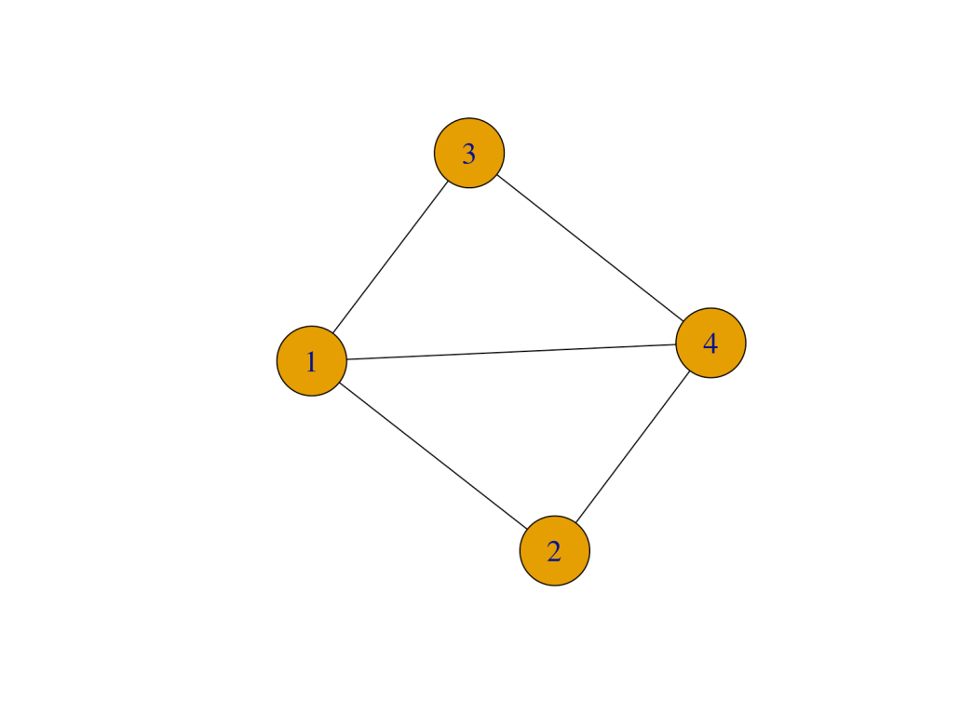
 | 1 | 2 | 3 | 4
1 | 0 | 1 | 1 | 1
2 | 1 | 0 | 0 | 1
3 | 1 | 0 | 0 | 1
4 | 1 | 1 | 1 | 0

