NSF Net
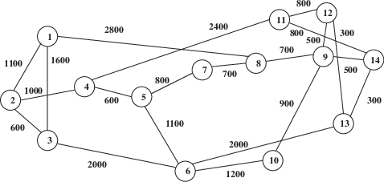
Node ID | Name |  | 1 | 2 | 3 | 4 | 5 | 6 | 7 | 8 | 9 | 10 | 11 | 12 | 13 | 14
1 | Seattle | 1 | 0 | 1100 | 1600 | 0 | 0 | 0 | 0 | 2800 | 0 | 0 | 0 | 0 | 0 | 0
2 | Palo Alto | 2 | 1100 | 0 | 600 | 1000 | 0 | 0 | 0 | 0 | 0 | 0 | 0 | 0 | 0 | 0
3 | San Diego | 3 | 1600 | 600 | 0 | 0 | 0 | 2000 | 0 | 0 | 0 | 0 | 0 | 0 | 0 | 0
4 | Salt Lake City | 4 | 0 | 1000 | 0 | 0 | 600 | 0 | 0 | 0 | 0 | 0 | 2400 | 0 | 0 | 0
5 | Boulder | 5 | 0 | 0 | 0 | 600 | 0 | 1100 | 800 | 0 | 0 | 0 | 0 | 0 | 0 | 0
6 | Houston | 6 | 0 | 0 | 2000 | 0 | 1100 | 0 | 0 | 0 | 0 | 1200 | 0 | 0 | 2000 | 0
7 | Lincoln | 7 | 0 | 0 | 0 | 0 | 800 | 0 | 0 | 700 | 0 | 0 | 0 | 0 | 0 | 0
8 | Champaign | 8 | 2800 | 0 | 0 | 0 | 0 | 0 | 700 | 0 | 700 | 0 | 0 | 0 | 0 | 0
9 | Pittsburgh | 9 | 0 | 0 | 0 | 0 | 0 | 0 | 0 | 700 | 0 | 900 | 0 | 500 | 0 | 500
10 | Atlanta | 10 | 0 | 0 | 0 | 0 | 0 | 1200 | 0 | 0 | 900 | 0 | 0 | 0 | 0 | 0
11 | Ann Harbor | 11 | 0 | 0 | 0 | 2400 | 0 | 0 | 0 | 0 | 0 | 0 | 0 | 800 | 0 | 800
12 | Ithaca | 12 | 0 | 0 | 0 | 0 | 0 | 0 | 0 | 0 | 500 | 0 | 800 | 0 | 300 | 0
13 | College Park | 13 | 0 | 0 | 0 | 0 | 0 | 2000 | 0 | 0 | 0 | 0 | 0 | 300 | 0 | 300
14 | Princeton | 14 | 0 | 0 | 0 | 0 | 0 | 0 | 0 | 0 | 500 | 0 | 800 | 0 | 300 | 0

