Statlink
Title: | Figure 1.9. Real wages are declining in most economies
 | Real compensation per employee, total economy, 2022Q3

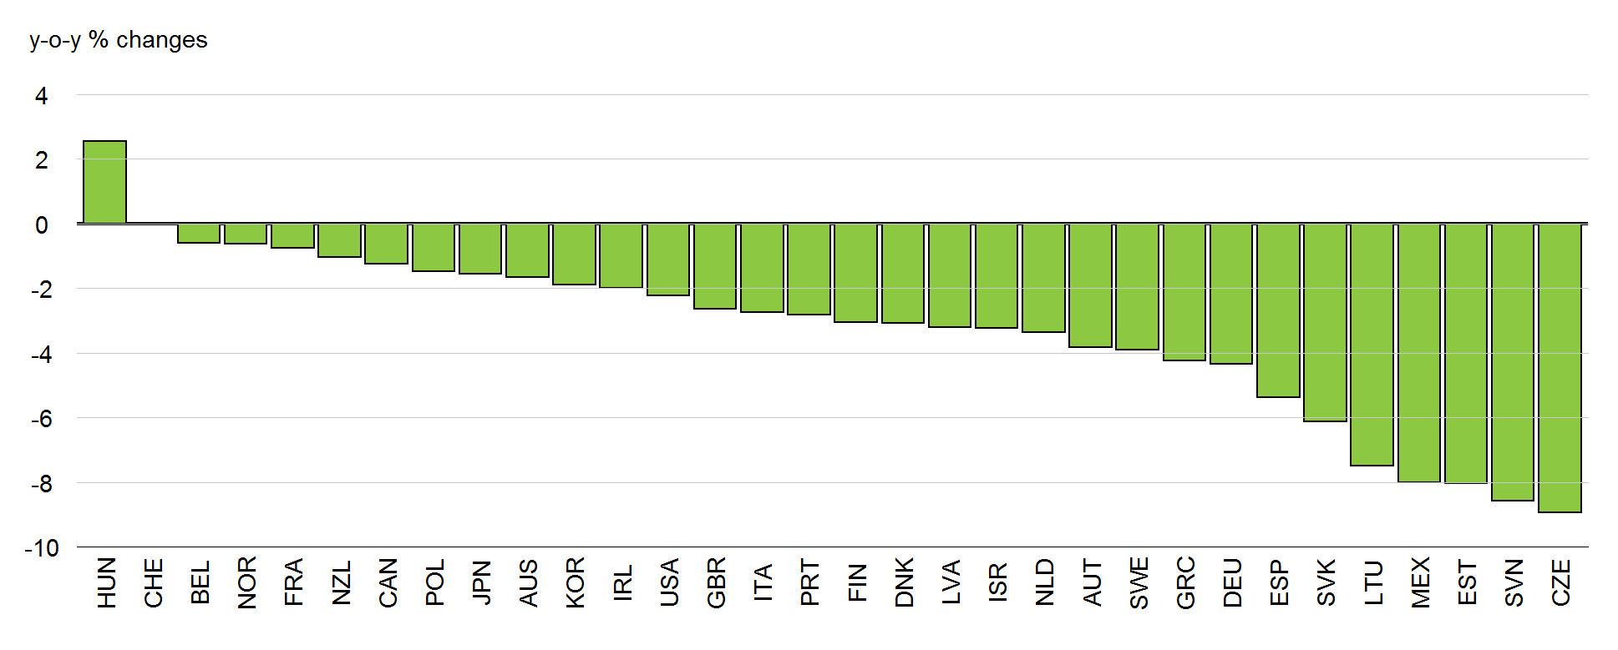

Left Y Axis: | y-o-y % changes

Hungary | 2.5477483533
Switzerland | -0.023045560135
Belgium | -0.60570415154
Norway | -0.63930837129
France | -0.76836000329
New Zealand | -1.0335319998
Canada | -1.2481471127
Poland | -1.4692153791
Japan | -1.5495596418
Australia | -1.6493100572
Korea | -1.8830930684
Ireland | -2.0028175379
United States | -2.2230962812
United Kingdom | -2.654418788
Italy | -2.7542627027
Portugal | -2.8172120135
Finland | -3.0606783278
Denmark | -3.087500663
Latvia | -3.2047577062
Israel | -3.2311043891
Netherlands | -3.3584706284
Austria | -3.8385629574
Sweden | -3.8996621472
Greece | -4.2337821577
Germany | -4.3498829719
Spain | -5.3831796614
Slovak Republic | -6.123442321
Lithuania | -7.4922419567
Mexico | -8.0025056686
Estonia | -8.0387830312
Slovenia | -8.5735214978
Czech Republic | -8.9408612774

Note: Compensation per employee deflated using the personal consumption expenditures deflator.
Source: OECD Economic Outlook 112 database; and OECD calculations.

