Statlink
Title: | Figure 1.4. Contributions of supply- and demand-driven inflation to headline inflation in selected OECD economies
 | Decomposition of contributions to year-on-year headline inflation

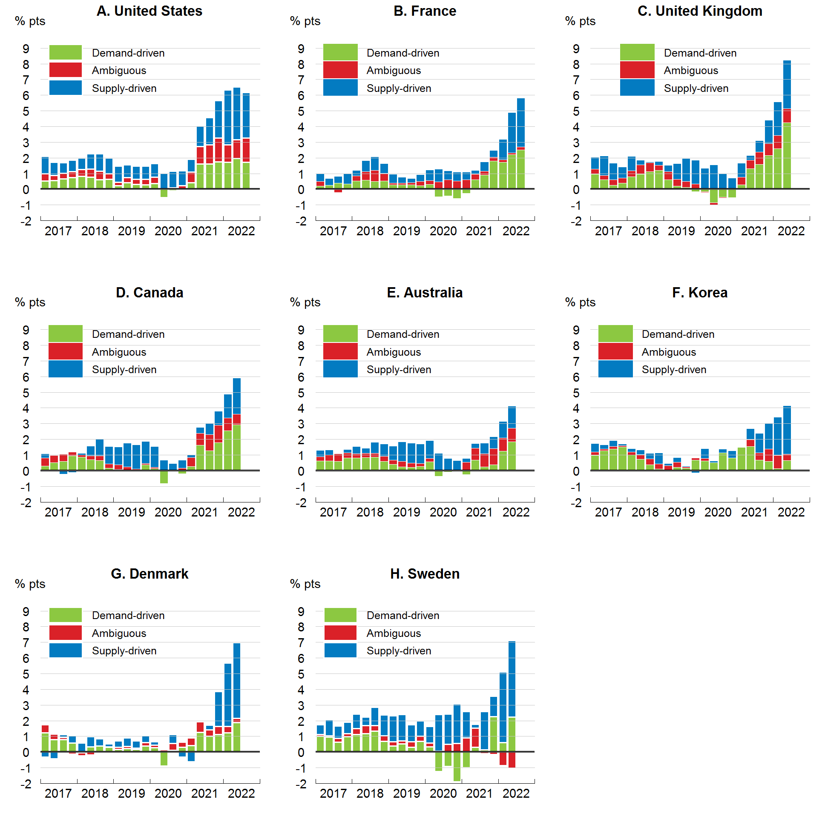
 | A. United States

Left Y Axis: | % pts
 | Supply-driven | Ambiguous | Demand-driven
2017-01-01 | 1.097314 | 0.4749818 | 0.5169936
2017-04-01 | 0.824818 | 0.3328544 | 0.5512724
2017-07-01 | 0.6734465 | 0.3645678 | 0.6601479
2017-10-01 | 0.7262287 | 0.380035 | 0.7562853
2018-01-01 | 0.7200388 | 0.4542326 | 0.8178484
2018-04-01 | 0.9774073 | 0.5388895 | 0.761906
2018-07-01 | 1.108468 | 0.558268 | 0.6015726
2018-10-01 | 1.018495 | 0.336255 | 0.6492722
2019-01-01 | 1.050142 | 0.2077915 | 0.2303673
2019-04-01 | 0.8244885 | 0.3096259 | 0.433025
2019-07-01 | 0.8348237 | 0.3297875 | 0.3132449
2019-10-01 | 0.8380001 | 0.3498794 | 0.2871004
2020-01-01 | 0.8750471 | 0.3898304 | 0.3756234
2020-04-01 | 0.9947818 | 0.0339073 | -0.5422106
2020-07-01 | 1.051448 | 0.1004595 | -0.0834707
2020-10-01 | 0.9642091 | 0.2196562 | -0.0501552
2021-01-01 | 0.7960778 | 0.6841493 | 0.4220855
2021-04-01 | 1.308337 | 1.10254 | 1.611453
2021-07-01 | 1.736644 | 1.203124 | 1.625252
2021-10-01 | 2.37897 | 1.506788 | 1.761468
2022-01-01 | 3.493337 | 1.119731 | 1.721442
2022-04-01 | 3.37707 | 1.180839 | 1.971897
2022-07-01 | 2.897837 | 1.540451 | 1.730922

 | B. France

Left Y Axis: | % pts
 | Supply-driven | Ambiguous | Demand-driven
2017-01-01 | 0.5111602 | 0.3135654 | 0.1978132
2017-04-01 | 0.4261631 | -0.01018 | 0.2638717
2017-07-01 | 0.4398945 | -0.1927346 | 0.3995293
2017-10-01 | 0.679766 | -0.0344651 | 0.3337233
2018-01-01 | 0.3720153 | 0.3251263 | 0.5183076
2018-04-01 | 0.6835988 | 0.5548204 | 0.5808274
2018-07-01 | 0.8829897 | 0.6910957 | 0.5141283
2018-10-01 | 0.6223357 | 0.4868138 | 0.5325969
2019-01-01 | 0.5605564 | 0.1036858 | 0.295911
2019-04-01 | 0.3815683 | 0.1189186 | 0.2797997
2019-07-01 | 0.2568443 | 0.1335732 | 0.2949856
2019-10-01 | 0.4288562 | 0.2733259 | 0.2338148
2020-01-01 | 0.6702974 | 0.2546566 | 0.311054
2020-04-01 | 0.8138937 | 0.4705594 | -0.4688731
2020-07-01 | 0.5711524 | 0.6024437 | -0.417388
2020-10-01 | 0.5637522 | 0.5278997 | -0.5860532
2021-01-01 | 0.4828464 | 0.6187897 | -0.2524267
2021-04-01 | 0.24297 | 0.369096 | 0.5996741
2021-07-01 | 0.6089644 | 0.2290952 | 0.9165282
2021-10-01 | 0.4429327 | 0.2240222 | 1.816335
2022-01-01 | 1.300488 | 0.1797175 | 1.713902
2022-04-01 | 2.574465 | 0.119285 | 2.203851
2022-07-01 | 3.107677 | 0.2094082 | 2.500954

 | C. United Kingdom

Left Y Axis: | % pts
 | Supply-driven | Ambiguous | Demand-driven
2017-01-01 | 0.773278 | 0.3160391 | 0.9714044
2017-04-01 | 1.228134 | 0.2941194 | 0.5971677
2017-07-01 | 1.073715 | 0.354071 | 0.2488518
2017-10-01 | 0.7001814 | 0.3266884 | 0.3973051
2018-01-01 | 0.9426869 | 0.3757533 | 0.7949647
2018-04-01 | 0.2910992 | 0.5929363 | 0.9749483
2018-07-01 | 0.0579364 | 0.5562305 | 1.137802
2018-10-01 | 0.2285995 | 0.3294342 | 1.20615
2019-01-01 | 0.3868036 | 0.5172243 | 0.6183081
2019-04-01 | 1.014719 | 0.4208377 | 0.2119655
2019-07-01 | 1.443958 | 0.3935992 | 0.1192586
2019-10-01 | 1.527534 | 0.3356623 | -0.1569779
2020-01-01 | 1.346516 | -0.0432567 | -0.1588214
2020-04-01 | 1.561096 | -0.1155365 | -0.867643
2020-07-01 | 0.9982902 | -0.0645441 | -0.4925715
2020-10-01 | 0.6645423 | 0.0488311 | -0.5344279
2021-01-01 | 0.8723283 | 0.5143351 | 0.2711866
2021-04-01 | 0.3103726 | 0.5303336 | 1.325083
2021-07-01 | 0.7482834 | 0.7786873 | 1.584146
2021-10-01 | 1.48816 | 0.774967 | 2.147945
2022-01-01 | 2.142245 | 0.8361248 | 2.602901
2022-04-01 | 3.097322 | 0.8845544 | 4.25703

 | D. Canada

Left Y Axis: | % pts
 | Supply-driven | Ambiguous | Demand-driven
2017-01-01 | 0.2626158 | 0.5382882 | 0.2831474
2017-04-01 | 0.0595994 | 0.4590475 | 0.5014807
2017-07-01 | -0.2130217 | 0.4664407 | 0.5904167
2017-10-01 | -0.1105588 | 0.2502012 | 0.9363163
2018-01-01 | 0.1189317 | 0.1471594 | 0.854687
2018-04-01 | 0.6328028 | 0.2450028 | 0.6980876
2018-07-01 | 1.057544 | 0.2941202 | 0.6586836
2018-10-01 | 1.132753 | 0.2531924 | 0.17015
2019-01-01 | 1.125433 | 0.3105404 | 0.0694104
2019-04-01 | 1.514712 | 0.1890817 | 0.0471481
2019-07-01 | 1.543408 | 0.10736 | -0.0276208
2019-10-01 | 1.405179 | 0.0867741 | 0.3639311
2020-01-01 | 1.308084 | 0.0874135 | 0.1360659
2020-04-01 | 0.6163827 | 0.059235 | -0.80469
2020-07-01 | 0.4298026 | 0.017691 | 0.0207111
2020-10-01 | 0.5165364 | 0.148566 | -0.186112
2021-01-01 | 0.166766 | 0.5826496 | 0.2658194
2021-04-01 | 0.3805787 | 0.7589316 | 1.635891
2021-07-01 | 0.7308924 | 1.030793 | 1.272574
2021-10-01 | 0.8917598 | 1.124879 | 1.786922
2022-01-01 | 1.515123 | 0.796041 | 2.559144
2022-04-01 | 2.303411 | 0.6843702 | 2.926161

 | E. Australia

Left Y Axis: | % pts
 | Supply-driven | Ambiguous | Demand-driven
2017-01-01 | 0.3806359 | 0.281682 | 0.6243507
2017-04-01 | 0.3247039 | 0.3845524 | 0.6243844
2017-07-01 | 0.0073901 | 0.4890669 | 0.6007991
2017-10-01 | 0.2118894 | 0.3222008 | 0.8191506
2018-01-01 | 0.4537304 | 0.276046 | 0.8200164
2018-04-01 | 0.3438379 | 0.2508085 | 0.8466544
2018-07-01 | 0.6915132 | 0.2392787 | 0.8772913
2018-10-01 | 0.7797085 | 0.3437327 | 0.5846244
2019-01-01 | 0.8895648 | 0.2714349 | 0.3997079
2019-04-01 | 1.242606 | 0.3518363 | 0.2541792
2019-07-01 | 1.281682 | 0.2617772 | 0.2110819
2019-10-01 | 1.230683 | 0.2065656 | 0.2635699
2020-01-01 | 1.148739 | 0.2098544 | 0.5727467
2020-04-01 | 1.054171 | 0.0590977 | -0.3431086
2020-07-01 | 0.7951119 | -0.0482231 | -0.0717815
2020-10-01 | 0.6331011 | -0.0369777 | 0.0211929
2021-01-01 | 0.2621706 | 0.5341148 | -0.2409502
2021-04-01 | 0.2814649 | 0.7659667 | 0.6789837
2021-07-01 | 0.6735843 | 0.854342 | 0.2414824
2021-10-01 | 0.758754 | 1.035283 | 0.3818664
2022-01-01 | 1.062608 | 0.8446018 | 1.237889
2022-04-01 | 1.419647 | 0.8770893 | 1.837314

 | F. Korea

Left Y Axis: | % pts
 | Supply-driven | Ambiguous | Demand-driven
2017-01-01 | 0.5551468 | 0.2068491 | 0.9756415
2017-04-01 | 0.2563968 | 0.1147662 | 1.274742
2017-07-01 | 0.3862501 | 0.1684206 | 1.375804
2017-10-01 | 0.1058737 | 0.0772711 | 1.519925
2018-01-01 | 0.2226535 | 0.1738412 | 1.008289
2018-04-01 | 0.2804051 | 0.3096915 | 0.7308745
2018-07-01 | 0.3358687 | 0.3940005 | 0.3748447
2018-10-01 | 0.6912054 | 0.3165142 | 0.1165686
2019-01-01 | 0.1490539 | 0.3209233 | -0.0118137
2019-04-01 | 0.3030776 | 0.3309819 | 0.210363
2019-07-01 | 0.0717345 | 0.0762716 | 0.1555388
2019-10-01 | -0.1468405 | 0.129244 | 0.6868622
2020-01-01 | 0.6279951 | 0.1431083 | 0.6320013
2020-04-01 | 0.1033776 | -0.0428702 | 0.5051533
2020-07-01 | 0.2682622 | -0.0328346 | 1.124777
2020-10-01 | 0.4431781 | -0.0117169 | 0.8233842
2021-01-01 | 0.0380551 | -0.0449091 | 1.483834
2021-04-01 | 0.7074126 | 0.4250521 | 1.548552
2021-07-01 | 1.243217 | 0.471118 | 0.665495
2021-10-01 | 1.658333 | 0.784427 | 0.6009765
2022-01-01 | 2.418817 | 0.864244 | 0.1233413
2022-04-01 | 3.095143 | 0.3942828 | 0.6592141

 | G. Denmark

Left Y Axis: | % pts
 | Supply-driven | Ambiguous | Demand-driven
2017-01-01 | -0.3234284 | 0.5142417 | 1.224886
2017-04-01 | -0.4288338 | 0.3572187 | 0.7835297
2017-07-01 | 0.1922767 | 0.1568885 | 0.7823443
2017-10-01 | 0.4746633 | -0.115241 | 0.571044
2018-01-01 | 0.5841598 | -0.2004853 | -0.0414791
2018-04-01 | 0.6317719 | -0.1937237 | 0.3423814
2018-07-01 | 0.4446769 | -0.0704293 | 0.4015495
2018-10-01 | 0.1798168 | 0.0475821 | 0.2936955
2019-01-01 | 0.4130902 | 0.1194965 | 0.1850332
2019-04-01 | 0.5523247 | 0.1112636 | 0.2391017
2019-07-01 | 0.4493256 | 0.0798937 | 0.180382
2019-10-01 | 0.4223062 | 0.2143368 | 0.3978486
2020-01-01 | 0.2100048 | 0.1567179 | 0.293479
2020-04-01 | 0.0612648 | 0.1567179 | -0.8962199
2020-07-01 | 0.5665804 | 0.4280602 | 0.119071
2020-10-01 | -0.3214806 | 0.3309421 | 0.3004931
2021-01-01 | -0.6145631 | 0.4806148 | 0.4170782
2021-04-01 | 0.0941963 | 0.6780885 | 1.265108
2021-07-01 | 0.3174596 | 0.3836465 | 1.023346
2021-10-01 | 2.244408 | 0.5165244 | 1.10762
2022-01-01 | 4.024074 | 0.4002575 | 1.242516
2022-04-01 | 4.84492 | 0.2683658 | 1.871675

 | H. Sweden

Left Y Axis: | % pts
 | Supply-driven | Ambiguous | Demand-driven
2017-01-01 | 0.63904 | 0.0941042 | 1.013678
2017-04-01 | 1.029176 | 0.0666894 | 0.9634667
2017-07-01 | 0.783263 | 0.256913 | 0.6197659
2017-10-01 | 0.749851 | 0.1832478 | 0.9834532
2018-01-01 | 0.9419264 | 0.3700043 | 1.120069
2018-04-01 | 0.5657298 | 0.5161931 | 1.164107
2018-07-01 | 1.15629 | 0.3606331 | 1.331979
2018-10-01 | 1.315363 | 0.3513602 | 0.6899233
2019-01-01 | 1.658835 | 0.2540416 | 0.3960603
2019-04-01 | 1.69801 | 0.1680365 | 0.534515
2019-07-01 | 1.066648 | 0.3663335 | 0.2996297
2019-10-01 | 0.9553606 | 0.3423836 | 0.6822979
2020-01-01 | 1.046208 | 0.2534092 | 0.3283565
2020-04-01 | 2.322016 | 0.0757045 | -1.242084
2020-07-01 | 1.902846 | 0.5086557 | -0.9207141
2020-10-01 | 2.527615 | 0.5577927 | -1.896237
2021-01-01 | 1.688519 | 0.8950651 | -0.9905302
2021-04-01 | 0.2554454 | 1.232601 | 0.2939644
2021-07-01 | 2.431206 | -0.1002985 | 0.153123
2021-10-01 | 1.301188 | -0.1670981 | 2.262848
2022-01-01 | 4.506536 | -0.847989 | 0.5944583
2022-04-01 | 4.889441 | -1.034116 | 2.223282

Source: U.S. Bureau of Economic Analysis; Statistics Canada; UK Office of National Statistics; INSEE; Australian Bureau of Statistics; Bank of Korea; Statistics Denmark; Statistics Sweden; and OECD calculations.

