Hoja1

Pedro RIOS MACIAS

08917, Badalona (Barcelona)
Tel +34 678 99 53 25

Email | riosmacias@gmail.com
WEB | www.pedrorios.site
Driving license A, B
I have a Car and Motorcycle for travel

I am currently guiding, towards the development of Back End platforms and
Front End, as well as the development and maintenance of Java applications.
I have acquired knowledge about SEO.

STUDIES

2020 | SEPE-fesmcugt | Web Development Course JSP, Servlet, Strut, Spring
 | JDBC, Hibernate. (On-Line)

2019 | UOC Back end Development Course in PHP, Drupal, Codeignter, Laravel

2018 | Training SEO-SEM Course, Web Positioning, Robots, Google Ads.
 | Center for Tálde Training Studies, Carrer Valencia, 451, 08013 Barcelona

2017 | Superior Degree WEB Applications Development Front End / Back End
 | NetMind Study Center, Carrer Almogávares, 123, 08018 Barcelona

2017 | Training Java Applications Development
 | Centro de Estudios Tálde Formación, Carrer Valencia, 451, 08013 Barcelona

2014-2016 | Training Java Development, Android Programming, XML
 | CEPI-BASE, Carrer Balmes, 114, 08008 Barcelona

1990 | FP-II Management Informatics
 | Centro de Estudios Roca. Avd. Meridiana 263, 08027 Barcelona

LANGUAGES | Catalan and Native Spanish
 | I speak English Conversation, I read and write it.

WORK EXPERIENCE

2020 |  | Computer technician

 | Oracle Queries (SQL)
 | Office automation, Installation and maintenance of PC `S and Networks
 | WEB Design and Maintenance
 | User Service (HelpDesk)
 | Installation of Teleworking stations, Helpdesk Users Teleworking
 | Design tools and Digital Photography

2019 |  | Front-End Back-End Application Development

 | Photo retouching: Photoshop
 | Web Design. Bootstrap, WordPress
 | Development with. HTML5, CSS, Java Script, Jquery, PHP, SQL, XML, Java.

 |  | Java development, SCRIPT BASH
2018
 | DEC de la "Caixa" Development and Maintenance of existing projects
 | Programming languages. Java, Script Bash
 | Tools. Eclipse, SVN, Git

 |  | Support and Development
2014-2016
 | Help Desk for Insitu users and Remote Mode
 | Computer equipment layout
 | Collaboration in different programming projects
 | Java, HTML, CSS, JS, PHP, MySql, Linux Centos & Ubuntu.
 | Assembly of servers and disk cabinets

 |  | IBM Operations Coordinator
2010-2014
 | 24x7 Operators Team Coordinator
 | Implementation of work schedules and shifts
 | Network monitoring with Nagios.
 | Development and implementation of common procedures
 | of jobs.
 | Access Application Design for different clients.
 | Access Control CPD

 |  | Head of HelpDesk and Microinformatics
2006-2007
 | Responsible for the Help Desk, Local Users and Remote Clients. Responsible for the Help Desk, Local Users and Remote Clients.
 | Shopping, integration and configuration of photo kiosks.
 | Software Documentation Development.

SKILL

 |  |  | VIRTUALBOX

 | XP, 7, 8, 10

COMPETENCES
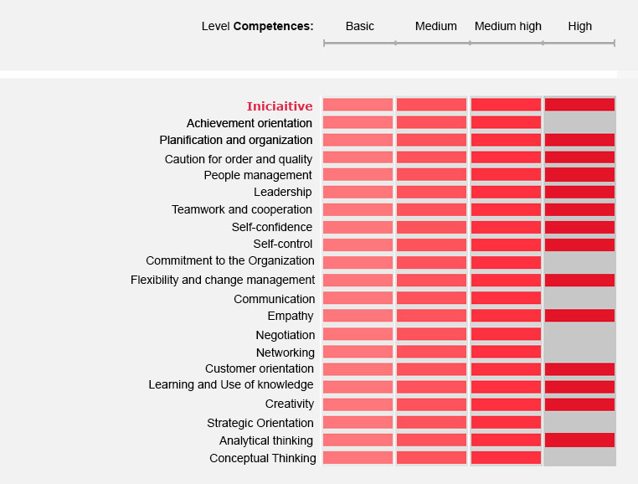

 |  | RGPD

In accordance with the regulations on personal data protection, the data provided.
They must be entered in a confidential file owned by the company that
ha solicitado. Y como finalidad solo podrán usarse para la gestión SELECCIÓN de
PERSONAL.
has requested. And as a purpose they can only be used for the management SELECTION of
For this, you have my consent as the legal basis for this type of
treatment.

This treatment has been granted when downloading my CV from my WEB or as a response
to a telematic request. (mail, telephone, fax).

Likewise, the applicant company is authorized to transfer the CV to third companies, with the
sole purpose of being able to evaluate my candidacy, in a personnel selection process.

This CV can be stored in the database of the applicant company, and may
be kept for at least the duration of the selection process and or not
more than 6 months.

After this period of time the CV must be deleted from any database
telematics or physical file in which it is located.

