Ogive
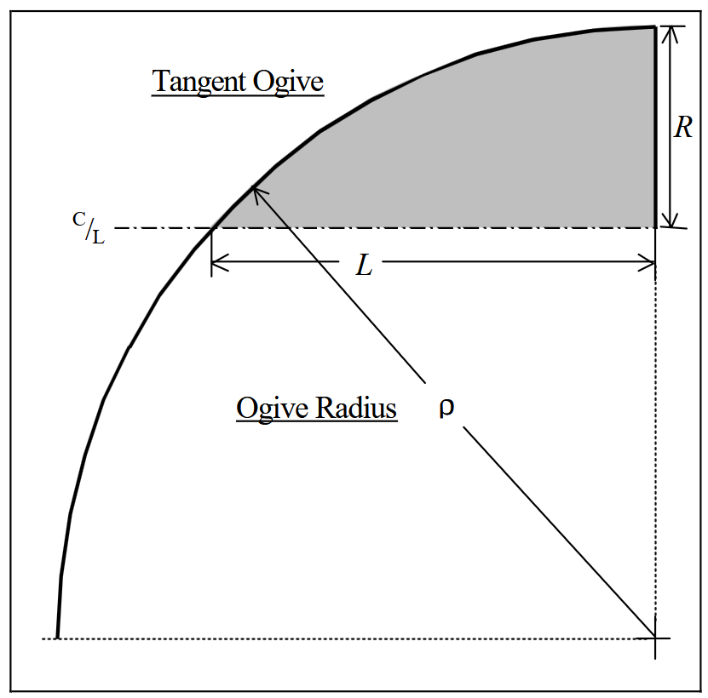
Tangent Ogive
 |  | https://nakka-rocketry.net/articles/Descriptive_Geometry_Nosecones_Crowell_1996.pdf
Radius (1/2 Diameter) | 25
Length | 100

 | 212.5

