Network_Map_GBS
Level#1
Level#2
Platform line

10
(60)
10
(60)
6
(120)
6
(120)

WPS-10
WPS-06

4
(120)
3
(170)

WPS-04
WPS-03

11
(60)
11
(60)

WPS-11
4
(120)
3
(270)

2
(120)
2
(120)
9
(60)
WPS-02
9
(120)
WPS-09

1
(120)
CPP
1
(120)
8
(120)

13
(60)
WPS-01
7
(120)

8
(60)
5
(120)
13
(60)
WPS-08
7
(60)
WPS-13
WPS-07
5
(150)

12
(60)
WPS-05

12
(60)

WPS-12

Network_Map_GBN
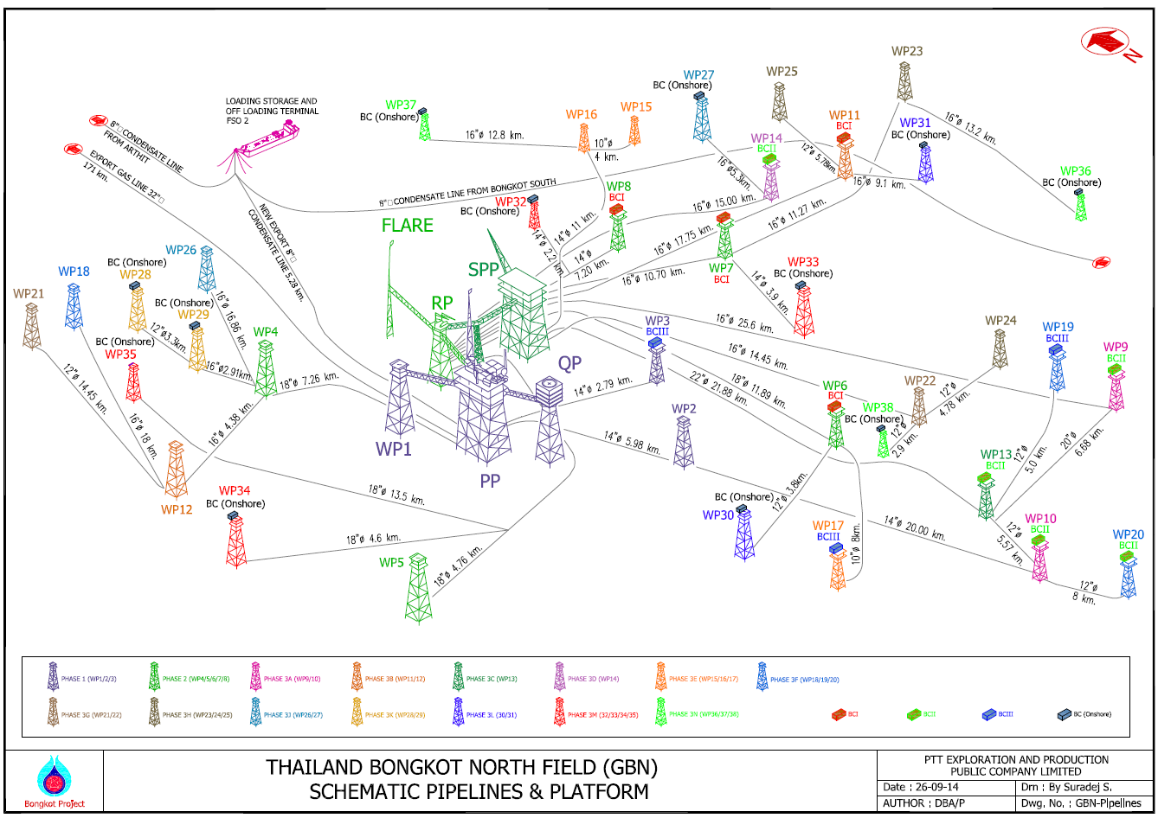
 | Level#1
 | Level#2
 | Level#3
25
 | Level#4
37
15
27
 | Level#5
31
36

11
16
14
32
23
 |  |  | For input in LINE sheet: Line LV
WP | Level | Capacity | 1 | 2 | 3
1 | 1 | 125 | 125 | 0 | 0
2 | 1 | 94 | 94 | 0 | 0
8
7
33
3 | 1 | 94 | 94 | 0 | 0
4 | 1 | 160 | 160 | 0 | 0
5 | 1 | 120 | 120 | 0 | 0
6 | 1 | 120 | 120 | 0 | 0
7 | 1 | 120 | 120 | 0 | 0
8 | 1 | 85 | 85 | 0 | 0
9 | 2 | 175 | 0 | 175 | 0
28
26
10 | 2 | 130 | 0 | 130 | 0
21
18
11 | 1 | 120 | 120 | 0 | 0
29
3
22
12 | 2 | 160 | 0 | 160 | 0
4
24
13 | 1 | 375 | 375 | 0 | 0
14 | 1 | 160 | 160 | 0 | 0
6
15 | 2 | 60 | 0 | 60 | 0
1
19
16 | 1 | 120 | 120 | 0 | 0
2
38
17 | 2 | 60 | 0 | 60 | 0
18 | 3 | 60 | 0 | 0 | 60
12
30
9
19 | 2 | 60 | 0 | 60 | 0
35
17
13
20 | 3 | 60 | 0 | 0 | 60
21 | 3 | 60 | 0 | 0 | 60
5
22 | 1 | 120 | 120 | 0 | 0
23 | 2 | 120 | 0 | 120 | 0
10
24 | 2 | 60 | 0 | 60 | 0
34
25 | 2 | 60 | 0 | 60 | 0
26 | 2 | 120 | 0 | 120 | 0
27 | 2 | 120 | 0 | 120 | 0
20
28 | 3 | 60 | 0 | 0 | 60
29 | 2 | 60 | 0 | 60 | 0
30 | 2 | 60 | 0 | 60 | 0
31 | 2 | 60 | 0 | 60 | 0
32 | 2 | 60 | 0 | 60 | 0
33 | 2 | 60 | 0 | 60 | 0
34 | 2 | 60 | 0 | 60 | 0
35 | 2 | 60 | 0 | 60 | 0
36 | 3 | 60 | 0 | 0 | 60
37 | 2 | 60 | 0 | 60 | 0
38 | 2 | 60 | 0 | 60 | 0

