Sheet4
 |  |  |  |  | Binomial A/B test Calculator

Campaign | Version | Clicks | Impressions | COV%
NewYear | V1 | 57 | 4430 | 1.29%
NewYear | V2 | 30 | 13039 | 0.23%
BlackFriday | V1 | 8 | 8220 | 0.10%
BlackFriday | V2 | 24 | 24276 | 0.10%

Task: If there's a statistically significant difference between the versions of each campaign?
Black Friday
New Year

H0: | There is no difference between different marketing campaigns |  |  |  |  | H0: | There is no difference between different marketing campaigns
H1: | There is a significant difference among 2 different campaigns |  |  |  |  | H1: | There is a significant difference among 2 different campaigns

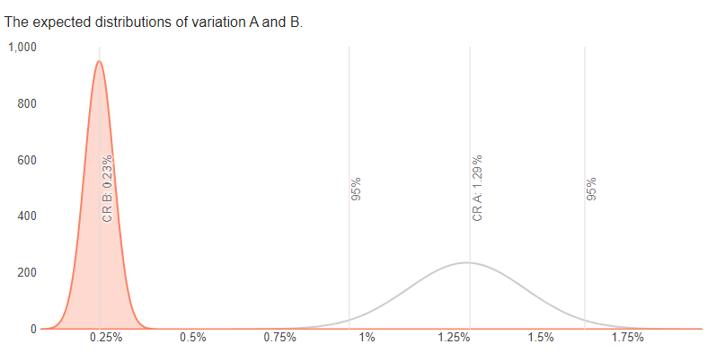
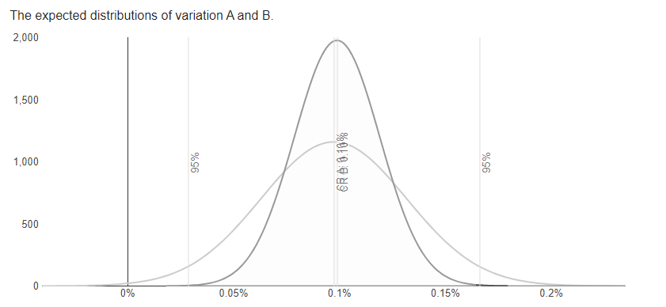

 |  | confidence level |  | Alpha
 |  | 95% |  | 0.05

 |  |  |  |  |  |  |  | alpha | confidence level | alpha
 |  | confidence level |  | Alpha |  |  |  |  | 99% | 0.01
 |  | 99% |  | 0.01


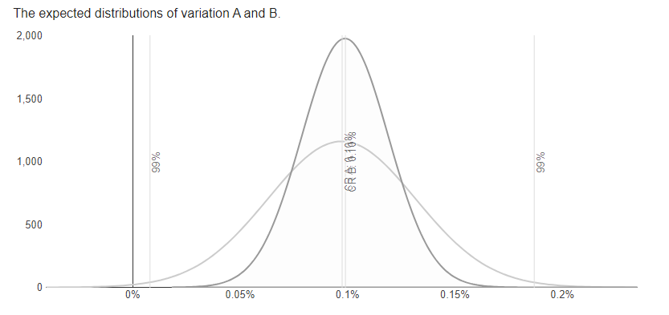

Insight1: | Since If p≤α, then we reject the null hypothesis and we accept the alternative hypothesis. We conclude that the difference we observed is statiscally significant.
 | Z-score of -6.05, is also quite extreme.
 | Confidence Level(No overlap)
 | relative uplift means the conversion rate of the second version (V2) is 82.12% lower than the conversion rate of the first version (V1). This is a significant decrease, suggesting that the second version (V2) performed much worse than the first version (V1) in terms of conversion rate.
 | an observed power of 100% suggests that the results of your test are highly reliable in rejecting the null hypothesis

Insight 2: | since If p>α, then we do not reject the null hypothesis
 | the z-score is 0.03 saying that the observation is close to mean and not very far from what we accepted. And since its less than 1.96 saying the test is not statistically significant.
 | confidence have overlap
 | the relative uplift indicate that both campaigns perform not siginificantly different.

