1. Title Page
[Project Name]

Project Name: Instacart Basket Analysis
Date: July 16th, 2023
Analyst Name: Paige Pearson

Contents:
Population Flow
Consistency checks
Wrangling steps
Column derivations
Visualizations
Recommendations

Data Citation:
Data was fabricated for the purpose of this project.
"The Instacart Online Grocery Shopping Dataset 2017", Accessed from http://www.instacart.com/datasets/grocery-shopping-2017 on [date]
https://simple.wikipedia.org/wiki/List_of_regions_of_the_United_States

2. Population Flow
Title page

Population flow

Exclusion flag
Condition: max_order < 5
Obervations to be removed: 1440295
Final total count of order_products_all: 30964564 rows

Orders_products_combined
Orders_products_merged
Instacart_merged

Total: 32434489 rows
Total: 32404859 rows
Total: 32404859 rows

1.) The grey boxes in the first row of the population flow represent the original data sets as they were when you downloaded them. In the Total fields you need to add the count of the rows when you imported the data set into Jupyter.
2.) The second row of boxes (coloured) represents the data sets after you manipulated them, e.g., removed missing values and duplicates. In the Total fields you need to add the count of the rows after conducting these operations. This offers a visual oveview of how the data flows throughout the data consistency checks.
3.) The third row, where also the arrows are coloured, represents the merges you performed between the datasets. In the Total fields you need to add the count of the rows in the merged datasets, so that you end up with the final dataset (in the red box). Keep in mind the final dataset should be without exclusions (based on the exclusion flag).

3. Consistency checks
 |  |  |  | Title page
Consistency checks

Dataset | Missing values | Missing values treatment | Duplicates
orders | 206209 missing values | No action taken, these indicated a first time customer | No duplicates found
products | 16 missing values | missing values removed | 5 duplicates removed
orders_products_prior | No missing values | n/a | No duplicates found
customers | No missing values | n/a | No duplicates found

Extra: products | Unusual high prices were found during 4.8, and later dealt with in 4.9 these price anomolies were replaced with NaN

4. Wrangling steps
 |  |  |  | Title page
Wrangling steps

Columns dropped | Columns renamed | Columns' type changed | Comment/Reason
eval_set |  |  | not needed for analysis
 | order_dow changed to order_day_of_week |  | made it more readable
 |  | order_id changed to string | changed to reduce cost of running analysis
 |  | user_id changed to string | changed to reduce cost of running analysis
 | days_since_prior_order changed to days_since_last_order |  | made it more readable
 | Unnamed: 0 changed to department_id |  | changed during merge to give numerical identifier to different departments
 | Surnam changed to last_name |  | changed to be more readable and correct spelling
 | n_dependants changed to number_of_dependants |  | made it more readable
 | fam_status changed to marital_status |  | made it more readable
 | Gender changed to gender |  | changed to make column uniform with others
 | STATE changed to state |  | changed to make column uniform with others
 | Age changed to age |  | changed to make column uniform with others
first_name |  |  | PII data concerns
last_name |  |  | PII data concerns

5. Column derivations
 |  |  |  | Title page

Column derivations and aggregations

In this tab you should add tables below that the frequences of flags/label variables that you produced after deriving them. NB: don't do this for continuous variables, only for flags.
Dataset | New column | Column/s it was derived from | Conditions
orders_products_merged_updated | price_range_loc | prices | prices > 5 = High-range, prices <= 15 = Mid-range, prices <= 5 = Low-range
orders_products_merged_updated | busiest day | order_day_of_week | value == 0 = Busiest day, value === 4 = Least busy, All other values = Regularly busy
orders_products_merged_updated | busiest_days | order_day_of_week | value == 0 or value == 1 = Busiest days, value == 4 or value == 3 = Slowest days, all other values = Regular days
orders_products_merged_updated | busiest_period_of_day | order_hour_of_day | value == 8-19 = Most orders, value == 0-5 = Fewest orders, all other values = Average orders
orders_products_merged_updated2 | loyalty_flag | max_order | max_order > 40 = Loyal customer, max_order <= 40 = Regular customer, max_order <= 10 = New customer
orders_products_merged_updated2 | spending_flag | average_spent (from the mean of user_id and prices) | average_spend < 1 10 = Low spender, average_spent >= 10 = High spender
orders_products_merged_updated2 | order_frequency_flag | median_orders (from the median of user_id and days_since_last_order) | median_orders > 20 = Non-frequent customer, median_orders > 10 & <= 20 = Regular customer, median_orders <= 10 = Frequent customer
instacart_merged | region | state | Northeast = Main, New Hampshire, Vermont, Massachusetts, Rhode Island, Connecticut, New York, Pennsylvania, New Jersey. Midwest = Wisconsin, Michigan, Illinois, Indiana, Ohio, North Dakota, South Dakota, Nebraska, Kansas, Minnesota, Iowa, Missouri. South = Delaware, Maryland, D.C., Virginia, North Carolina, South Carolina, Georgia, Florida, Kentucky, Tennessee, Mississippi, Alabama, Oklahoma, Texas, Arkansas, Louisiana. All other states = West.
instacart_merged | activity_flag | max_order | max_order < 5 = Low activity, max_order >= 5 = Regular activity
instacart_merged | age_flag | age | age >= 65 = Senior, age < 65 & age >- 40 = Middle Aged, age <40 & age >= 26 = Adult, age < 26 & age >= 18 = Young Adult, age < 18 = Child
instacart_merged | income_flag | income | income >= 150000 = High Income, income < 150000 & income >= 50000 = Middle Income, income <50000 = Low Income
instacart_merged | kid_flag | number_of dependants | number_of_dependants == 0 = Childless, number_of_dependants != 0 = Has Child

6. Visualizations
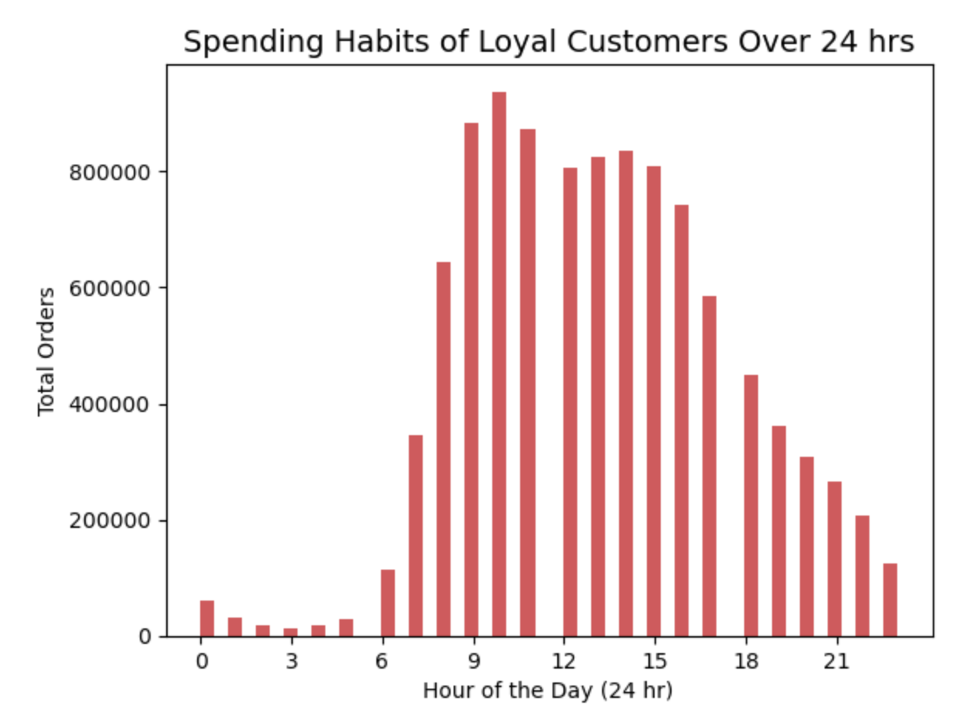
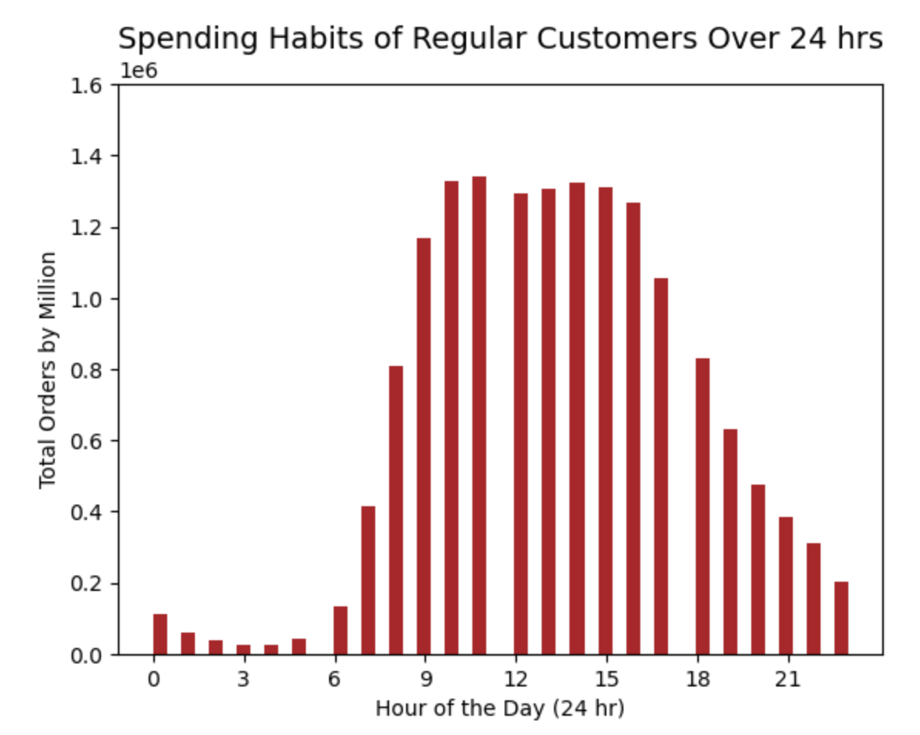
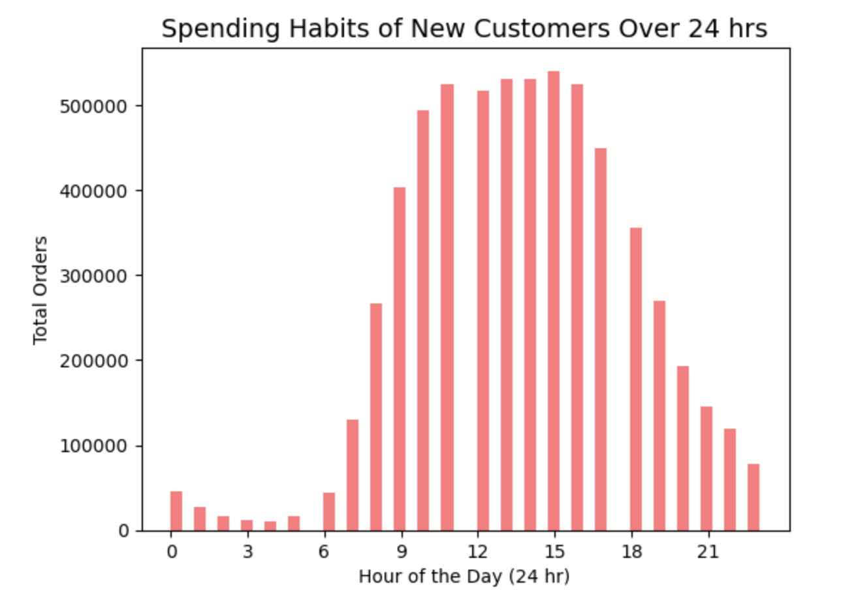
 |  |  |  | Title page

Visualisations

In this tab you should include all the visualtions from Exercises 4.9 and 4.10, alongside the questions from the project brief that they answer. Include any commentary on the relationship between different variables.

Project Brief Prompt: The sales team needs to know what the busiest days of the week
 |  | and house of the day are in order to schedule ads at times when
 |  | there are few orders.

Notes: Saturday and Sunday are the busiest days of the week. Orders are lowest on Wednesday and Thursday then begin to increase as the weekend aproaches.
 | I have included orders by hour for each day so marketing and sales can further determine when to launch ads on different days as their needs change.

Charts:

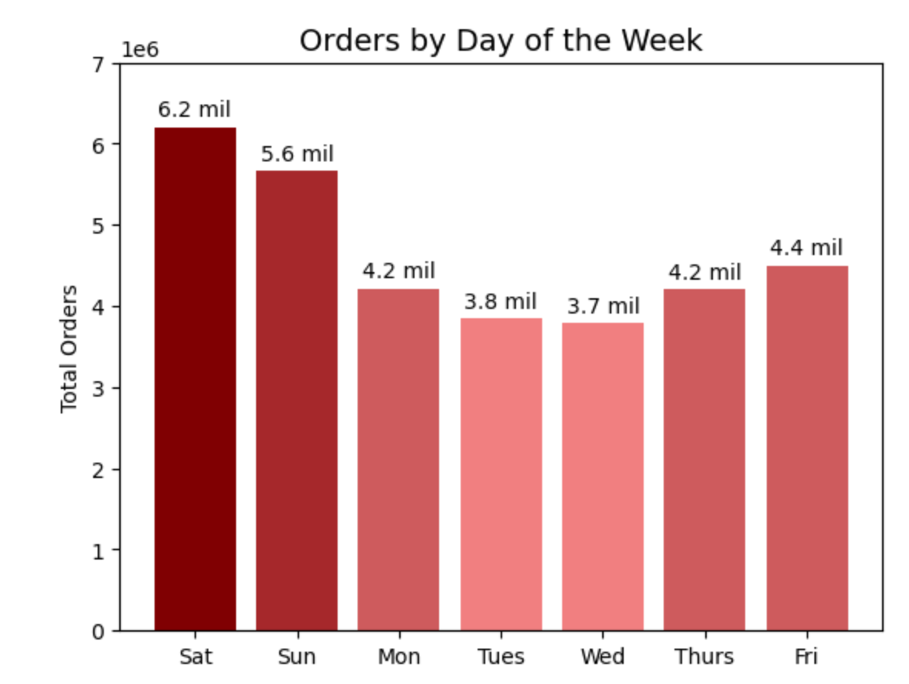
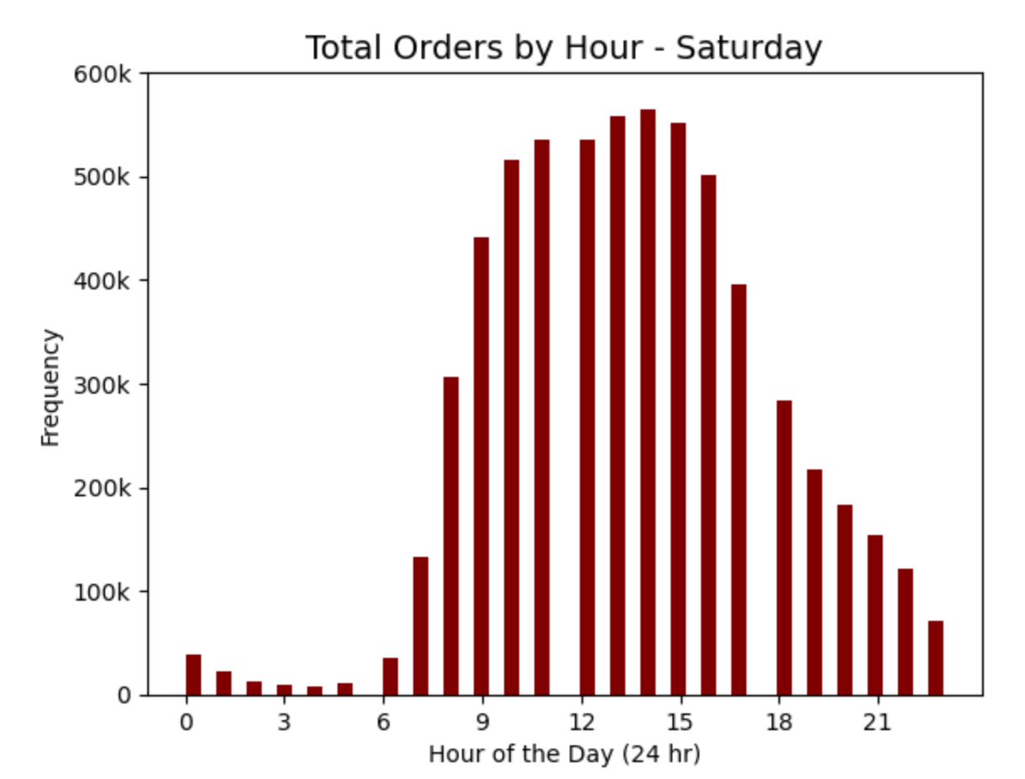
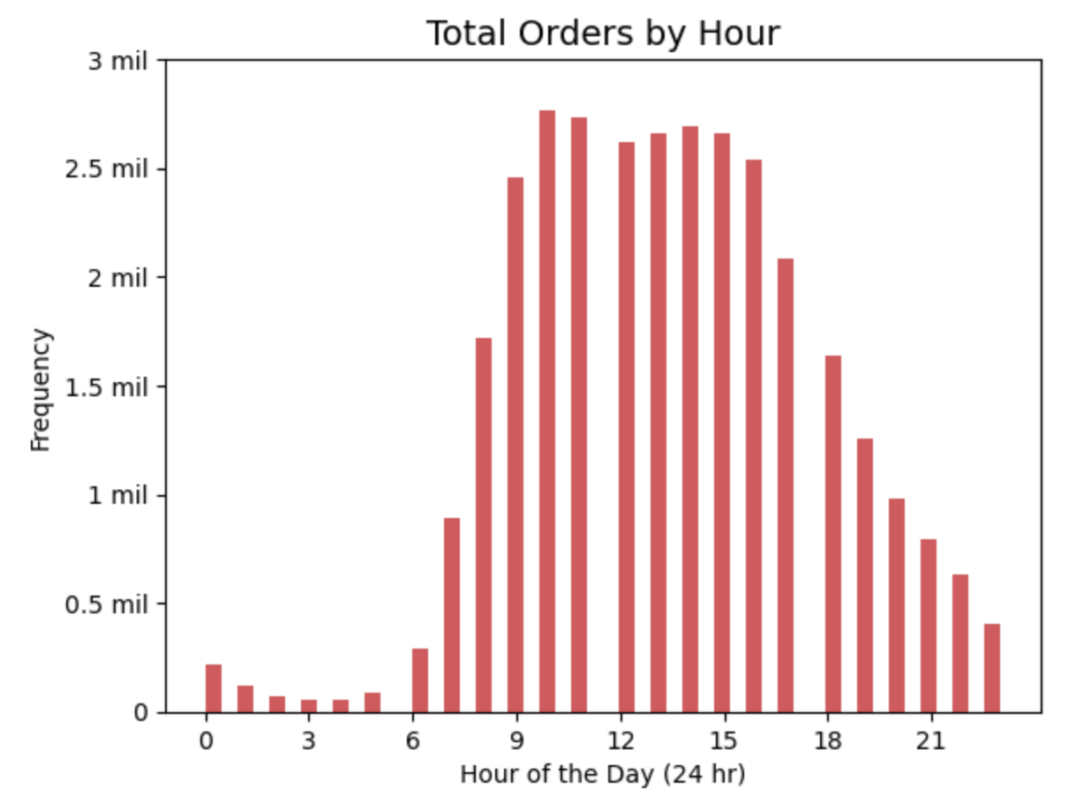

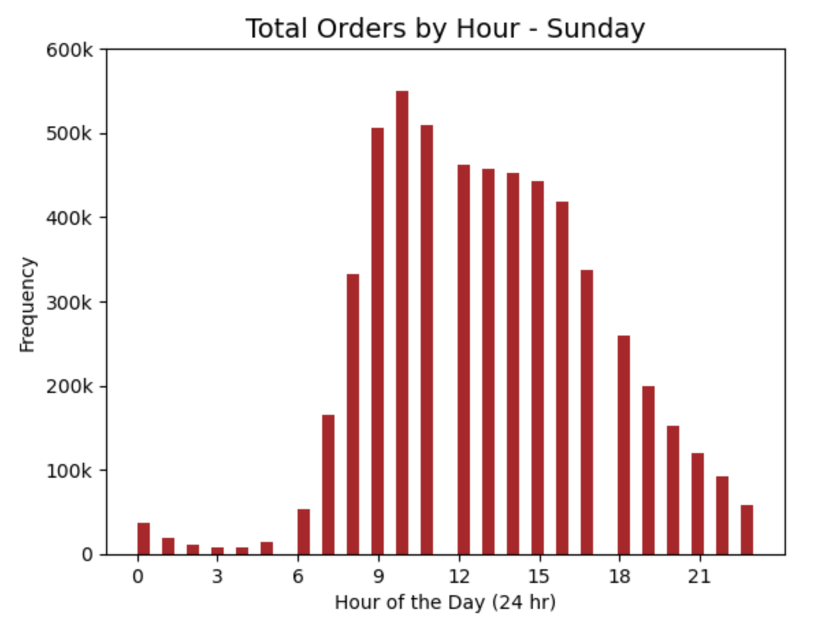
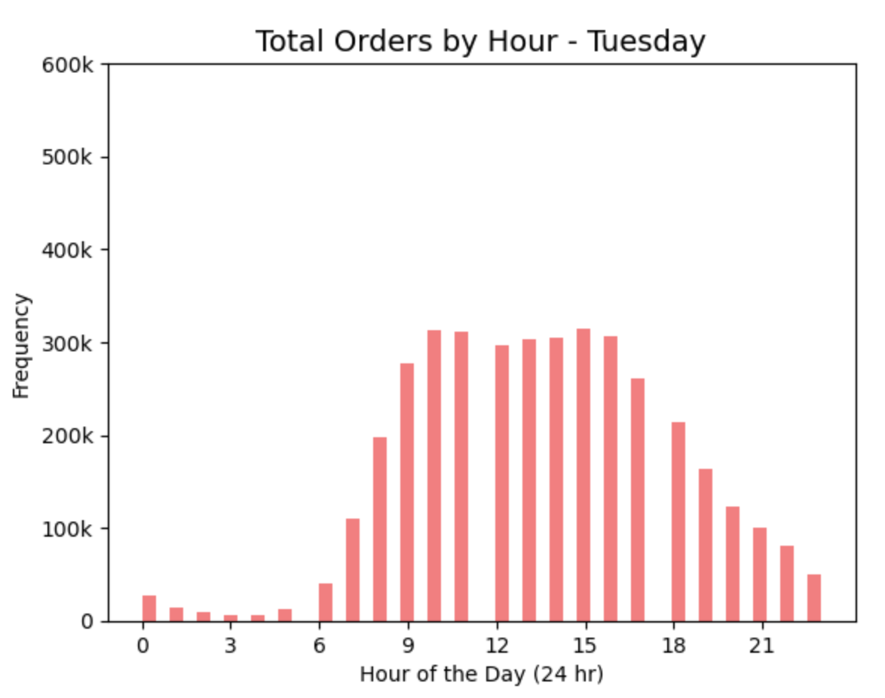
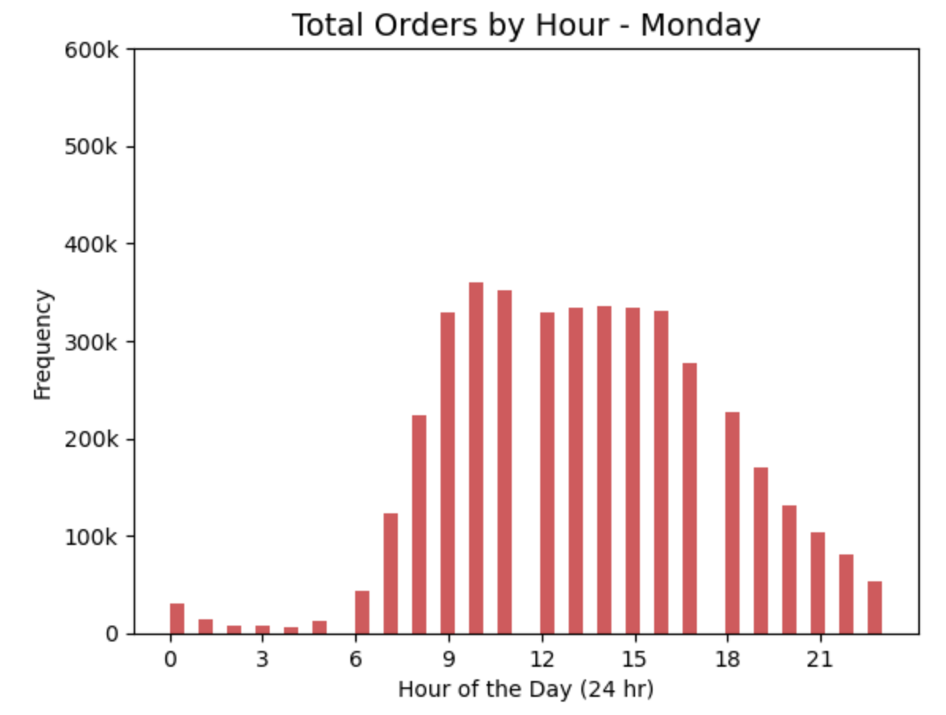

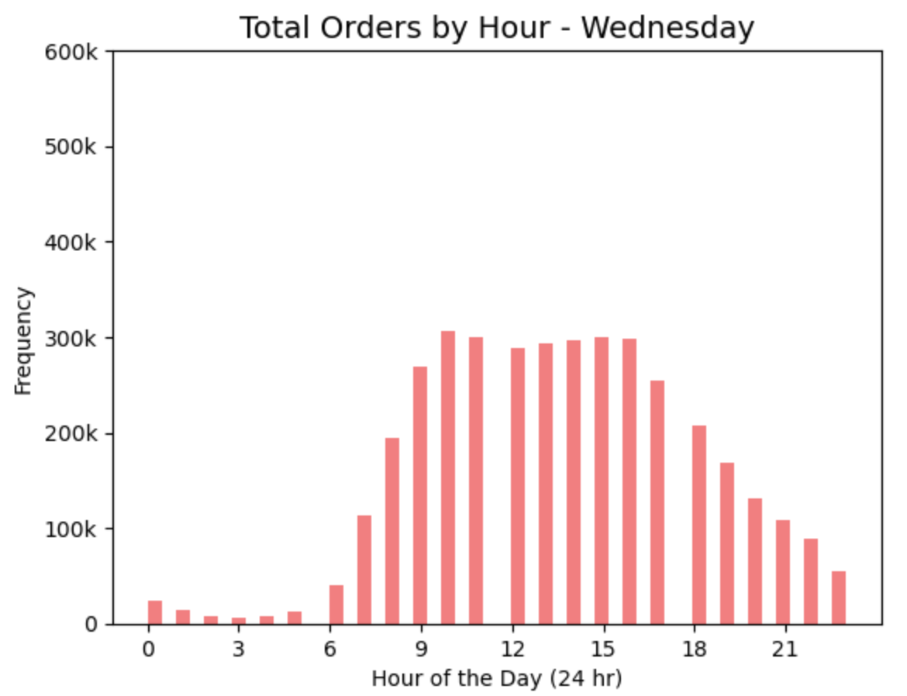
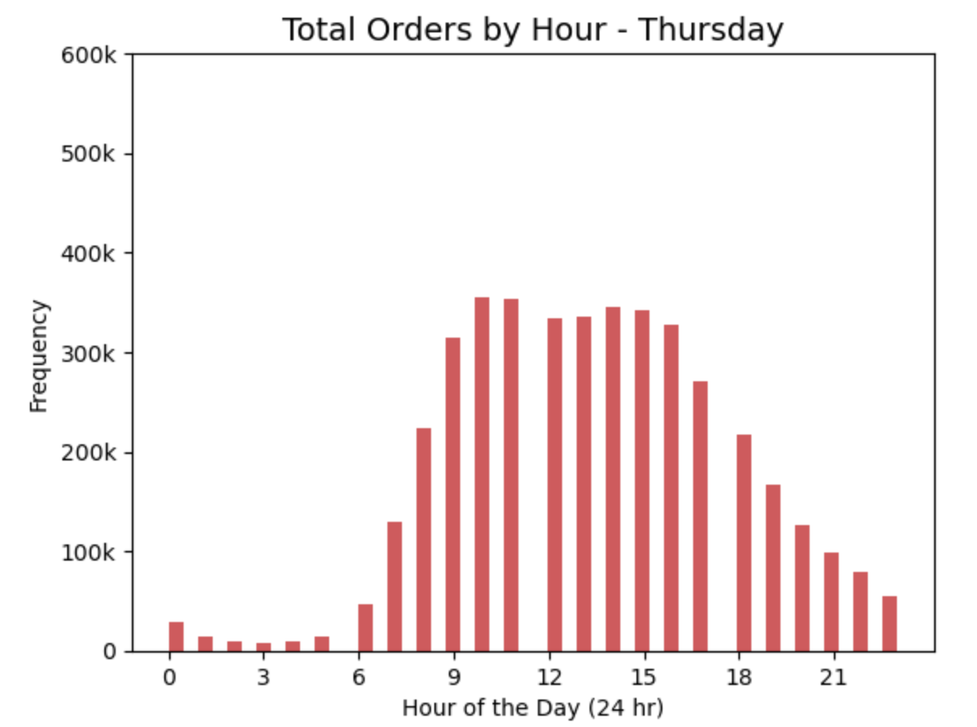
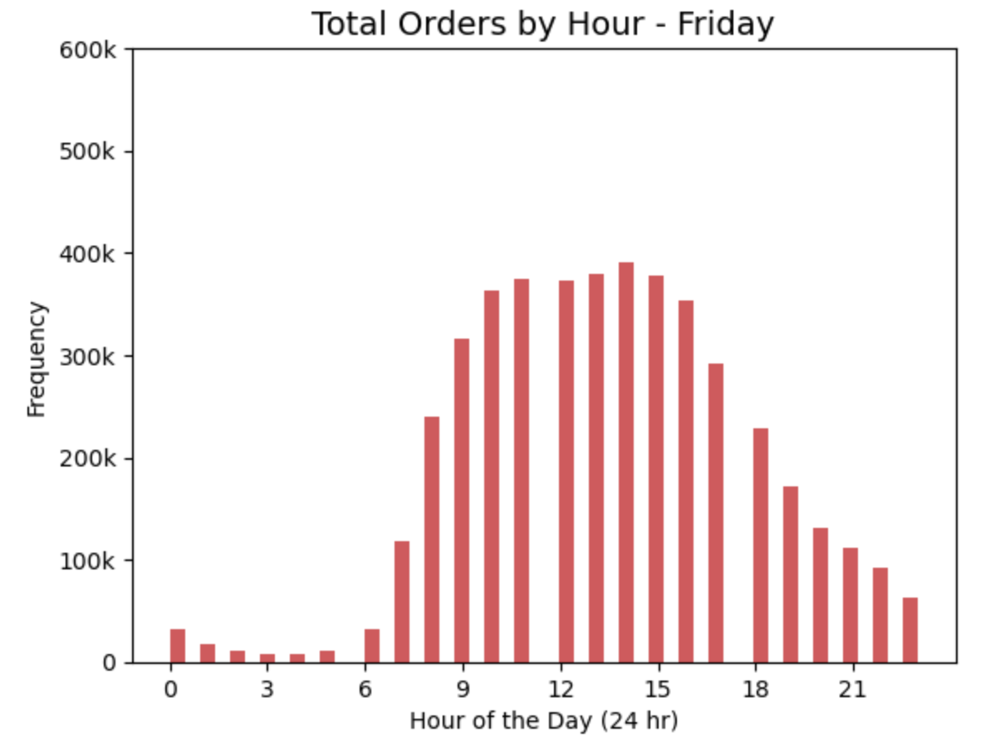

Project Brief Prompt: Are there particular times of the day when people spend the most
 |  | money, informing on the types of products to advertise at these times.

Notes: Based on the chart 'Total Orders by Hour" I created time periods to see if there were any differences in spending habits from one period of the day to the next.
 | The first period I named Morning Lull where the nighttime orders remain consistently low, the period where orders begin increasing is the Morning Rise, then we have Peak hours,
 | and lastly the Evening Fall where orders start to drop off.
Charts:

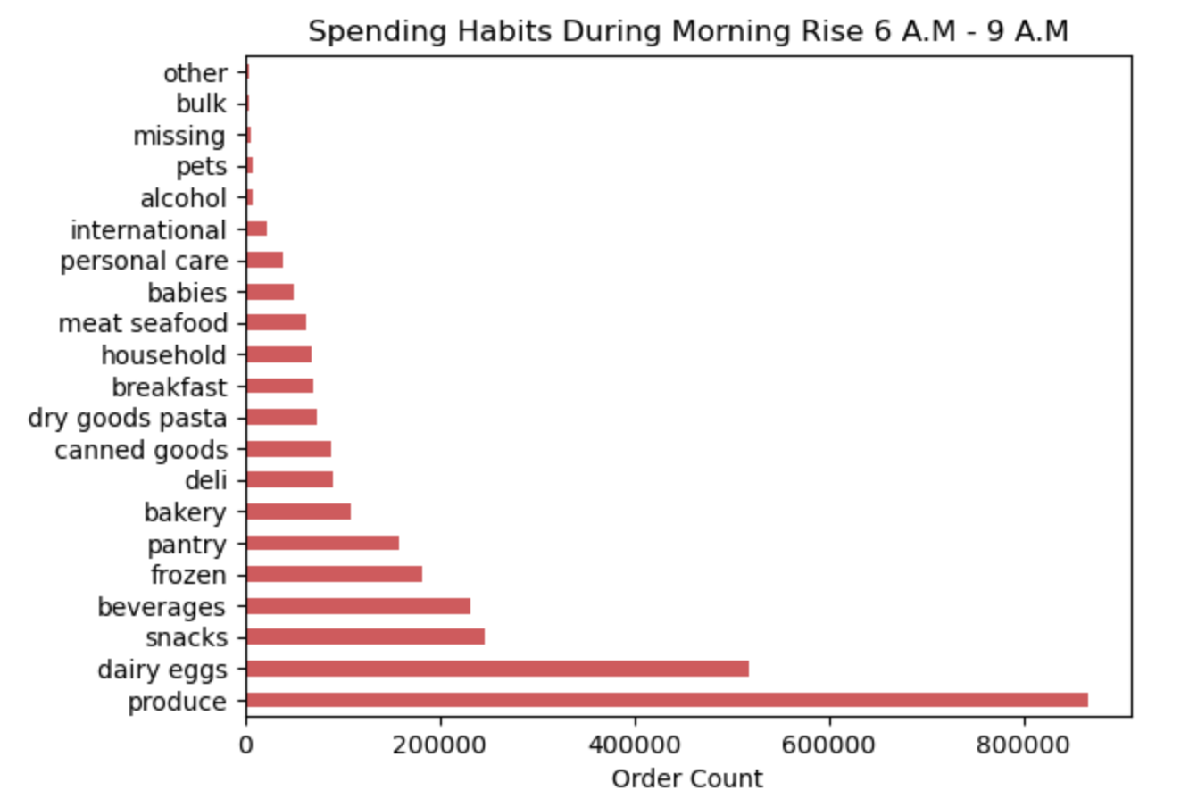
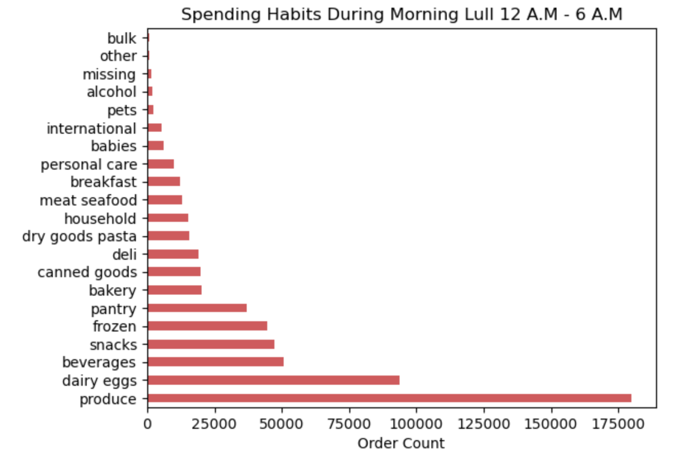

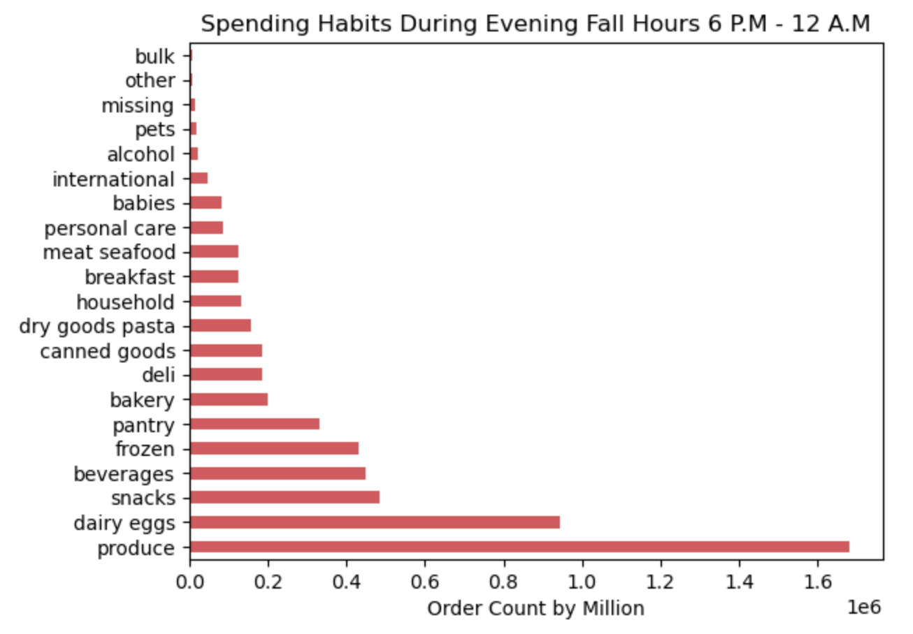
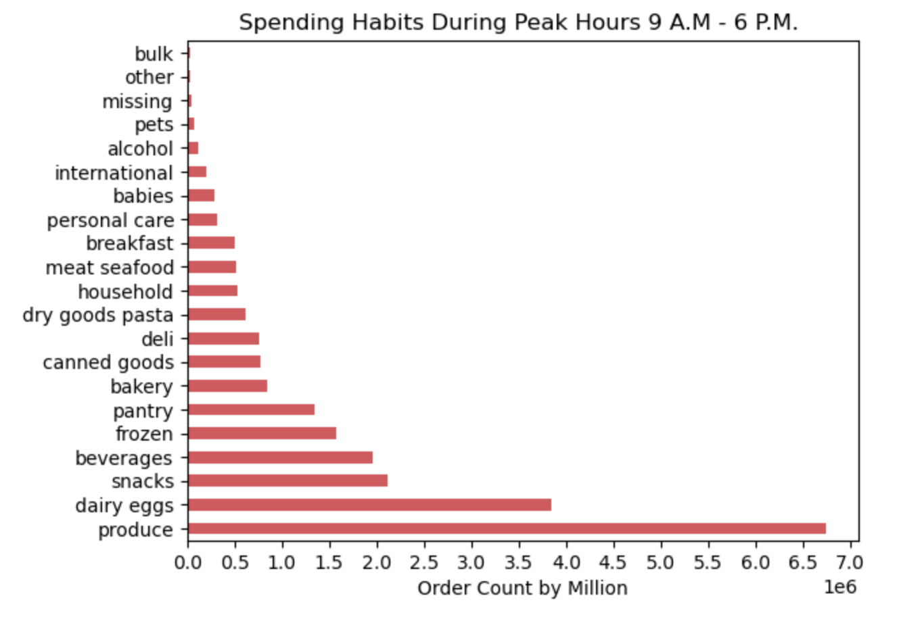

Project Brief Prompt: Marketing and sales want to use simpler price range groupings to help
 |  | direct their efforts.

Notes: There is a marked drop off in orders around the 15 dollar mark, and a subtle drop between 10 and 15 dollars.

Charts:

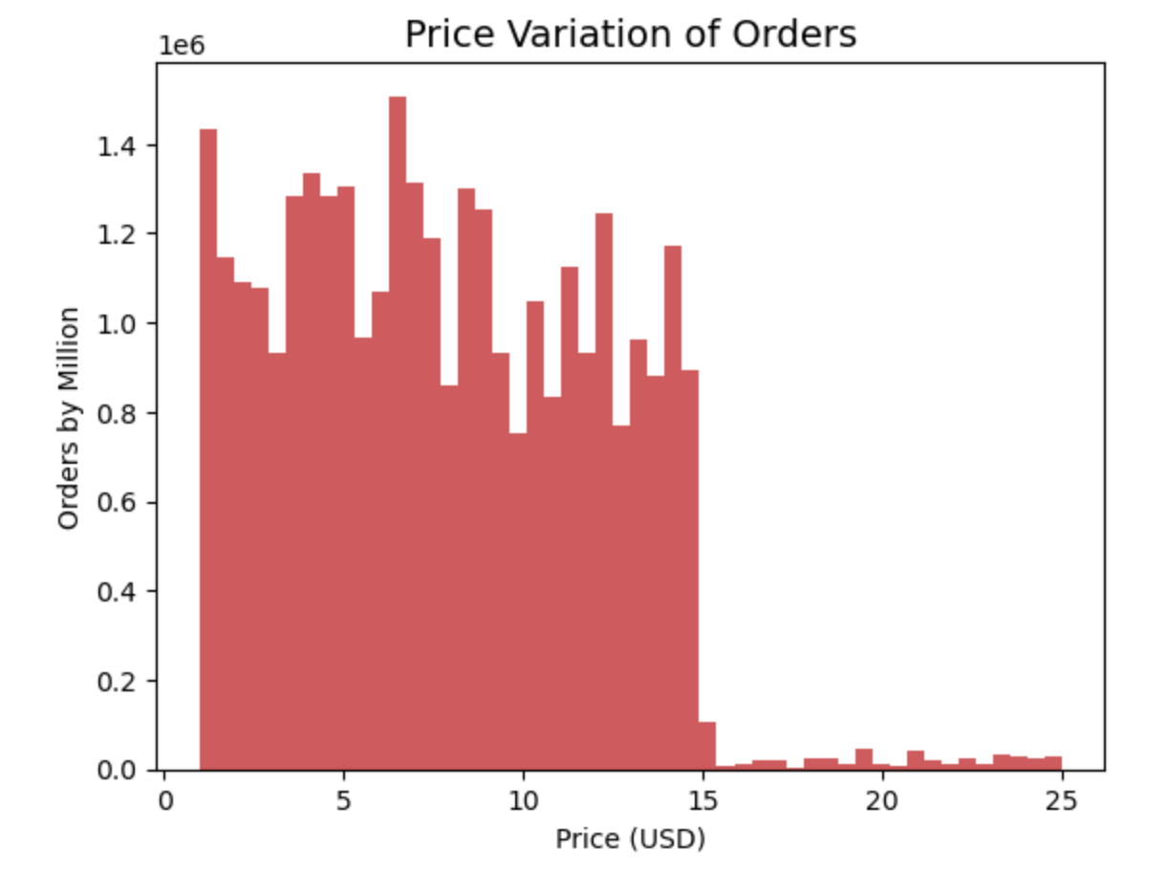

Project Brief Prompt: Are there certain types of products that are more popular than others?
 |  | Which departments have the highest frequency of product orders?

Notes: Grocery purchases in the produce and dairy departments hold the largest amount of orders, with snacks, beveragees, frozen foods and pantry items being the next popular purchases.
 | These departments hold steady across each time period throughout the day.

Charts:

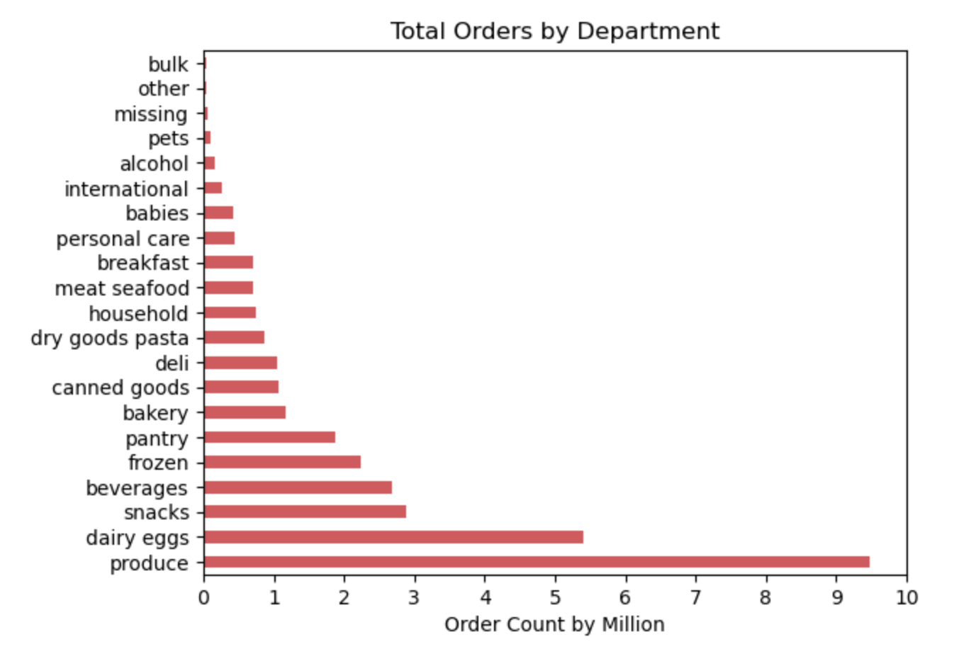
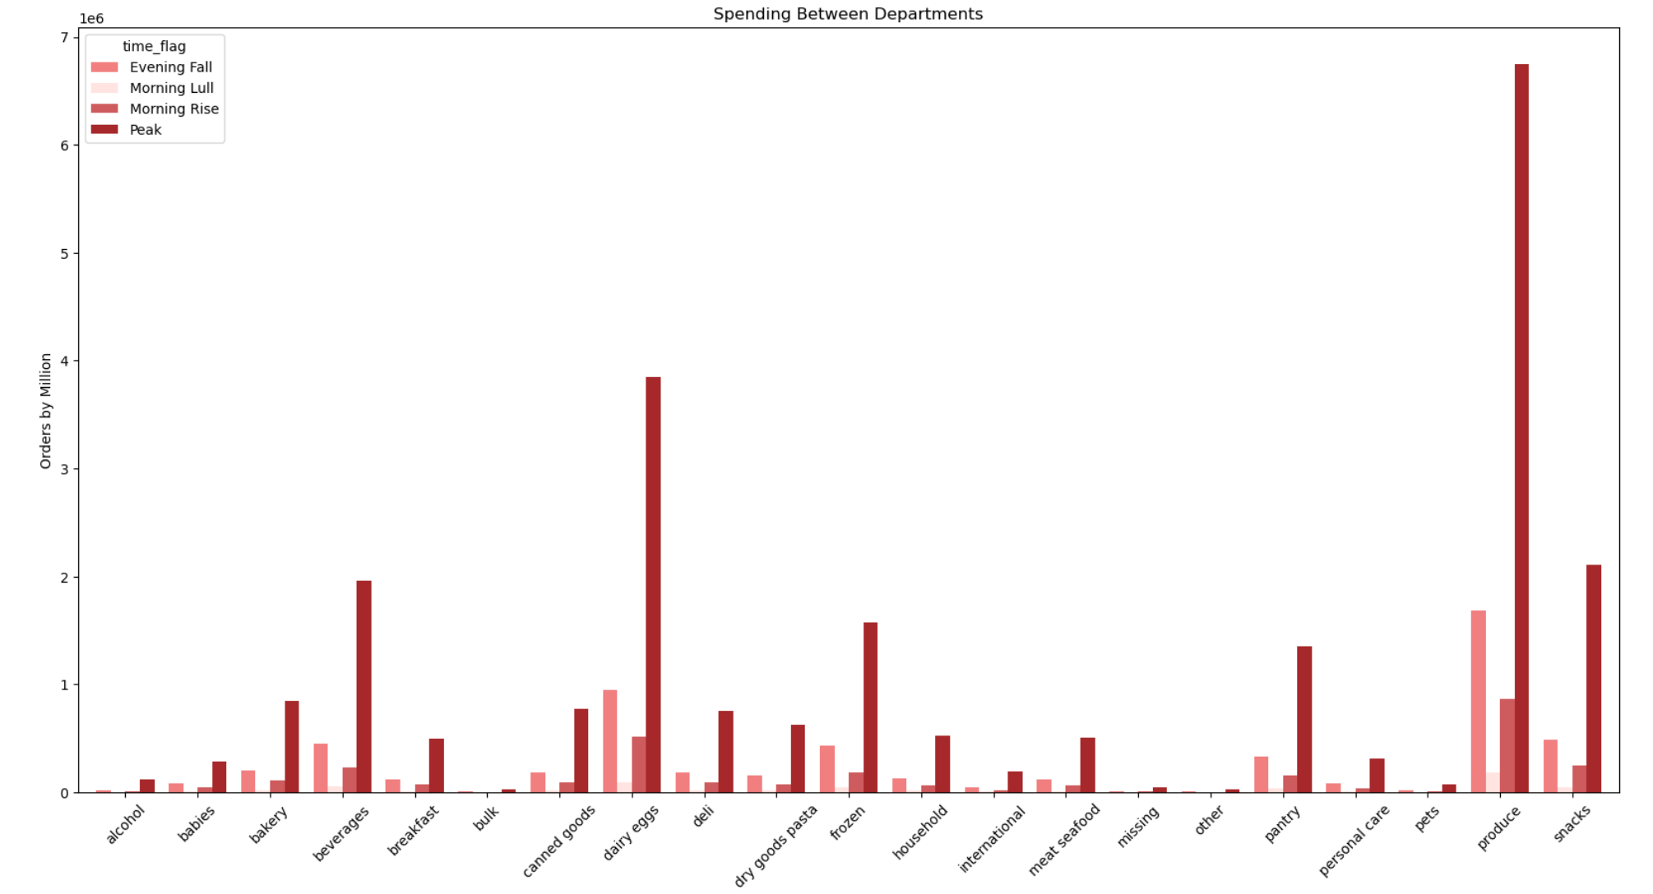

Project Brief Prompt: The marketing and sales teams are particularly interested in the different
 |  | types of customers in their system and how their ordering behavior
 |  | differs.

Notes: The largest group of spenders are people who are middle aged, have a moderate income, and have at least one dependant.
 | It should also be noted that while the South holds the largest numbers of any region it is partly due to the population size and number of states in this category.
 | State divisions for this project were pre-decided based on this site's information. |  | https://simple.wikipedia.org/wiki/List_of_regions_of_the_United_States
Charts:

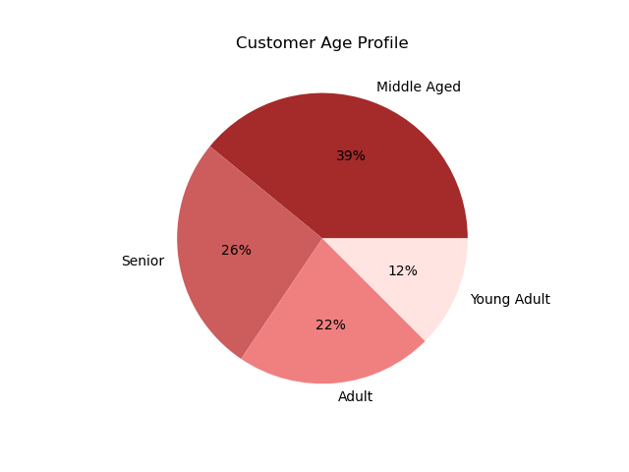
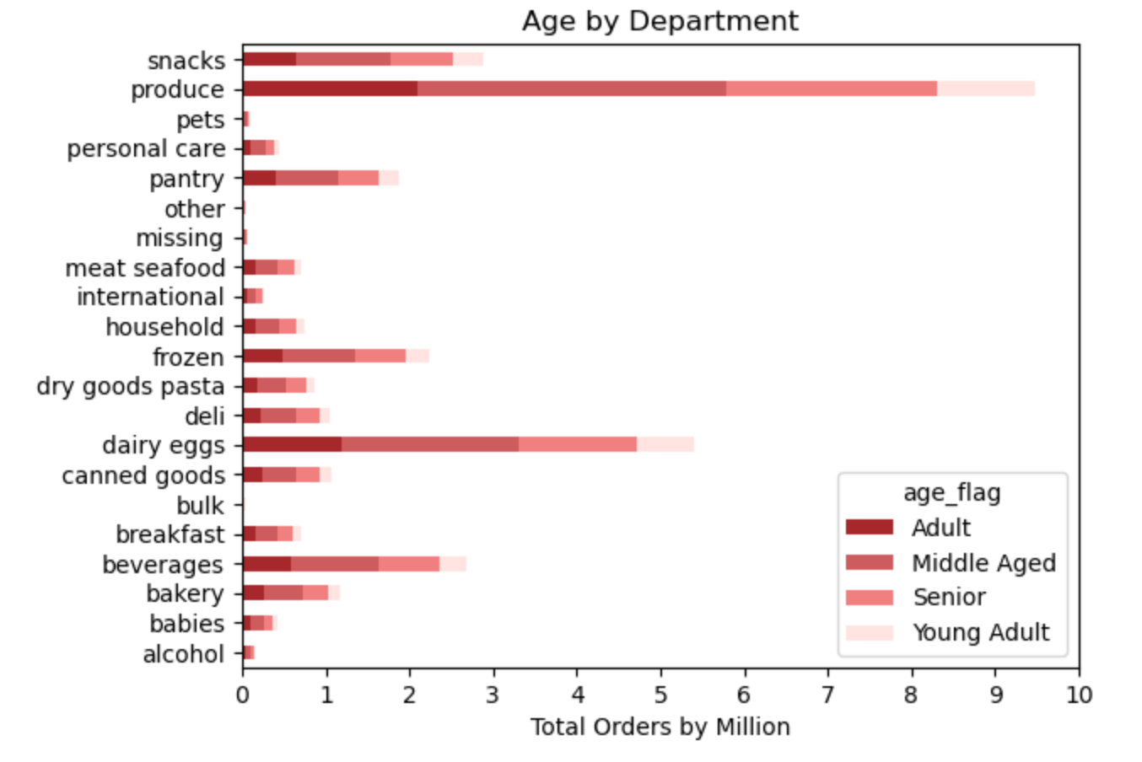
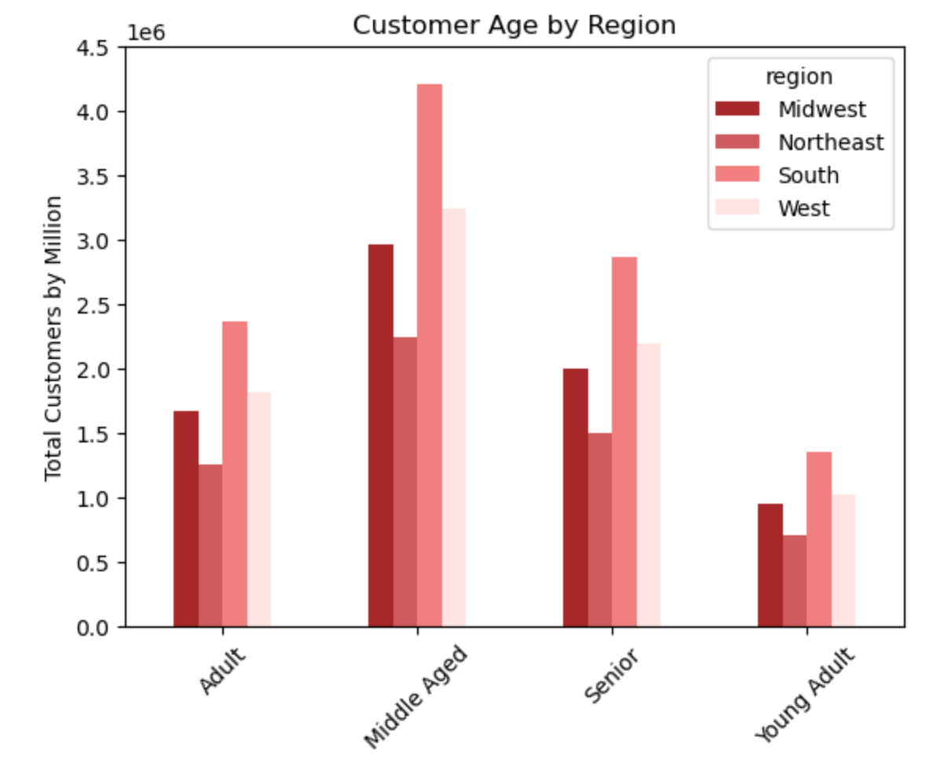

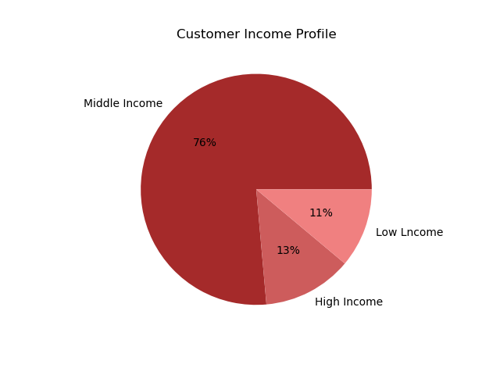
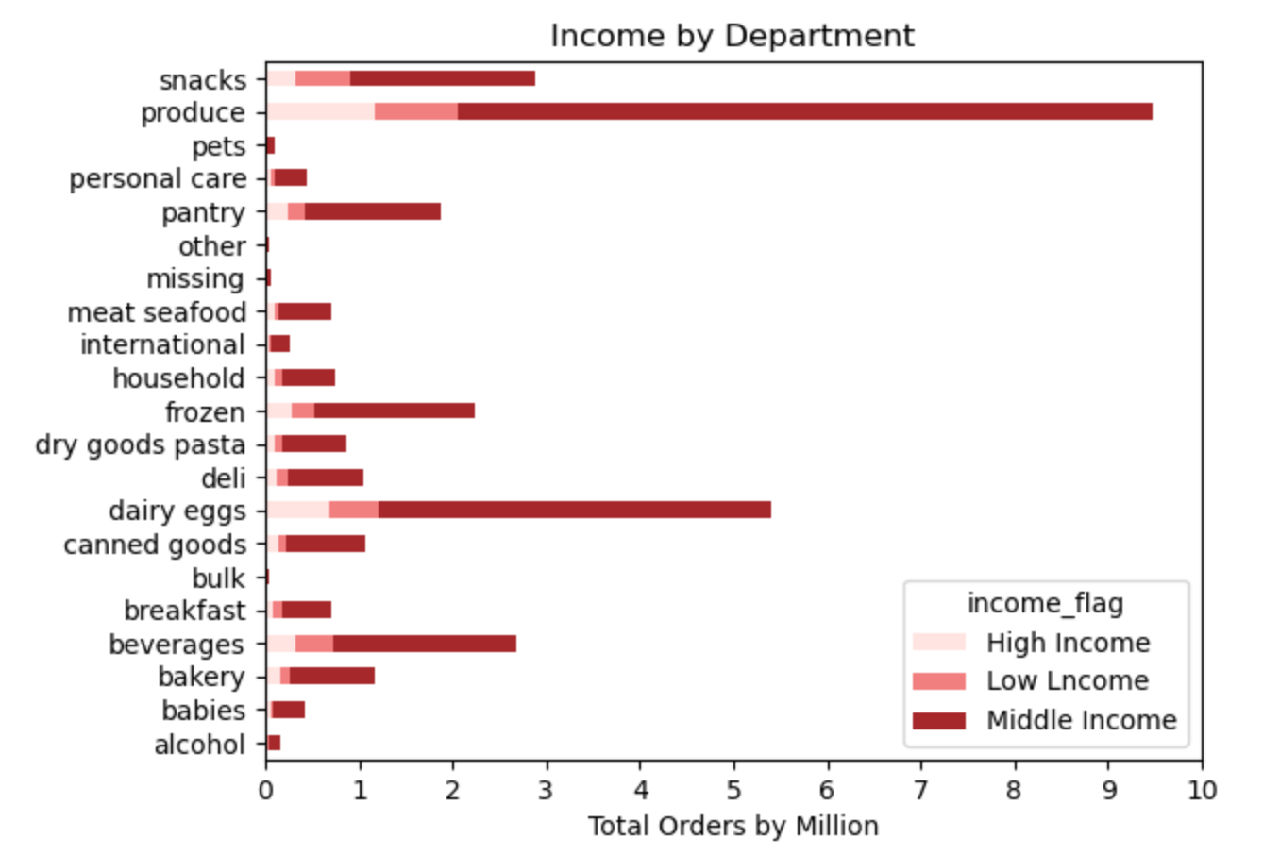
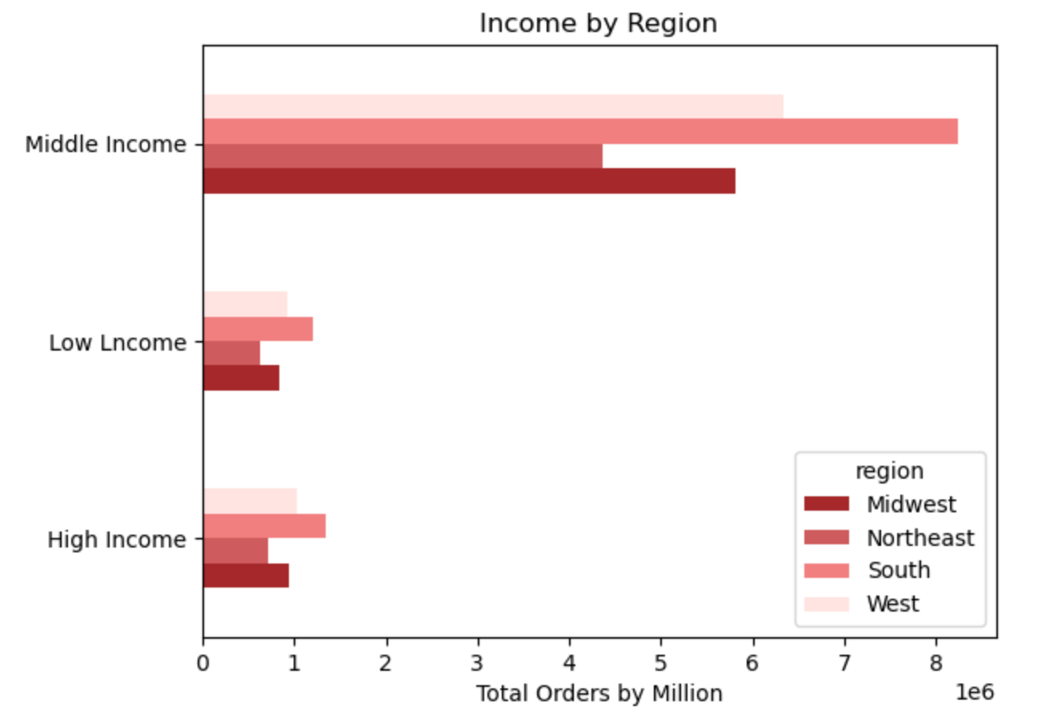

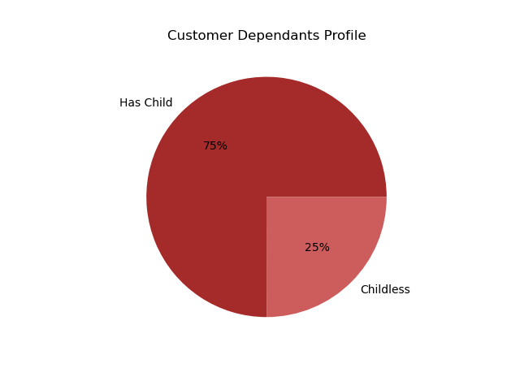
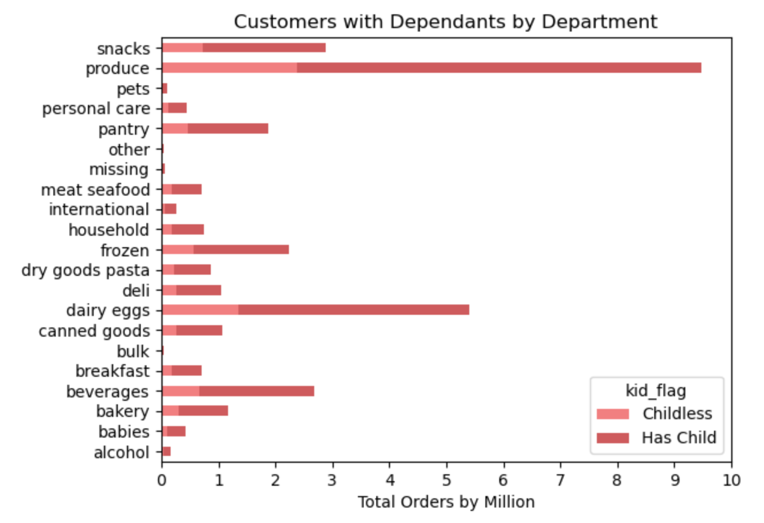
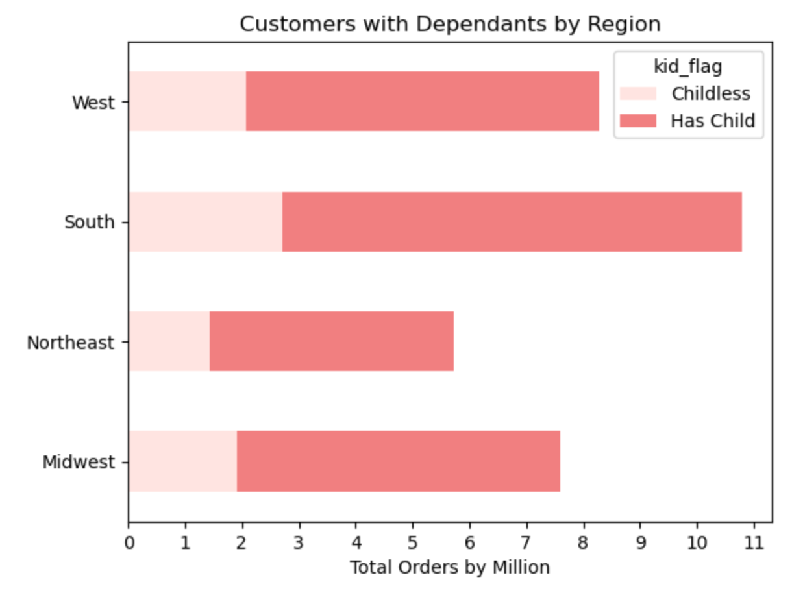

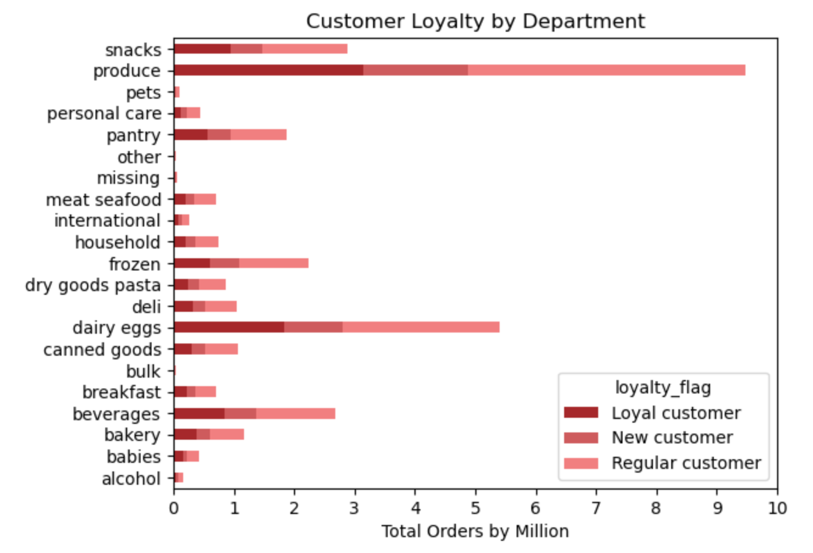
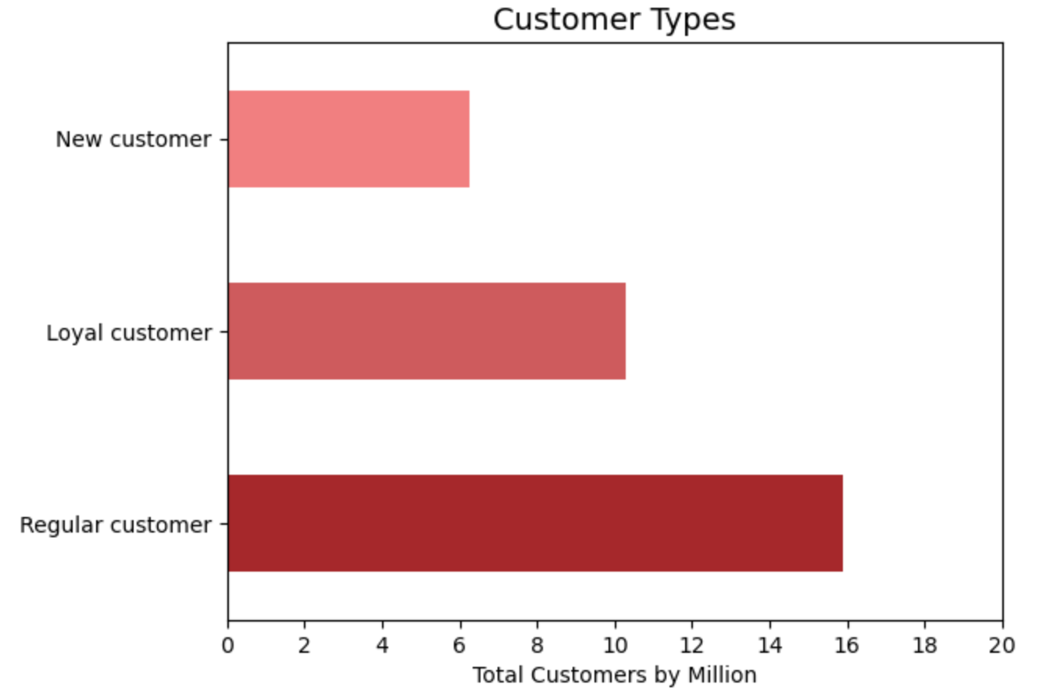

Note: Python was fighting me on putting exact numbers for the bars on the chart above, easier to manually apply in
 | a program like photoshop or procreate.
 | New customer: 6.2 million
 | Loyal customer: 10.2 million
 | Regular customer: 15.8 million

7. Recommendations
 |  | Title page

Recommendations

In this tab you should include any recommendations you would made to Instcart in terms of their marketing strategy based on the questions posed in the brief. Every key question has been covered in the Tasks of the Exercises - here you need to add an item - a visualisation or table/crosstable that is showing the answer in the data, acompanied by a comment from you. Please, list the questions below and add the answer underneath.

Project Brief Prompts / Key Questions | Answers and Recommendations
The sales team needs to know what the busiest days of the week and hours of the day are in order to schedule ads at times when there are fewer orders. | The busiest days of the week are Saturday and Sunday. The least busy days are Tuesday and Wednesday. As the sales team is looking to schedule ads during slow periods then any day between 12 A.M and 6 A.M is when there is the lowest number of orders. Between 6 A.M to 9 A.M. orders begin to increase, ramping up towards peak hours from 9 A.M to 6 P.M, and then there is a gradual evening fall in orders from 6 P.M to 12 A.M.
They also want to know whether there are particular times of the day when people spend the most money, as this might inform the type of products they advertise at these times. | Peak hours for orders start around 9 A.M and end around 6 P.M every day of the week. Produce and dairy items are the two most popular item categories for purchases during this time, followed by beverages, snacks, frozen foods, and pantry items.
Instacart has a lot of products with different price tags. Marketing and sales want to use simpler price range groupings to help direct their efforts. | Instacart customers typically order items ranging from 0 to 15 dollars, with a large decrease in orders for any item priced 15 to 25 dollars. There is a slight drop in sales with items between 10 to 15 dollars. The natural ranges are from 0 to 9.99, 10 to 14.99, and 15 - 25.
Are there certain types of products that are more popular than others? The marketing and sales teams want to know which departments have the highest frequency of product orders. | The produce department is the most popular at any day of the week or hour of the day. It is always followed by the dairy department. During the morning lull period (12-6 A.M) the next popular in order are beverages, snacks, frozen goods, and pantry items. For the rest of the day snacks overtakes the beverages department, becoming the third most popular department.
Marketing and sales are particularly interesting in the different types of customers in their system and how their ordering behavior differs. | There is no discernable difference between customer types. Each group I looked at seemed to frequent the same departments at the same times with regularity, making almost all charts I created look relatively uniform. The most common type of customer is one who is middle aged, holds a middle income, has dependants, and is a regular customer.
Loyalty >> | Customers were sorted by the total amount of orders they had made with under 10 being new customers, 10-40 being regular customers, and over 40 being loyal customers. With this demarcation the total customer counts stand at about 6.2 million new customers, 10.2 million loyal customers, and 15.8 regular customers.
Age >> | Middle aged adults (age 40 - 64) are the largest group of customers at 39%, seniors (65+) hold 26%, adults (25 - 39) make up 22%, and young adults make up only 12% of the total customer base.
Dependants >> | 75% of customers have at least one dependant, and 25% have none.
Income >> | 76% of customers are considered middle income, with about 13% being high income and 11% being low income.

