Sheet1
R-type | 7 | 5 | 5 | 3 | 5 | 7
 | funct7 | rs2 | rs1 | funct3 | rd | opcode
ADD | 0000000 |  |  | 000 |  | 0110011 | 51
SUB | 0100000 |  |  | 000 |  | 0110011 | 51
SLL | 0000000 |  |  | 001 |  | 0110011 | 51
SLT | 0000000 |  |  | 010 |  | 0110011 | 51
SLTU | 0000000 |  |  | 011 |  | 0110011 | 51
XOR | 0000000 |  |  | 100 |  | 0110011 | 51
SRL | 0000000 |  |  | 101 |  | 0110011 | 51
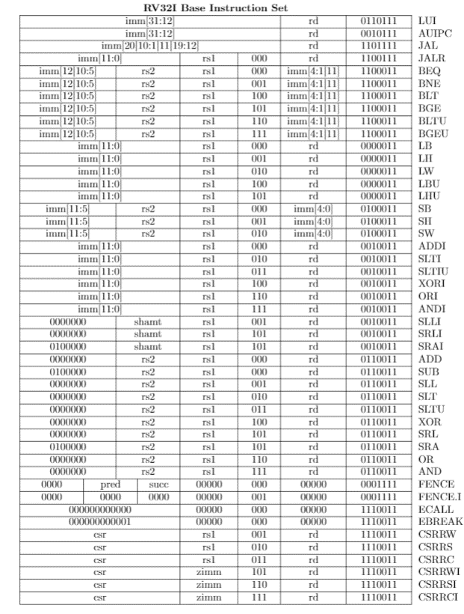
SRA | 0100000 |  |  | 101 |  | 0110011 | 51
OR | 0000000 |  |  | 110 |  | 0110011 | 51
AND | 0000000 |  |  | 111 |  | 0110011 | 51

I-type | 12 |  | 5 | 3 | 5 | 7
 | imm[11:0] |  | rs1 | funct3 | rd | opcode
JALR |  |  |  | 000 |  | 1100111 | 67
LB |  |  |  | 000 |  | 0000011 | 3
LH |  |  |  | 001 |  | 0000011 | 3
LW |  |  |  | 010 |  | 0000011 | 3
LBU |  |  |  | 100 |  | 0000011 | 3
LHU |  |  |  | 101 |  | 0000011 | 3
ADDI |  |  |  | 000 |  | 0010011 | 19
SLTI |  |  |  | 010 |  | 0010011 | 19
SLTIU |  |  |  | 011 |  | 0010011 | 19
XORI |  |  |  | 100 |  | 0010011 | 19
ORI |  |  |  | 110 |  | 0010011 | 19
ANDI |  |  |  | 111 |  | 0010011 | 19
ECALL | 000000000000 |  | 00000 | 000 | 00000 | 1110011 | 115

IR-type | 7 | 5 | 5 | 3 | 5 | 7
 | funct7 | imm | rs1 | funct3 | rd | opcode
SLLI | 0000000 |  |  | 001 |  | 0010011 | 19
SRLI | 0000000 |  |  | 101 |  | 0010011 | 19
SRAI | 0100000 |  |  | 101 |  | 0010011 | 19

S-type | 7 | 5 | 5 | 3 | 5 | 7
 | imm[11:5] | rs2 | rs1 | funct3 | imm[4:0] | opcode
SB |  |  |  | 000 |  | 0100011 | 35
SH |  |  |  | 001 |  | 0100011 | 35
SW |  |  |  | 010 |  | 0100011 | 35

U-type | 20 |  |  |  | 5 | 7
 | imm[31:12] |  |  |  | rd | opcode
LUI |  |  |  |  |  | 0110111 | 55
AUIPC |  |  |  |  |  | 0010111 | 23

B-type | 7 | 5 | 5 | 3 | 5 | 7
 | imm[12|10:5] | rs2 | rs1 | funct3 | imm[4:1|11] | opcode
BEQ |  |  |  | 000 |  | 1100011 | 99
BNE |  |  |  | 001 |  | 1100011 | 99
BLT |  |  |  | 100 |  | 1100011 | 99
BGE |  |  |  | 101 |  | 1100011 | 99
BLTU |  |  |  | 110 |  | 1100011 | 99
BGEU |  |  |  | 111 |  | 1100011 | 99

J-type |  |  |  |  |  | 7
 | imm[20|10:11|11|19:12] |  |  |  | rd | opcode
JAL |  |  |  |  |  | 1101111 | 111

